Master sheet
 | Overland Training Hike |  | 6th Lewes HQ | 12th March

Checkpoint | Location | Map Reference | Picture | Staff | Activity | Checkpoint Open time | Miles from previous CP | Time Allowed | First team arrival | Last team departure
Start | 6th Lewes HQ | TQ 421 094 | 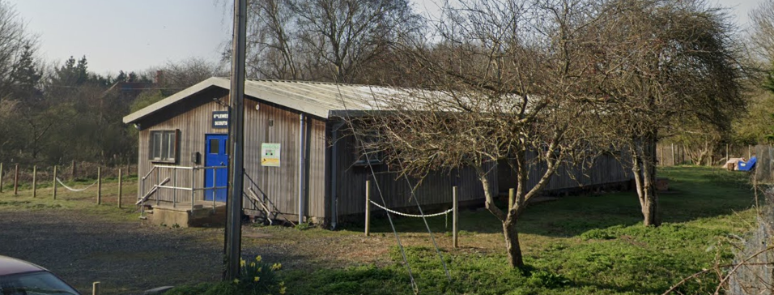 | Fred, Keith, Leanne, Chris |  |  | 0 | 0:00:00 | 8:30:00 | 9:00:00
1 | Swanborough Manor | TQ 401 077 | 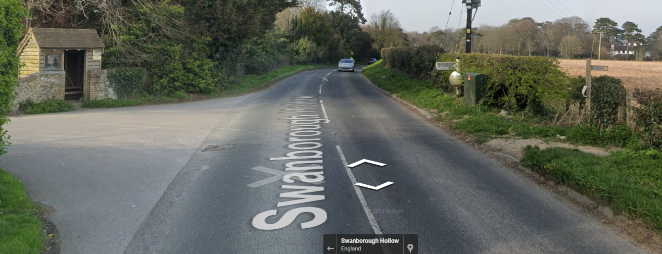 | Trident ESU. Laura, Ben | Planning a scout camp | 8:41:24 | 2.07 | 0:41:24 | 9:11:24 | 10:17:06
2 | Swanborough Hill | TQ 390 068 |  | 1st HH. Graham, Mike | Pioneering (broom sticks) | 9:10:36 | 0.96 | 0:19:12 | 9:40:36 | 11:00:54
3 | Balsdean | TQ 377 050 |  | 5th HH. Louise, Helen | Cities in Africa & S. America | 9:54:36 | 1.7 | 0:34:00 | 10:24:36 | 12:06:54
Finish | Woodingdean | TQ 356 063 | 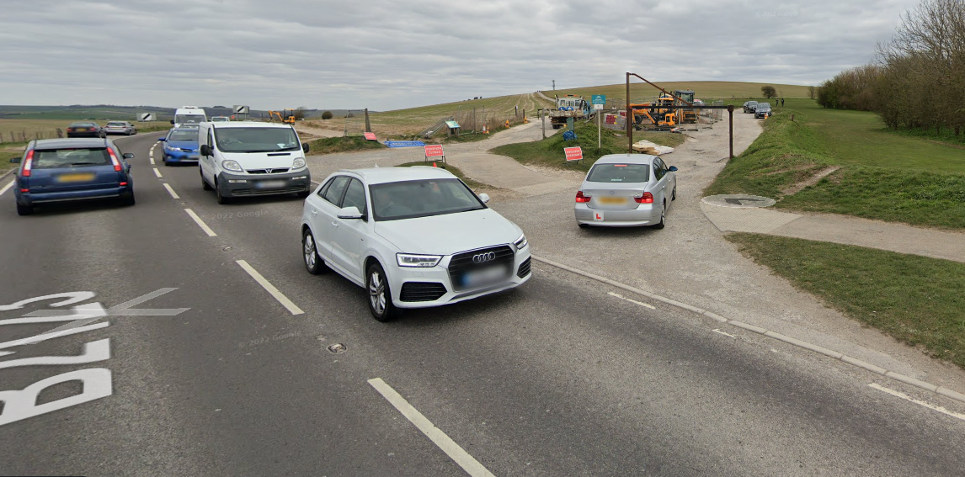 | Keith, Fred, Chris |  | 10:48:48 | 2.21 | 0:44:12 | 11:18:48 | 13:28:12

Staff instructions & Site RA
Checkpoint Staff Instructions & Site Risk Assessment

Staff Instructions | Misc
Thank you for volunteering to support this hike. Your time is very much appreciated.
The Leader in Charge for this hike is: | Fred Thomas
The Leader in Charge can be contacted on the Districts' mobile phone. | 07926925715
The Leader in Charge may also be contacted on their personal phone (if happy to share) | '07553922144
Call the Leader in Charge if any problems arise during the hike.
Thoroughly read the Event Risk Assessment.
Be in position by the opening time stipulated for your location that's detailed on the master sheet. Call the Leader in Charge to advise that your checkpoint is now open. Keep your location open until you receive instruction from the Leader in Charge (or delegated authority) to close it.
If your location is adjacent to a road or has regular vehicle access, ensure staff moving around the checkpoint wear suitable High Visibility clothing.
Record arrival & departure times on control sheets and team log cards.
Run checkpoint challenges and record points on scoresheet: Checkpoint Challenges Print instructions of your challenge for the team to read. Where able, the challenge should be a practical “hands-on” task. Paper based quizzes are discouraged. 20 points are available for the challenge, apportion some points for teamwork. Do not give verbal assistance unless they are without a clue. Teams have a maximum of 10 minutes to complete the challenge, timed by the checkpoint staff, starting when you hand them the instruction sheet. Please stop them when their time is up. Checkpoint staff may need to be able to run their incident for a minimum of 2x teams simultaneously. See the Master Sheet for details of the challenge that has been assigned to your checkpoint.
Prior to the hike, email the Leader in Charge a copy of your Risk Assessment for risks associated with performing your checkpoint challenge.
Be contactable by phone (and provide a contact number for your location to the Leader in Charge).
First Aid: Carry out a very brief welfare check on each team. This means a visual check as the team’s approach, looking for signs of fatigue or injury, e.g. limping, blisters, sprains, hypothermia, dehydration etc. Ask each team: 1. about the welfare of each member. 2. to confirm that each team member wants to continue. If staff have any doubt about a team’s condition, they should contact the Leader in Charge and perform or request a First Aid assessment. Prompt the team to use their own emergency equipment/provisions as required. You are requested to have an adequate first aid kit and blankets available.
Check teams are wearing waterproofs if it's raining. Check shoelaces are tied.
Check Teams Hi-Vis is still visible i.e. they've not covered it up with coats.
If a team or individual withdraws from the hike, contact the Leader in Charge who will arrange collection.
Clearly display the next 'walk to' grid reference. Validate next checkpoint is correctly plotted and the intended route is understood by teams. Ensure Scouts leave in the correct direction. | "Walk to" grid ref'!A1
Do not leave checkpoints unattended for any reason before you have been officially closed down.
Each location will receive a checkpoint pack. Please note that, on some occasions, this maybe a soft copy for checkpoint staff to print as required. The hard copies of the checkpoint packs i.e. timings and score sheet will be collected by the Leader in Charge or delegated authority when your checkpoint is closed.
You will only be closed down when the last team reaches the next checkpoint.
Checkpoint Equipment: • Full first aid kit • Drinking water for teams • Stopwatch/timer/watch for timing the challenge. • Materials/equipment for your challenge
Location Specific Information
Start. 6th Lewes Scout HQ Description: Scout Hut, Ham Ln, Lewes BN7 3PS. Landowner: 6th Lewes (Fred is the lead contact for booking). Hazards: See separate attachment for Scout Hut RA. Comments: Start: Check team details are correct with attendees. Record 2x contact phone numbers for each team and check that these phones have ringers turned on to max volume. Brief teams to use the emergency number on the log card if they get into difficulty. Validate that teams are aware of correct route. Issue log card. | https://w3w.co/scripted.assure.gives
 | Start, photo.
Checkpoint 1 Name: Swanborough Manor Description: Roadside, road crossing. Landowner: Local authority. Hazards: Traffic on road, limited sighting of southbound traffic. Persons & property at risk: All participants. Risk controls in place: 50mph speed limit. Action to mitigate risk: Staff and teams to wear Hi-Viz. Staff will supervise teams when crossing the road. Important – wait for a gap in the traffic, do not attempt to stop the traffic. Comments: Staff must intercept teams before they cross. 4x4 team to put out caution walkerws crossing signs. Permission granted from Rhino Asphalt to park outside their offices (they're based on Swanborough Farm). Validate that teams have marked the next checkpoint correctly on their map and will follow the intended route. Sign team log cards. Please see picture below. | https://w3w.co/alarm.wicked.than
 | Checkpoint 1 photo
Checkpoint 2. Swanborough Hill. Description: Farm track, end of concrete road. Landowner: Hazards: Slow moving farm traffic. Persons & property at Risk: All participants. Risk Controls in place: Nil. Actions to mitigate risk: Staff and participants must wear hi-vis. Comments: Validate that teams have marked the next checkpoint correctly on their map and will follow the intended route. See photo of checkpoint 2 below. | https://w3w.co/spring.frames.trash
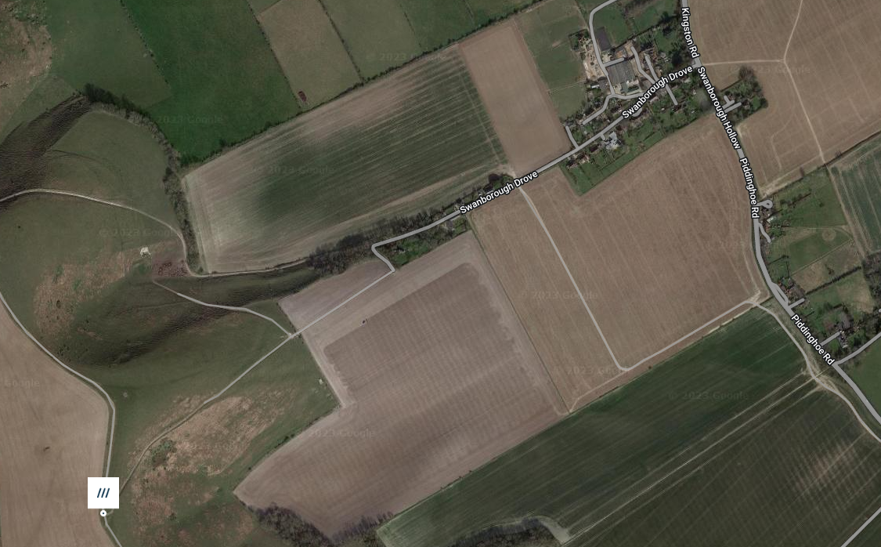 | Checkpoint 2 photo and route across the open access land.
Checkpoint 3 Balsdean. Description: Farm track by path intersection. Landowner: Hazards: Slow farm traffic. Risk controls in place: Nil Comments: Muster teams safely away from traffic. Instruct teams to call their lift home to advise that they are approximately 30 minutes from the finish. Validate that teams have marked the next checkpoint correctly on their map and will follow the intended route. See photo of checkpoint 3 below. | https://w3w.co/fuzz.retraced.proofread
 | Checkpoint 3 photo.
Finish. Woodingdean, B2123. Description: Public Car Park. Landowner: Local Authority. Hazards: Traffic. Persons & property at risk: All participants. Risk controls in place: Nil. Action to mitigate risk: Staff and Teams to wear Hi-Vis. Safely muster teams away from the roadside. Comments:Collect log card. Check all team members are collected together (do not be left 1:1 with a scout). | https://w3w.co/flattery.outwards.really
 | Finish, photo.

Comms
Lines of Communication

Major incident or injury
(Purple Card Emergency)
District Commissioner or Designate (Purple Card Emergency)
Checkpoint Staff

Leader In Charge
Search & Rescue
Minor incident or injury

In-Touch Contact
Teams

Parents
Lead First Aider

Key
In the Field
Remote

Incident management

Staff communication

Log Card
Overland Training Hike |  |  | Team Number

Checkpoint | Arrival Time | Departure Time | Hike Points | Signature
Start
CP1
CP2
CP3
CP4
CP5
CP6
CP7
Finish
 |  | Total Hike Points=

Emergency Contact Number |  | 07926925715

Overland Training Hike |  |  | Team Number

Checkpoint | Arrival Time | Departure Time | Hike Points | Signature
Start
CP1
CP2
CP3
CP4
CP5
CP6
CP7
Finish
 |  | Total Hike Points=

Emergency Contact Number |  | 07926925715

 |  |  |  | Log Card Overland Training Hike
 |  |  | Emergency Contact Number | 07926925715

 |  |  |  | Log Card Overland Training Hike
 |  |  | Emergency Contact Number | 07926925715

