Formula and Selection Chart
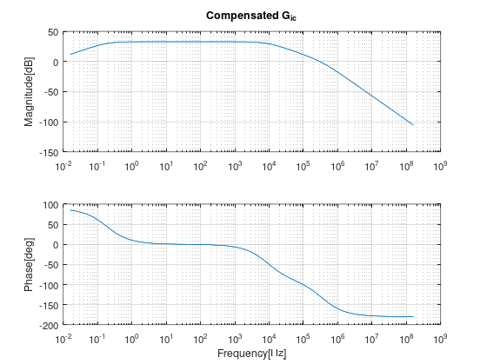
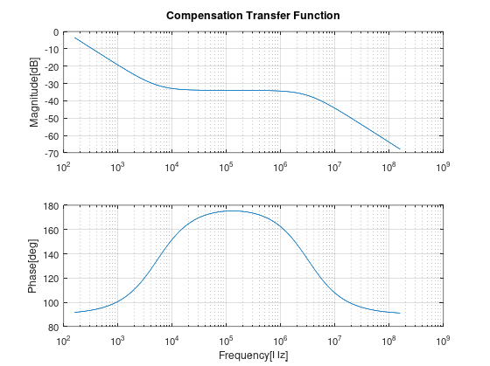
Buck Regulator Calculator (Continous Conduction - CCM mode)
 | Textbook Calculation | Units | Notes
Input Voltage (Vin) | 36 | V | Legend
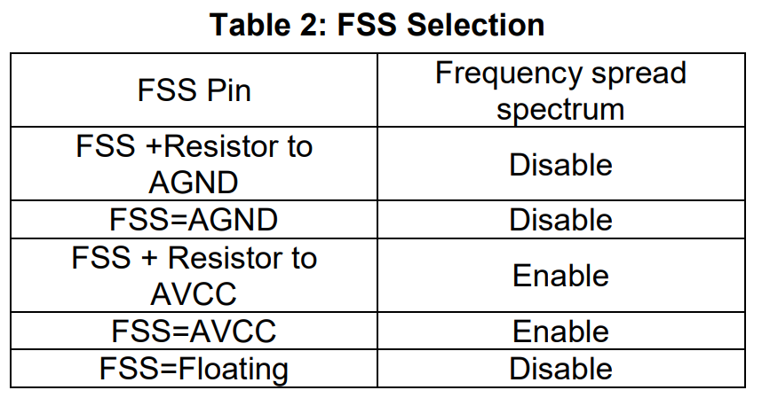
Output Voltage (Vout) | 15 | V | Input Parameters | Pin Number | Pin Name | Component | Design guide index
Output Current (Iout) | 14.375 | A | Output Components | 1 | AGND |  | Pin1, AGND. Connection GND.
Input Current (Iin) - Not including device operational Iq | 6.35 | A |  | 2 | AVCC | C3, R4 | Pin2, AVCC. Signal Power Supply
Power Input (Pin) | 228.4 | W |  | 3 | PVCC | C4 | Pin3, PVCC. Internal LDO Output.
Power Output (Pout) | 215.625 | W
Efficiency (η) | 94.3885 | %
Highside MOSFET Rds_on | 0.005 | Ω | From MOSFET Datasheet | 4 | VBIAS | C5 | Pin4, VBIAS. Internal LDO Supply.
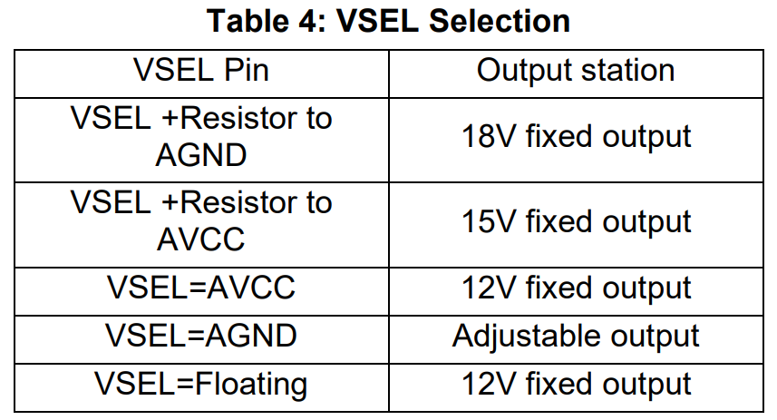
Lowside MOSFET Rds_on | 0.005 | Ω | From MOSFET Datasheet | 5 | BG | Q2 | Pin5, BG. Bottom Gate Driver Output.
Inductor Current (avg) | 14.375 | A |  | 6 | PGND |  | Pin6, PGND. Connection GND
Inductor DCR | 0.015 | Ω | From Inductor Datasheet | 7 | EN | R1, R2 | Pin7, EN. Enable and Under-Voltage Lockout
Duty Cycle | 0.41531404375 |  |  | 8 | VIN | CIN1, CIA, C1B, C1C, C1D, C1E, C1F | Pin8, VIN. Selecting the Input Capacitors
Switching Frequency (Fsw) | 400000 | Hz |  | 9 | TG | Q1 | Pin9, TG. Top gate driver output.
Period (Tperiod) | 2.50E-06 | second |  | 10 | SW | L1 | Pin10, SW. Selecting the Inductor and Output Capacitors
Inductor Current Ripple Percentage | 35 | % |  |  |  | C2A, C2B, C2C, C2D
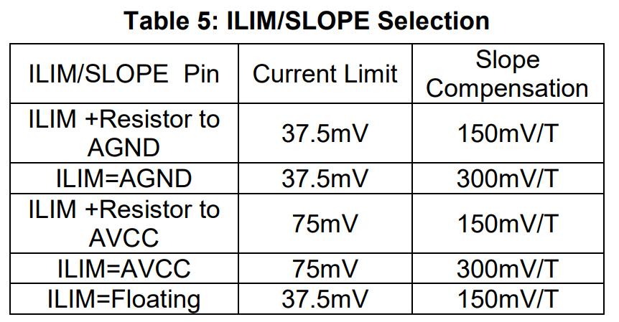
Inductor Current Ripple (∆I_L) | 5.03125 | A |  | 11 | BSTI | R6 | Pin11, BSTI. Floating Power Source Input
Inductor Peak Current (I_Lpeak) | 19.40625 | A |  | 12 | BSTO | C6 | Pin12, BSTO. Floating Power Source Output
Inductance (I_Ind) minimum | 2.1371905916E-06 | H |  | 13 | FSS |  | Pin13, FSS. Frequency Spread Spectrum Modulation Setting.
Output Voltage Ripple Percentage | 0.5 | % |  | 14 | CS+ | R7 | Pin14, CS+. Positive Current Sense Input.
Output Voltage Ripple (∆V) | 0.075 | V |  | 15 | CS- |  | Pin15, CS-. Negative Current Sense Input.
Output Capacitance Minimum (Cout) | 2.10E-05 | F |  | 16 | SS | C7 | Pin16, SS. Soft-start Capacitor.
On-time at Max Vin | 1.04E-06 | seconds |  | 17 | DNU |  | Pin17, DNU.
Soft-Start Calculations |  |  |  | 18 | MODE |  | Pin18, MODE.
Reference Voltage (Vref) | 1.2 | V |  | 19 | VSEL |  | Pin19, VSEL. Output Voltage Configuration.
Soft-Start Capacitor Current (Iss) | 12 | uA |  | 20 | PG | R3 | Pin20, PG. Power Good Output.
Soft-start Timing (tss) | 0.0022 | seconds |  | 21 | ILIM/SLOPE |  | Pin21, ILIM/SLOPE. Current limit and slope compensation configuration.
Soft-start Capacitor (Css) | 22 | nF |  | 22 | COMP | C5, R5, C6 | Pin22, COMP. Compensation.
 |  |  |  | 23 | VFB | R8, R9 | Pin23, VFB. VOUT Regulation Input / Feedback Divider.
Feedback Resistors |  |  |  | 24 | FREQ | R10 | Pin24,FREQ. Setting the Switching Frequency
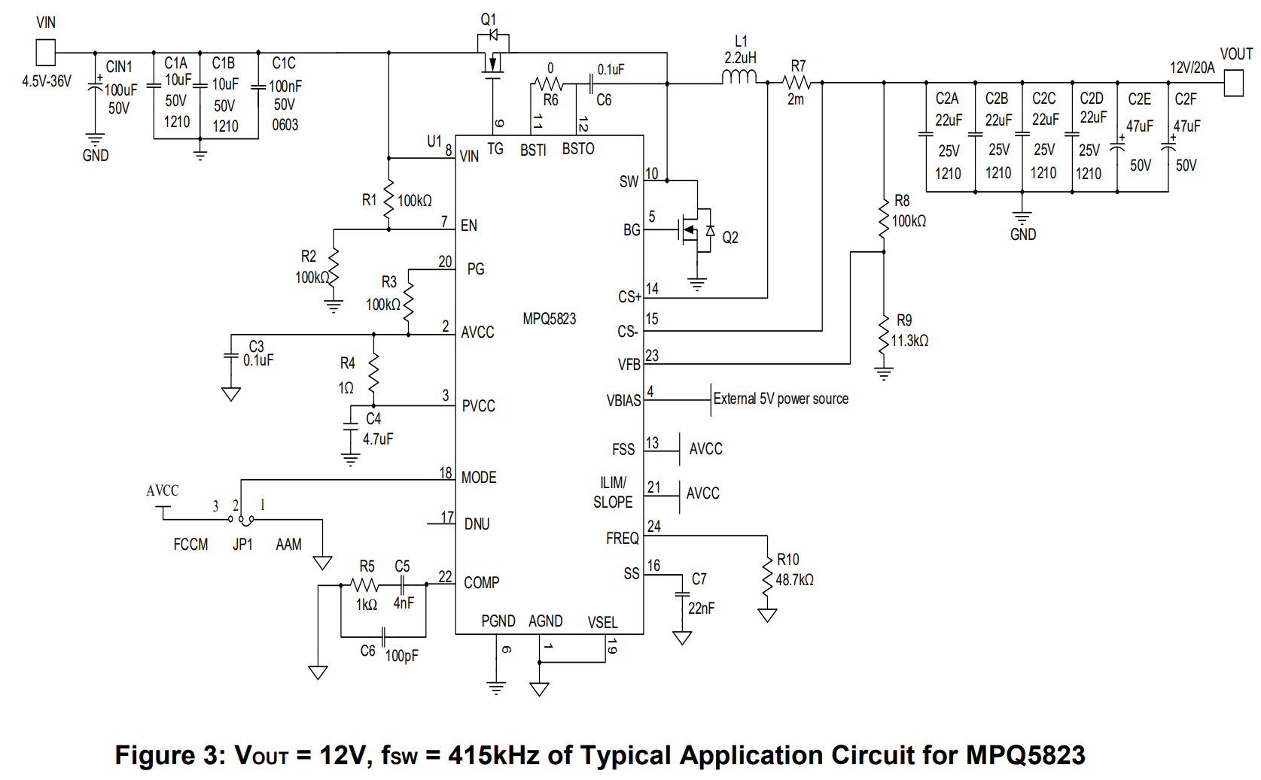
Highside Feedback Resistor (RFB1) | 100000 | Ω
Lowside Feedback Resistor (RFB2) | 8695.65 | Ω

Enable UVLO Dvider
Highside Enable Resistor (Ren_top) | 138095.2381 | Ω
Lowside Enable Resistor (Ren_bottom) | 100000 | Ω
Enable Pin Turn-on Voltage (Ven) Rising | 1.05 | V
Input Turn-on Voltage (V_UVLO) Rising | 2.50 | V

Frequency Set Resistor
Frequency Set Resistor (Rfreq) | 50.39 | KΩ

Current Sense Resistor
Sense Resistor | 0.002 | Ω
Sensing Voltage | 0.02875 | V
Sensing Gain | 0.002 | V/A
Capacitors
AVCC Capacitor | 0.1 | uF
PVCC Capacitor | 4.7 | uF
Bootstrap Capacitor | 0.1 | uF
Vbias Capacitor | 1 | uF

Slope Compensation
Inductor Upslope Amplitude | 9691461.3424 | A/Sec
Inductor Downslope Amplitude | -7153082.21 | A/Sec
Subharmonic Oscillation Factor (|x| < 1) | 0.33
Sensed Downslope Amplitude + Gain | -143061.64 | V/sec
Sensed Downslope Amplitude + Gain | -143.06 | mV/usec
Minimum Required Slope Compensation (1/2 downslope) | 71.53 | mV/usec
Slope Compensation at 300mV/T (based on Fsw) | 60.00 | mV/usec
Slope Compensation in inductor current | 3000000.00 | A/sec
Slope Compensation Set Value | 150 | mV/T
Input Capacitors
Total Capacitor Value (Approximate) | 1.20E-04 | uF | Refer to Capacitor Datasheet for Cap value at Voltage and Frequency
Input Current Discontinuous Ripple (I_Cin) | 7.09 | A
Input Voltage Ripple (∆Vin) | 0.582 | V
Input Impedance at Fsw (assuming no input inductor) | 3.31E-03 | Ω | Output Impedance needs to be less then input impedance of plant for stability
Power Loss Estimation (Based on selected MOSFET)
Gate Driver High Output Voltage | 5.3 | V
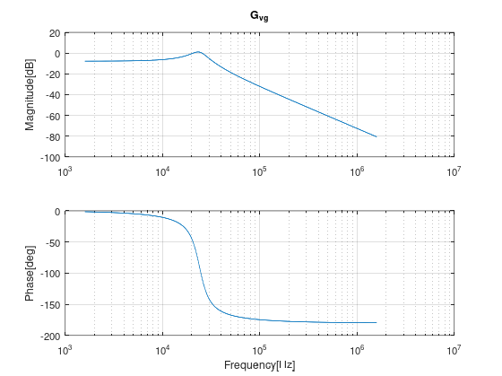
Highside Gate Charge (Qg_HS) | 1.20E-08 | Columbs | From MOSFET Datasheet
Lowside Gate Charge (Qg_LS) | 1.20E-08 | Columbs | From MOSFET Datasheet
Highside Gate Rise Time (tr_HS) | 2.00E-09 | seconds | From MOSFET Datasheet
Highside Gate Fall Time (tf_HS) | 2.00E-09 | seconds | From MOSFET Datasheet
Lowside Gate Rise Time (tr_LS) | 2.00E-09 | seconds | From MOSFET Datasheet
Lowside Gate Fall Time (tf_LS) | 2.00E-09 | seconds | From MOSFET Datasheet
Highside Conduction Loss | 0.869 | W
Lowside Conduction Loss | 0.869 | W
Inductor DCR Losses | 3.099609375 | W
Total Conduction Losses | 4.837 | W
Lowside Reverse Recovery Time (trr) | 3.30E-08 | seconds | From MOSFET Datasheet
Lowside Reverse Recovery Charge (Qrr) | 3.00E-08 | Columbs | From MOSFET Datasheet
Total Switching Loss | 7.263 | W
Total Power Dissipation Peak | 12.100 | W

Compensation Components
Cs | 3.00E-08
Cp | 5.00E-11
Rs | 1000

Transfer Functoins of Control Loop
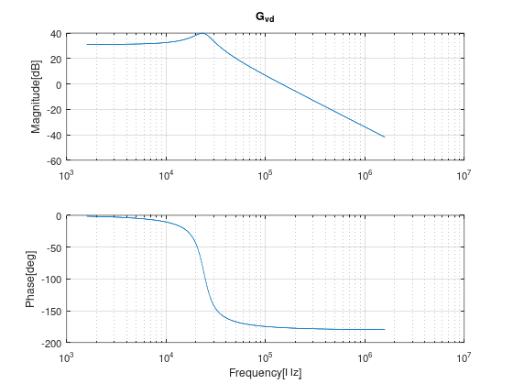
Power Stage Output Voltage-to-Input Voltage Transfer Function = Gvout-vg
DC Gain | 0.41531404375
Denominator (dc) | 1.0191666667
Denominator first order (B) | 2.47E-06
Denominator second order (C) | 4.48E-11
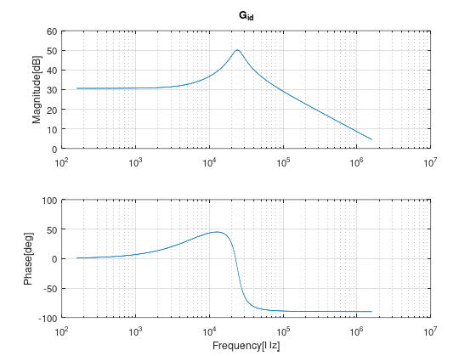
Power Stage Output Voltage-to-Input Voltage Transfer Function = Gvout-duty
DC Gain | 36.117247239
Numerator (A) | 1
Denominator (dc) | 1.0191666667
Denominator first order (B) | 2.47E-06
Denominator second order (C) | 4.48E-11
Power Stage Inductor Current-to-Duty Transfer Function = Gi_ind-duty
DC Gain | 34.612361937
Numerator (dc) | 1
Numerator (A) | 2.19E-05
Denominator (dc) | 1.0191666667
Denominator first order (B) | 2.47E-06
Denominator second order (C) | 4.48E-11
Power Stage Inductor Current-to-Input Voltage Transfer Function = Gi_ind-vg
DC Gain | 0.39800929193
Numerator (A) | 2.19E-05
Denominator (dc) | 1.0191666667
Denominator first order (B) | 2.47E-06
Denominator second order (C) | 4.48E-11

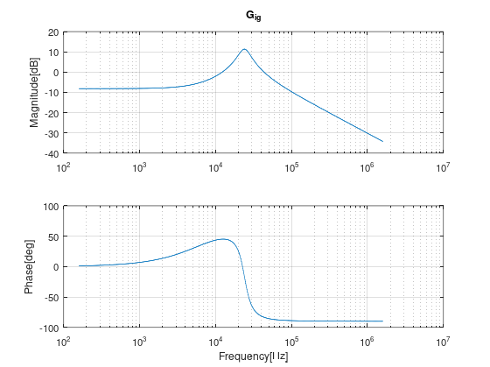
Open Loop Gain Coefficient = T
Fm Gain (Slope Compensation gain) | 6.67E+00
Fv (Voltage coefficient) | 9.91E-02
Hv (Voltage Feedback times OpAmp Gain) | 0.08
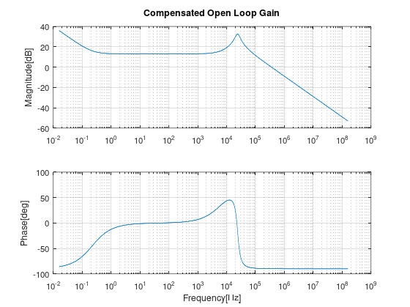
Hi (Inductor Feedback times opamp gain) | 2.00E-02
Fi (inductor current coefficient) | 9.87E-01

Type II Compensation
Semse Gain (gm) | 1.00E+00
DC Gain (G0) | 9.98E+02
Numerator (A) | 3.00E-05
Denominator (B) | 4.99E-08

Closed Loop Gain Coefficients = A/(1+T)

Frequency vs Set resistor graph
Frequency vs Set Resistor
Resistance (kOhm) | Frequency Set (kHz) | Trendline Resistance
100 | 205 | 99.448767812
82.5 | 250 | 83.278414626
60.4 | 339 | 60.633858617
48.7 | 415 | 48.367207842
41.2 | 490 | 40.444970764
35.7 | 550 | 36.071934941
29.4 | 680 | 29.906680383
23.7 | 920 | 22.492586625
19.1 | 1000 | 20.31071
15.8 | 1200 | 15.761224919
14 | 1380 | 13.464337339
12.1 | 1600 | 12.522884649
10 | 1900 | 9.8757956911
8.87 | 2200 | 8.8839814342

Polynomial Regression Formula (Curve Fitting)
Formula | y = 6.159031E-17x6 - 4.859178E-13x5 + 1.534733E-09x4 - 2.483918E-06x3 + 2.191222E-03x2 - 1.036002E+00x + 2.386032E+02

