Sheet1
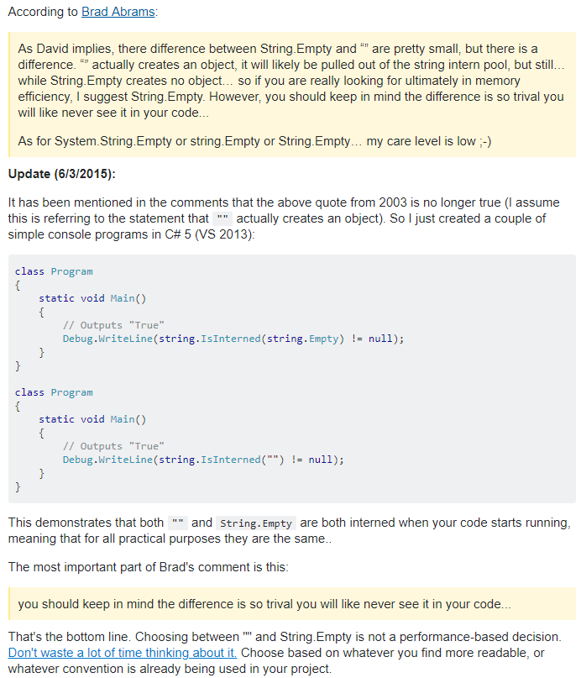
What's the difference between String.Empty and ""
https://stackoverflow.com/questions/2905378/string-empty-versus

