Sheet1
Signal Layer | Reference Layer | Impedance Type | Trace Width（mil) | Trace Spacing（mil) | Impedance(ohm)±10% | Position | Nets (for reference)
L1 | L2 | Differential Pair (Non coplanar) | 6.00 | 5.98 | 90 | 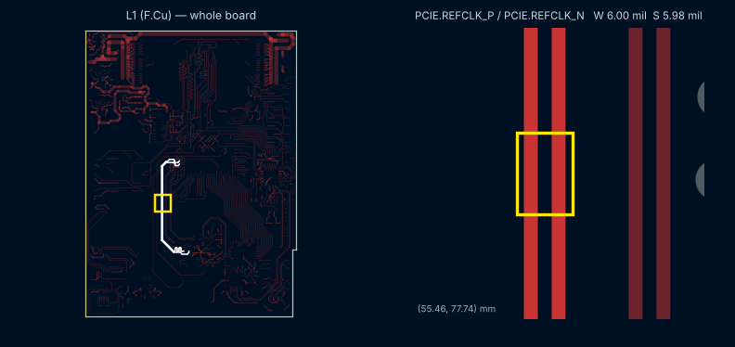 | Ethernet, PCIe, PCIe refclk, USB2: USBD_P/USBD_N, PCIE.REFCLK_P/REFCLK_N, PCISLOT.TX_P/TX_N, PCIE.TX_P/TX_N, PCIE.RX_P/RX_N, RJTX_P/RJTX_N, RJRX_P/RJRX_N
L1 | L2 | Differential Pair (Non coplanar) | 4.72 | 5.98 | 100 | 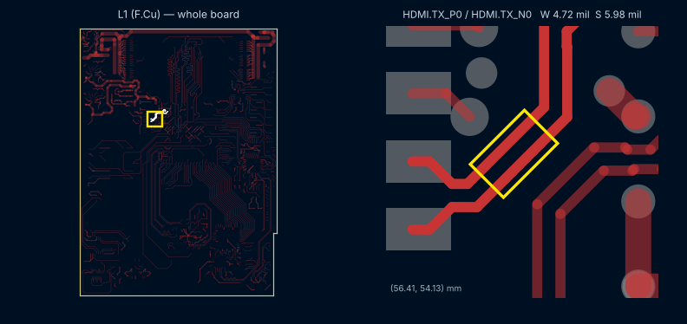 | DDR3 CK, HDMI TMDS: HDMI.TX_P1/TX_N1, HDMI.TX_P0/TX_N0, DRAM.CK_P/CK_N, HDMI.TX_P2/TX_N2
L1 | L2 | Single-ended (Non coplanar) | 7.15 |  | 50 | 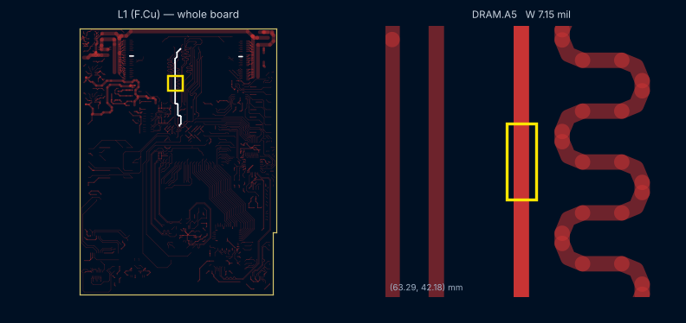 | DDR3 single-ended: A, BA, ODT, RESET_N, CKE, RAS_N, CAS_N, CS_N, WE_N
L3 | L2/L4 | Differential Pair (Non coplanar) | 4.57 | 6.14 | 100 | 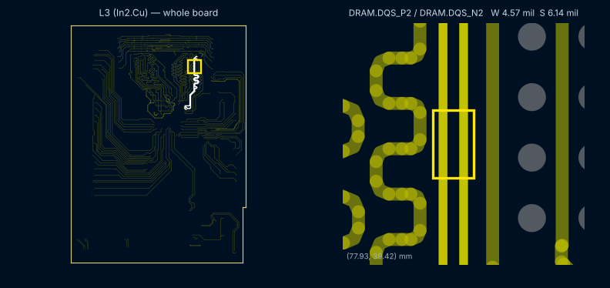 | DDR3 DQS: DRAM.DQS_P0/DQS_N0, DRAM.DQS_P2/DQS_N2
L3 | L2/L4 | Differential Pair (Non coplanar) | 4.57 | 8.66 | 100 | 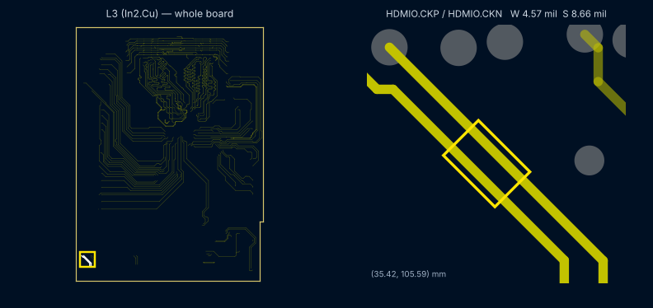 | HDMI out: HDMIO.CKP/CKN
L3 | L2/L4 | Single-ended (Non coplanar) | 6.75 |  | 50 | 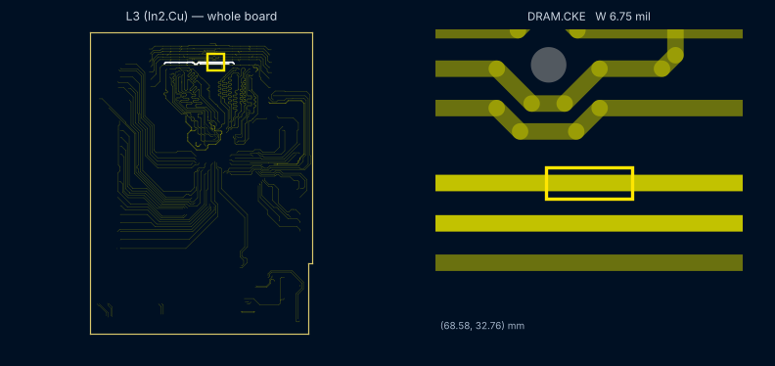 | DDR3 single-ended: DQ, A, DM, ODT, BA, CKE
L6 | L5/L7 | Differential Pair (Non coplanar) | 4.57 | 6.14 | 100 | 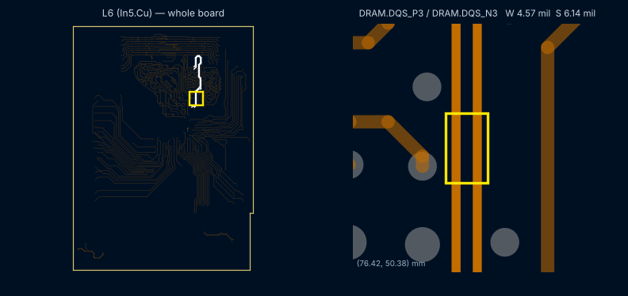 | DDR3 DQS: DRAM.DQS_P3/DQS_N3, DRAM.DQS_P1/DQS_N1
L6 | L5/L7 | Single-ended (Non coplanar) | 6.75 |  | 50 | 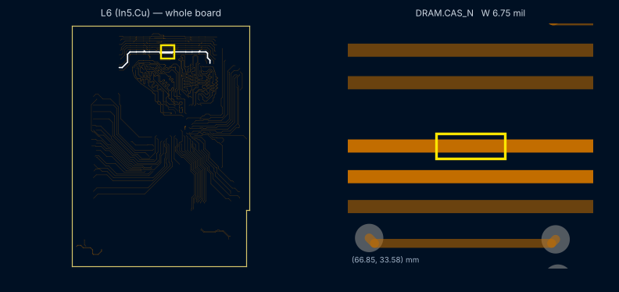 | DDR3 single-ended: DQ, A, DM, BA, RAS_N, CAS_N, CS_N
L8 | L7/L9 | Differential Pair (Non coplanar) | 4.57 | 6.14 | 100 | 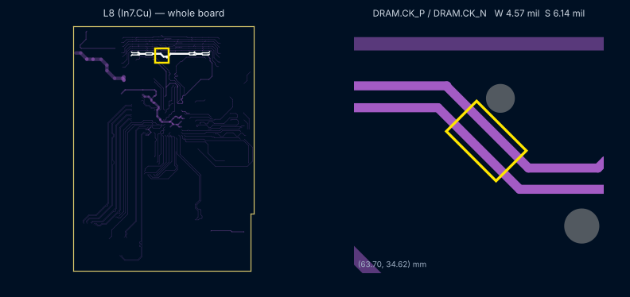 | DDR3 CK: DRAM.CK_P/CK_N
L8 | L7/L9 | Differential Pair (Non coplanar) | 4.57 | 6.50 | 100 | 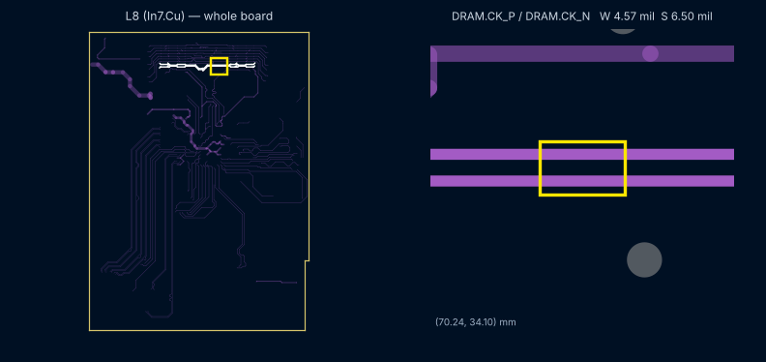 | DDR3 CK: DRAM.CK_P/CK_N
L8 | L7/L9 | Differential Pair (Non coplanar) | 4.57 | 7.44 | 100 | 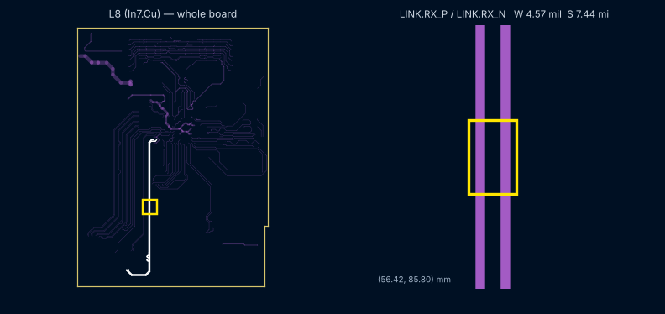 | HDMI TMDS (AC), HDMI refclk, Link: LINK.RX_P/RX_N, AC.CLK_P/CLK_N, AC.TX_P1/TX_N1, AC.TX_P0/TX_N0, AC.TX_P2/TX_N2, LINK.TX_P/TX_N, HDMI.REFCLK_P/REFCLK_N
L8 | L7/L9 | Single-ended (Non coplanar) | 6.75 |  | 50 | 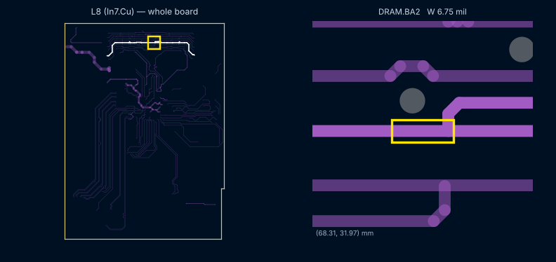 | DDR3 single-ended: A, WE_N, DQ, BA
L10 | L9 | Differential Pair (Non coplanar) | 6.00 | 5.98 | 90 | 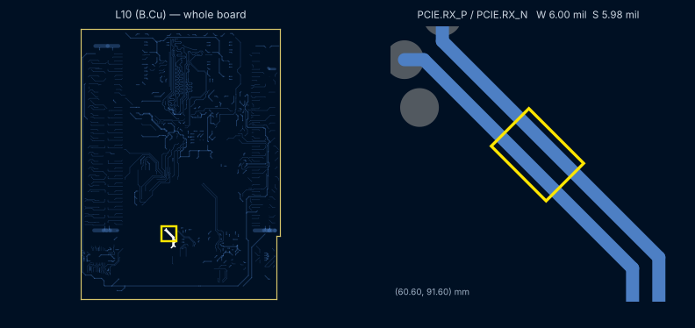 | PCIe, PCIe refclk: REFCLKAC_P/REFCLKAC_N, PCIE.RX_P/RX_N
L10 | L9 | Differential Pair (Non coplanar) | 4.72 | 5.98 | 100 | 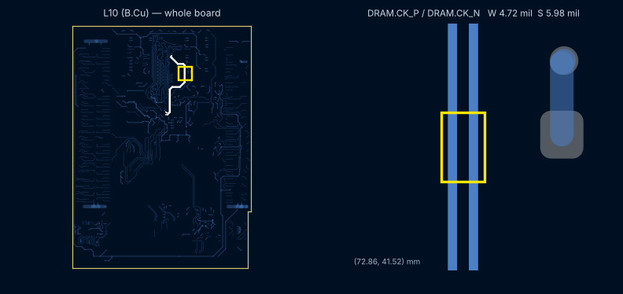 | DDR3 CK: DRAM.CK_P/CK_N
L10 | L9 | Differential Pair (Non coplanar) | 4.72 | 8.27 | 100 | 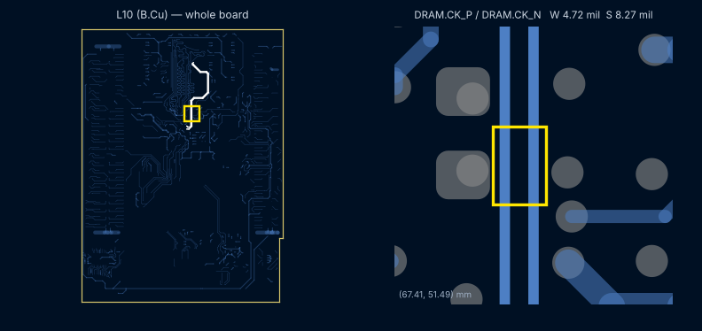 | DDR3 CK: DRAM.CK_P/CK_N
L10 | L9 | Single-ended (Non coplanar) | 7.15 |  | 50 | 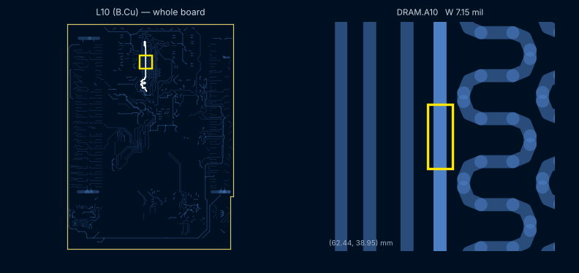 | DDR3 single-ended: A, RESET_N, CS_N, WE_N, BA, CAS_N, RAS_N, RZQ, CKE

