Sheet1
Columns | Comments | Sample data | Screenshots
Match ID | Always Blank
Ball Type | Always Yellow | Yellow
Draw Bracket Value | Always Blank
Draw Name |  | #1 Singles | 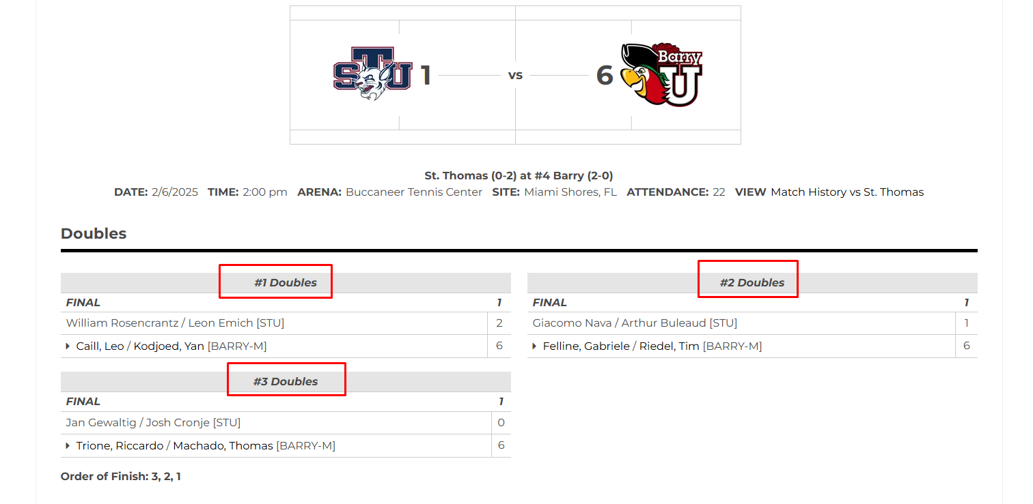
Draw Team Type | The value should always be Singles or Doubles depending on the Draw Name. If Draw Name includes the word 'Singles' then its Singles and if the Draw name includes the word 'Doubles' then its Doubles. If the Draw Name is blank then this field should also be blank | Singles
Tournament Name | "Dual Match: <Winner College Name> vs <Loser College Name>. So we will first need to determine which college team won the team match. This is usually listed at the top of the page. We first need to get the official name of the college by using ChatGPT like we do in the IonCourt scraper. We also need to store the values in the College table in the scraper dashboard. Also include the gender at the end based on the Draw Gender | Dual Match: Millikin University vs Quincy University - Men | 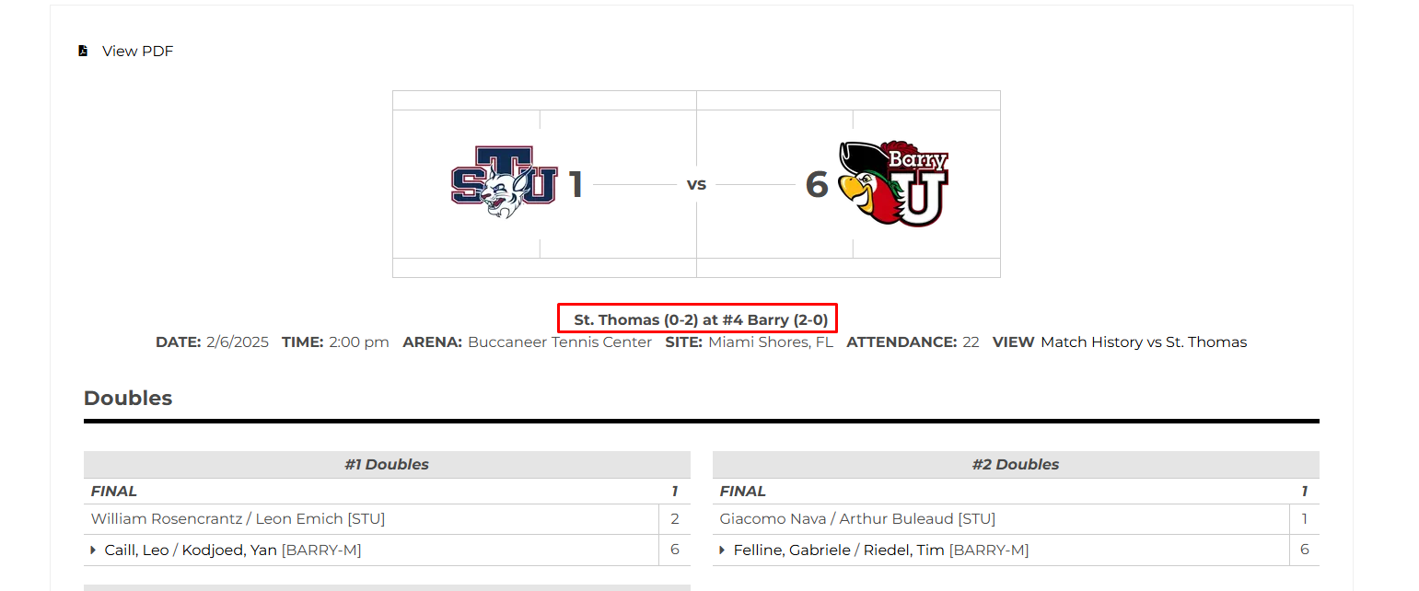
Date | Use the date value on the page | 9/29/2025
Score | Score should always be listed from the winner's perspective. So it should be 6-1, 6-4 and not 1-6, 4-6. Always add a semicolon at the end of the score | 6-3, 6-4
Winner 1 Name | Format always lastname, firstname. The winner is indicated by an arrow | Cozad, Ryan
Winner 1 Gender | This should be based on Draw Gender | M
Winner 1 Third Party ID | Always Blank
Winner 1 City | Always Blank
Winner 1 Country | Always Blank
Winner 1 State | Always Blank
Winner 2 Name | Only for doubles matches. Format always lastname, firstname. The winner is indicated by an arrow | Marino, Rebecca
Winner 2 Gender | This should be based on Draw Gender
Winner 2 Third Party ID | Always Blank
Winner 2 City | Always Blank
Winner 2 State | Always Blank
Loser 1 Name | Same logic as Winner 1
Loser 1 Gender | This should be based on Draw Gender
Loser 1 Third Party ID | Always Blank
Loser 1 City | Always Blank
Loser 1 State | Always Blank
Loser 1 Country | Always Blank
Loser 2 Name | Only for doubles matches. Format always lastname, firstname. The winner is indicated by an arrow
Loser 2 Gender | This should be based on Draw Gender | F
Loser 2 Third Party ID | Always Blank
Loser 2 City | Always Blank
Loser 2 State | Always Blank
Outcome | "Completed" unless specified otherwise | Completed
ID Type | Always Blank
Draw Gender | Feed all the player names into the prompt. Usually there will be 12 different players competing in the dual match and we need to use all of them. Use the prompt below: { 'prompt': In context of this list of player names: "Alayna Campbell / Emma Kealy ; Maddie Gill / Lydia Prince ; Molly Archer / Lindsey Rikkerink ; Shannon Dudy / Sophia Pischalko ; Abby Moss / Hana Dixon ; Hannah Gerner / Odessa Norton ; Emma Kealy ; Molly Archer ; Maddie Gill ; Alayna Campbell ; Anna Gardner ; Lindsey Rikkerink ; Abby Moss ; Lanie Brant ; Shannon Dudy ; Lydia Prince ; Sophia Pischalko ; Anna White", provide me with the gender of the list as a whole. Your response must be in JSON format. The JSON object you return must have a key of `Gender`. The value attached to the `Gender` key should only either be `Male` or `Female`. }
Draw Bracket Type | Always Blank
Draw Type | Always Blank
Tournament City | Always Blank
Tournament State | Always Blank
Tournament Country Code | Always USA | USA
Tournament Host | Always Blank
Tournament Location Type | Always Blank
Tournament Surface | Always Blank
Tournament Event Category | Always Blank
Tournament Event Grade | Always Blank
Tournament Import Source | Always 'College'
Tournament Sanction Body | Always Blank
Winner 2 Country | Always Blank
Winner 2 College | Name of the college Winner 2 player is from. This value will be blank for singles matches | Barry University
Loser 2 Country | Always Blank
Loser 2 College | Name of the college Loser 2 player is from. This value will be blank for singles matches | University of St. Thomas
Tournament Event Type | Always 'Dual Match' | Dual Match
Winner 1 College | Name of the college Winner 1 player is from. | Barry University
Loser 1 College | Name of the college Loser 1 player is from. | University of St. Thomas
Tournament URL | Use the URL for the page | https://gobarrybucs.com/sports/mens-tennis/stats/2024-25/st-thomas/boxscore/14396
Winner 1 DOB | Always Blank
Winner 2 DOB | Always Blank
Loser 1 DOB | Always Blank
Loser 2 DOB | Always Blank
Tournament Country | Always USA | USA
Tournament Start Date | same value as 'Date' | 9/29/2025
Tournament End Date | same value as 'Date' | 9/29/2025
Winner Team | Name of college that won the dual match. COLLEGE_OFFICIAL_NAME = "In the context of this college match: {dual_match} provide me with the official college name for this text: '{clg}'.In your response just provide the official name of the college in JSON format with field name 'Official Name'" COLLEGE_SHORT_NAME = "In the context of this college match: {dual_match} provide me with the official college names for the texts: '{clg1_short}' and '{clg2_short}'. Your response for each text should be either '{clg1_name}' or '{clg2_name}'. Your response should not be the same for both texts. In your response just list the two texts as key followed by the names of the colleges as value in JSON format."
Loser Team | Name of college that won the dual match COLLEGE_OFFICIAL_NAME = "In the context of this college match: {dual_match} provide me with the official college name for this text: '{clg}'.In your response just provide the official name of the college in JSON format with field name 'Official Name'" COLLEGE_SHORT_NAME = "In the context of this college match: {dual_match} provide me with the official college names for the texts: '{clg1_short}' and '{clg2_short}'. Your response for each text should be either '{clg1_name}' or '{clg2_name}'. Your response should not be the same for both texts. In your response just list the two texts as key followed by the names of the colleges as value in JSON format."
Team Score | This is usually listed at the top of the page. Based on the screenshot the value should be 6-1; We list the winner's score first. | 6-1;
Winner Team Type | Always 'College'
Loser Team Type | Always 'College'

