Plots
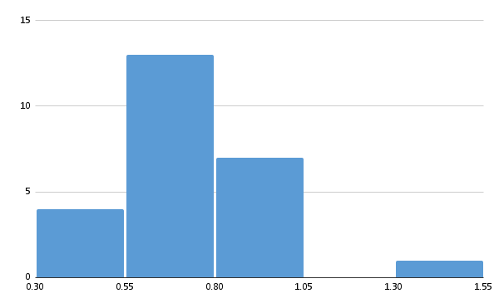
Found vs Theoretical Count
 |  | Theoretical (per plant)

