RQ-types
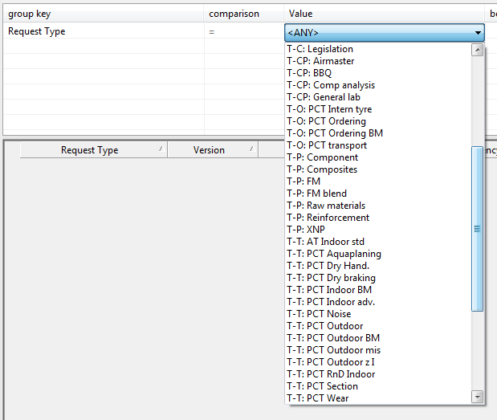
First-Character
M | Manufactoring
S | Simulation
T | Testing
MT | Material Testing

Second-Character
F | Final mix
O | Ordering
T | Tyres
P | Preperation
CP | Compitor

