Snowflake Roles
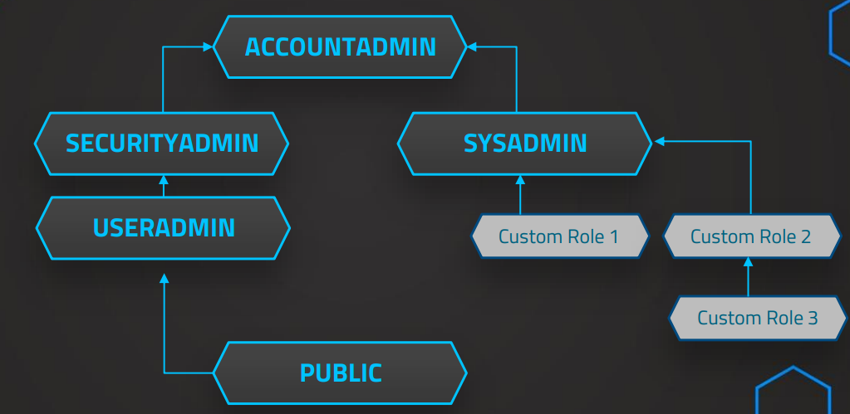
Snowflake Roles

ACCOUNTADMIN | SYSADMIN and SECURITYADMIN
 | top-level role in the system
 | should be granted only to a limited number of users

SECURITYADMIN | USERADMIN role is granted to SECURITYADMIN
 | Can manage users and roles
 | Can manage any object grant globally

SYSADMIN | Create warehouses and databases (and more objects)
 | Recommended that all custom roles are assigned

USERADMIN | Dedicated to user and role management only
 | Can create users and roles

PUBLIC | Automatically granted to every user
 | Can create own objects like every other role (available to every other user/role

Performance Optimization
Performance Optimization

Assigning appropriate data types
Sizing virtual warehouses
Cluster keys

Performance aspects

Dedicated virtual warehouses | Separated according to different workloads
Scaling Up | For known patterns of high work load
Scaling Out | Dynamically fo unknown patterns of work load ✓
Maximize Cache Usage | Automatic caching can be maximized
Cluster Keys | For large tables
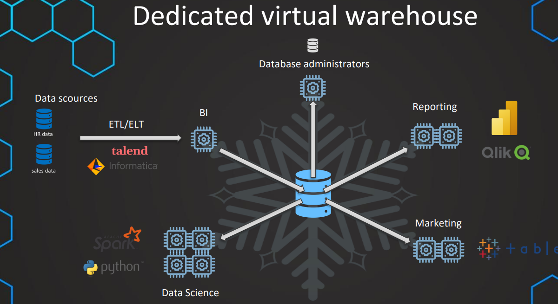

Dedicated virtual warehouse
Identify & Classify | Identify & Classify groups of workload/users
 | BI Team, Data Science Team, Marketing department
Create dedicated virtual warehouses | For every class of workload & assign users

Considerations
Not too many VW | Avoid underutilization
Refine classifications | Work patterns can change
If you use at least Entripse Edition all warehouses should be Multi-Cluster
Minimum: Default should be 1
Maximum: Can be very high

Scaling Up/Down

Changing the size of the virtual warehouse depending on different work loads in different periods
ETL at certain times (for example between 4pm and 8pm)
Special business event with more work load
NOTE: Common scenario is increased query complexity NOT more users (then Scaling out would be better)

 | Scaling Up | Scaling Out
 | Increasing the size of virtual warehouses | Using addition warehouses/ MultiCluster warehouses
 | More complex query | More concurrent users/queries

Caching
Automatical process to speed up the queries
If query is executed twice, results are cached and can be re-used
Results are cached for 24 hours or until underlaying data has changed

What can we do?
Ensure that similar queries go on the same warehouse
Example: Team of Data Scientists run similar queries, so they should all use the same warehouse

Clustering
Clustering in Snowflake
Snowflake automatically maintains these cluster keys
In general Snowflake produces well-clustered tables
Cluster keys are not always ideal and can change over time
Manually customize these cluster keys
low cardinality

What is a cluster key?
Subset of rows to locate the data in micro-partions
For large tables this improves the scan efficiency in our queries

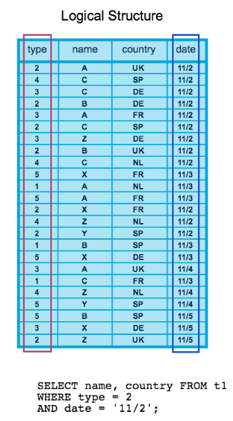
 |  | Before Clustering
 | Before cluster key
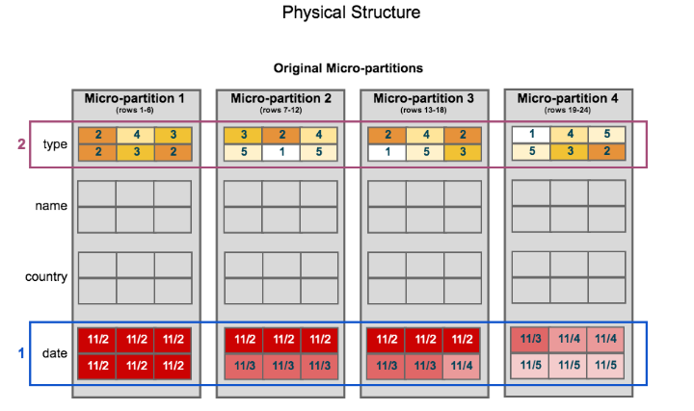

 |  | After creation of cluster key for type and date columns

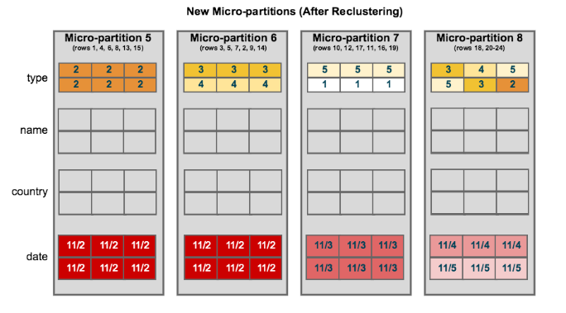

When to cluster?
Clustering is not for all tables
Mainly very large tables of multiple terabytes can benefit

How to cluster?
Columns that are used most frequently in WHERE-clauses (often date columns for event tables)
If you typically use filters on two columns then the table can also benefit from two cluster keys
Column that is frequently used in Joins

Clustering in Snowflake

CREATE TABLE <name> ... CLUSTER BY ( <column1> [ , <column2> ... ] )

CREATE TABLE <name> ... CLUSTER BY ( <expression> )

ALTER TABLE <name> CLUSTER BY ( <expr1> [ , <expr2> ... ] )

ALTER TABLE <name> DROP CLUSTERING KEY

cluster by base columns
CREATE OR REPLACE TABLE t1 (c1 DATE, c2 STRING, c3 NUMBER) CLUSTER BY (c1, c2);

cluster by expressions
CREATE OR REPLACE TABLE t2 (c1 timestamp, c2 STRING, c3 NUMBER) CLUSTER BY (TO_DATE(C1), substring(c2, 0, 10));

cluster by paths in variant columns
CREATE OR REPLACE TABLE T3 (t timestamp, v variant) cluster by (v:"Data":id::number);

Snowpipe
Snowpipe

What is Snowpipe?
Enables loading once a file appears in a bucket
If data needs to be available immediately for analysis
Snowpipe uses serverless features instead of warehouses

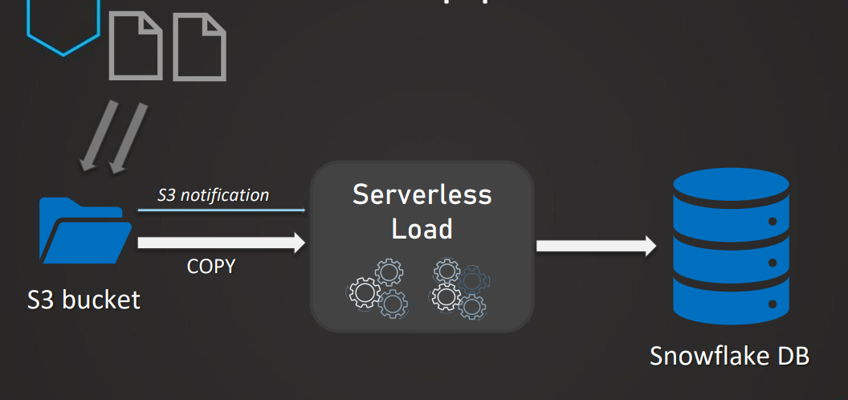

Setting up Snowpipe

Create Stage | To have the connection
Test COPY COMMAND | To make sure it works
Create Pipe | Create pipe as object with COPY COMMAND
S3 Notification | To trigger snowpipe

Fail Safe and Time Travel
Fail Safe
Protection of historical data in case of disaster
Non-configurable 7-day period for permanent tables
No user interaction & recoverable only by Snowflake
Period starts immediately after Time Travel period ends
Contributes to storage cost

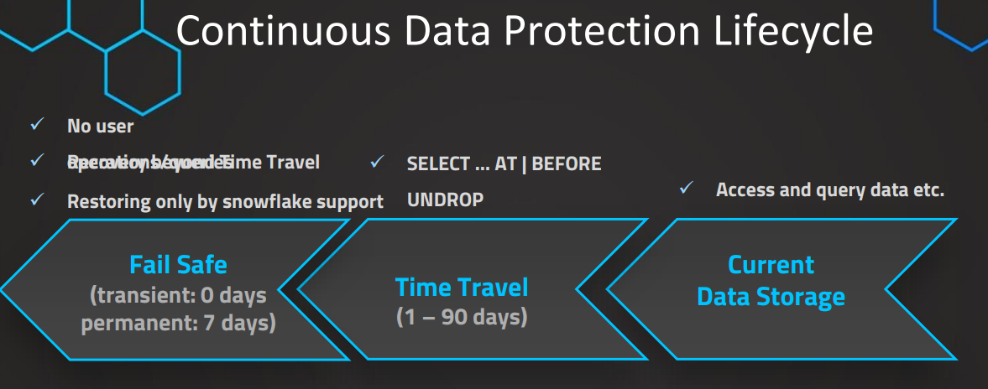

Table Types

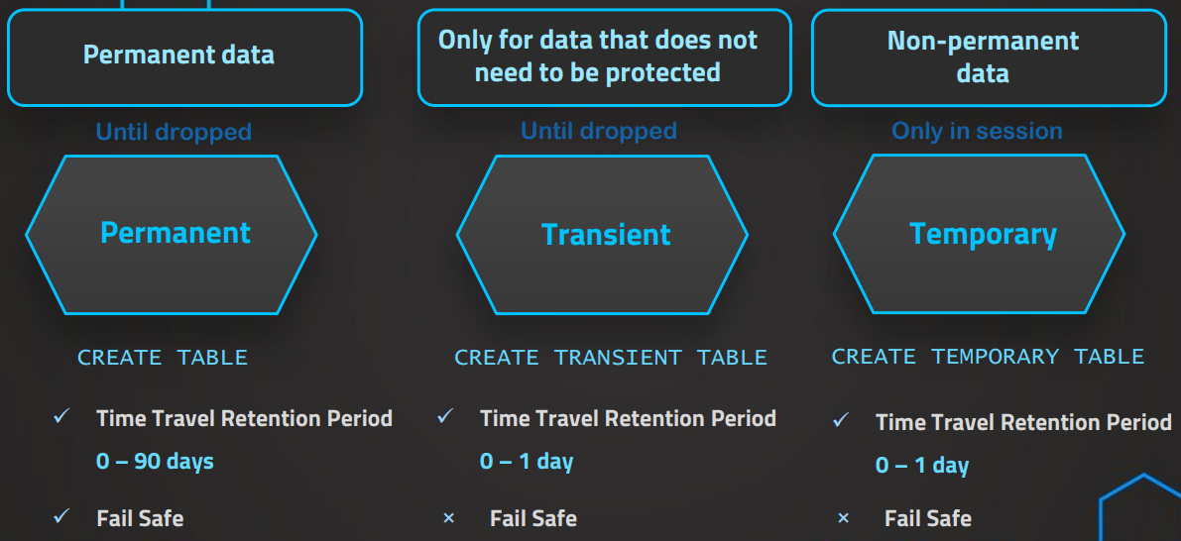

Types are also available for other database objects (database, schema etc.)
For temporary table no naming conflicts with permanent/transient tables!
Other tables will be effectively hidden!

Swapping
Swapping
Use-case | Development table into production table

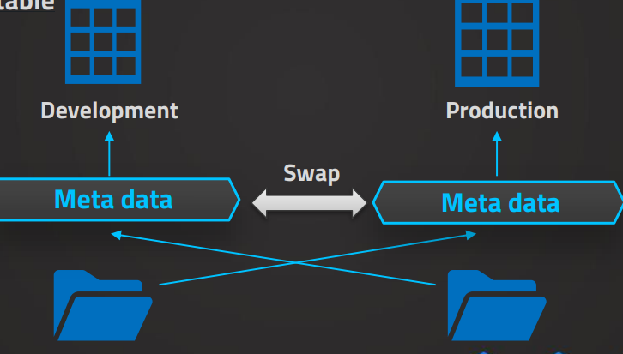

 | ALTER TABLE <table_name> ... SWAP WITH <target_table_name>

 | ALTER SCHEMA <schema_name> ... SWAP WITH <target_schema_name>

Data Sharing
Data Sharing

Usually this can be also a rather complicated process
Data sharing without actual copy of the data & uptodate
Shared data can be consumed by the own compute resources
Non-Snowflake-Users can also access through a reader account

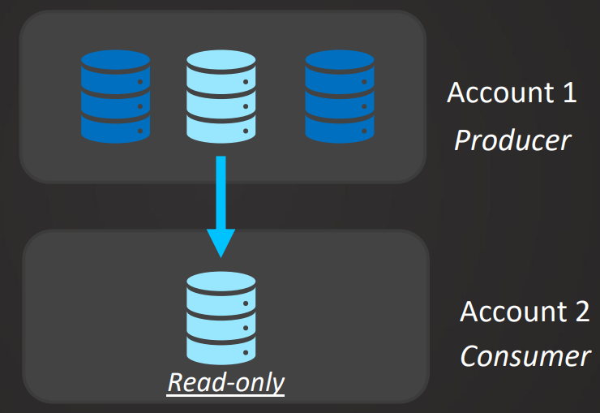

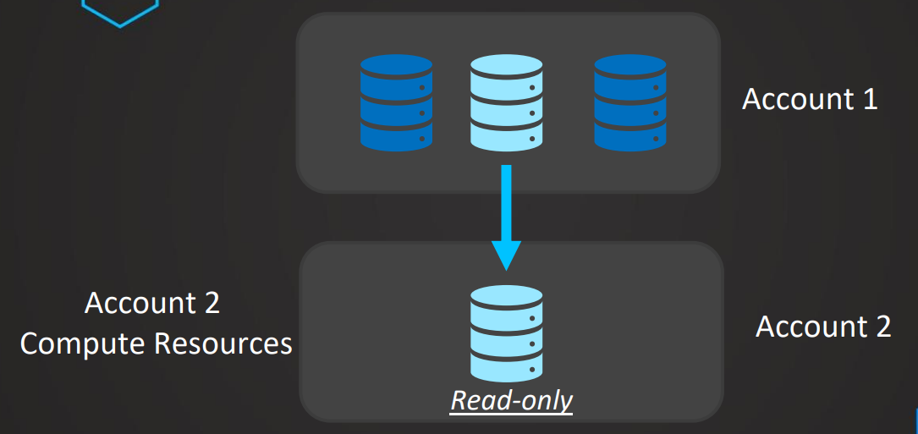

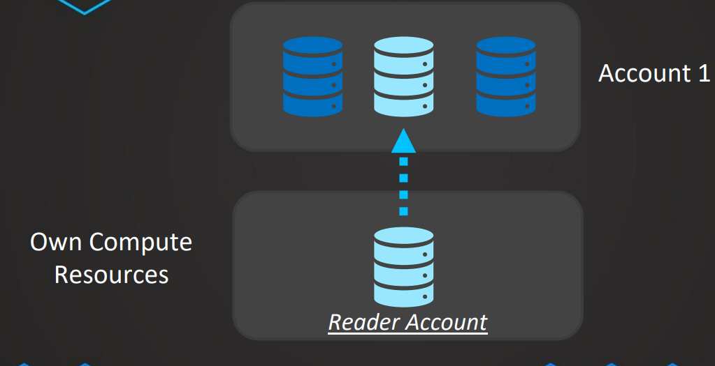

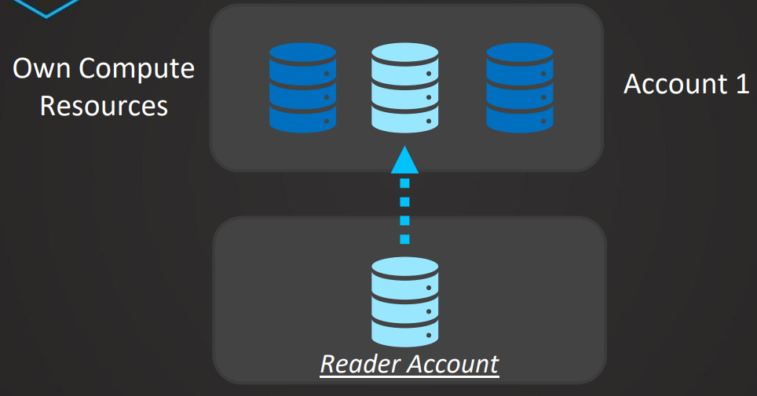

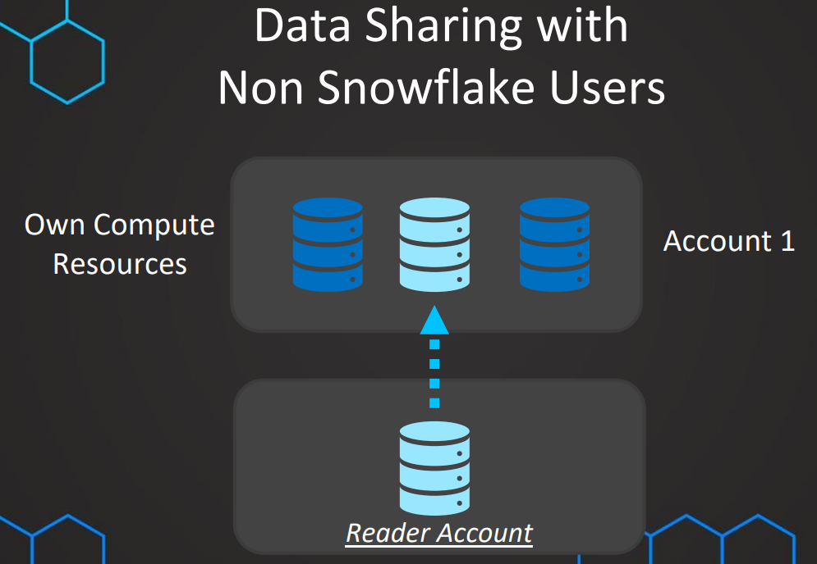

Sharing with Non Snowflake users
New Reader Account | Indepentant instance with own url & own compute resources
Share data | Share database & table
Create Users | As administrator create user & roles
Create database | In reader account create database from share

Tasks
Tasks
Tasks can be used to schedule SQL statements
Standalone tasks and trees of tasks

1 | Understand tasks
2 | Create tasks | CREATE TASK ... AFTER <parent task> AS …
3 | Schedule tasks
4 | Tree of tasks
5 | Check task history

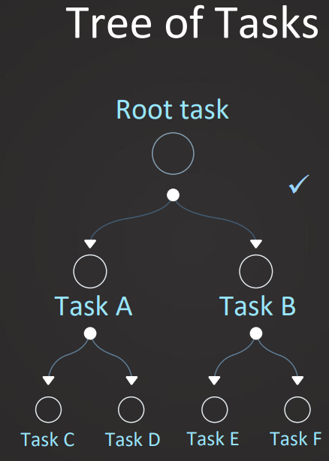

 |  | ALTER TASK ... ADD AFTER <parent task>

Streams
Streams
Object that records (DML-)changes made to a table
This process is called change data capture (CDC)

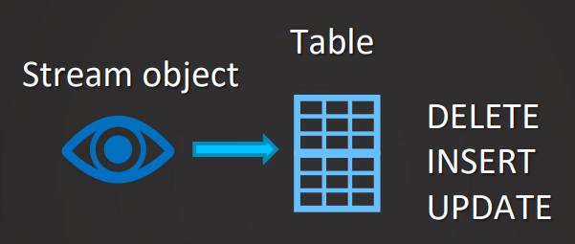
 |  |  | CREATE STREAM <stream name> ON TABLE <table name>

 |  |  | SELECT * FROM <stream name>

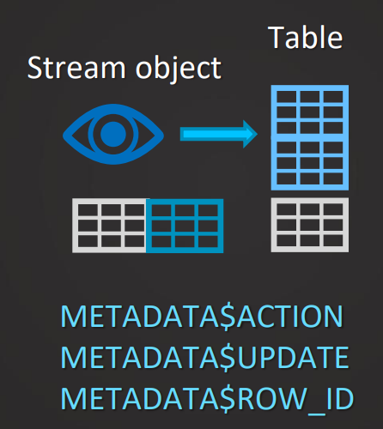

Types of streams
STANDARD | APPEND-ONLY | CREATE STREAM <stream name> ON TABLE <table name> APPEND_ONLY = TRUE
INSERT | INSERT
UPDATE
DELETE

Materialized views
Materialized views
We have a view that is queried frequently and that a long time to be processed
We can create a materialized view to solve that problem

What is a materialized view?
Use any SELECT-statement to create this MV
Results will be stored in a seperate table and this will be updated automatically based on the base table

When to use MV?
Benefits
Maintenance costs

When to use MV?
View would take a long time to be processed and is used frequently
Underlaying data is change not frequently and on a rather irregular basis

If the data is updated on a very regular basis…, Using tasks & streams could be a better alternative

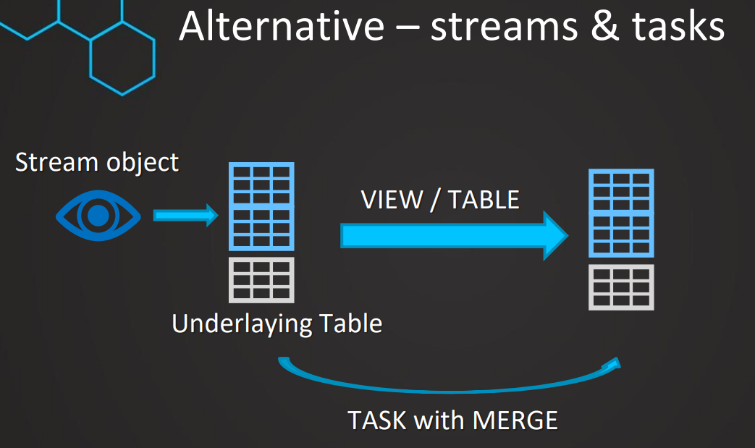

Don't use materialized view if data changes are very frequent
Keep maintenance cost in mind
Consider leveraging tasks (& streams) instead

Limitations
Only available for Enterprise edition
Joins (including self-joins) are not supported
Limited amount of aggregation functions
No UDFs
No HAVING clauses.
No ORDER BY clause.
No LIMIT clause

Data Masking
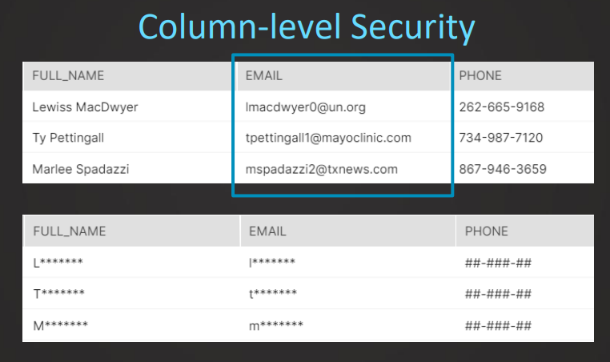
Data Masking

Access Control
Access Control
Who can access and perform operations on objects in Snowflake
Two aspects of access control combined

Discretionary Access Control (DAC) | Each object has an owner who can grant access to that object
Role-based Access Control (RBAC) | Access privileges are assigned to roles, which are in turn assigned to users

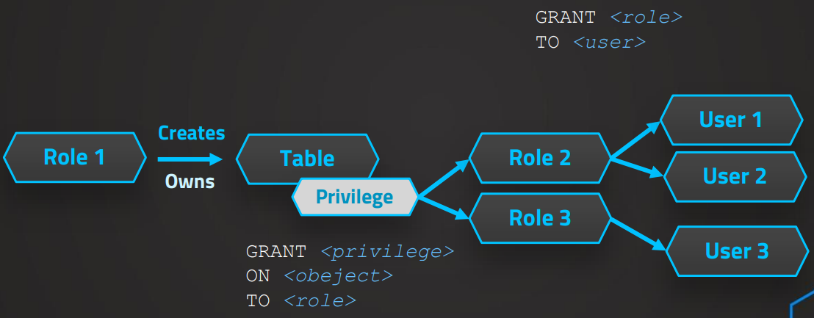

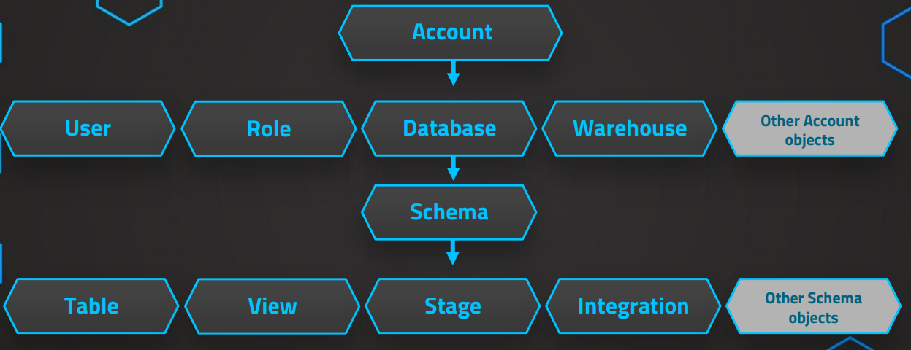

Every object owned by a single role (multiple users)
Owner (role) has all privileges per default

