Sheet1
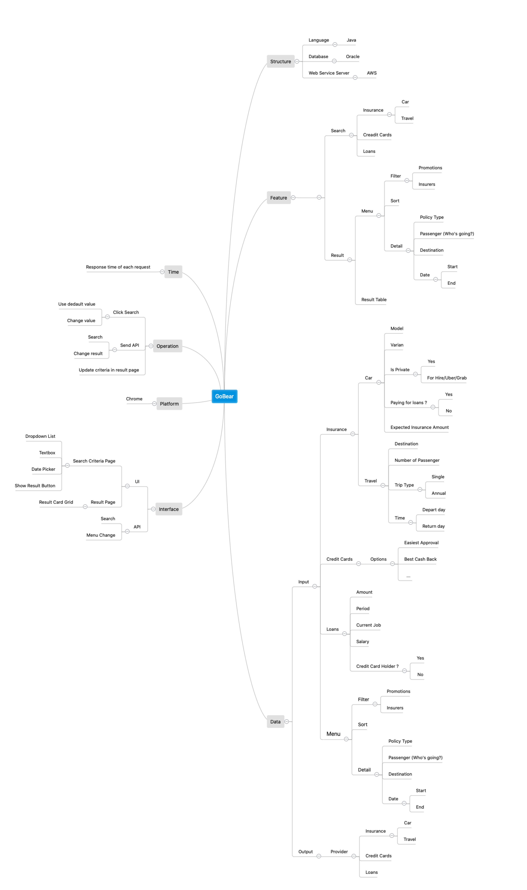
Project | GoBear
Prepared by | Hoang Dang
Description | This test approach document describes the appropriate strategies, process of manual and implement automation.

Scope
 | In scrope
 |  | Test on Chrome browser only
 |  | Test search and filter menu features
 | Out of Scope
 |  | Functional requirements testing which are not related to search and filter menu
 |  | Order browsers

Test Environment | Chrome

Funtions to be tested | Search
 |  | - Loans - Credit Card provider - Insurance
 | Result Page
 |  | - Result Menu Control

Test Strategy | Acceptance Test
 |  | Apply Automation Test

Test tool/Framework | Selenium | Use framework created by Hoang Dang
 |  | Framework overview - Language: Java - Pattern: Singleton, Decorator Object, Lazy Loading and Page Object Model - TestNG - Reporting: ExtendReport as default

Estimation
 | Manual
 |  | Create test cases - 3hours
 | Auto
 |  | Implement automated script - 10hours

Mindmap of Testing

