Bugs
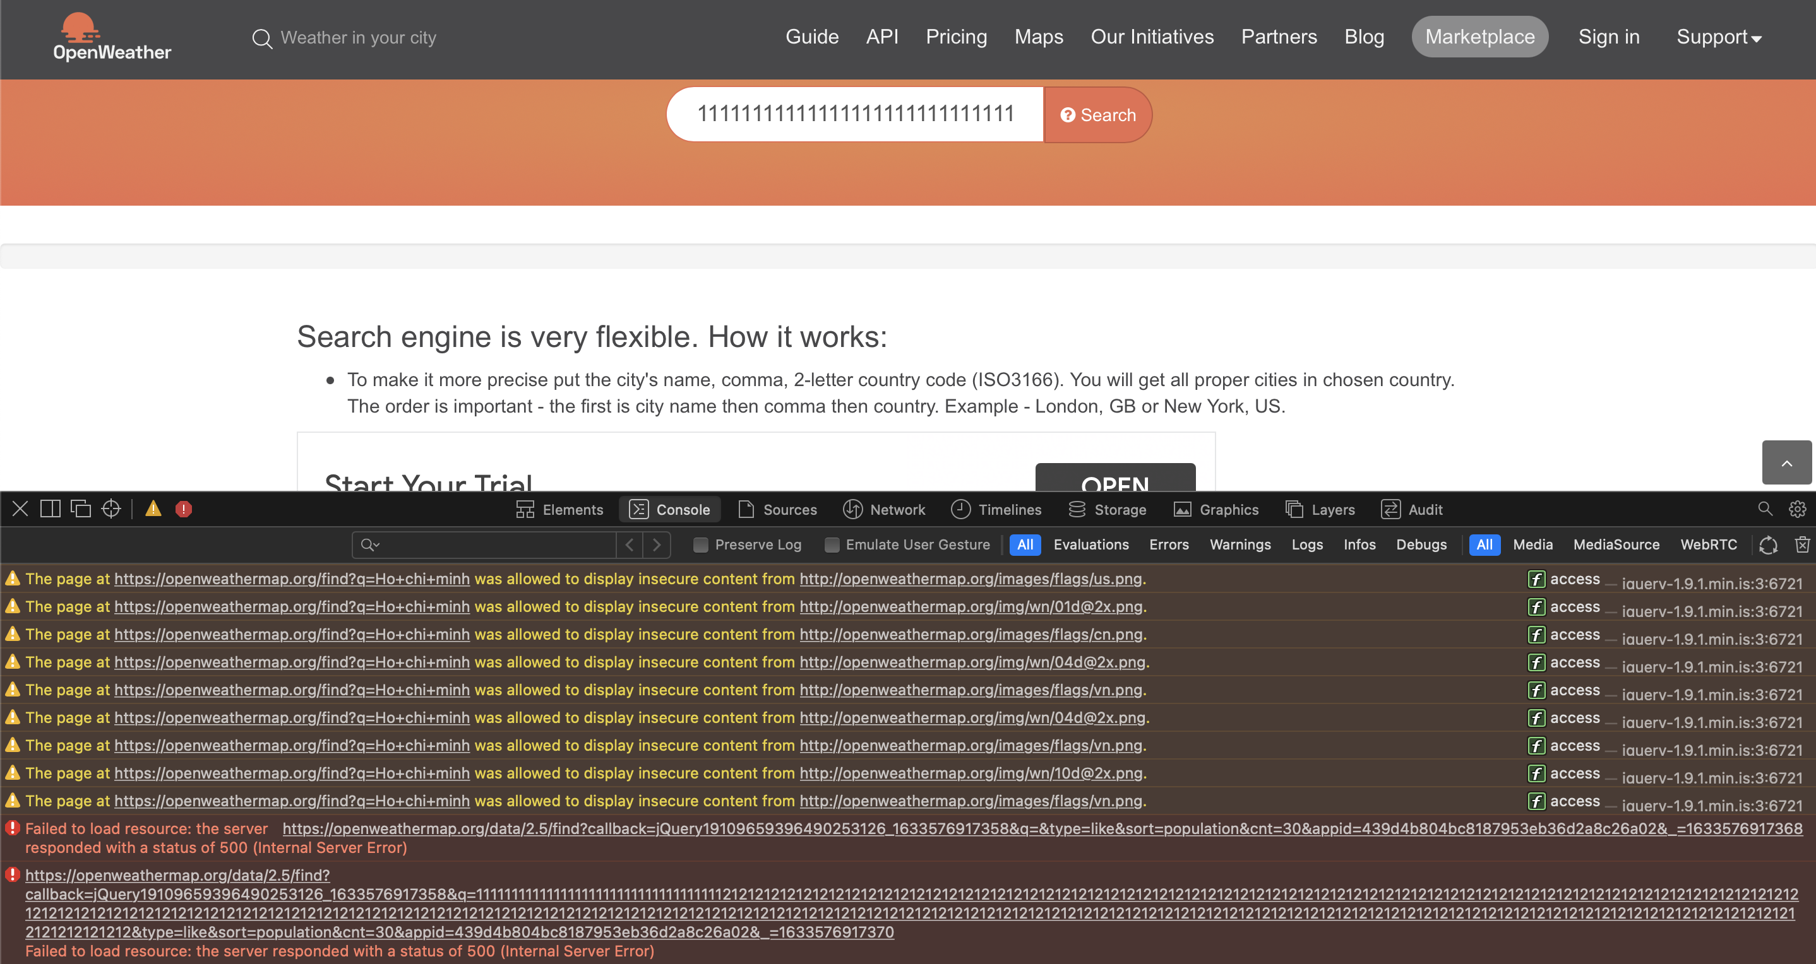
ID | Summary | Data | Steps | Observed |  | Expected
 |  |  |  | UI | API | UI | API
OWM01 | No error message display when user searchs with country code | Search value: VN | 1. Perform search with country code 2. Obseve the result | No message displays | Return code 500 instead of clearly message | User is able to search with country code Result page goes with below: - List of places which content search value - Title display with format "full country name, country code ,flag icon, weather status". Ex: Socialist Republic of Vietnam, VN [*] broken clouds - Detail weather display underneath with format: temperature with Celsius, wind speed, cloud and hectopascal rate - Coordinator | User is able to search with country code "Response code is 200 The response shuold follow the schema Data: - Respone country should content the search value - Country code should match with correspoding city - Weather info should match with DB or baseline" | 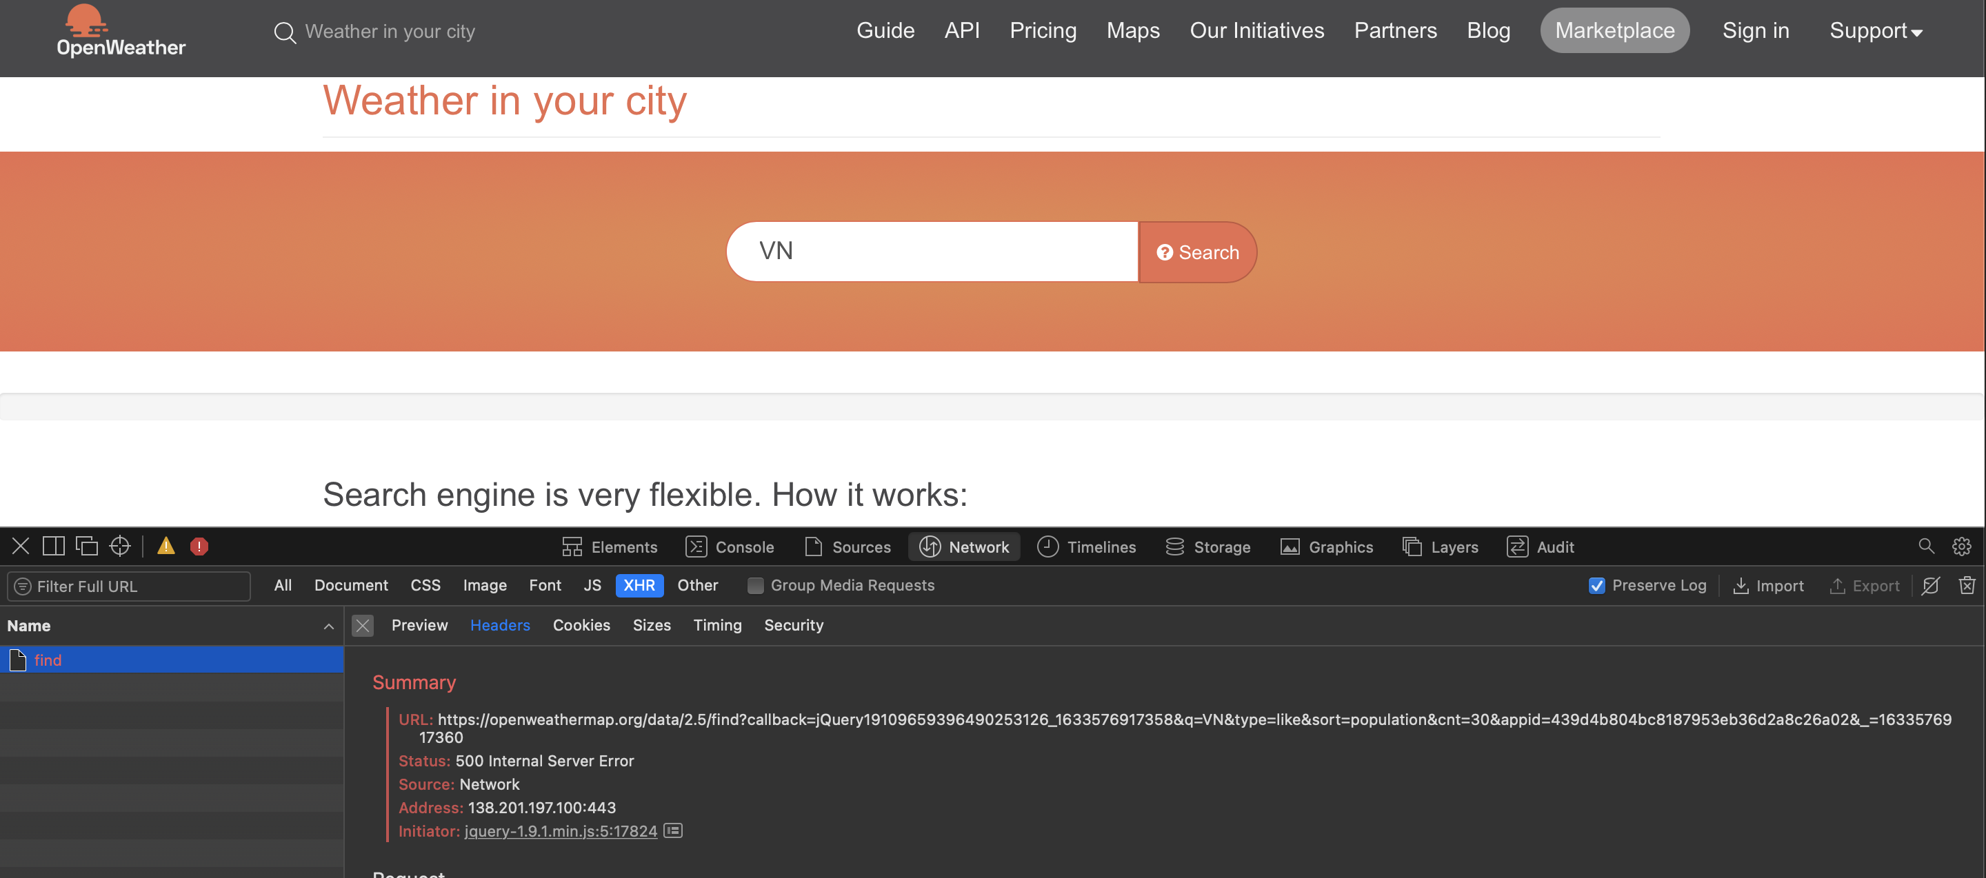
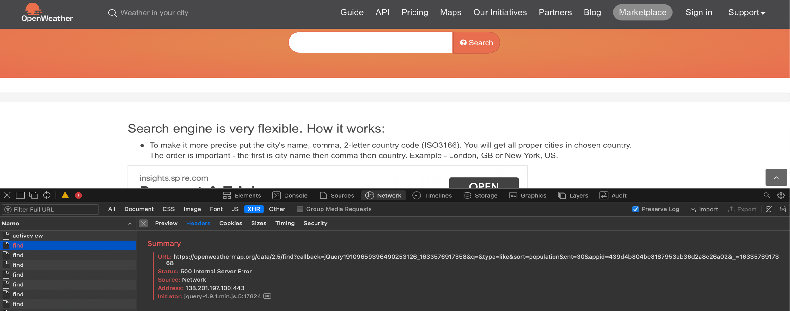
OWM02 | No error message display when user searchs with blank value | Search value: <blank> | 1. Perform search with country code 2. Obseve the result | No message displays | Return code 500 instead of clearly message | Page should ask user input some thing to search | API should not be called
OWM03 | No limitation for searching input | Search value = value >50 charactors | 1. Perform search with country code 2. Obseve the result | User can input an infinite string No message displays | Return code 500 instead of clearly message | Page should limit the length of input search | Response code is 200 The body has no item

