Java_Installation
https://www.oracle.com/java/technologies/downloads/#java11-windows
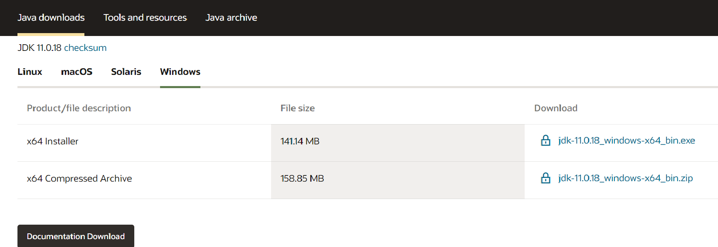

Once download is done, click on jdk-11.0.16.1_windows-x64_bin.exe to install
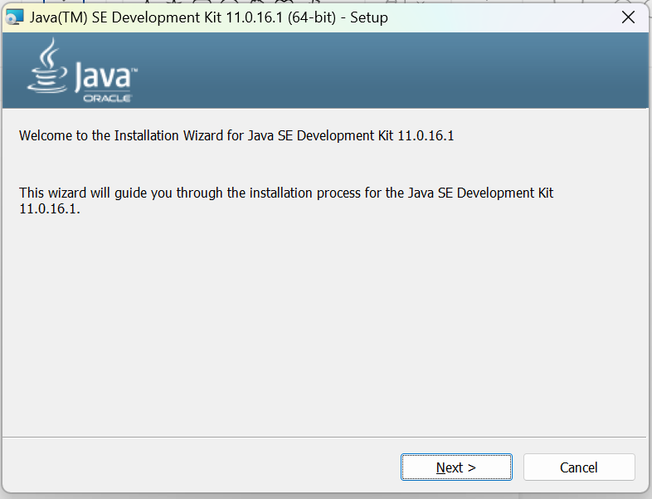

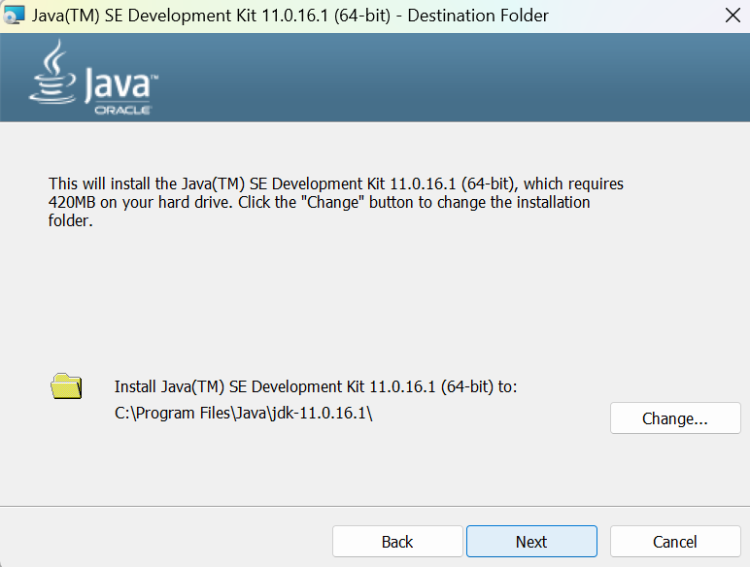

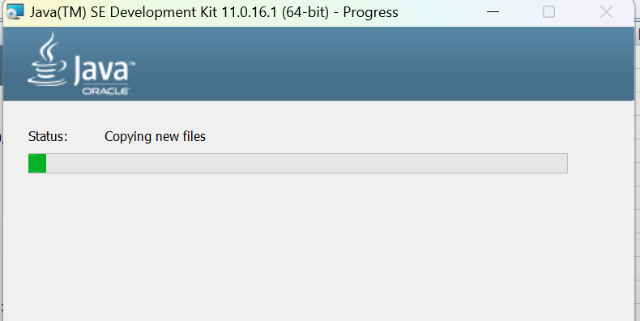

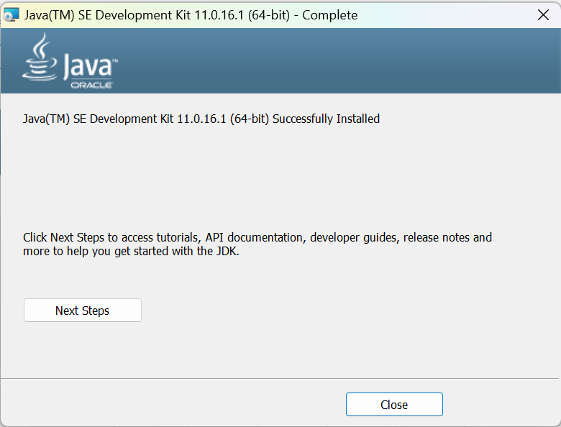

Once Installation is done verify - java version ( java -version )

check the folder location "C:\Program Files\Java"

Java Home path : "C:\Program Files\Java\jdk-11.0.16.1"

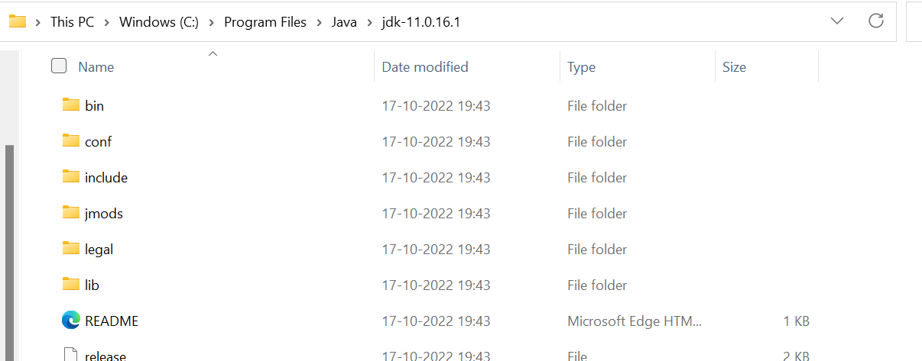

Set JAVA_HOME_PATH

Step1 : Go to Control Panel

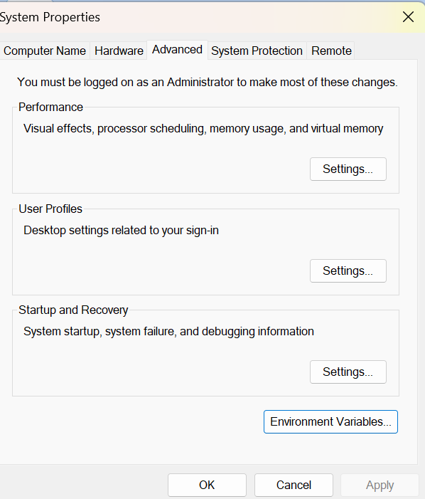

click on <Environment Variables>

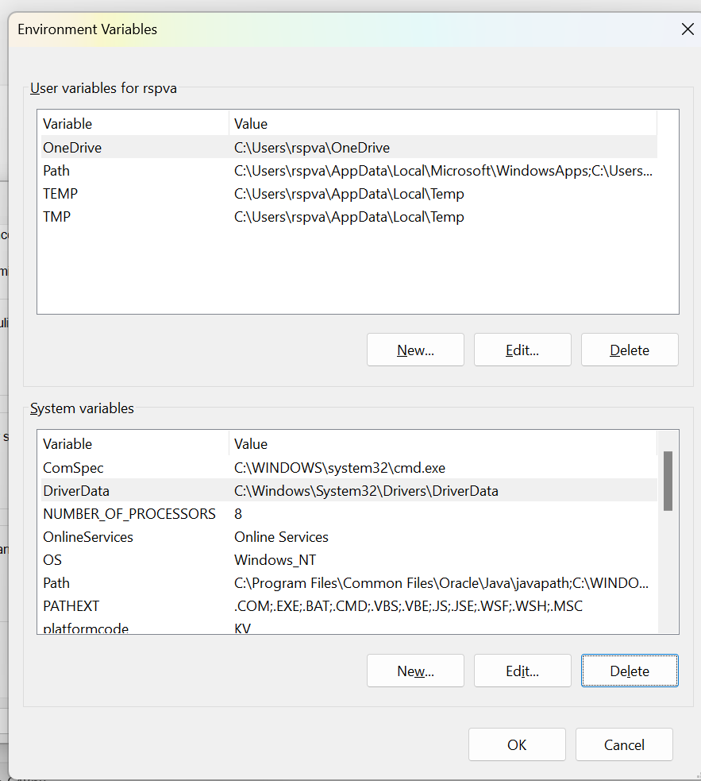

Under System Variables - Create Java_Home

Eclipse_Installation
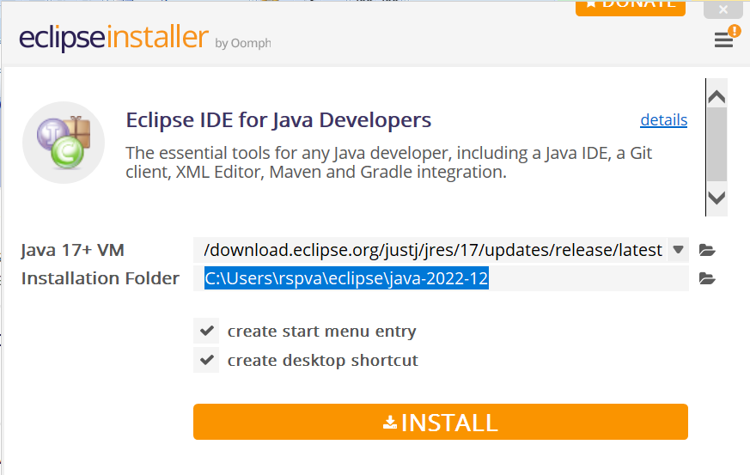
https://www.eclipse.org/downloads/

click on


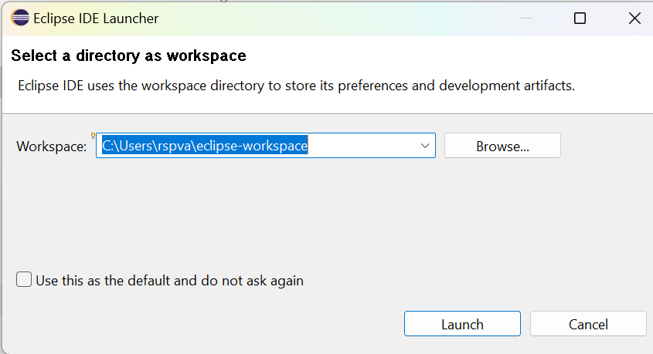

Click on eclipse inst-jre-win64 application

select IDE for java Developers - as shown below

Click on Eclipse IDE for Java Developers
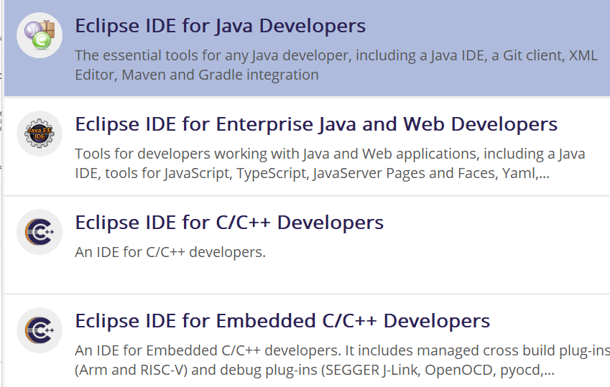

Finally - Install

