Sheet1
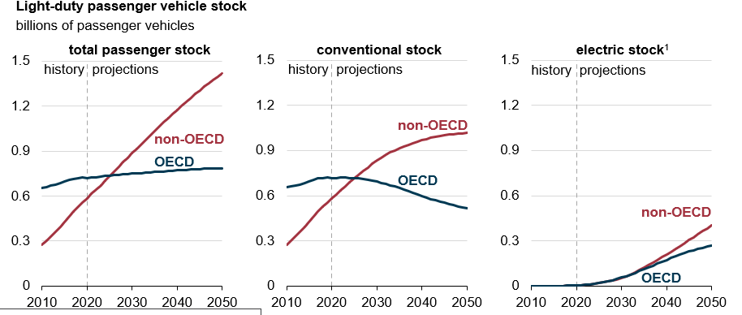
Year | Conventional non-OECD | Conventional - OECD
2010 | 273.83764907 | 656.91802626
2011 | 301.64181908 | 660.69324802
2012 | 331.21247155 | 670.04626869
2013 | 362.08087072 | 675.31560851
2014 | 393.38598056 | 684.05263899
2015 | 425.34222659 | 694.5557451
2016 | 462.11132214 | 705.7948227
2017 | 495.36848128 | 713.4417575
2018 | 526.91167363 | 718.34118482
2019 | 555.11439 | 720.20076912
2020 | 580.76761347 | 716.15191481
2021 | 607.53825628 | 717.4756876
2022 | 634.26797818 | 719.08076977
2023 | 661.08041555 | 719.12458897
2024 | 688.11576367 | 718.72556038
2025 | 714.56756846 | 717.63779934
2026 | 740.22084716 | 715.28267069
2027 | 764.62111234 | 711.53718421
2028 | 788.54706463 | 706.91476539
2029 | 811.26420353 | 700.81961049
2030 | 832.70500029 | 693.49665216
2031 | 852.62149735 | 686.09735253
2032 | 870.75605065 | 677.82377375
2033 | 887.20090216 | 669.12846938
2034 | 901.7350849 | 659.83007236
2035 | 913.90812988 | 649.73510478
2036 | 925.82541931 | 639.38616369
2037 | 937.84437643 | 629.05892107
2038 | 948.59390648 | 618.606833
2039 | 958.393633 | 608.14749425
2040 | 967.61612262 | 597.66801383
2041 | 975.47811459 | 587.49736749
2042 | 983.19791864 | 577.87913675
2043 | 990.13050633 | 568.51252306
2044 | 996.39558671 | 559.7988909
2045 | 1001.8275259 | 551.89442464
2046 | 1005.9967712 | 544.19212618
2047 | 1009.5565093 | 536.91936956
2048 | 1012.2692918 | 529.92038676
2049 | 1014.4452541 | 523.0968434
2050 | 1016.1510376 | 516.4101226

