Panel Defects
Photo | Item | Defects found | Root cause | Proposed fix | Your verdict
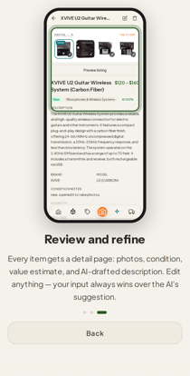 | 1 — Item-detail panel (XVIVE, adding-items step 3) | (a) Ring's left border sits ON the title/description glyphs. (b) Ring bottom slices the description paragraph mid-line. (c) QUANTITY/FEATURES text visible UNDER the floating tab bar inside the screenshot. (d) In-app header title truncates — sloppy in a static asset. | Rings placed edge-to-edge (x:4/w:92), no clearance rule; capture ignores under-bar content. | Overlay rule: >=2% clearance from text, snap to whole elements, never bisect a paragraph. Recapture with pinned scroll, or ring only the photos block.
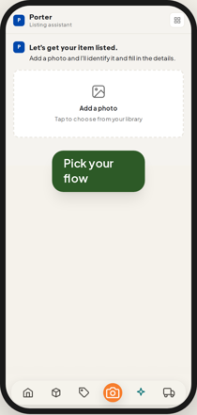 | 2 — Frame top (create-listing, 3x asset) | (a) Black bezel + 32px radius read ENORMOUS at 3x — fat-case defect fixed on compact frames but left on full-size. (b) Content flush to frame edge, corners pinched. (c) Callout pill oversized at this scale. | Bezel (6px/2rem) tuned for the 280px in-app player, exported 3x close-up without re-judging. | Slim asset chrome (~4px border, ~24px radius); drop callout/tap overlays from frame-only marketing exports entirely.
(see row 2 photo) | 3 — Frame bottom (tab bar) — same source image as row 2 | (a) Stacked double-chrome: in-app floating bar -> cream gap -> fat black bezel. (b) Dark corner wedges where square screenshot meets rounded bezel. | Same bezel scale problem + captured page's own floating bar duplicating device chrome. | Same bezel slimming; optionally crop frame-only assets just above the in-app bar — one chrome, not two.
 | 4 — Inventory browse ring (attachments 4+5 identical) | (a) Ring border overlaps the 'All' chip. (b) Ring top slices the filter row; separately 'Furn...' chip truncated by count+toggles — REAL app crowding bug at 390px. (c) Ring bottom cuts third card row mid-photo. | Ring sized to rough region, not snapped to rows; plus a genuine filter-row layout defect in the app. | Snap ring to exactly two full card rows with clearance; file filter-row crowding as its own app bug.
PHOTO WITHHELD — contains Stephen's marketplace usernames (PII); full copy delivered via chat only | 5 — Hub setup-step1.png (sign-off drop) | (a) STALE — earlier your-account capture: 'Connected (wdydvitcare)'/'(I4987846)' with Disconnect buttons, contradicting 'Tap Connect' copy and exposing your marketplace usernames. Demo recapture exists in-branch; drop never regenerated. (b) Callout covers the Reverb row text. (c) Ring bottom clips the eBay card subtext. | PROCESS FAILURE (mine): published 'for sign-off', kept changing underneath, never refreshed. | Rule: every render cycle ends by regenerating the hub drop; stale drops pruned. Re-drop current content once 8023 approved.
systemic | S1 — Systemic: overlay geometry | Rings overlap glyphs and bisect elements (rows 1/4/5). | No clearance/snap rule; coords eyeballed to regions. | Codify: >=2% text inset, snap to whole elements, callouts never cover row text. Re-verify all 24 against the rule.
systemic | S2 — Systemic: frame chrome at asset scale | Bezel fine in-app, wrong at 3x close-up (rows 2/3). | One chrome spec for two display sizes. | Dedicated slim export chrome — or slim everywhere; your look call.
(see row 2 photo) | S3 — Systemic: captured-page hygiene | In-screenshot floating bar collides with page text; double-chrome on frame-only assets (rows 1/3). | Captures at natural scroll with the floating bar present. | Per-panel capture rules: pinned scroll, no text under bar; crop frame-only assets above the bar.
systemic | S4 — Systemic: review-hub freshness | You reviewed superseded 'sign-off' material (row 5). | Drops not regenerated after changes. | Drop regeneration = mandatory last step of every render cycle.

