README
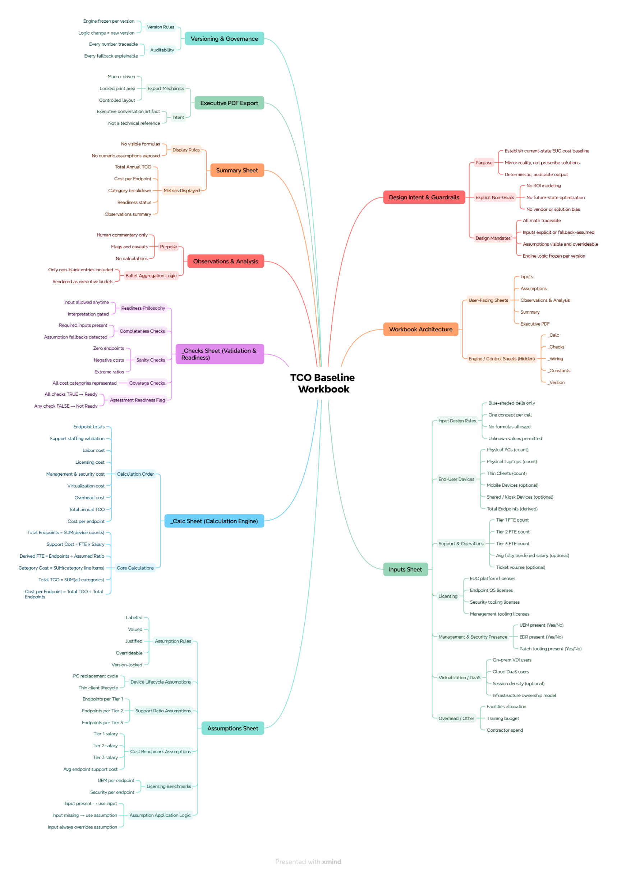
README — How to Use This Assessment Workbook
This workbook is a Current-State Desktop & Application Cost Assessment tool.
Its sole purpose is to:
Capture how your environment works today
Quantify baseline annual costs
Identify data gaps and assumptions
Produce a fact-based snapshot of the current end-user computing (EUC) environment
Important:
This tool does not recommend solutions, calculate ROI, or compare vendors.
It is intentionally neutral and designed to reflect reality — not promote change.
Who This Workbook Is For
This workbook is intended to be completed collaboratively by:
The customer (environment details, staffing, tooling)
The assessment engineer or consultant (validation, assumptions, calculations)
You do not need to be an Excel expert to use this tool.
What This Workbook Is
✔ A baseline cost reflection ✔ A structured discovery tool ✔ A data-quality validation mechanism ✔ A neutral assessment foundation
What This Workbook Is Not
✖ A solution recommendation ✖ A vendor comparison ✖ A pricing quote ✖ A future-state or ROI model
High-Level Workflow (Start to Finish)
Follow these steps in order.
Skipping steps may result in inaccurate outputs.
Step 1 — Read This Page First
This tab explains:
What the workbook does
How data flows
What inputs are required
How results are generated
Step 2 — Complete the Inputs Sheet
Go to the Inputs tab and enter known values.
Blue-shaded cells indicate user input
Enter values only where you are confident
If a value is unknown, leave it blank
Leaving a field blank is acceptable.
The workbook will handle unknowns using documented assumptions.
Step 3 — Review the Assumptions Sheet
Go to the Assumptions tab.
This sheet:
Lists default values used when inputs are missing
Documents industry-standard assumptions
Provides context and rationale for each assumption
If an assumption does not accurately reflect your environment:
Discuss it with the assessment engineer
Update it only if you have supporting data
Step 4 — Observe Data Gaps & Flags
As inputs are completed, the workbook automatically:
Identifies missing or inconsistent data
Flags areas requiring validation
Aggregates observations for review
These appear as:
Readiness indicators
Data gap summaries
Observations & analysis notes
Step 5 — Review the Summary
Once required inputs are complete:
Navigate to the Summary tab
Review the calculated annual costs
Validate totals and category breakdowns
This page is read-only and driven entirely by the calculation engine.
How the Workbook Calculates Results
All calculations are performed in locked calculation sheets
Inputs and assumptions flow through a governed calculation engine
No formulas should be edited outside designated input areas
Outputs are deterministic and repeatable
If the same inputs are provided again, the same results will be produced.
Rules & Guardrails
To preserve accuracy and trust:
Do not edit calculation sheets
Do not override formulas
Do not force values just to “make it complete”
Do not treat assumptions as facts
If something looks incorrect:
Re-check the source input
Validate the assumption
Document the concern
When the Assessment Is “Ready”
The workbook will indicate readiness when:
Required inputs are complete
Critical assumptions are acknowledged
No blocking data gaps remain
Only then should results be shared externally.
README — How to Use This Assessment Workbook (with callouts)
What this workbook is
A current-state EUC cost baseline. It captures how things work today, quantifies annualized baseline costs, and documents data gaps + assumptions.
What this workbook is NOT
Not a solution recommendation, not a vendor comparison, not an ROI model, not a quote.
How to use it (in order)
Inputs tab
Enter known values in designated input cells.
If unknown, leave blank (don’t guess).
Assumptions tab
Review defaults used when inputs are blank.
Change only when you have supporting data and agreement.
Observations / Data Gaps
Review flags that indicate missing or inconsistent data.
Use these to drive follow-up questions and validation.
Summary tab
Review calculated annual costs and category totals.
Results are driven by the engine—do not overwrite outputs.
Rules (to keep results credible)
Do not edit calculation sheets or formulas.
Do not enter values just to “make it complete.”
Do not treat assumptions as fact. Must validate whenever possible.
If something looks wrong:
check the input → check the assumption → then review flags.
When results are ready to share
Share externally only when:
Required inputs are complete, and
No blocking data gaps remain, and
Assumptions have been reviewed/acknowledged.
Perfect. We’ll stay disciplined and do Step 2 only.
Neutral / Unbiased view
Step 2 is about adding visual callouts (tips and warnings) to the Read Me so a first-time user can’t miss:
what’s safe to do,
what’s risky,
and when to stop and ask for help.
This is a usability and risk-reduction layer, not new content. The words largely already exist; we’re just making them impossible to ignore.
Devil’s advocate view
Too many callouts can feel patronizing or cluttered, especially for engineers. So we should:
limit to 3–4 total callouts, and
place them only at decision points (input, assumptions, summary, readiness).
Anything beyond that belongs in the full runbook, not the Read Me.
Encouraging / Positive view
This is exactly how you prevent “Excel vandalism.” Clear visual warnings + light guidance dramatically reduce bad data and make the tool safer to hand off.
Step 2 — Executive Read Me with Callout Boxes
Below is the same 1-page Read Me, now annotated with
ℹ️ Tips and
⚠️ Warnings you can format as shaded boxes, icons, or side notes in Excel.
You can copy this verbatim and then style the callouts visually.
What this workbook is
A current-state EUC cost baseline. It captures how things work today, quantifies annualized baseline costs, and documents data gaps + assumptions.
⚠️ Warning This workbook does not recommend solutions, compare vendors, or calculate ROI. Those activities happen after a baseline is established.
How to use it (in order)
1) Inputs tab
Enter known values in designated input cells.
ℹ️ Tip If a value is unknown, leave it blank. The workbook will apply a documented assumption.
⚠️ Warning Do not guess or “force” values to move forward. Incorrect inputs undermine all downstream results.
2) Assumptions tab
Review default values used when inputs are blank.
ℹ️ Tip Assumptions reflect industry norms and common enterprise patterns.
⚠️ Warning Assumptions are not facts. Change them only when you have supporting data and agreement.
3) Observations / Data Gaps
Review flags indicating missing, inconsistent, or high-risk inputs.
ℹ️ Tip These flags are intentional—they guide follow-up questions and validation.
⚠️ Warning Clearing a flag by entering an unverified value is worse than leaving it open.
4) Summary tab
Review calculated annual costs and category totals.
⚠️ Warning This page is output-only. Do not overwrite results or formulas.
Rules (to keep results credible)
⚠️ Do Not
Edit calculation sheets
Override formulas
Enter placeholder values
Treat assumptions as confirmed data
ℹ️ If something looks wrong
Re-check the input
Review the assumption used
Look at data gap flags
When results are ready to share
✔ Required inputs completed ✔ Critical assumptions reviewed ✔ No blocking data gaps remain
⚠️ Warning Sharing results before this point risks misinterpretation and loss of credibility.
Need help?
ℹ️ Tip If you’re unsure what a field means or which value applies, pause and validate with the assessment engineer before continuing.
Summary
This workbook exists to establish truth, not advocate change. Accurate inputs produce defensible outcomes.
README — How to Use This Assessment Workbook (option 2)
What this workbook is
A current-state EUC cost baseline. It captures how things work today, quantifies annualized baseline costs, and documents data gaps + assumptions.
What this workbook is NOT
Not a solution recommendation, not a vendor comparison, not an ROI model, not a quote.
How to use it (in order)
Inputs tab
Enter known values in designated input cells.
If unknown, leave blank (don’t guess).
Assumptions tab
Review defaults used when inputs are blank.
Change only when you have supporting data and agreement.
Observations / Data Gaps
Review flags that indicate missing or inconsistent data.
Use these to drive follow-up questions and validation.
Summary tab
Review calculated annual costs and category totals.
Results are driven by the engine—do not overwrite outputs.
Rules (to keep results credible)
Do not edit calculation sheets or formulas.
Do not enter values just to “make it complete.”
Do not treat assumptions as fact. Must validate whenever possible.
If something looks wrong:
check the input → check the assumption → then review flags.
When results are ready to share
Share externally only when:
Required inputs are complete, and
No blocking data gaps remain, and
Assumptions have been reviewed/acknowledged.

Old MindMap needs to be rechecked/updated

Executive_PDF
Current-State Cost Baseline — Executive Summary

VDI vs Non-VDI User Cost (Annual)
Non-VDI User Cost (Annual) | $0
VDI User Cost (Annual) | $0
Total Annual Cost | $0
Cost per User (Annual)

Category | Annual Cost
End-User Devices | $0
Support & Operations | $0
Licensing | $0
Management & Security | $0
VDI / DaaS / Virtualization | $0
Other / Overhead | $0

VDI Incremental View
Non-VDI User Cost (Annual)
VDI User Cost (Annual)
VDI Cost per VDI User (Annual)

Annual Cost by Category
Cost Breakdown by Category
End-User Devices | $0
Support & Operations | $0
Licensing | $0
Management & Security | $0
VDI / DaaS / Virtualization | $0
Other / Overhead | $0

Cost Source Confidence
Source | Annual Cost
Derived | $0
Assumption | $0

Cost Composition by Source

Appendix_Visuals
Appendix — Supporting Visuals

Endpoint Mix by Device Type
Endpoint Mix
Device Type | Count
Laptops | 0
Desktops | 0
Thin Clients | 0
Total | 0

Cost per User by Category
Category | Cost per User
End-User Devices
Support & Operations
Licensing
Management & Security
VDI / DaaS / Virtualization
Other / Overhead

Annual Cost per User by Category
 | Cost per User
End-User Devices | $0
Support & Operations | $0
Licensing | $0
Management & Security | $0
VDI / DaaS / Virtualization | $0
Other / Overhead | $0
Informational Context (Non‑Cost)

VDI / DaaS Platform Footprint
Platform | Present? | Notes
Citrix | Unknown | 0
Azure Virtual Desktop | Unknown | 0
Windows 365 | Unknown | 0
Horizon | Unknown | 0
Parallels | Unknown | 0

Management Tool Landscape
Tool | Present? | Notes
Intune | Unknown | 0
SCCM | Unknown | 0
Workspace ONE | Unknown | 0
Jamf | Unknown | 0
ControlUp | Unknown | 0
Nerdio | Unknown | 0

Cloud EUC Presence Indicator
Status | Not Identified | Derived - AVD or Win365 usage

