tRNAseq_values
Name | Covariation score | E-value | Substitutions | Power | Name | Nbre seq | Nbre paires
tRNA50 | 117 | 0.0235647 | 174 | 1 | tRNA25 | 238 | 18
tRNA50 | 118 | 0.020867 | 221 | 1 | tRNA50 | 477 | 29
tRNA50 | 181 | 3.36E-06 | 256 | 1 | tRNA75 | 715 | 26
tRNA50 | 169 | 1.70E-05 | 274 | 1 | tRNAhist | 1931 | 7
Nbre of pairs dep nbr seq in msa
tRNA50 | 141 | 0.000867373 | 324 | 1
tRNA50 | 233 | 1.95E-09 | 322 | 1
tRNA50 | 498 | 3.20E-26 | 277 | 1
tRNA50 | 335 | 6.69E-16 | 230 | 1
tRNA50 | 122 | 0.0128023 | 134 | 0.98
tRNA50 | 157 | 9.71E-05 | 100 | 0.94
tRNA50 | 510 | 5.76E-27 | 82 | 1
tRNA50 | 701 | 4.16E-39 | 138 | 1
tRNA50 | 187 | 1.31E-06 | 141 | 1
tRNA50 | 113 | 0.0414201 | 176 | 1
tRNA50 | 336 | 6.13E-16 | 139 | 1
tRNA50 | 157 | 9.71E-05 | 188 | 1
tRNA50 | 140 | 0.000943098 | 167 | 1 | tRNA50 a le plus de paires mais pas bonne structure
tRNA50 | 174 | 8.98E-06 | 299 | 1
tRNA50 | 264 | 1.97E-11 | 308 | 1
tRNA50 | 152 | 0.00018305 | 260 | 1
tRNA50 | 243 | 4.48E-10 | 230 | 1
tRNA50 | 202 | 1.53E-07 | 192 | 1
tRNA50 | 689 | 2.22E-38 | 236 | 1
tRNA50 | 133 | 0.00246092 | 136 | 1
tRNA50 | 394 | 1.26E-19 | 247 | 1
tRNA50 | 148 | 0.000330269 | 273 | 1
tRNA50 | 416 | 5.36E-21 | 295 | 1
tRNA50 | 521 | 1.13E-27 | 244 | 1
tRNA50 | 270 | 9.00E-12 | 139 | 1
tRNA75 | 309 | 3.11E-06 | 215 | 1
tRNA75 | 511 | 9.34E-12 | 287 | 1
tRNA75 | 505 | 1.34E-11 | 299 | 1
tRNA75 | 347 | 2.85E-07 | 318 | 1
tRNA75 | 372 | 5.74E-08 | 421 | 1
tRNA75 | 282 | 1.67E-05 | 449 | 1
tRNA75 | 738 | 5.63E-18 | 322 | 1
tRNA75 | 336 | 5.40E-07 | 155 | 1
tRNA75 | 442 | 6.86E-10 | 248 | 1
tRNA75 | 169 | 0.0215602 | 223 | 1
tRNA75 | 212 | 0.00138323 | 196 | 1
tRNA75 | 346 | 2.96E-07 | 373 | 1
tRNA75 | 160 | 0.0373892 | 412 | 1
tRNA75 | 519 | 5.41E-12 | 417 | 1
tRNA75 | 215 | 0.0011521 | 443 | 1
tRNA75 | 550 | 7.86E-13 | 355 | 1
tRNA75 | 348 | 2.65E-07 | 371 | 1
tRNA75 | 327 | 1.00E-06 | 271 | 1
tRNA75 | 165 | 0.027874 | 338 | 1
tRNA75 | 620 | 9.78E-15 | 286 | 1
tRNA75 | 363 | 1.01E-07 | 355 | 1
tRNA75 | 660 | 7.65E-16 | 317 | 1
tRNA75 | 469 | 1.29E-10 | 368 | 1
tRNA75 | 443 | 6.62E-10 | 373 | 1
tRNA75 | 821 | 3.10E-20 | 297 | 1
tRNA75 | 441 | 7.52E-10 | 187 | 1
tRNA25 | 78.9327 | 0.0431244 | 132 | 1
tRNA25 | 90.40997 | 0.00845747 | 132 | 1
tRNA25 | 109.69959 | 0.000537892 | 130 | 1
tRNA25 | 251.35564 | 6.89646E-13 | 150 | 1
tRNA25 | 283.22713 | 6.80634E-15 | 168 | 1
tRNA25 | 256.57806 | 3.24548E-13 | 154 | 1
tRNA25 | 215.18787 | 1.31298E-10 | 131 | 1
tRNA25 | 83.5345 | 0.0222117 | 88 | 0.96
tRNA25 | 81.0226 | 0.0320422 | 93 | 0.96
tRNA25 | 140.88482 | 6.10952E-06 | 86 | 0.95
tRNA25 | 284.6387 | 5.50525E-15 | 100 | 0.98
tRNA25 | 96.22608 | 0.00368427 | 99 | 0.97
tRNA25 | 104.94365 | 0.00105475 | 177 | 1
tRNA25 | 96.80953 | 0.00343738 | 149 | 1
tRNA25 | 79.44153 | 0.0393606 | 135 | 1
tRNA25 | 119.86893 | 0.000124164 | 165 | 1
tRNA25 | 115.7051 | 0.000227492 | 162 | 1
tRNA25 | 169.68201 | 9.66716E-08 | 89 | 0.96
tRNAhist | 1261.7059 | 0.000855648 | 197 | 1
tRNAhist | 1442.32117 | 2.05118E-05 | 181 | 1
tRNAhist | 1761.75625 | 2.48425E-08 | 133 | 1
tRNAhist | 1579.84037 | 1.18638E-06 | 152 | 1
tRNAhist | 1214.26625 | 0.00222128 | 94 | 0.97
tRNAhist | 1310.08829 | 0.000327197 | 103 | 0.98
tRNAhist | 2494.20664 | 3.92677E-15 | 152 | 1

tRNAeval_values
Name | Covariation score | E-value | Substitutions | Power | E-value treshold | Nbre pairs
tRNA25_e0025 | 90.40997 | 0.00845747 | 132 | 1 | 0.025 | 15
tRNA25_e0025 | 109.69959 | 0.000537892 | 130 | 1 | 0.05 | 18
tRNA25_e0025 | 251.35564 | 6.89646E-13 | 150 | 1 | 0.1 | 19
tRNA25_e0025 | 283.22713 | 6.80634E-15 | 168 | 1 | 0.25 | 19
tRNA25_e0025 | 256.57806 | 3.24548E-13 | 154 | 1 | 0.5 | 25
tRNA25_e0025 | 215.18787 | 1.31298E-10 | 131 | 1 | 0.75 | 27
tRNA25_e0025 | 83.5345 | 0.0222117 | 88 | 0.96
tRNA25_e0025 | 140.88482 | 6.10952E-06 | 86 | 0.95
tRNA25_e0025 | 284.6387 | 5.50525E-15 | 100 | 0.98
tRNA25_e0025 | 96.22608 | 0.00368427 | 99 | 0.97
tRNA25_e0025 | 104.94365 | 0.00105475 | 177 | 1
tRNA25_e0025 | 96.80953 | 0.00343738 | 149 | 1
tRNA25_e0025 | 119.86893 | 0.000124164 | 165 | 1
tRNA25_e0025 | 115.7051 | 0.000227492 | 162 | 1
tRNA25_e0025 | 169.68201 | 9.66716E-08 | 89 | 0.96
tRNA25_e005 | 78.9327 | 0.0431244 | 132 | 1
tRNA25_e005 | 90.40997 | 0.00845747 | 132 | 1
tRNA25_e005 | 109.69959 | 0.000537892 | 130 | 1
tRNA25_e005 | 251.35564 | 6.89646E-13 | 150 | 1
tRNA25_e005 | 283.22713 | 6.80634E-15 | 168 | 1
tRNA25_e005 | 256.57806 | 3.24548E-13 | 154 | 1
tRNA25_e005 | 215.18787 | 1.31298E-10 | 131 | 1
tRNA25_e005 | 83.5345 | 0.0222117 | 88 | 0.96
tRNA25_e005 | 81.0226 | 0.0320422 | 93 | 0.96
tRNA25_e005 | 140.88482 | 6.10952E-06 | 86 | 0.95
Nbre paires selon e-value
tRNA25_e005 | 284.6387 | 5.50525E-15 | 100 | 0.98
tRNA25_e005 | 96.22608 | 0.00368427 | 99 | 0.97
tRNA25_e005 | 104.94365 | 0.00105475 | 177 | 1
tRNA25_e005 | 96.80953 | 0.00343738 | 149 | 1
tRNA25_e005 | 79.44153 | 0.0393606 | 135 | 1
tRNA25_e005 | 119.86893 | 0.000124164 | 165 | 1
tRNA25_e005 | 115.7051 | 0.000227492 | 162 | 1
tRNA25_e005 | 169.68201 | 9.66716E-08 | 89 | 0.96
tRNA25_e010 | 73.22719 | 0.0955806 | 136 | 1
tRNA25_e010 | 78.9327 | 0.0431244 | 132 | 1
tRNA25_e010 | 90.40997 | 0.00845747 | 132 | 1
tRNA25_e010 | 109.69959 | 0.000537892 | 130 | 1
tRNA25_e010 | 251.35564 | 6.89646E-13 | 150 | 1
tRNA25_e010 | 283.22713 | 6.80634E-15 | 168 | 1
tRNA25_e010 | 256.57806 | 3.24548E-13 | 154 | 1
tRNA25_e010 | 215.18787 | 1.31298E-10 | 131 | 1
tRNA25_e010 | 83.5345 | 0.0222117 | 88 | 0.96
tRNA25_e010 | 81.0226 | 0.0320422 | 93 | 0.96
tRNA25_e010 | 140.88482 | 6.10952E-06 | 86 | 0.95
tRNA25_e010 | 284.6387 | 5.50525E-15 | 100 | 0.98
tRNA25_e010 | 96.22608 | 0.00368427 | 99 | 0.97
tRNA25_e010 | 104.94365 | 0.00105475 | 177 | 1
tRNA25_e010 | 96.80953 | 0.00343738 | 149 | 1
tRNA25_e010 | 79.44153 | 0.0393606 | 135 | 1
tRNA25_e010 | 119.86893 | 0.000124164 | 165 | 1
tRNA25_e010 | 115.7051 | 0.000227492 | 162 | 1
tRNA25_e010 | 169.68201 | 9.66716E-08 | 89 | 0.96
tRNA25_e025 | 73.22719 | 0.0955806 | 136 | 1
tRNA25_e025 | 78.9327 | 0.0431244 | 132 | 1
tRNA25_e025 | 90.40997 | 0.00845747 | 132 | 1
tRNA25_e025 | 109.69959 | 0.000537892 | 130 | 1
tRNA25_e025 | 251.35564 | 6.89646E-13 | 150 | 1
tRNA25_e025 | 283.22713 | 6.80634E-15 | 168 | 1
tRNA25_e025 | 256.57806 | 3.24548E-13 | 154 | 1
tRNA25_e025 | 215.18787 | 1.31298E-10 | 131 | 1
tRNA25_e025 | 83.5345 | 0.0222117 | 88 | 0.96
tRNA25_e025 | 81.0226 | 0.0320422 | 93 | 0.96
tRNA25_e025 | 140.88482 | 6.10952E-06 | 86 | 0.95
tRNA25_e025 | 284.6387 | 5.50525E-15 | 100 | 0.98
tRNA25_e025 | 96.22608 | 0.00368427 | 99 | 0.97
tRNA25_e025 | 104.94365 | 0.00105475 | 177 | 1
tRNA25_e025 | 96.80953 | 0.00343738 | 149 | 1
tRNA25_e025 | 79.44153 | 0.0393606 | 135 | 1
tRNA25_e025 | 119.86893 | 0.000124164 | 165 | 1
tRNA25_e025 | 115.7051 | 0.000227492 | 162 | 1
tRNA25_e025 | 169.68201 | 9.66716E-08 | 89 | 0.96
tRNA25_e050 | 73.22719 | 0.0955806 | 136 | 1
tRNA25_e050 | 78.9327 | 0.0431244 | 132 | 1
tRNA25_e050 | 90.40997 | 0.00845747 | 132 | 1
tRNA25_e050 | 109.69959 | 0.000537892 | 130 | 1
tRNA25_e050 | 251.35564 | 6.89646E-13 | 150 | 1
tRNA25_e050 | 283.22713 | 6.80634E-15 | 168 | 1
tRNA25_e050 | 256.57806 | 3.24548E-13 | 154 | 1
tRNA25_e050 | 215.18787 | 1.31298E-10 | 131 | 1
tRNA25_e050 | 83.5345 | 0.0222117 | 88 | 0.96
tRNA25_e050 | 61.17864 | 0.498441 | 84 | 0.95
tRNA25_e050 | 81.0226 | 0.0320422 | 93 | 0.96
tRNA25_e050 | 140.88482 | 6.10952E-06 | 86 | 0.95
tRNA25_e050 | 284.6387 | 5.50525E-15 | 100 | 0.98
tRNA25_e050 | 96.22608 | 0.00368427 | 99 | 0.97
tRNA25_e050 | 61.14028 | 0.498441 | 114 | 0.99
tRNA25_e050 | 104.94365 | 0.00105475 | 177 | 1
tRNA25_e050 | 96.80953 | 0.00343738 | 149 | 1
tRNA25_e050 | 65.25107 | 0.287269 | 119 | 1
tRNA25_e050 | 79.44153 | 0.0393606 | 135 | 1
tRNA25_e050 | 66.06861 | 0.257022 | 68 | 0.92
tRNA25_e050 | 64.95886 | 0.300318 | 101 | 0.98
tRNA25_e050 | 65.11539 | 0.293723 | 136 | 1
tRNA25_e050 | 119.86893 | 0.000124164 | 165 | 1
tRNA25_e050 | 115.7051 | 0.000227492 | 162 | 1
tRNA25_e050 | 169.68201 | 9.66716E-08 | 89 | 0.96
tRNA25_e075 | 73.22719 | 0.0955806 | 136 | 1
tRNA25_e075 | 78.9327 | 0.0431244 | 132 | 1
tRNA25_e075 | 90.40997 | 0.00845747 | 132 | 1
tRNA25_e075 | 109.69959 | 0.000537892 | 130 | 1
tRNA25_e075 | 251.35564 | 6.89646E-13 | 150 | 1
tRNA25_e075 | 283.22713 | 6.80634E-15 | 168 | 1
tRNA25_e075 | 256.57806 | 3.24548E-13 | 154 | 1
tRNA25_e075 | 215.18787 | 1.31298E-10 | 131 | 1
tRNA25_e075 | 83.5345 | 0.0222117 | 88 | 0.96
tRNA25_e075 | 61.17864 | 0.498441 | 84 | 0.95
tRNA25_e075 | 81.0226 | 0.0320422 | 93 | 0.96
tRNA25_e075 | 140.88482 | 6.10952E-06 | 86 | 0.95
tRNA25_e075 | 284.6387 | 5.50525E-15 | 100 | 0.98
tRNA25_e075 | 96.22608 | 0.00368427 | 99 | 0.97
tRNA25_e075 | 60.16302 | 0.567985 | 82 | 0.94
tRNA25_e075 | 61.14028 | 0.498441 | 114 | 0.99
tRNA25_e075 | 104.94365 | 0.00105475 | 177 | 1
tRNA25_e075 | 96.80953 | 0.00343738 | 149 | 1
tRNA25_e075 | 65.25107 | 0.287269 | 119 | 1
tRNA25_e075 | 79.44153 | 0.0393606 | 135 | 1
tRNA25_e075 | 66.06861 | 0.257022 | 68 | 0.92
tRNA25_e075 | 64.95886 | 0.300318 | 101 | 0.98
tRNA25_e075 | 65.11539 | 0.293723 | 136 | 1
tRNA25_e075 | 59.99038 | 0.58044 | 159 | 1
tRNA25_e075 | 119.86893 | 0.000124164 | 165 | 1
tRNA25_e075 | 115.7051 | 0.000227492 | 162 | 1
tRNA25_e075 | 169.68201 | 9.66716E-08 | 89 | 0.96

tRNA_graph
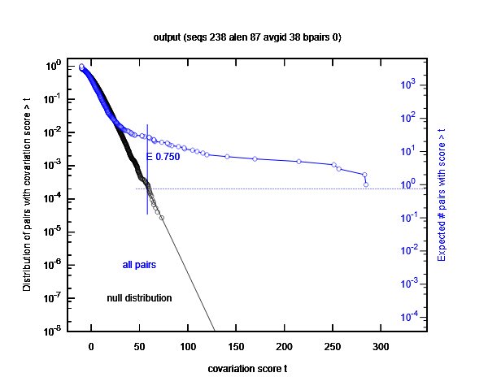
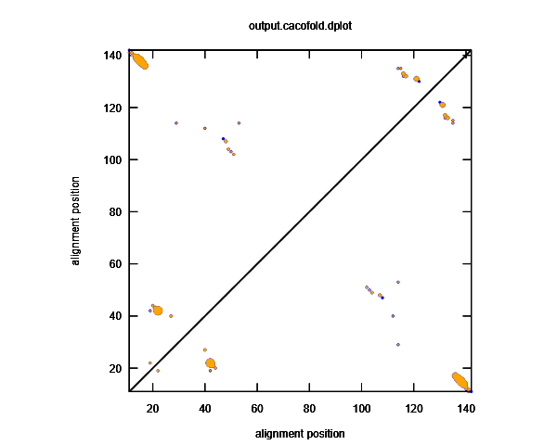
tRNA50 | 29 paires | http://eddylab.org/R-scape/results/rTyH0W8EE
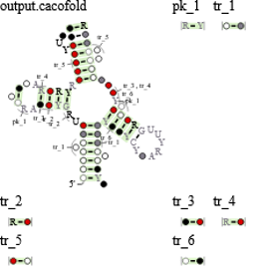
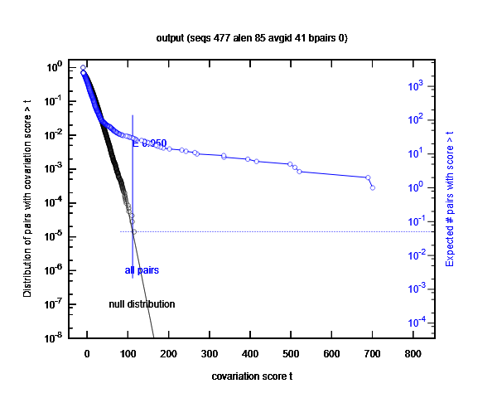
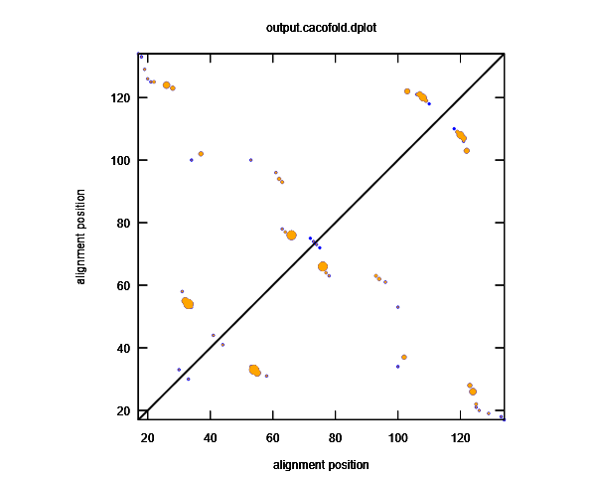

tRNA75 | 26 paires | http://eddylab.org/R-scape/results/fFgEN08Ip
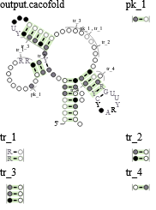
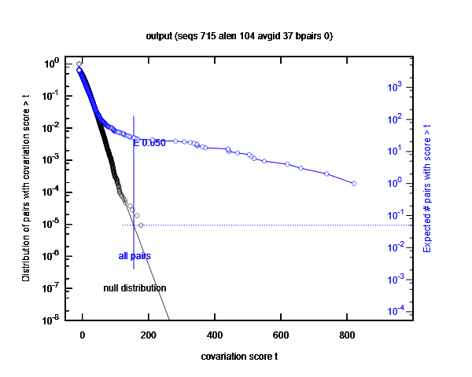
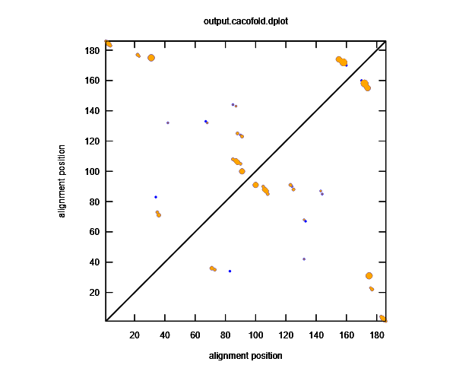

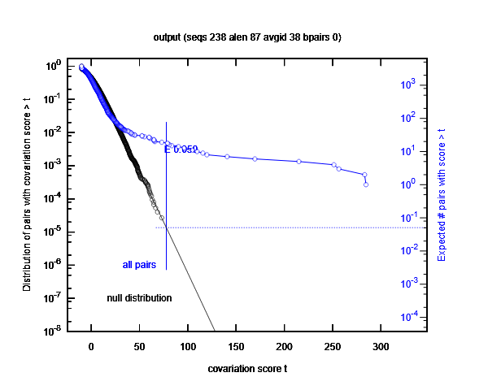
tRNA25 | 18 paires | http://eddylab.org/R-scape/results/NLk5p8gP_
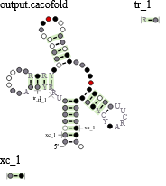
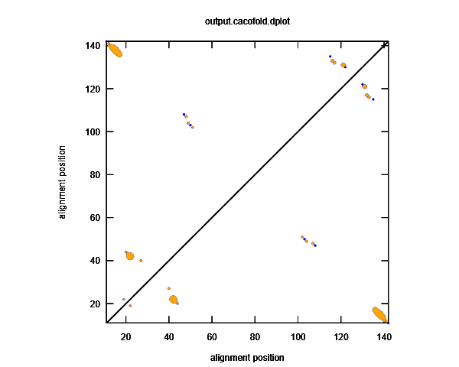

histidyl tRNA | 7 paires (~2000 séquences) | http://eddylab.org/R-scape/results/TFYCx2DqZ
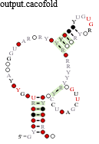
 |  | potentiellement meilleure structure en augmentant eval

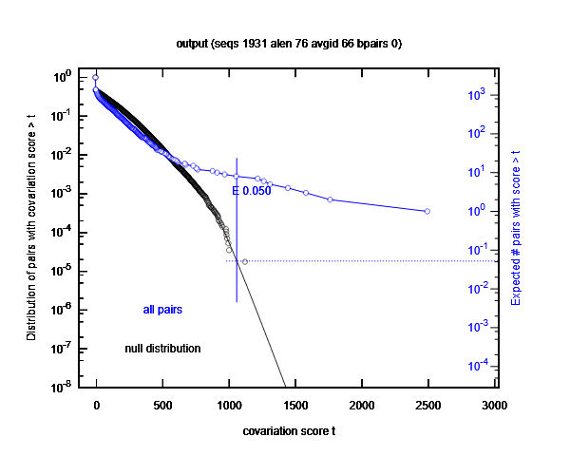
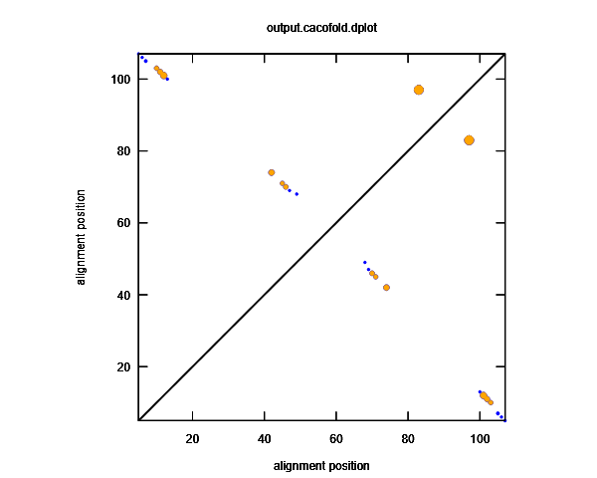

tRNA25 eval025 | 15 paires | http://eddylab.org/R-scape/results/9kh5ge_gH
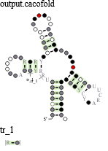

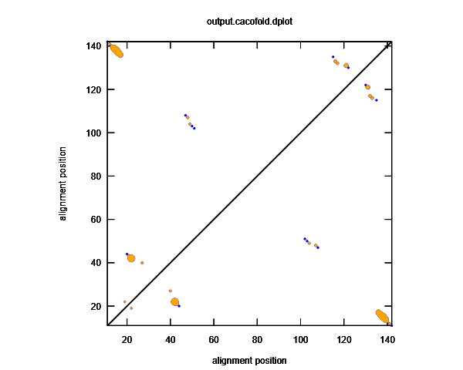

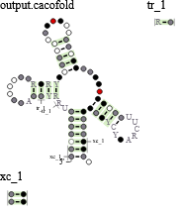
tRNA25 eval10 | 19 paires | http://eddylab.org/R-scape/results/I0YWoqtnp




tRNA25 eval25 | 19 paires | http://eddylab.org/R-scape/results/MZ6fqMsqr
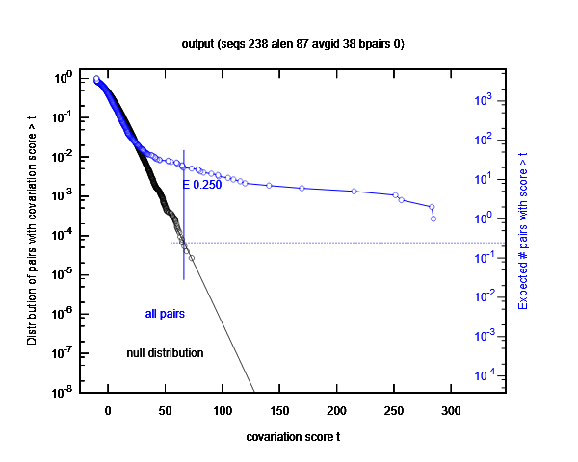

tRNA25 eval50 | 25 paires | http://eddylab.org/R-scape/results/T5nHSELUM
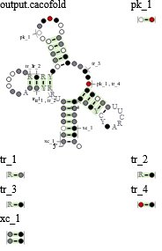



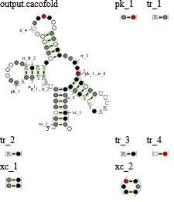
tRNA25 eval75 | 27 paires | http://eddylab.org/R-scape/results/3j1nhhuYg

