Screws
Reference | Name | Qty | Bemerkung | Hersteller Partno. | Conrad Orderno. | RS Online

1 | Gewindestift M2 x 4mm | 6 | für Potiknopf | Toolcraft TO-5370165 | 1790055 - NA | 431-965
2 | Zylinderkopf Innensechskantschraube, Stahl schwarz passiviert, M1.6 x 0.35mm, 6mm | 5 | für Leiste |  |  | 304-17-406
3 | Zylinderkopf Innensechskantschraube, Edelstahl A2 , M3 x 0.5mm, 6mm | 7 | Befestigung PCB |  |  | 303-95-067
4 | Senkkopf Innensechskantschraube, Edelstahl DIN 7991 A4, M3 x 0.5mm, 8mm | 4 | Gehäuseschraube |  |  | 304-17-413

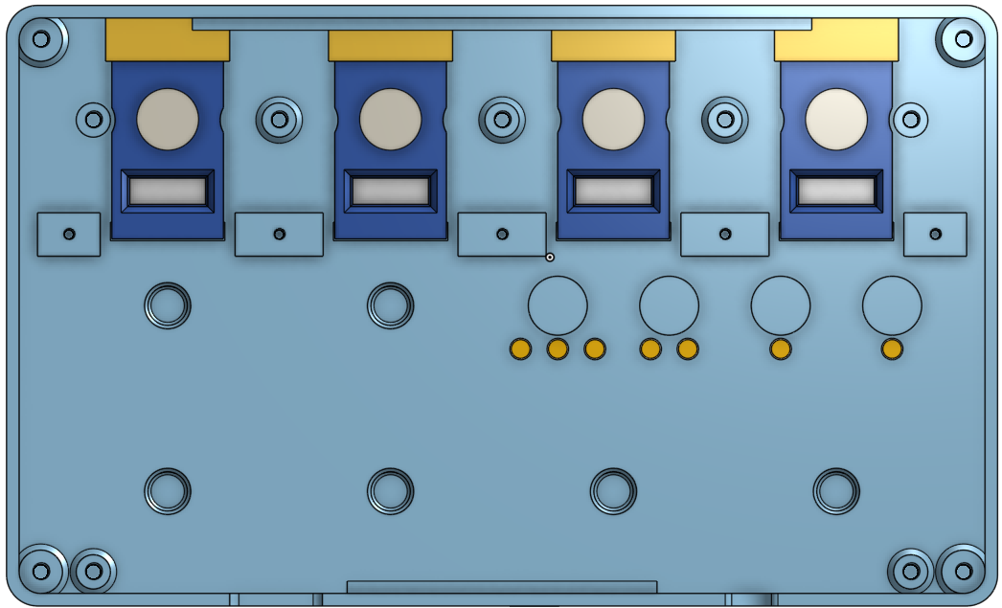

4

2
3

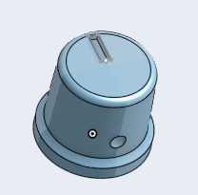

1

3D-Print
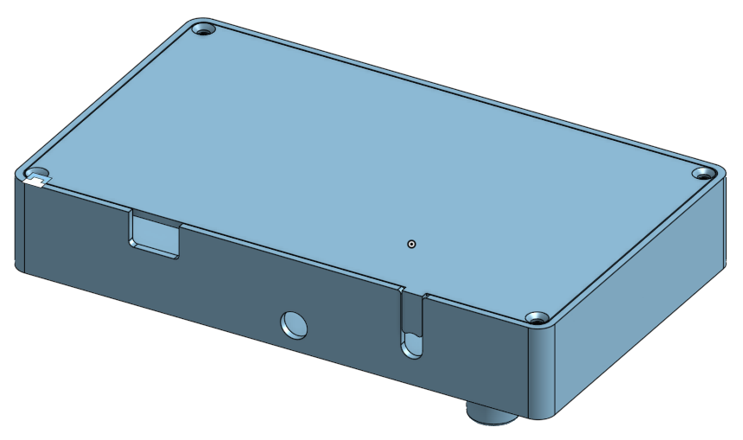
Position | Name | STL File | Filament Color | Filament Material | QTY
1 | Body | DIYBody_V12.3.stl | Black | PLA | 1
2 | Body bottom | DIYBodyBottomSlim_V12.3.stl | Black | PLA | 1
3 | Functionsbuttons / Shift | DIYKnobShift_V12.2_8mm.stl | White | PLA | 4
4 | Fire Button | DIYKnobFire_V12.3.stl | White | PLA | 4
5 | Fire Button extension | DIYKnobFire - Stößel_V12.3_1.stl | White | PLA | 4
6 | Fire Button Inlay | DIYKnobFire - Inlay_V12.3.stl | White | PLA | 4
7 | stribe for Buttons | DIYBodyStreifen.stl | White or Black or whatever | PLA | 1
8 | Potiknob | PotiKnobV25.stl | Black | PLA | 6
9 | Potiknob Inlay | PotiKnob - Inlays_x10_V12.0.stl | Transparent | PLA | 6

9
3

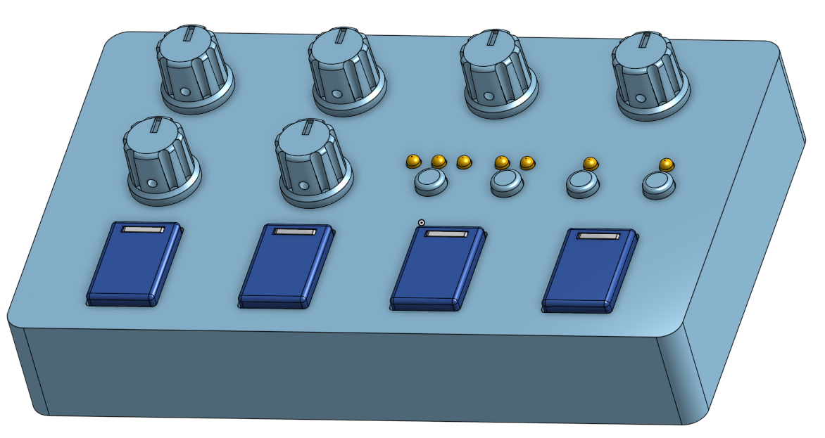
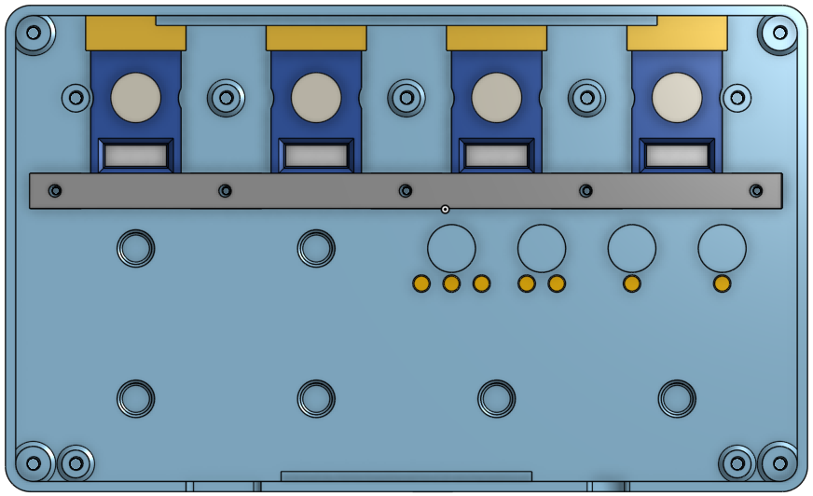
5
8

6

4

7

1
2

