front

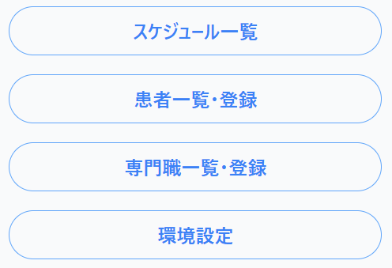
1

2

3

4

5

5-1

5-3
5-4
5-2

schedule
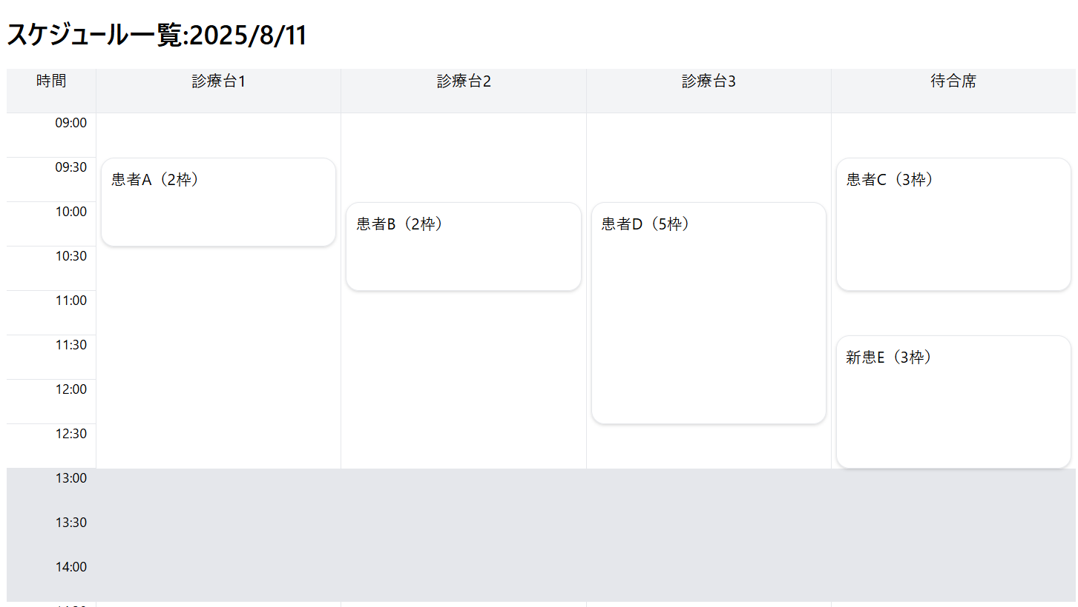
1

4

2

5
5-1
5-2

3

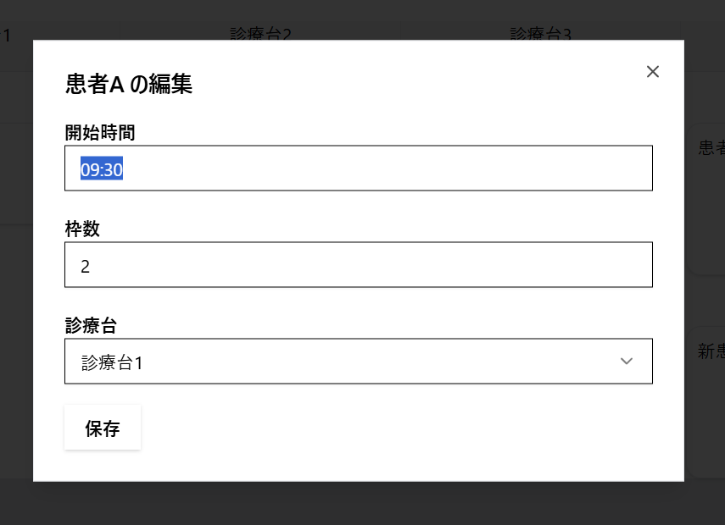
6-1
6
6-2

6-3

6-4

6-5

6-6

