home
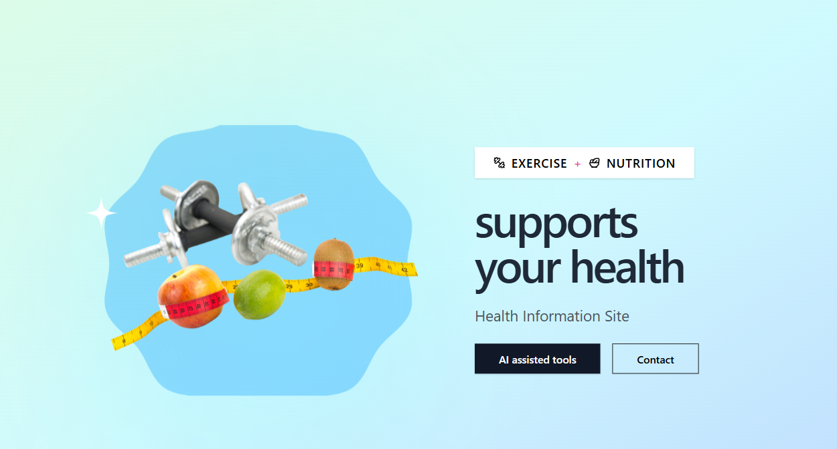

1
2

3

4
4-1
4-2

4-3

4-4

5

6
6-1
6-2

6-3

6-4



7
8
9

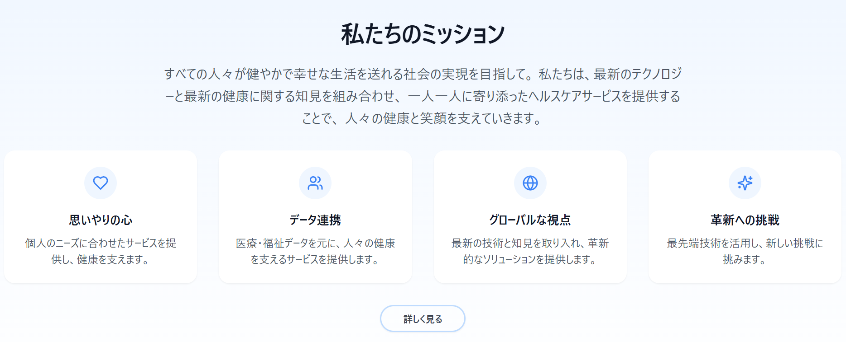

10

helth_info
1

2

3

4

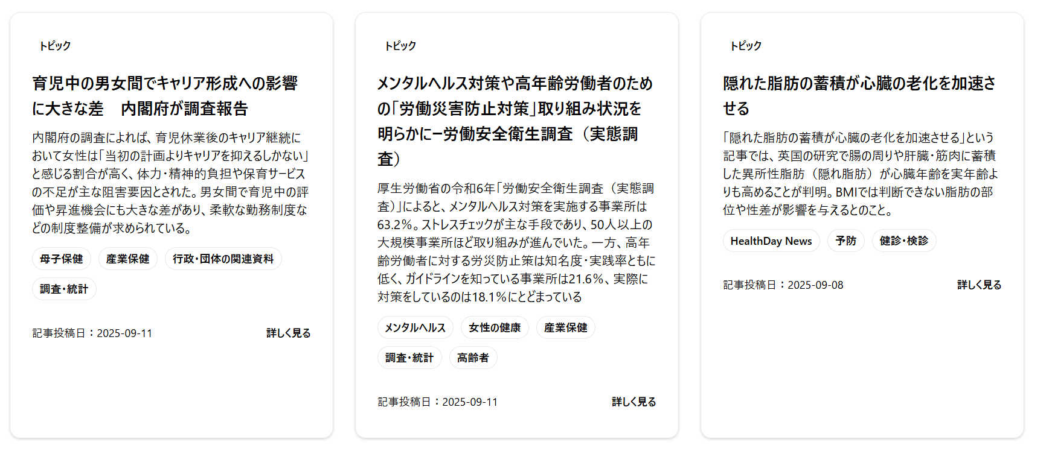
5
5-1

5-2

5-3

5-4

5-5
5-6

execise
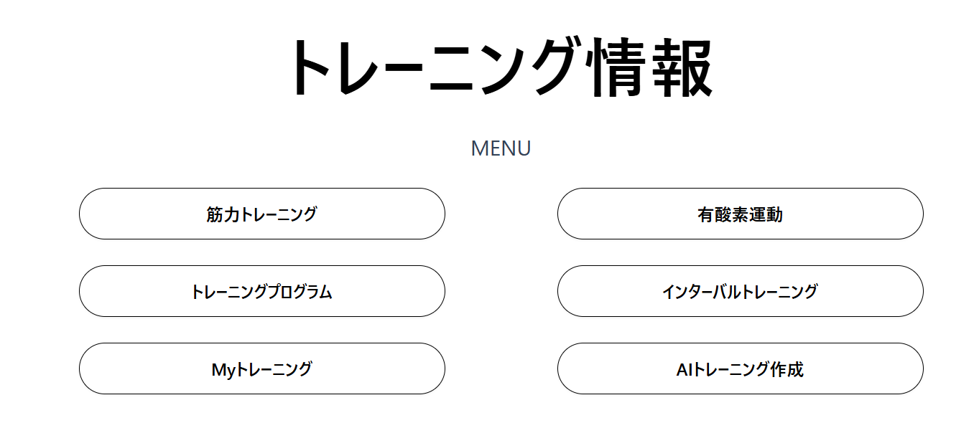

1
2

3
4

5
6

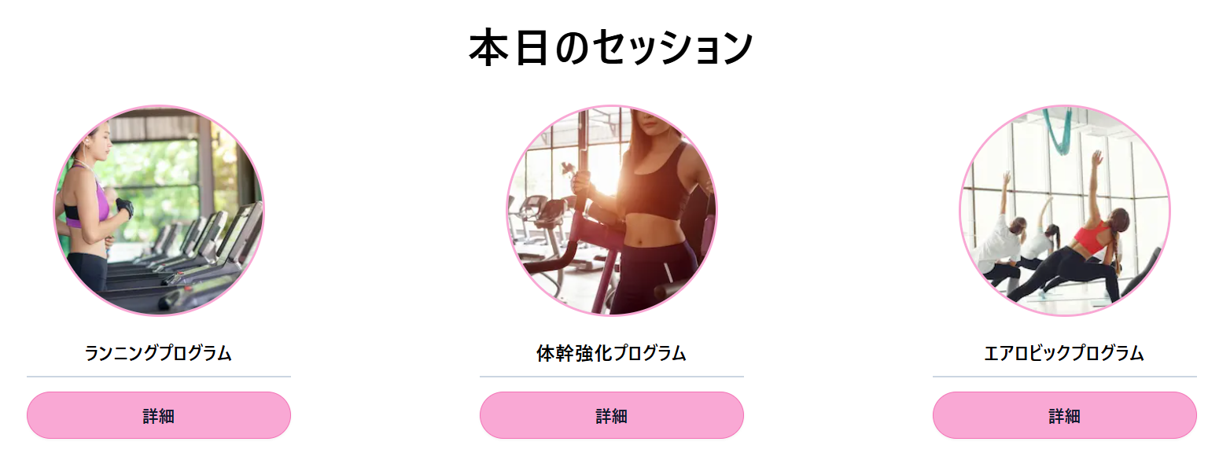

7
8
9

muscle_tr
1
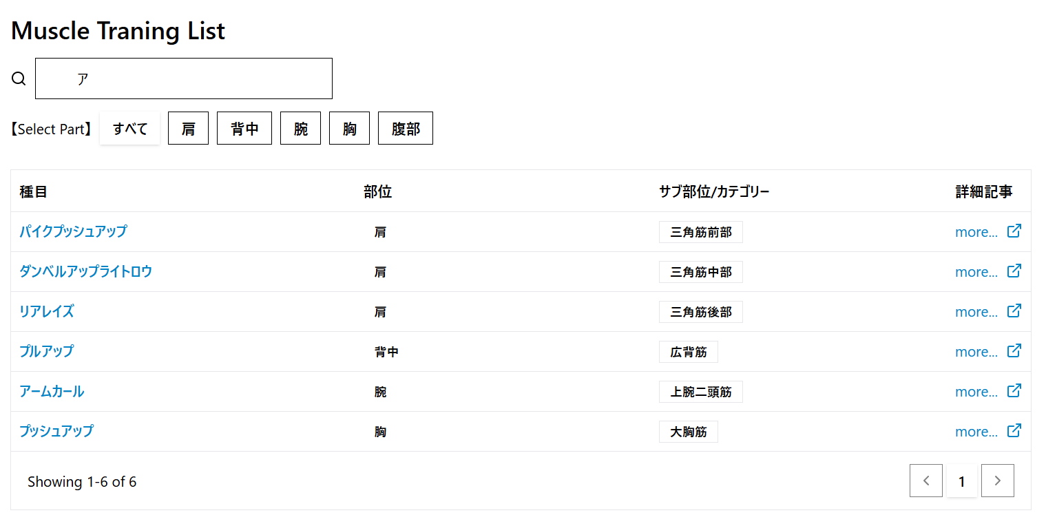
1-1

1-2

1-3
1-4
1-5
1-6

1-7

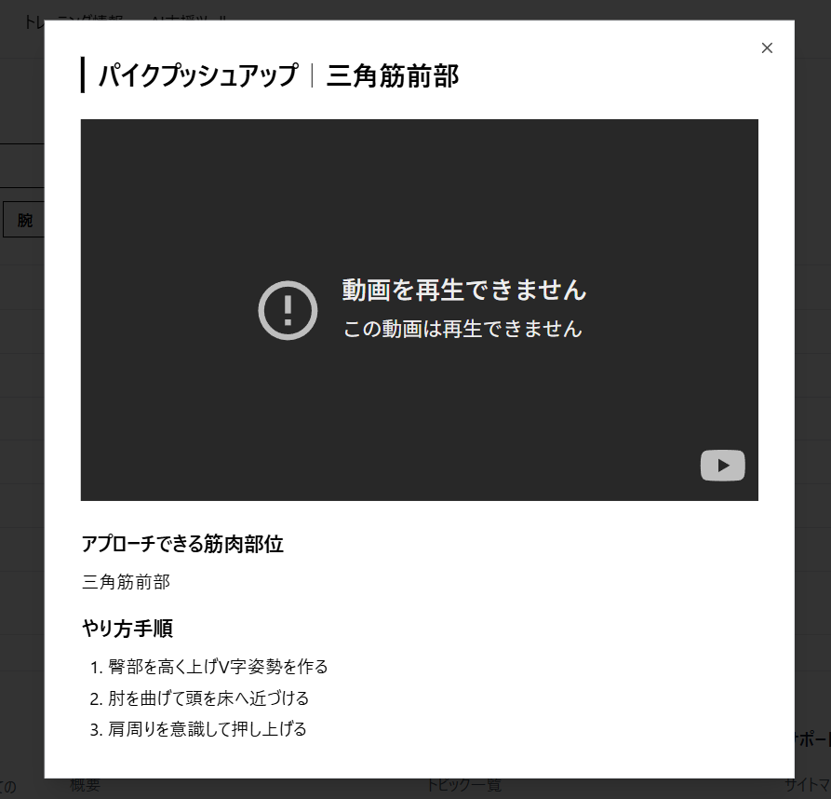
2
2-1
2-2

2-3

2-4

2-5

