home
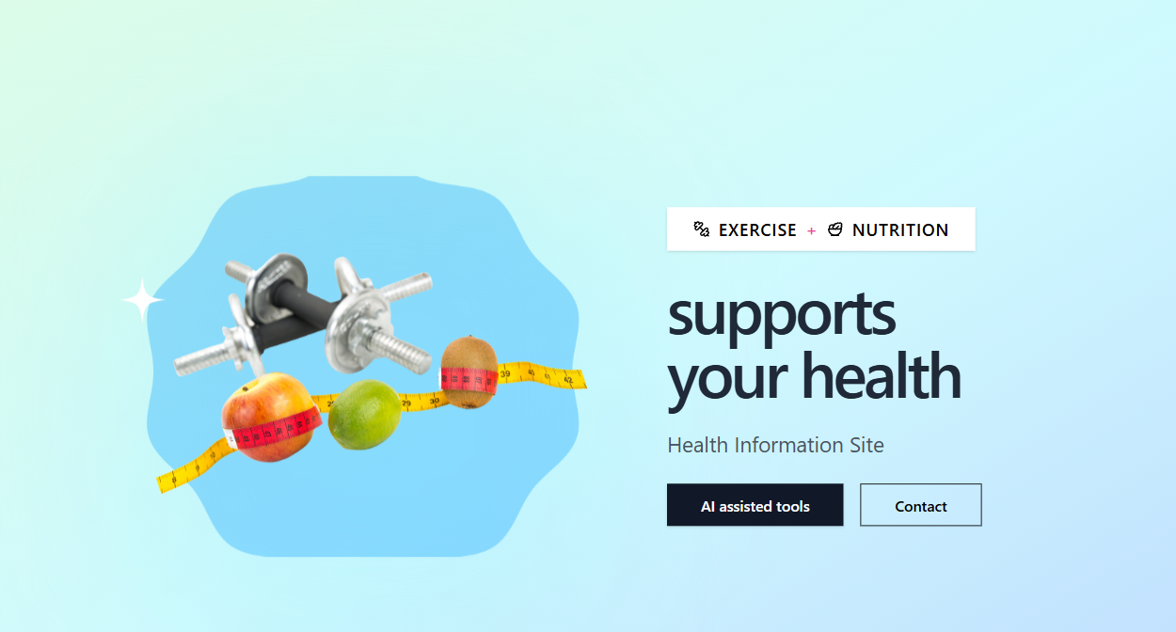

1
2

1

2
2-1
2-2

2-3

2-4

