Contents & Notes

Annual trends in available beds by NHS Board of treatment and hospital, 2008/09 - 2017/18p

Revised
An error identified in the excel lookups meant that some data was not being displayed properly within the data table. This has now been corrected and it should be noted that there has been no change to the background data figures at hospital, NHS Board or Scotland level.

Quick links to tables:

Annual Trends in Available Beds, by NHS Board of Treatment and Hospital

Raw data

Please read the following notes before analysing the tables:

1. All data extracted in July 2018.
2. The figures include NHS beds/patients in joint-user and contractual hospitals. A joint user hospital is a local authority institution in which accommodation is made available to NHS Boards under the terms of
the National Assistance Act 1948. A contractual hospital is an institution where NHS Boards have arrangements with voluntary or private bodies for the use of beds or clinical facilities.
3. Note that the specialty groupings were changed in June 2015 and March 2017.
4. The formula used to calculate the number of average available staffed beds generates fractional numbers. As a result, numbers in the table have been rounded to the nearest whole number.
5. Annual figures are shown for the last ten financial years. It is not possible to directly compare quarterly data with annual data due to the fact that the information specifically relates to averages within
different time periods.

Data included in this table are provisional as NHS Boards update their current and historical data monthly. This may result in changes in the recent data shown from one publication to another.
There may also be changes to older years on a much smaller scale. For details on all ongoing data issues please refer to the |  | Data Issues and Completeness document.

Definitions
Average Available Staffed Beds | The daily average number of beds which are staffed and are available for the reception of inpatients (borrowed and temporary beds are included).

% Occupancy | The percentage of available staffed beds that were occupied by inpatients during the quarter [derived as: (total occupied bed days / all available staffed beds) x 100].

Source
ISD(S)1 | Routine quarterly aggregated information for monitoring activity in hospitals, and activity carried out in health centres and clinics in NHSScotland. Information collected (on monthly returns) relates to hospital beds, inpatients, outpatients, day cases, day patients, haemodialysis patients, ward attendees, patients seen by AHPs (Allied Health Professionals) and other technical department staff and cancellations.
p Provisional
'-' denotes no data

Expand-Collapse
Back to Beds tab

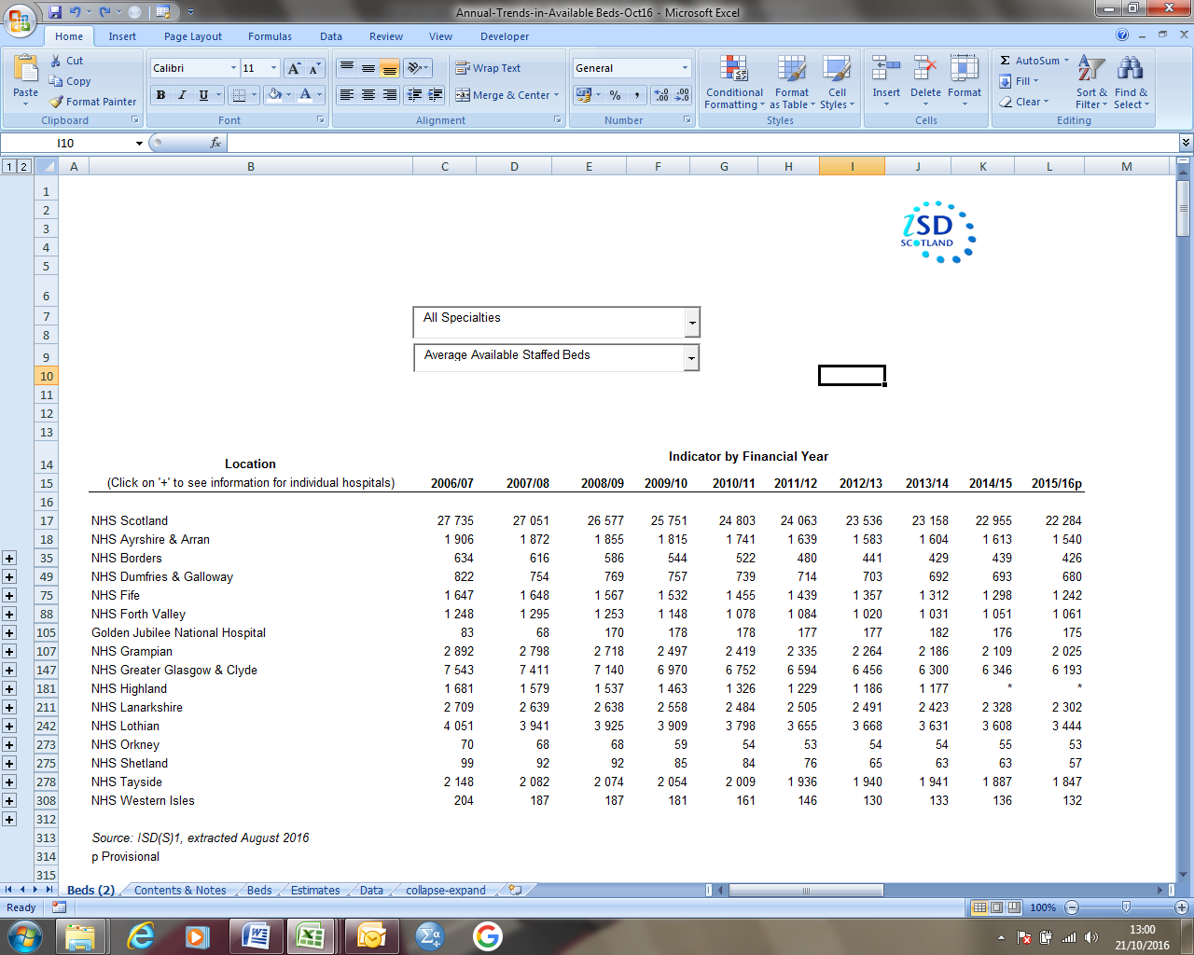

Click on the 2 and 1 to view all or hide all hospital data.
Click on the individual plus sign to show hospitals for a specific Board. The plus sign will turn into a minus sign. Click on the minus sign to hide these hospitals again.

