Лист1
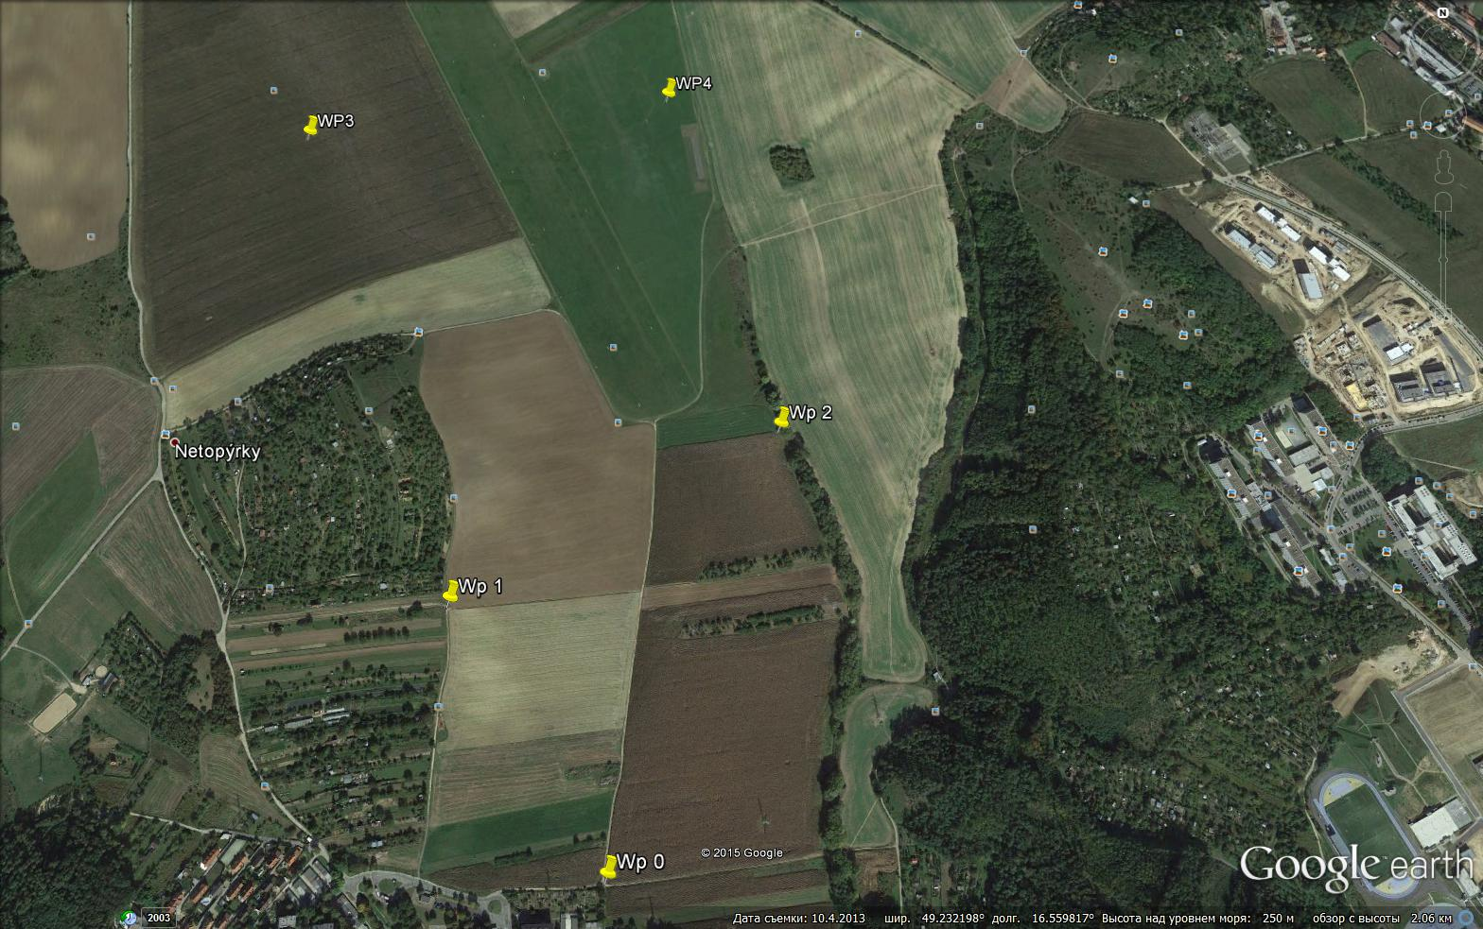
From | To | Azimuth | Distance
 |  | degree | m

Wp0 | Wp1
49.226844 | 49.230229 | 328.4402 | 442
16.557175 | 16.553991

Wp1 | Wp2
49.230229 | 49.232621 | 60.8299 | 547
16.553991 | 16.560554

Wp2 | Wp3
49.232621 | 49.237174 | 303.9954 | 908
16.560554 | 16.550213

Wp3 | Wp4
49.237174 | 49.237821 | 82.8964 | 584
16.550213 | 16.558168

Wp4 | Wp0
49.237821 | 49.226844 | 183.3810 | 1223
16.558168 | 16.557175

