Case1_IceBridge
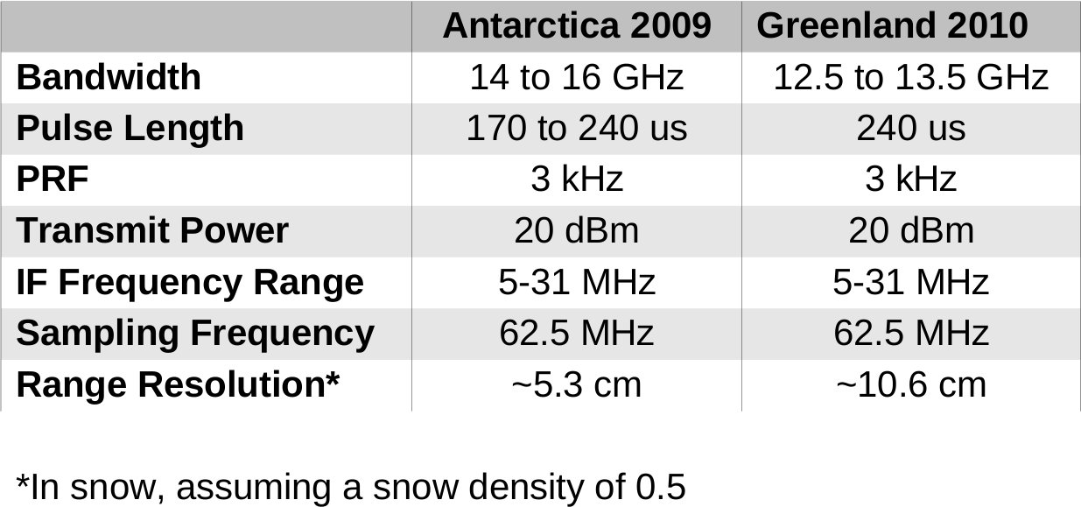
Characterize the Ice Bridge Platforms and Instruments
Provide surface elevation data now that the ICESat-1 mission has ended, focused on areas undergoing rapid change that are critical to characterizing select areas of sea ice and modeling the processes that determine the mass balance of the terrestrial ice sheets. Due to the time variable, non-linear changes that these areas undergo, repeated monitoring is required. IceBridge also allows more detailed studies over these areas, though over much smaller overall areas.
Support complementary measurements critical to ice models such as bed topography, grounding line position, and ice and snow thickness. These parameters cannot be measured by satellite, but can be measured from aircraft. They are the other great unknowns in understanding the ice in general and developing predictive models of sea level rise in response to climate change.

Campaign | Aircraft | Instruments | Mission |  |  |  |  |  | Campaign Options from ICESat_Gapfiller Report
Artic 2011 |  |  | Ice sheets, glacier, Canadian Ice Caps |  |  |  |  |  | Flight Configurations | 2009 | 2010 | 2011 | 2012 | 2013 | 2014 |  | Code | Instrument | Type | PI
 | P-3B |  | Sea Ice thickness, changes in the ice sheets, ice dynamics |  |  |  |  |  | Greenland | 1L,1M, 3H; 1L | 1L; 1L | 1L,4N; 1L,4N | 1L; 1L | 1L; 1L | 1L; 1L |  | A | ATM | Laser altimeter | Krabil
 |  | ATM | NASA elevation data sets: ICESat, ICEBridge, ICESat2 for 17 years and CryoSat2, overfly ground validataion sites |  |  |  |  |  | Arctic Sea | 1L, 8D; 1L | 1L; 1L | 1L; 1L | 1L; 1L | 1L; 1L | 1L; 1L |  | B | LVIS | Laser altimeter | Blair
 |  | Magnetometer |  |  |  |  |  |  | Antarctic sub-glacial | 0; 0 | 2L; 6AB | 6AB; 5L | 5L; 5L | 5L; 5L | 5L; 5L |  | C | MFFL | Laser altimeter | Dobbs/ITT
 |  | Gravimeter |  |  |  |  |  |  | Antarctic coastal | 0; 2L | 2L; 6AB | 6AB; 5L | 5L; 5L | 5L; 5L | 5L; 5L |  | D | Ice Roughness profilometer | Laser altimeter | Maslanik
 |  | Camera System (?) |  |  |  |  |  |  | Alaska SE | 7A, 3K; 7A, 3K | 7A; 7A | 7A; 7A | 7A; 7A | 7A; 7A | 7A; 7A |  | E | SIMPL | Laser altimeter | Harding
 | B-200 |  |  |  |  |  |  |  |  |  |  |  |  |  |  | Totals | F | PCL | Laser altimeter | Gogineni
 |  | Laser Altimter (LVIS) |  |  |  |  |  |  | ROM Mission Costs | ($k) | ($k) | ($k) | ($k) | ($k) | ($k) | ($k) | G | Mapping Laser altimeter | Laser altimeter | Yu
Antarctica 2010 |  |  | Fly under ICESat and Cryosat |  |  |  |  |  | Greenland | 4495 | 3259 | 5047 | 3492 | 3636 | 3744 | 23673 | H | Ka-band UAVSAR | Radar Sounder | Moller
 | DC-8 |  | Flying same instrument set as 2009 campaign |  |  |  |  |  | Arctic sea Ice | 580 | 596 | 602 | 620 | 640 | 658 | 3696 | I | PARIS | Radar Sounder | Raney
 |  | ATM |  |  |  |  |  |  | Antarctica | 6549 | 7505 | 6487 | 5268 | 5426 | 5588 | 36823 | J | Ku-Radar Sounder | Radar Sounder | Jezek/Gogineni
 |  | LVIS |  |  |  |  |  |  | Alaska SE | 2066 | 796 | 820 | 844 | 870 | 896 | 6292 | K | ultrawideband KU | Radar Sounder | Gogineni
 |  | "Kansas's Radars" |  |  |  |  |  |  |  | 5750 | 10875 | 5250 | 2500 | 2500 | 2500 | 29375 | L | ATM, LVIS, KuRadar Sounds/PARIS | Combination | Team
 |  | DMS |  |  |  |  |  |  | Additional Costs | ($k) | ($k) | ($k) | ($k) | ($k) | ($k) | ($k) | M | LVIS, KuRadar Sounds/PARIS | Combination | Team
 |  | Gravimeter |  |  |  |  |  |  | GH Ground Station | 3000 | 2000 | 1000 | 0 | 0 | 0 | 6000 | N | SIIMPL, SMLA, MFLL, PCL | Combination | Team
 |  |  |  |  |  |  |  |  | GH AV-7 | 0 | 3000 | 1000 | 0 | 0 | 0 | 4000 | O | KuRadar Sounds/PARIS | Combination | Team
Arctic 2010 |  |  |  |  |  |  |  |  | DC-8 D-Check | 0 | 3000 | 0 | 0 | 0 | 0 | 3000 | Code | Platform
 | DC-8 |  |  |  |  |  |  |  | Duplicate ATM and LVIS | 1000 | 0 | 0 | 0 | 0 | 0 | 1000 | 1 | P-3
 |  | ATM | Flew 14 missions at 120 hours |  |  |  |  |  | FTEs ($250M/yr/ea) | 625 | 1000 | 1125 | 875 | 875 | 875 | 5375 | 2 | DC-8
 |  | LVIS | Deployed from Thule |  |  |  |  |  | WYEs ($250M/yr/ea) | 1125 | 1875 | 2125 | 1625 | 1625 | 1625 | 10000 | 3 | Gulfstream 3 (G-3)
 |  | "Kansas's Radars" |  |  |  |  |  |  | Reserves (15%) | 2916 | 3455 | 2731 | 1909 | 1961 | 2008 | 14979 | 4 | S-3
 |  | DMS |  |  |  |  |  |  | Totals by Year | $22,356 | $26,486 | $20,937 | $14,633 | $15,033 | $15,394 | $114,838 | 5 | Global Hawk (GH)
 |  | Gravimeter |  |  |  |  |  |  |  |  |  |  |  |  |  |  | 6 | HAIPER (NSF) (G5)
 | P-3B |  |  |  |  |  |  |  | Notes | : |  |  |  |  |  |  | 7 | B/200/Twin Otter
 |  | ATM | Deployed from southern Greenland | Estimated Flight Hours/Cost ($k): | 350 |  |  |  | 1) x;x denotes option by season (Spring; Fall) |  |  |  |  |  |  |  | 8 | SUAS
 |  | MCoRDS |  | Estimated Aircraft Operations costs ($k): | 144 | 494 |  |  | 2) Ka-SAR/G-III flights in Greenland Spring 2009 are in-kind |  |  |  |  |  |  |  | 9 | L-1011
 |  | Snow Radar |  | Integration Costs ($k): | 600 |  |  |  | 3) Instrument/Aircraft downselect occurs in 2011 |  |  |  |  |  |  |  | 10 | Lear 25
 |  | Ku-Band Radar |  | Science Team Costs ($k): | 1,158 |  |  |  | 4) Coverage of arctic sea ice is a 1 month extension of yearly P-3 deployments to Greenland
 |  |  |  | Total Cost ($k): | 1663 | 2252 |  |  | 5) The Antarctica estimate encompasses sea ice, coastal, and sub-glacial lakes
 |  |  |  |  |  |  |  |  | 6) Assumes routine in-kind airlifts of opportunity from DoD (~$8-10M)
Antarctica 2009 |  |  | Base of Operations: | Puenta Arenas
 | DC-8 |  | Estimated Flight Hours/Cost ($k): | 145 | 870
 |  | LVIS | Estimated Aircraft Operations Costs ($k): |  | 1801 | 2671
 |  | ATM | Integration Costs ($k): |  | 2775
 |  | MCoRDS | Science Team Costs ($k): |  | 1175
 |  |  | Total Cost ($k): |  | 6549 | 6621

Platform | Flight Altitude (ft) | Flight Range (nm) | Flight Speed (kts) | Endurance (hrs) | Payload (lbs) | Engines | Cost of Operation ($/hr) | Aircraft Features
DC-8 | 1,000-42,000 | 5,400 |  | <12 | <30,000 | 4 Jet | $6,044 | Wing Pylons for aerosol sampling; gyro-stabilized pointing and tracking mirror system; a dropsonde delivery tube; atmospheric chemistry sampling probes; and multiple reinforced ports | From DFRC
P-3B | 500-30,000 | 2400-3800 | 270-330 | 8 to 12 | <15,000 | 4 Turbo Prop | $3,545 | Pressurized zenith, nadir, and oblique ports; unpressurized equipment bay with large nadir and oblique ports | Wallops
B-200 | 500-32,000 | 915 - 1,800 | 270 | <7 | <5,000 | 2 Turbo Prop |  |  | DFRC
Global Hawk | 42,000-65,000 | 11,000 | 335 | 31 | <2,000 | 1 Turbo Fan | $3,502 | Would have taken 3 years to outfit and test | DFRC

Instrument Full Name | Short Name | Type | Mass (kg) | Power (W) | Aircraft | Ice Bridge Campaign | Notes
Airborne Topographic Mapper | ATM | Scanning LIDAR |  |  | DC-8 | Antarctica 2009 | Wants to fly at 1,500ft AGL
 |  | NASA WFF |  |  | DC-8 | Artic 2010
 |  |  |  |  | DC-8 | Antarctica 2010
 |  |  |  |  | P-3B | Artic 2011
Laser Vegetation Imaging Sensor | LVIS | Laser Altimeter |  |  | B-200 | Artic 2011 | 2 km wide laswer swath
 |  | NASA GSFC |  |  | DC-8 | Antarctica 2009 | wants to fly at 35,000 ft AGL
 |  |  |  |  | DC-8 | Antarctica 2010

Multichannel Coherent Radar Depth Sounds | MCoRDS | Radar |  |  | DC-8 | Artic 2010 | Powerful radar to measure bedrock elevation
 |  | KU CReSIS |  |  | DC-8 | Antarctica 2010 | Ice Thickness and Internal Layering
 |  |  |  |  | P-3B | Artic 2011

Snow Radar | Snow Radar | Radar |  |  | DC-8 | Artic 2010 | Only measures depth of snow on top of the ice and topography
 |  | KU CReSIS |  |  | DC-8 | Antarctica 2010 | The snow radar, also developed by the University of Kansas, measures the thickness of snow on top of sea ice and glaciers, allowing researchers to differentiate between snow and ice and make more accurate thickness measurements.
 |  |  |  |  | P-3B | Artic 2011

Ku-Band Radar Altimeter | Ku- Band Radar | Radar Altimeter |  |  | DC-8 | Artic 2010 | The Ku-Band Radar Altimeter from the University of Kansas penetrates through snow to measure the surface elevation of sea ice and ice sheets. It can also measure sea surface elevation.
 |  | KU CReSIS |  |  | DC-8 | Antarctica 2010 | Measures Snow Cover and Topography
 |  |  |  |  | P-3B | Artic 2011
Gravimeter |  | Gravimeter |  |  | DC-8 | Artic 2010 | From Columbia
 |  | SDL / LDEO |  |  | DC-8 | Antarctica 2010
 |  |  |  |  | P-3B | Artic 2011
Digital Mapping System | DMS | Camera |  |  | DC-8 | Artic 2010 | Every 10 seconds, two cameras, natural color and panchromatic imagery
 |  | NASA ARC |  |  | DC-8 | Antarctica 2010 | University of California at Santa Cruz
 |  |  |  |  | P-3B | Artic 2011

 | Snow Radar Description
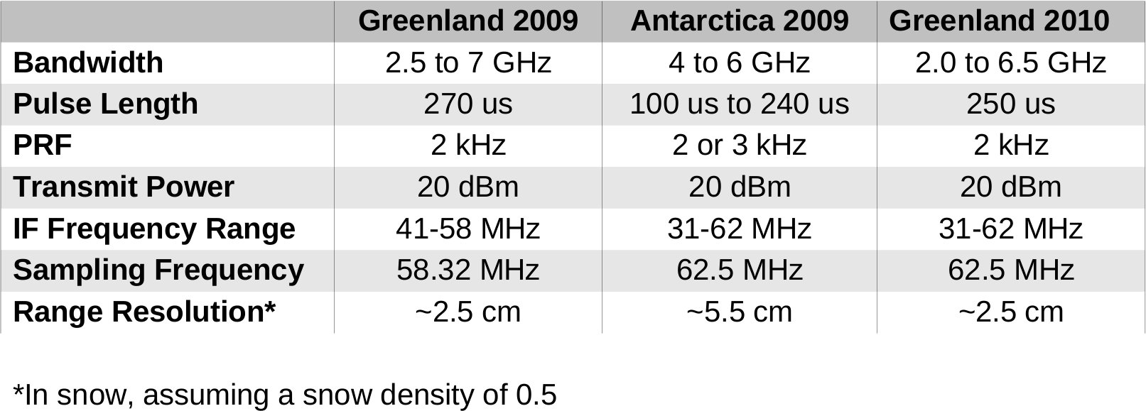

 | Ku-Band Altimeter Description

