Notice
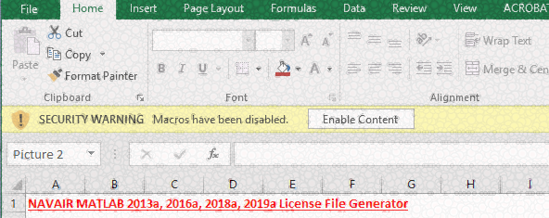
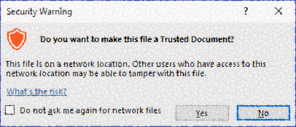
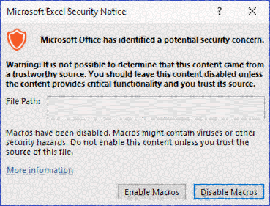
You must allow macros to run to use this tool. You must click any of the following messages prior to proceeding

Cover
 | Excel Merge Tool

Instructions: | Select the path that all the excel files to be merged into using the 'Source Folder Path' cell bellow. For file file that matches the 'Source File Extension Filter' only the first Sheet is merged.
Source Folder Path: | %localappdata%\Local Working\ExampleMerge
Include Subdirectories | TRUE
Source File Extension Filter | .xlsm;.xlsb;.xlsx;.xls;.csv;.tab
Source Header Address: | A1:S1
Source files have common password | FALSE
Results File Name: | ~\Downloads\MergeTest.xlsx
Use File Name as Category Column: | TRUE
Category Column Tile: | FileName
List Schemas : Dry Run

Execute Merge!

. | Tool is RUNNING ...

Provide tool feedback on spork (gitlab) | https://spork.navsea.navy.mil/data_analytics_coa/generic-automation/excel-merge-tool/-/issues/

