AWS Cloud
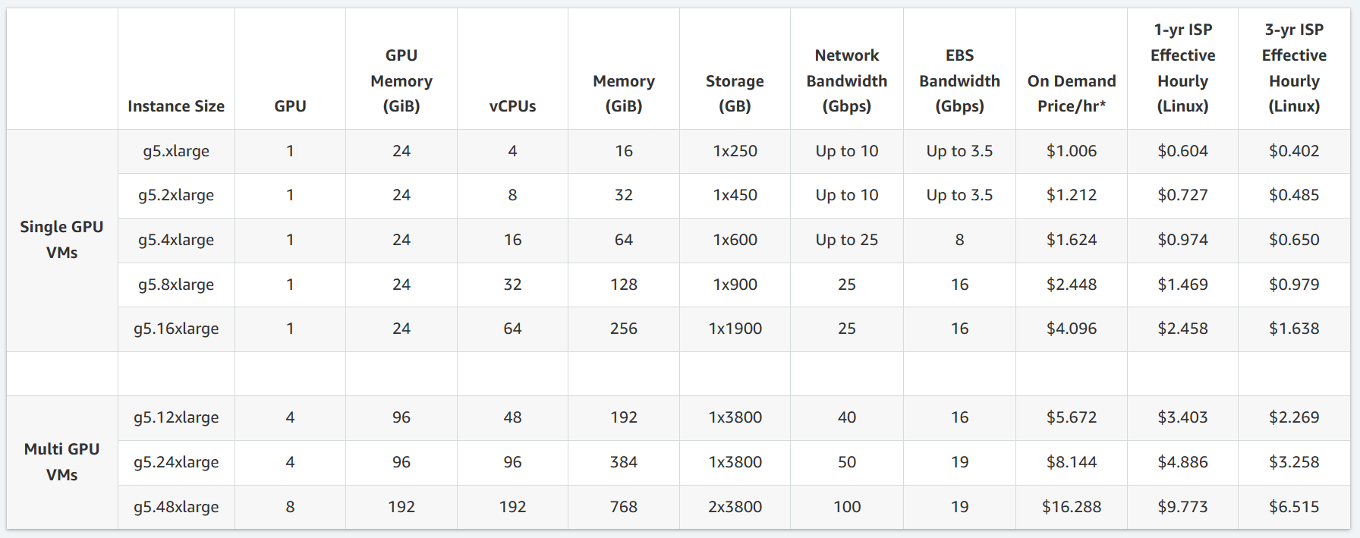
AWS Cloud |  |  | As of 3/20/24
EC2 Type | $/Day | Days | Total Cost
g5.4xlarge | $38.98 | 56 | $2,182.66
g5.4xlarge | $38.98 | 37 | $1,442.11
g5.2xlarge | $29.09 | 37 | $1,076.26
https://aws.amazon.com/ec2/instance-types/g5 |  |  | $4,701.02

Attack Tracker - Charts
Attack Tracker
Phase | Uncracked | Cracked | Attack Keyspace | Uncracked | Cracked | Cracked
00 HIBP Dataset | 100% | 0% | - | 931,855,073 | - | -
01 Breach Compilation + COMB | 20% | 80% | 8,775,988,939 | 184,698,787 | 747,156,286 | 747,156,286
02 HIBP Plain List v1 to v7 | 68% | 32% | 624,156,006 | 124,991,382 | 806,863,691 | 59,707,405
03 Brute Force All Combinations 1-7 Chars | 96% | 4.0% | 70,576,641,626,495 | 120,052,757 | 811,802,316 | 4,938,625
04 Brute Force All Combinations 8 Chars | 89% | 11% | 6,634,204,312,890,620 | 107,004,666 | 824,850,407 | 13,048,091
05 Targeted Mask Attack (9 Chars) | 90% | 10% | 2,663,175,327,420,910 | 96,407,321 | 835,447,752 | 10,597,345
06 Targeted Mask Attack (10 Chars) | 89% | 11% | 3,047,124,553,245,060 | 86,112,207 | 845,742,866 | 10,295,114
07 Targeted Mask Attack (11-12 Chars) | 94% | 6.2% | 4,039,055,493,990,400 | 80,776,718 | 851,078,355 | 5,335,489
08 Mask Attack (13-14 Digits) | 100% | 0.3% | 110,000,000,000,000 | 80,531,094 | 851,323,979 | 245,624
09 Rule-based (Wordlists + OneRule) Attack | 66% | 34% | 161,864,881,597,555 | 53,178,940 | 878,676,133 | 27,352,154
10 Recirculate + OneRule Attack (3 Rounds) | 90% | 10% | 85,267,558,724,478 | 48,080,063 | 883,775,010 | 5,098,877
11 Weakpass All-in-One (full) | 95% | 4.6% | 28,330,556,550 | 45,877,005 | 885,978,068 | 2,203,058
12 Weakpass All-in-One (full) + OneRule | 95% | 4.7% | 1,371,595,564,811,700 | 43,718,518 | 888,136,555 | 2,158,487
13 Recirculate + OneRule Attack (4 Rounds) | 99% | 1.4% | 238,916,699,352 | 43,087,510 | 888,767,563 | 631,008
14 PassGPT LLM Wordlist Attack | 100% | 0.00% | 810,980,079 | 43,087,251 | 888,767,822 | 259
15 LLM Wordlist (PassGPT) + OneRule Attack | 100% | 0.31% | 39,262,789,544,706 | 42,952,553 | 888,902,520 | 134,698
16 Recirculate + OneRule Attack (1 Round) | 100% | 0.04% | 6,533,808,198 | 42,933,806 | 888,921,267 | 18,747

