Inspection Log
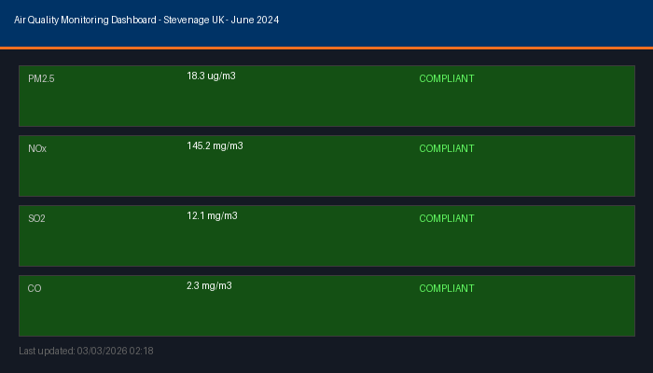
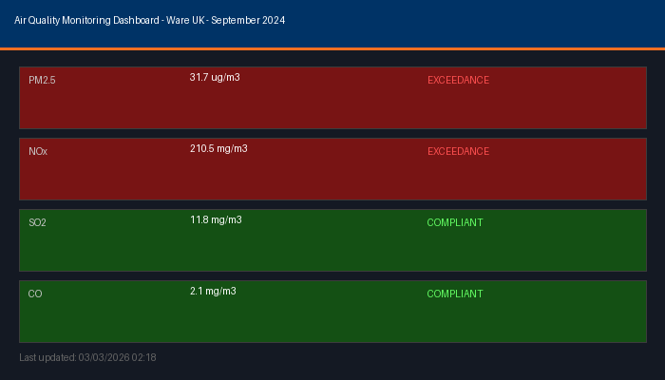
Inspection_ID | Date | Site | Inspector | PM2.5_ugm3 | NOx_mgm3 | PM25_Status | NOx_Status | Evidence_Attached
INS-2024-001 | 15/01/2024 | Ware UK | S. Clark | 33.1 | 150.7 | EXCEEDANCE | Compliant | Yes
INS-2024-002 | 21/02/2024 | Montrose UK | J. Adams | 10.9 | 154.6 | Compliant | Compliant | Yes
INS-2024-003 | 22/03/2024 | Montrose UK | M. Brown | 28.8 | 161.1 | EXCEEDANCE | Compliant | Yes
INS-2024-004 | 24/04/2024 | Stevenage UK | P. Davis | 34 | 80.8 | EXCEEDANCE | Compliant | Yes
INS-2024-005 | 17/05/2024 | Ware UK | M. Brown | 30.6 | 166.9 | EXCEEDANCE | Compliant | Yes
INS-2024-006 | 13/06/2024 | Montrose UK | S. Clark | 27.7 | 103.1 | EXCEEDANCE | Compliant | Yes
INS-2024-007 | 20/07/2024 | Ware UK | S. Clark | 21.6 | 149.2 | Compliant | Compliant | Yes
INS-2024-008 | 10/08/2024 | Worthing UK | M. Brown | 18.7 | 141.7 | Compliant | Compliant | Yes
INS-2024-009 | 24/09/2024 | Montrose UK | S. Clark | 11.7 | 188.5 | Compliant | Compliant | Yes
INS-2024-010 | 11/10/2024 | Montrose UK | M. Brown | 30.8 | 178.6 | EXCEEDANCE | Compliant | Yes
INS-2024-011 | 10/11/2024 | Barnard Castle UK | M. Brown | 13.4 | 192.4 | Compliant | Compliant | Yes
INS-2024-012 | 06/12/2024 | Montrose UK | S. Clark | 34.5 | 197 | EXCEEDANCE | Compliant | Yes
INS-2024-013 | 18/01/2024 | Worthing UK | P. Davis | 27.2 | 216.9 | EXCEEDANCE | EXCEEDANCE | Yes
INS-2024-014 | 18/02/2024 | Barnard Castle UK | P. Davis | 26.2 | 240.9 | EXCEEDANCE | EXCEEDANCE | Yes
INS-2024-015 | 01/03/2024 | Worthing UK | M. Brown | 29.8 | 174.1 | EXCEEDANCE | Compliant | Yes
INS-2024-016 | 09/04/2024 | Ware UK | S. Clark | 9.4 | 90.2 | Compliant | Compliant | Yes
INS-2024-017 | 02/05/2024 | Barnard Castle UK | M. Brown | 26.5 | 106.4 | EXCEEDANCE | Compliant | Yes
INS-2024-018 | 27/06/2024 | Worthing UK | J. Adams | 28.3 | 85.8 | EXCEEDANCE | Compliant | Yes
INS-2024-019 | 18/07/2024 | Ware UK | P. Davis | 24.6 | 201.6 | Compliant | EXCEEDANCE | Yes
INS-2024-020 | 26/08/2024 | Barnard Castle UK | J. Adams | 14.4 | 221.2 | Compliant | EXCEEDANCE | Yes
INS-2024-021 | 26/09/2024 | Barnard Castle UK | J. Adams | 33 | 149.8 | EXCEEDANCE | Compliant | Yes
INS-2024-022 | 20/10/2024 | Worthing UK | M. Brown | 8.4 | 125.2 | Compliant | Compliant | Yes
INS-2024-023 | 21/11/2024 | Barnard Castle UK | M. Brown | 32.6 | 206.8 | EXCEEDANCE | EXCEEDANCE | No
INS-2024-024 | 10/12/2024 | Worthing UK | M. Brown | 29 | 253.6 | EXCEEDANCE | EXCEEDANCE | Yes
INS-2024-025 | 06/01/2024 | Montrose UK | J. Adams | 34.6 | 93.4 | EXCEEDANCE | Compliant | Yes
INS-2024-026 | 18/02/2024 | Barnard Castle UK | M. Brown | 18.2 | 157.1 | Compliant | Compliant | Yes
INS-2024-027 | 01/03/2024 | Barnard Castle UK | P. Davis | 12.3 | 232.3 | Compliant | EXCEEDANCE | Yes
INS-2024-028 | 05/04/2024 | Barnard Castle UK | J. Adams | 27.2 | 107.9 | EXCEEDANCE | Compliant | Yes
INS-2024-029 | 27/05/2024 | Barnard Castle UK | P. Davis | 28.9 | 192.6 | EXCEEDANCE | Compliant | Yes
INS-2024-030 | 03/06/2024 | Barnard Castle UK | M. Brown | 29.3 | 179 | EXCEEDANCE | Compliant | Yes
INS-2024-031 | 26/07/2024 | Montrose UK | M. Brown | 33.8 | 173.7 | EXCEEDANCE | Compliant | Yes
INS-2024-032 | 03/08/2024 | Barnard Castle UK | M. Brown | 19.2 | 176.7 | Compliant | Compliant | Yes
INS-2024-033 | 11/09/2024 | Barnard Castle UK | S. Clark | 31.9 | 199.4 | EXCEEDANCE | Compliant | Yes
INS-2024-034 | 17/10/2024 | Worthing UK | J. Adams | 13.9 | 215.5 | Compliant | EXCEEDANCE | Yes
INS-2024-035 | 08/11/2024 | Montrose UK | M. Brown | 11.1 | 142.3 | Compliant | Compliant | Yes
INS-2024-036 | 11/12/2024 | Worthing UK | J. Adams | 33.9 | 202.9 | EXCEEDANCE | EXCEEDANCE | Yes
INS-2024-037 | 10/01/2024 | Stevenage UK | S. Clark | 18.4 | 177.2 | Compliant | Compliant | Yes
INS-2024-038 | 16/02/2024 | Stevenage UK | S. Clark | 21.9 | 171.6 | Compliant | Compliant | Yes
INS-2024-039 | 17/03/2024 | Stevenage UK | J. Adams | 32.3 | 114.7 | EXCEEDANCE | Compliant | Yes
INS-2024-040 | 18/04/2024 | Montrose UK | J. Adams | 12.5 | 252.1 | Compliant | EXCEEDANCE | Yes
INS-2024-041 | 21/05/2024 | Ware UK | P. Davis | 24.9 | 117.9 | Compliant | Compliant | Yes
INS-2024-042 | 27/06/2024 | Worthing UK | J. Adams | 30.6 | 117 | EXCEEDANCE | Compliant | Yes
INS-2024-043 | 15/07/2024 | Barnard Castle UK | J. Adams | 28.2 | 107.7 | EXCEEDANCE | Compliant | Yes
INS-2024-044 | 26/08/2024 | Barnard Castle UK | J. Adams | 10.4 | 89.8 | Compliant | Compliant | Yes
INS-2024-045 | 09/09/2024 | Worthing UK | P. Davis | 23.5 | 121 | Compliant | Compliant | Yes
INS-2024-046 | 11/10/2024 | Stevenage UK | P. Davis | 20.2 | 152.8 | Compliant | Compliant | Yes
INS-2024-047 | 21/11/2024 | Montrose UK | J. Adams | 26.2 | 176.3 | EXCEEDANCE | Compliant | Yes
INS-2024-048 | 23/12/2024 | Stevenage UK | S. Clark | 28.4 | 185.4 | EXCEEDANCE | Compliant | Yes
INS-2024-049 | 26/01/2024 | Barnard Castle UK | J. Adams | 33.1 | 99.1 | EXCEEDANCE | Compliant | Yes
INS-2024-050 | 13/02/2024 | Worthing UK | J. Adams | 15.6 | 246.8 | Compliant | EXCEEDANCE | Yes
INS-2024-051 | 05/03/2024 | Worthing UK | S. Clark | 20.8 | 176 | Compliant | Compliant | Yes
INS-2024-052 | 22/04/2024 | Barnard Castle UK | J. Adams | 33.9 | 105.9 | EXCEEDANCE | Compliant | Yes
INS-2024-053 | 04/05/2024 | Stevenage UK | J. Adams | 22.9 | 179.9 | Compliant | Compliant | Yes
INS-2024-054 | 18/06/2024 | Stevenage UK | S. Clark | 23.5 | 150.9 | Compliant | Compliant | Yes
INS-2024-055 | 24/07/2024 | Barnard Castle UK | M. Brown | 13.7 | 213.5 | Compliant | EXCEEDANCE | Yes
INS-2024-056 | 17/08/2024 | Ware UK | M. Brown | 19.1 | 196.3 | Compliant | Compliant | Yes
INS-2024-057 | 09/09/2024 | Ware UK | J. Adams | 13 | 191 | Compliant | Compliant | Yes
INS-2024-058 | 28/10/2024 | Stevenage UK | P. Davis | 12.9 | 223.9 | Compliant | EXCEEDANCE | Yes
INS-2024-059 | 22/11/2024 | Stevenage UK | S. Clark | 25.4 | 93.2 | EXCEEDANCE | Compliant | Yes
INS-2024-060 | 16/12/2024 | Barnard Castle UK | S. Clark | 10.7 | 210.6 | Compliant | EXCEEDANCE | Yes

Dashboard Evidence (Embedded Screenshots)

Corrective Actions
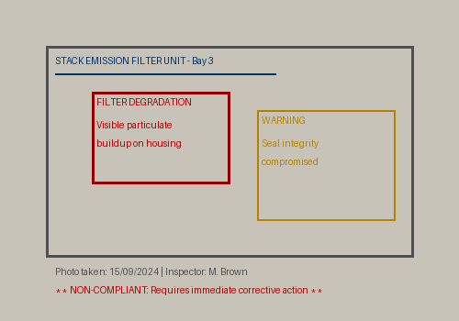
Corrective Action Tracker

CA_ID | Inspection_ID | Site | Issue | Action | Due_Date | Status | Escalated
CA-2024-001 | INS-2024-001 | Ware UK | PM2.5 exceedance | Filter replacement | 15/02/2024 | Closed | Yes
CA-2024-002 | INS-2024-003 | Montrose UK | PM2.5 exceedance | Stack recalibration | 15/04/2024 | Closed | No
CA-2024-003 | INS-2024-004 | Stevenage UK | PM2.5 exceedance | Filter replacement | 15/05/2024 | Closed | Yes
CA-2024-004 | INS-2024-005 | Ware UK | PM2.5 exceedance | Stack recalibration | 15/06/2024 | Open - OVERDUE | Yes
CA-2024-005 | INS-2024-006 | Montrose UK | PM2.5 exceedance | Filter replacement | 15/07/2024 | Closed | Yes
CA-2024-006 | INS-2024-010 | Montrose UK | PM2.5 exceedance | Stack recalibration | 15/11/2024 | Closed | Yes
CA-2024-007 | INS-2024-012 | Montrose UK | PM2.5 exceedance | Filter replacement | 15/12/2024 | Closed | Yes
CA-2024-008 | INS-2024-013 | Worthing UK | PM2.5 exceedance | Stack recalibration | 15/02/2024 | Closed | Yes
CA-2024-009 | INS-2024-014 | Barnard Castle UK | PM2.5 exceedance | Filter replacement | 15/03/2024 | Closed | Yes
CA-2024-010 | INS-2024-015 | Worthing UK | PM2.5 exceedance | Stack recalibration | 15/04/2024 | Closed | Yes
CA-2024-011 | INS-2024-017 | Barnard Castle UK | PM2.5 exceedance | Filter replacement | 15/06/2024 | Closed | Yes
CA-2024-012 | INS-2024-018 | Worthing UK | PM2.5 exceedance | Stack recalibration | 15/07/2024 | Closed | Yes
CA-2024-013 | INS-2024-019 | Ware UK | NOx exceedance | Filter replacement | 15/08/2024 | Closed | Yes
CA-2024-014 | INS-2024-020 | Barnard Castle UK | NOx exceedance | Stack recalibration | 15/09/2024 | Closed | Yes
CA-2024-015 | INS-2024-021 | Barnard Castle UK | PM2.5 exceedance | Filter replacement | 15/10/2024 | Closed | Yes
CA-2024-016 | INS-2024-023 | Barnard Castle UK | PM2.5 exceedance | Stack recalibration | 15/12/2024 | Closed | Yes
CA-2024-017 | INS-2024-024 | Worthing UK | PM2.5 exceedance | Filter replacement | 15/12/2024 | Closed | Yes
CA-2024-018 | INS-2024-025 | Montrose UK | PM2.5 exceedance | Stack recalibration | 15/02/2024 | Closed | Yes
CA-2024-019 | INS-2024-027 | Barnard Castle UK | NOx exceedance | Filter replacement | 15/04/2024 | Closed | Yes
CA-2024-020 | INS-2024-028 | Barnard Castle UK | PM2.5 exceedance | Stack recalibration | 15/05/2024 | Closed | Yes
CA-2024-021 | INS-2024-029 | Barnard Castle UK | PM2.5 exceedance | Filter replacement | 15/06/2024 | Closed | Yes
CA-2024-022 | INS-2024-030 | Barnard Castle UK | PM2.5 exceedance | Stack recalibration | 15/07/2024 | Closed | Yes
CA-2024-023 | INS-2024-031 | Montrose UK | PM2.5 exceedance | Filter replacement | 15/08/2024 | Closed | Yes
CA-2024-024 | INS-2024-033 | Barnard Castle UK | PM2.5 exceedance | Stack recalibration | 15/10/2024 | Closed | Yes
CA-2024-025 | INS-2024-034 | Worthing UK | NOx exceedance | Filter replacement | 15/11/2024 | Closed | Yes
CA-2024-026 | INS-2024-036 | Worthing UK | PM2.5 exceedance | Stack recalibration | 15/12/2024 | Closed | Yes
CA-2024-027 | INS-2024-039 | Stevenage UK | PM2.5 exceedance | Filter replacement | 15/04/2024 | Closed | Yes
CA-2024-028 | INS-2024-040 | Montrose UK | NOx exceedance | Stack recalibration | 15/05/2024 | Closed | Yes
CA-2024-029 | INS-2024-042 | Worthing UK | PM2.5 exceedance | Filter replacement | 15/07/2024 | Closed | Yes
CA-2024-030 | INS-2024-043 | Barnard Castle UK | PM2.5 exceedance | Stack recalibration | 15/08/2024 | Closed | Yes
CA-2024-031 | INS-2024-047 | Montrose UK | PM2.5 exceedance | Filter replacement | 15/12/2024 | Closed | Yes
CA-2024-032 | INS-2024-048 | Stevenage UK | PM2.5 exceedance | Stack recalibration | 15/12/2024 | Closed | Yes
CA-2024-033 | INS-2024-049 | Barnard Castle UK | PM2.5 exceedance | Filter replacement | 15/02/2024 | Closed | Yes
CA-2024-034 | INS-2024-050 | Worthing UK | NOx exceedance | Stack recalibration | 15/03/2024 | Closed | Yes
CA-2024-035 | INS-2024-052 | Barnard Castle UK | PM2.5 exceedance | Filter replacement | 15/05/2024 | Closed | Yes
CA-2024-036 | INS-2024-055 | Barnard Castle UK | NOx exceedance | Stack recalibration | 15/08/2024 | Closed | Yes
CA-2024-037 | INS-2024-058 | Stevenage UK | NOx exceedance | Filter replacement | 15/11/2024 | Closed | Yes
CA-2024-038 | INS-2024-059 | Stevenage UK | PM2.5 exceedance | Stack recalibration | 15/12/2024 | Closed | Yes
CA-2024-039 | INS-2024-060 | Barnard Castle UK | NOx exceedance | Filter replacement | 15/12/2024 | Closed | Yes

