MOVE 動態sub-missions
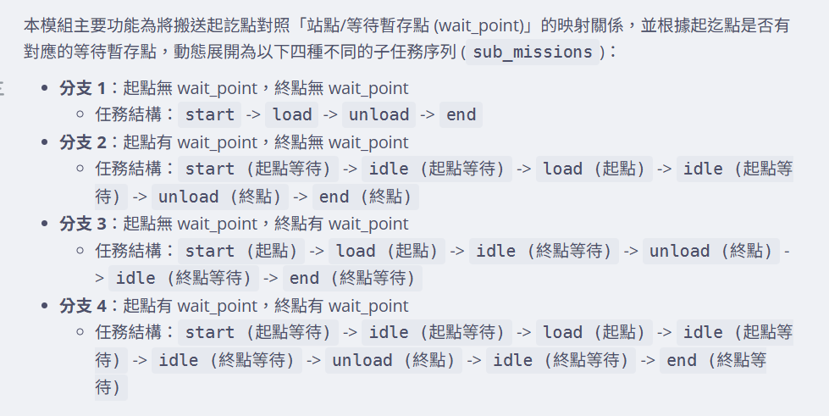
1. 有/無 Wait ponint 代表是否需 HandShaking 2. 由是否需 HS 動態設定 submissionsl

