Sheet1
Statistic Label | Killed Casualties |  | Road User Type | (Multiple Items) |  |  |  |  |  | Row Labels | Sum of VALUE | Type of Vehicle | (Multiple Items)
Road User Type | (Multiple Items) |  | Statistic Label | Killed Casualties |  |  |  |  |  | All Fatal and Injury Collisions | 218106
 |  |  |  |  |  |  |  |  |  | All Killed and Injured Casualties | 304515 | Row Labels | Sum of VALUE
Sum of VALUE | Column Labels |  | Sum of VALUE | Column Labels |  |  |  |  |  | Fatal Collisions | 7270 | 2000 | 23177
Year | Female | Male | Year | Female | Male | % of Death |  |  |  | Injured Casualties | 297244 | Kilometres Travelled(million) | 23177
2005 | 20.83% | 79.17% | 18 - 20 years | 1.58% | 8.71% | 10.30% |  |  |  | Injury Collisions | 210836 | 2001 | 24424
18 - 20 years | 14.29% | 85.71% | 21 - 24 years | 2.22% | 11.88% | 14.10% |  |  |  | Killed Casualties | 7908 | Kilometres Travelled(million) | 24424
21 - 24 years | 20.69% | 79.31% | 25 - 34 years | 4.75% | 20.12% | 24.87% |  |  |  | Grand Total | 1045879 | 2002 | 25313
25 - 34 years | 22.92% | 77.08% | 35 - 44 years | 2.59% | 13.36% | 15.95% |  |  |  |  |  | Kilometres Travelled(million) | 25313
35 - 44 years | 6.67% | 93.33% | 45 - 54 years | 3.01% | 7.18% | 10.19% |  |  |  | probabilitiy a crash is fatal = | 0.033332416348 | 2003 | 26760
45 - 54 years | 30.00% | 70.00% | 55 - 64 years | 2.32% | 5.12% | 7.44% |  |  |  |  |  | Kilometres Travelled(million) | 26760 | Private Cars and Motor-cyclists
55 - 64 years | 35.29% | 64.71% | 65 years and over | 5.44% | 11.72% | 17.16% |  |  |  |  |  | 2004 | 28551
65 years and over | 25.00% | 75.00% | % of Death | 21.91% | 78.09% | 100.00% |  |  |  |  |  | Kilometres Travelled(million) | 28551
2006 | 22.75% | 77.25% | This table shows the average per age and gender so 18-20 female chance of death is 1.58% |  |  |  |  |  |  |  |  | 2005 | 29716
18 - 20 years | 15.00% | 85.00% |  |  |  |  |  |  |  |  |  | Kilometres Travelled(million) | 29716
21 - 24 years | 11.76% | 88.24% |  |  |  |  |  |  |  |  |  | 2006 | 30787
25 - 34 years | 20.00% | 80.00% |  | base accident rate | 4 |  |  |  |  |  |  | Kilometres Travelled(million) | 30787
35 - 44 years | 22.73% | 77.27% |  | male | 3.12 | 3.5454545455 |  |  |  |  |  | 2007 | 32103
45 - 54 years | 33.33% | 66.67% |  | female | 0.88 |  |  |  |  |  |  | Kilometres Travelled(million) | 32103
55 - 64 years | 16.67% | 83.33% |  |  | 4 |  |  |  |  |  |  | 2008 | 31609
65 years and over | 48.00% | 52.00% |  |  |  |  |  |  |  |  |  | Kilometres Travelled(million) | 31609
2007 | 18.25% | 81.75% |  |  |  |  |  |  |  |  |  | 2009 | 33526
18 - 20 years | 6.67% | 93.33% |  |  |  |  |  |  |  |  |  | Kilometres Travelled(million) | 33526
21 - 24 years | 15.79% | 84.21% |  |  |  |  |  |  |  |  |  | 2010 | 31857
25 - 34 years | 14.63% | 85.37% |  |  |  |  |  |  |  |  |  | Kilometres Travelled(million) | 31857
35 - 44 years | 19.23% | 80.77% |  |  |  |  |  |  |  |  |  | 2011 | 31752
45 - 54 years | 22.22% | 77.78% |  |  |  |  |  |  |  |  |  | Kilometres Travelled(million) | 31752
55 - 64 years | 44.44% | 55.56% |  |  |  |  |  |  |  |  |  | 2012 | 31182
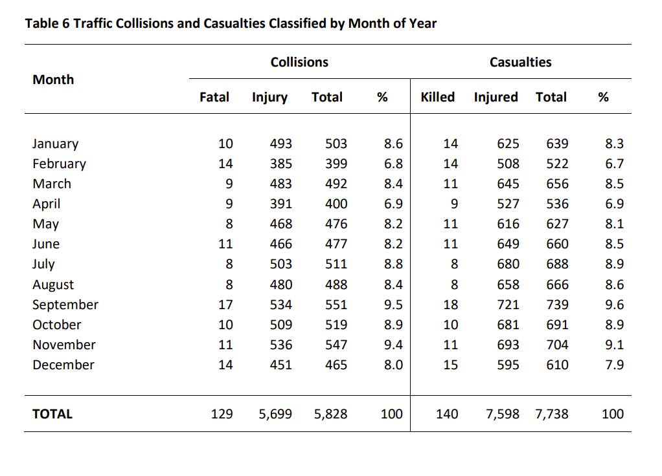
65 years and over | 22.22% | 77.78% |  |  |  |  |  |  |  |  |  | Kilometres Travelled(million) | 31182
2008 | 26.52% | 73.48% |  |  |  |  |  |  |  |  |  | 2013 | 32134
18 - 20 years | 30.00% | 70.00% |  |  |  |  |  |  |  |  |  | Kilometres Travelled(million) | 32134
21 - 24 years | 17.24% | 82.76% |  |  |  |  |  |  |  | Due to limited data, I cannot find data that only contains or allows to filter specifically for car users and motorcyclists, so this is from the road casualties report for 2019 |  | 2014 | 32748
25 - 34 years | 24.14% | 75.86% |  |  |  |  |  |  |  | The purpose of this is to get a value for traffic collisions in ireland a day and then per KM, we know there is 108 million Km travelled a day in Ireland so |  | Kilometres Travelled(million) | 32748
35 - 44 years | 13.04% | 86.96% |  |  |  |  |  |  |  | collisions / 108 million gives the chace of a collison being fatal per KM. |  | 2015 | 35122
45 - 54 years | 50.00% | 50.00% |  |  |  |  |  |  |  | 15.967123288 |  | Kilometres Travelled(million) | 35122
55 - 64 years | 75.00% | 25.00% |  |  |  |  |  |  |  | total collisions per day = 16 |  | 2016 | 36727
65 years and over | 36.84% | 63.16% |  |  |  |  |  |  |  |  |  | Kilometres Travelled(million) | 36727
2009 | 23.66% | 76.34% |  |  |  |  |  |  |  | 5828 |  | 2017 | 37289
18 - 20 years | 16.67% | 83.33% |  |  |  |  |  |  |  |  |  | Kilometres Travelled(million) | 37289
21 - 24 years | 13.64% | 86.36% |  |  |  |  |  |  |  |  |  | 2018 | 36084
25 - 34 years | 23.53% | 76.47% |  |  |  |  |  |  |  |  |  | Kilometres Travelled(million) | 36084
35 - 44 years | 8.33% | 91.67% |  |  |  |  |  |  |  | Example---->>>>> male, year 20 =0.0871, travelling distance m50 = 45.5km, we know p(crash_fatal)=0.033, 16 collisions a day, 160,000 journeys on m50 a day |  | 2019 | 35567
45 - 54 years | 80.00% | 20.00% |  |  |  |  |  |  |  |  |  | Kilometres Travelled(million) | 35567
55 - 64 years | 30.00% | 70.00% |  |  |  |  |  |  |  |  |  | 2020 | 26203
65 years and over | 30.77% | 69.23% |  |  |  |  |  |  |  | to get the chance of death per KM is (16xP(crash fatal))/108million, which is | 4.9099666104E-09 | Kilometres Travelled(million) | 26203
2010 | 21.28% | 78.72% |  |  |  |  |  |  |  |  |  | 2021 | 30327
18 - 20 years | 20.00% | 80.00% |  |  |  |  |  |  |  |  |  | Kilometres Travelled(million) | 30327
21 - 24 years | 12.50% | 87.50% |  |  |  |  |  |  |  | Taking the example above, so for the m50 the chance of death while completing the distance is = | 2.2340348078E-07 | 2022 | 35066 | Average km travelled from 2005-2023 = | 39646.157895
25 - 34 years | 16.67% | 83.33% |  |  |  |  |  |  |  |  |  | Kilometres Travelled(million) | 35066 | mesaured by (million) so its | 39646157890
35 - 44 years | 16.67% | 83.33% |  |  |  |  |  |  |  |  |  | 2023 | 35253 | KM per Year total average | 39.6 Billion km
45 - 54 years | 66.67% | 33.33% |  |  |  |  |  |  |  |  |  | Kilometres Travelled(million) | 35253 | KM Per Day (/365) | 108619610.66
55 - 64 years | 40.00% | 60.00% |  |  |  |  |  |  |  |  |  | Grand Total | 753277 | KM Per Day (/365) | 108,618,611 million KM
65 years and over | 20.00% | 80.00% |  |  |  |  |  |  |  | From other excel data,
2011 | 30.00% | 70.00% |  |  |  |  | 1 | 0.073333333333 | 9 | Day = 0.661171
18 - 20 years | 36.36% | 63.64% |  |  |  |  | 4.6384720327 | 0.34 | 1 | Night = 0.338829
21 - 24 years | 22.22% | 77.78% |  |  |  |  |  |  |  | Now that’s just average fatalities day (6am-8pm), night(9pm-5am)
25 - 34 years | 15.79% | 84.21% |  |  |  |  |  |  |  | so need to figure out how likely i.e 80% of crahses happen at night and 20% during the day
35 - 44 years | 23.53% | 76.47%
45 - 54 years | 50.00% | 50.00%
55 - 64 years | 20.00% | 80.00%
65 years and over | 53.33% | 46.67%
2012 | 38.27% | 61.73%
18 - 20 years | 25.00% | 75.00%
21 - 24 years | 23.08% | 76.92%
25 - 34 years | 38.46% | 61.54%
35 - 44 years | 33.33% | 66.67%
45 - 54 years | 55.56% | 44.44%
55 - 64 years | 25.00% | 75.00%
65 years and over | 58.33% | 41.67%
2013 | 19.05% | 80.95%
18 - 20 years | 16.67% | 83.33%
21 - 24 years | 28.57% | 71.43%
25 - 34 years | 6.45% | 93.55%
35 - 44 years | 23.08% | 76.92%
45 - 54 years | 27.27% | 72.73%
55 - 64 years | 14.29% | 85.71%
65 years and over | 26.09% | 73.91%
2014 | 23.86% | 76.14%
18 - 20 years | 0.00% | 100.00%
21 - 24 years | 20.00% | 80.00%
25 - 34 years | 10.00% | 90.00%
35 - 44 years | 20.00% | 80.00%
45 - 54 years | 50.00% | 50.00%
55 - 64 years | 40.00% | 60.00%
65 years and over | 29.41% | 70.59%
2015 | 21.43% | 78.57%
18 - 20 years | 11.11% | 88.89%
21 - 24 years | 10.00% | 90.00%
25 - 34 years | 25.00% | 75.00%
35 - 44 years | 27.27% | 72.73%
45 - 54 years | 20.00% | 80.00%
55 - 64 years | 30.77% | 69.23%
65 years and over | 18.75% | 81.25%
2016 | 18.37% | 81.63%
18 - 20 years | 0.00% | 100.00%
21 - 24 years | 0.00% | 100.00%
25 - 34 years | 30.77% | 69.23%
35 - 44 years | 20.00% | 80.00%
45 - 54 years | 8.33% | 91.67%
55 - 64 years | 44.44% | 55.56%
65 years and over | 10.00% | 90.00%
2017 | 21.62% | 78.38%
18 - 20 years | 0.00% | 100.00%
21 - 24 years | 0.00% | 100.00%
25 - 34 years | 16.67% | 83.33%
35 - 44 years | 21.43% | 78.57%
45 - 54 years | 11.11% | 88.89%
55 - 64 years | 50.00% | 50.00%
65 years and over | 46.67% | 53.33%
2018 | 13.79% | 86.21%
18 - 20 years | 0.00% | 100.00%
21 - 24 years | 0.00% | 100.00%
25 - 34 years | 10.00% | 90.00%
35 - 44 years | 14.29% | 85.71%
45 - 54 years | 7.69% | 92.31%
55 - 64 years | 28.57% | 71.43%
65 years and over | 30.00% | 70.00%
2019 | 25.93% | 74.07%
18 - 20 years | 20.00% | 80.00%
21 - 24 years | 11.11% | 88.89%
25 - 34 years | 20.00% | 80.00%
35 - 44 years | 25.00% | 75.00%
45 - 54 years | 22.22% | 77.78%
55 - 64 years | 28.57% | 71.43%
65 years and over | 39.13% | 60.87%
2020 | 15.00% | 85.00%
18 - 20 years | 0.00% | 100.00%
21 - 24 years | 0.00% | 100.00%
25 - 34 years | 13.33% | 86.67%
35 - 44 years | 0.00% | 100.00%
45 - 54 years | 23.08% | 76.92%
55 - 64 years | 0.00% | 100.00%
65 years and over | 28.57% | 71.43%
2021 | 23.53% | 76.47%
18 - 20 years | 0.00% | 100.00%
21 - 24 years | 50.00% | 50.00%
25 - 34 years | 8.33% | 91.67%
35 - 44 years | 19.05% | 80.95%
45 - 54 years | 20.00% | 80.00%
55 - 64 years | 100.00% | 0.00%
65 years and over | 31.58% | 68.42%
2022 | 12.68% | 87.32%
18 - 20 years | 16.67% | 83.33%
21 - 24 years | 20.00% | 80.00%
25 - 34 years | 7.69% | 92.31%
35 - 44 years | 9.09% | 90.91%
45 - 54 years | 12.50% | 87.50%
55 - 64 years | 18.18% | 81.82%
65 years and over | 11.76% | 88.24%
2023 | 14.47% | 85.53%
18 - 20 years | 14.29% | 85.71%
21 - 24 years | 9.09% | 90.91%
25 - 34 years | 14.29% | 85.71%
35 - 44 years | 0.00% | 100.00%
45 - 54 years | 0.00% | 100.00%
55 - 64 years | 14.29% | 85.71%
65 years and over | 42.86% | 57.14%

