Title
Financial Analysis Projcet
For my proejct, I used an example of a subsciption based coffee comapny to build a couple of financial models that derive key insights about the company using esitmated assumptions based on current market trends.
I started my project by making a 3 statment financial model based on the company's revenue, expenses, and sales numbers. With these assumptions, I was able to create an Income Statement, Balance Sheet, and Cashflow Statement while also calculating Capital Expenditures and Depreciation. The balance sheet was able to perfectly balance, as the difference between Total Assets and (Liabilities + Shareholders Equity) equaled to 0.
After finishing this model, I was able to take values from the 3 statement model such as Free Cash Flow and EBITDA along with a few more assumptions to create a Discounted Cash Flow Model. This Model was able to properly value the company based on the metrics and create a current stock price for the compay based on future predictions.
After generating a current stock price, I created the Black Scholes Option Pricing Model using the stock price as my underlying price and tested different option prices based on the different assumptions in the formula to ultimatley help a trader decide if they want to excersize call or put options.

Option Pricing Model
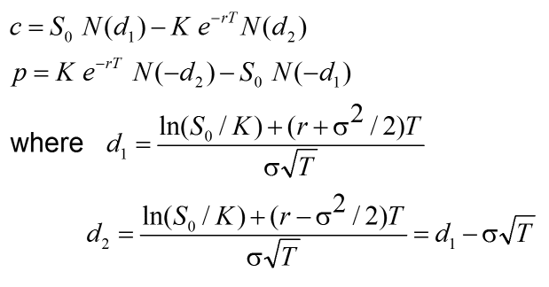
Black Scholes Model Option Pricing

Inputs |  |  | Calculations
Underlying Price | S | $29.52 | Call Option (1 Share) | c | $9.09 | 100 Shares | $909.32
Strike Price | K | $25.00 | Put Option (1 Share) | p | $3.59 | 100 Shares | $359.07
Time to Expiration | t | 2
Risk Free Rate | r | 0.02 |  | d1 | 0.6475
Volatility | σ | 0.4 |  | d2 | 0.0818

