EMI
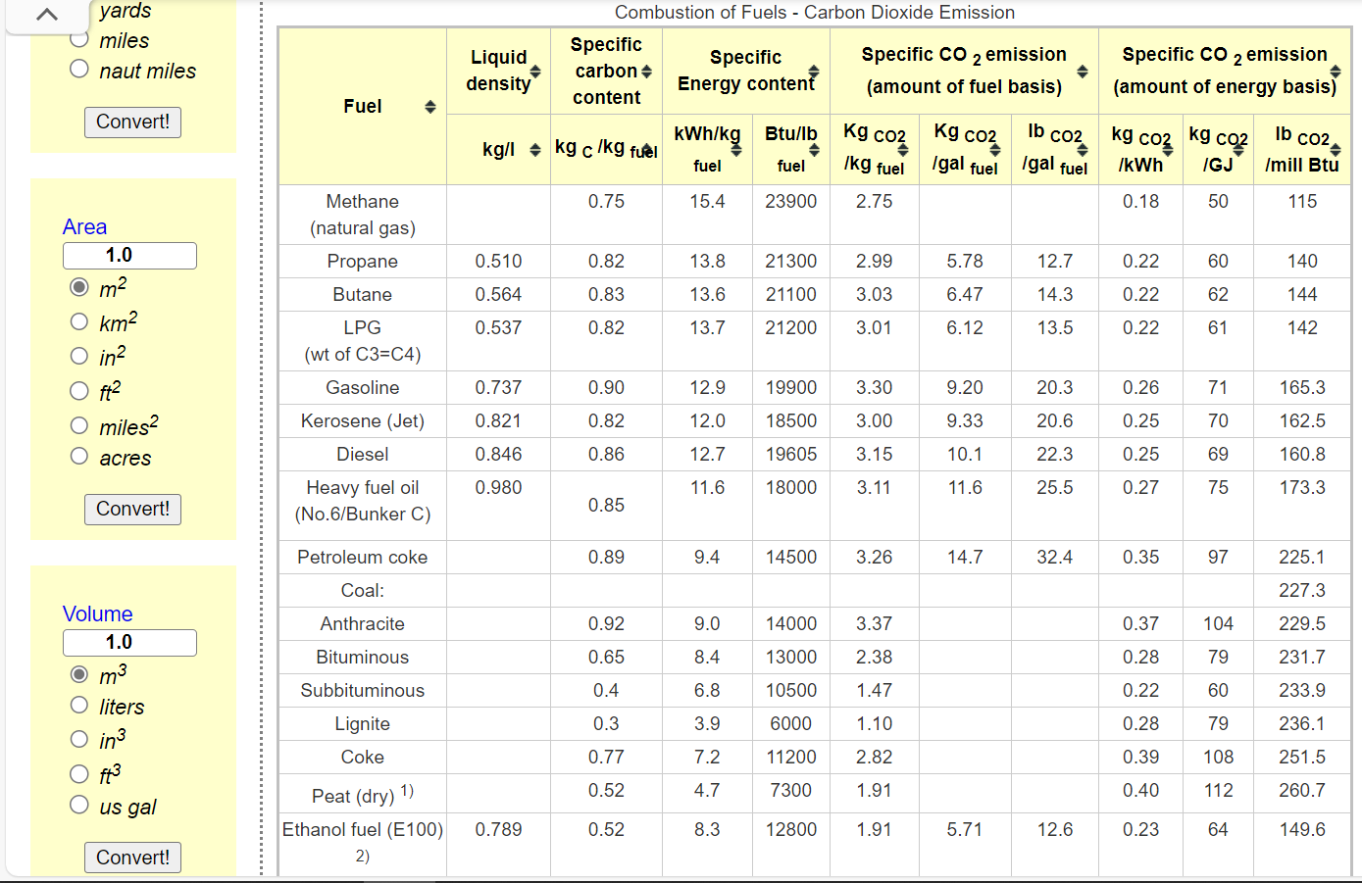
Dynamic coefficients for combustion emissions in commercial
~COMEMI
CommName | COMCOA | COMHFO | COMLFO | COMGAS | COMSTM
COMCO2N | 59.65 | 75 | 67.2 | 49.04 | 49.04

