Electric_vehecle
*We don’t have the Electric vehecle stock/sale number in NRCan, so referring from CER sale trends to roughly estimate it |  |  |  |  |  |  |  |  |  |  | *Assuming there is only EV-Car and EV-truck without EV bus, because the website explains the large vehicle as follows: Passenger car Vehicle designed or adapted primarily to carry people on highways and streets. It seats a driver and no more than eight passengers. Large vehiclesThe large vehicles category includes multi-purpose vehicles (SUVs), pickup trucks, and vans. This category also applies to large electric vehicles. so the passenger car only refers to EV-Cars while large vehicle refers to EV-trucks
*EFF | Because we already have the efficiency for conventional vehicles we want to keep the data source consisten, so we cross-referred the Transportation | US-REGEN Documentation (epri.com) to get the times of electric vehicle to conventional cars to calculate the efficiency (for car, it's around 3 times-referring to chart 2)
*Share of electricity, available distance per year for PHEV: | https://iea.blob.core.windows.net/assets/a9e3544b-0b12-4e15-b407-65f5c8ce1b5f/GlobalEVOutlook2024.pdf |  |  |  |  |  |  |  |  |  | *Assuming that the total BEV-battery EV stock in 2020 is 5-times of the sale number, according to the sale-trends (since we have no clue of the number before 2017, so adopting this rough estimate method), from https://www.cer-rec.gc.ca/en/data-analysis/energy-markets/market-snapshots/2022/market-snapshot-record-high-electric-vehicle-sales-canada.html#:~:text=Electric%20vehicle%20%28EV%29%20sales%20are%20increasing%20in%20Canada,5.3%25%20of%20total%20vehicle%20registrations%20for%20that%20year.
*Share of electricity for HEV: | Hybrid-electric passenger car energy utilization and emissions: Relationships for real-world driving conditions that account for road grade - ScienceDirect |  |  |  |  |  |  |  |  |  | *Assuming that the total PHEV-PlugInHybridEV and HEV-HybridEV stock in 2020 is 5-times of the sale number, according to the sale-trends, from https://www.cer-rec.gc.ca/en/data-analysis/energy-markets/market-snapshots/2022/market-snapshot-record-high-electric-vehicle-sales-canada.html#:~:text=Electric%20vehicle%20%28EV%29%20sales%20are%20increasing%20in%20Canada,5.3%25%20of%20total%20vehicle%20registrations%20for%20that%20year.
 |  |  |  |  |  |  |  |  |  |  | *Note that the number for rest of canada will be evenly distributed to those provinced without indicated number
 |  |  |  | ~FI_T: Stock |  |  |  |  |  |  |  |  | 2017 |  |  |  |  |  |  |  |  | 2020 sales |  |  |  |  |  |  |  |  |  | 2020 STOCK
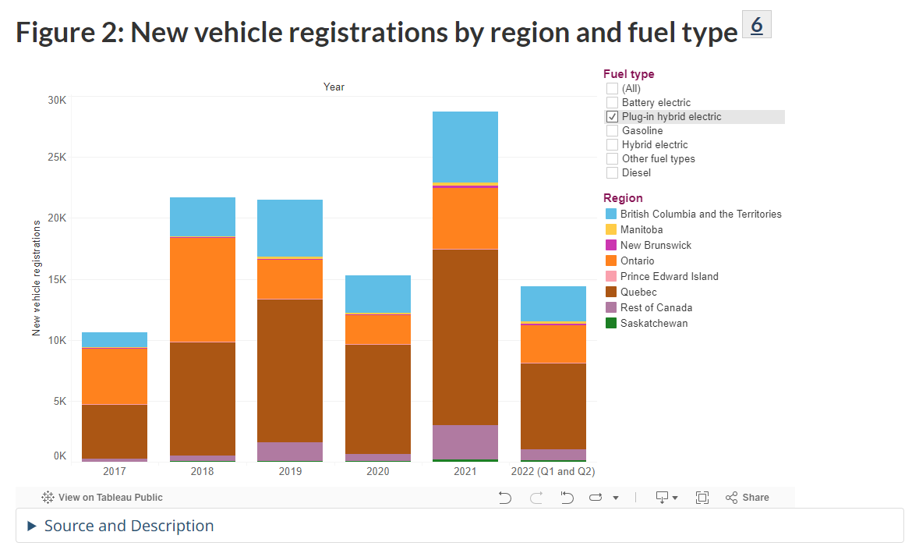
 |  | TechName | AT | QU | ON | MA | SA | AL | BC |  |  | AT | QU | ON | MA | SA | AL | BC |  |  | AT | QU | ON | MA | SA | AL | BC |  |  |  | AT | QU | ON | MA | SA | AL | BC
 |  | TRA_Car_BEV00 | 1.296845 | 52.9503675 | 25.310195 | 0.6546275 | 1.296845 | 1.296845 | 37.4999175 |  | BEV | 6 | 3347 | 3563 | 21 | 108 | 108 | 1913 |  | BEV | 418 | 17067 | 8158 | 211 | 418 | 418 | 12087 |  |  | BEV | 2090 | 85335 | 40790 | 1055 | 2090 | 2090 | 60435
 |  | TRA_Car_PHEV00 | 0.0651525 | 28.0310875 | 7.3125925 | 0.31025 | 0.83147 | 0.83147 | 9.69221 |  | PHEV | 20 | 4448 | 4617 | 83 | 83 | 83 | 1229 |  | PHEV | 21 | 9035 | 2357 | 100 | 268 | 268 | 3124 |  |  | PHEV | 105 | 45175 | 11785 | 500 | 1340 | 1340 | 15620
 |  | * |  |  |  |  |  |  |  |  |  |  |  |  |  |  |  |  |  | HEV | 773 | 8526 | 16807 | 883 | 603 | 5146 | 8715 |  |  | HEV | 3865 | 42630 | 84035 | 4415 | 3015 | 25730 | 43575
 |  | TRA_Car_HEV00 | 2.3982325 | 26.451915 | 52.1437175 | 2.7395075 | 1.8708075 | 15.965465 | 27.0382875
 |  | *
 |  | TRA_Tru_FLT_BEV00 | 0.793155 | 32.3846325 | 15.479805 | 0.4003725 | 0.793155 | 0.793155 | 22.9350825
 |  | TRA_Tru_FLT_PHEV00 | 0.0398475 | 17.1439125 | 4.4724075 | 0.18975 | 0.50853 | 0.50853 | 5.92779 |  | *we conbine the demand for EV with conventiona vehicle
 |  | *
 |  | TRA_Tru_FLT_HEV00 | 1.4667675 | 16.178085 | 31.8912825 | 1.6754925 | 1.1441925 | 9.764535 | 16.5367125

 |  | ~FI_Process |  |  |  |  |  |  |  |  |  |  | FI_T: Demand
 |  | Sets | TechName | TechDesc | Tact | Tcap | Tslvl | PrimaryCG |  |  |  |  | CommName | AT | QU | ON | MA | SA | AL | BC
 |  | DMD | TRA_Car_BEV00 |  | BVkm | 000Veh |  | DEMO |  | DAYNITE |  |  | TRA_Car_BEV | 0.027320201333 | 1.115487742 | 0.53320144133 | 0.013790819333 | 0.027320201333 | 0.027320201333 | 0.789998262
 |  |  | TRA_Car_PHEV00 |  | BVkm | 000Veh |  | DEMO |  | DAYNITE |  |  | TRA_Car_PHEV | 0.001372546 | 0.59052157667 | 0.15405194867 | 0.0065359333333 | 0.017516301333 | 0.017516301333 | 0.20418255733
 |  |  | * |  |  |  |  | DEMO |  |  |  |  | *
 |  |  | TRA_Car_HEV00 |  | BVkm | 000Veh |  | DEMO |  | DAYNITE |  |  | TRA_Car_HEV | 0.050522764667 | 0.557253676 | 1.0984943153 | 0.057712291333 | 0.039411678 | 0.33633912933 | 0.56960659
 |  |  | * |  |  |  |  | DEMO |  |  |  |  | *
 |  |  | TRA_Tru_FLT_BEV00 |  | BVkm | 000Veh |  | DEMO |  | DAYNITE |  |  | TRA_Tru_BEV | 0.020199014 | 0.824728641 | 0.394219034 | 0.010196153 | 0.020199014 | 0.020199014 | 0.584080101
 |  |  | TRA_Tru_FLT_PHEV00 |  | BVkm | 000Veh |  | DEMO |  | DAYNITE |  |  | TRA_Tru_PHEV | 0.001014783 | 0.436598305 | 0.113897311 | 0.0048323 | 0.012950564 | 0.012950564 | 0.150961052
 |  |  | * |  |  |  |  | DEMO |  |  |  |  | *
 |  |  | TRA_Tru_FLT_HEV00 |  | BVkm | 000Veh |  | DEMO |  | DAYNITE |  |  | TRA_Tru_HEV | 0.037353679 | 0.412001898 | 0.812164661 | 0.042669209 | 0.029138769 | 0.248670158 | 0.421134945

 |  | ~FI_Comm
 |  | Csets | CommName | CommDesc | Unit | LimType | CTSLvl | PeakTS | Ctype |  |  | 2017 | 2018 | 2019 | 2020 | 2021 |  | propotion
 |  | NRG | TRAELC |  |  |  | DAYNITE |  |  |  | Passenger car | 15382 | 33713 | 41522 | 34045 | 36241 |  | 0.62046613143
 |  |  |  |  |  |  |  |  |  |  | Large vehicle | 4314 | 9367 | 14643 | 20308 | 49791 |  | 0.37953386857

 |  | ~FI_T: AFA
 |  | TechName | AT | QU | ON | MA | SA | AL | BC
 |  | TRA_Car_BEV00 | 13 | 13 | 13 | 13 | 13 | 13 | 13
 |  | TRA_Car_PHEV00 | 13 | 13 | 13 | 13 | 13 | 13 | 13
 |  | *
 |  | TRA_Car_HEV00 | 13 | 13 | 13 | 13 | 13 | 13 | 13
 |  | *
 |  | TRA_Tru_FLT_BEV00 | 13 | 13 | 13 | 13 | 13 | 13 | 13
 |  | TRA_Tru_FLT_PHEV00 | 13 | 13 | 13 | 13 | 13 | 13 | 13
 |  | *
 |  | TRA_Tru_FLT_HEV00 | 13 | 13 | 13 | 13 | 13 | 13 | 13

 |  | ~FI_T: EFF |  |  |  |  |  |  |  |  | NOUSE ANYMORE
 |  | TechName | AT | QU | ON | MA | SA | AL | BC |  | *EV-car energy intensity (bpkm/PJ) is 5.6 times of conventional car, given that: (1) 25-30kwh/100 miles for tesla, it could be converted to 30/277777777.77778 PJ per 100miles, so it is 1.08*10^-7 PJ per 100 mile, from https://teslatale.com/watts-does-tesla-use/#:~:text=The%20power%20consumption%20of%20a%20Tesla%20varies%20depending,is%20equivalent%20to%2025-30%20kWh%20per%20100%20miles. (2) 5 gallon gasoline/100 miles for economy car, so it should be 5/8244023 PJ/100mile for .., so it's 6.065*10^-7 PJ/100 mile. Similar adopted for EV-Truck, compared with conventional truck |  |  |  |  | TechName | AT | QU | ON | MA | SA | AL | BC |  |  | Directly from US-REGEN file
 |  | TRA_Car_BEV00 | 1.08 | 1.08 | 1.08 | 1.08 | 1.08 | 1.08 | 1.08 |  |  |  |  |  |  | TRA_Car_BEV00 |  |  |  |  |  |  |  |  |  | 0.001407 | 0.001407 | 0.001407 | 0.001407 | 0.001407 | 0.001407 | 0.001407
 |  | TRA_Car_PHEV00 | 0.756 | 0.756 | 0.756 | 0.756 | 0.756 | 0.756 | 0.756 |  | *energy intensity comparison: PJ/100 mile, so the EFF for EV is 5.6 times bigger than GSL economy car, and we assumes PHEV same, while that for HEV is 5.6+1/2=3.3 times following the assume that HEV consumes half gasoline |  |  |  |  | TRA_Car_PHEV00 |  |  |  |  |  |  |  |  |  | 0.001407 | 0.001407 | 0.001407 | 0.001407 | 0.001407 | 0.001407 | 0.001407
 |  | * |  |  |  |  |  |  |  |  | EV Tesla |  | GASOLINE economic passenger car |  |  | *
 |  | TRA_Car_HEV00 | 0.702 | 0.702 | 0.702 | 0.702 | 0.702 | 0.702 | 0.702 |  | 0.000000108 |  | 6.0650000613E-07 |  |  | TRA_Car_HEV00 |  |  |  |  |  |  |  |  |  | 0.001407 | 0.001407 | 0.001407 | 0.001407 | 0.001407 | 0.001407 | 0.001407
 |  | * |  |  |  |  |  |  |  |  |  |  |  |  |  | *
 |  | TRA_Tru_FLT_BEV00 | 0.77 | 0.77195451547 | 0.77195451547 | 0.77195451547 | 0.77195451547 | 0.77195451547 | 0.77195451547 |  | 5.6157407407 |  |  |  |  | TRA_Tru_BEV00 |  |  |  |  |  |  |  |  |  | 0.00055342 | 0.00055342 | 0.00055342 | 0.00055342 | 0.00055342 | 0.00055342 | 0.00055342
 |  | TRA_Tru_FLT_PHEV00 | 0.54036816083 | 0.54036816083 | 0.54036816083 | 0.54036816083 | 0.54036816083 | 0.54036816083 | 0.54036816083 |  |  |  |  |  |  | TRA_Tru_PHEV00 |  |  |  |  |  |  |  |  |  | 0.00055342 | 0.00055342 | 0.00055342 | 0.00055342 | 0.00055342 | 0.00055342 | 0.00055342
 |  | * |  |  |  |  |  |  |  |  |  |  |  |  |  | *
 |  | TRA_Tru_FLT_HEV00 | 0.50177043506 | 0.50177043506 | 0.50177043506 | 0.50177043506 | 0.50177043506 | 0.50177043506 | 0.50177043506 |  |  |  |  |  |  | TRA_Tru_HEV00 |  |  |  |  |  |  |  |  |  | 0.00055342 | 0.00055342 | 0.00055342 | 0.00055342 | 0.00055342 | 0.00055342 | 0.00055342

 |  | ~FI_T: SHARE-I~UP
TechName | Comm-IN | Comm-OUT | AT | QU | ON | MA | SA | AL | BC
TRA_Car_BEV00 | TRAELC | TRA_Car
TRA_Car_PHEV00 | TRAELC | TRA_Car | 40% | 40% | 40% | 40% | 40% | 40% | 40%
 | TRAGSL |  | 60% | 60% | 60% | 60% | 60% | 60% | 60%
TRA_Car_HEV00 | TRAELC | TRA_Car | 30% | 30% | 30% | 30% | 30% | 30% | 30%
 | TRAGSL |  | 70% | 70% | 70% | 70% | 70% | 70% | 70%
TRA_Tru_FLT_BEV00 | TRAELC | TRA_Tru
TRA_Tru_FLT_PHEV00 | TRAELC | TRA_Tru | 40% | 40% | 40% | 40% | 40% | 40% | 40%
* | TRAGSL |  | 60% | 60% | 60% | 60% | 60% | 60% | 60%
TRA_Tru_FLT_HEV00 | TRAELC | TRA_Tru | 30% | 30% | 30% | 30% | 30% | 30% | 30%
 | TRAGSL |  | 70% | 70% | 70% | 70% | 70% | 70% | 70%

Navigation_EFF_DEM
*Navigation energy source in the future: https://www.iea.org/reports/aviation-and-shipping
Source: natural resources canada
1 | PJ to PJ | NL | PEI | NS | NB | QU | ON | MA | SA | AL | BCnTE
Level_0 | Level_1
Energy consumption (PJ) | Total | 3.00 | 2.00 | 4.30 | 2.20 | 17.50 | 17.00 | 0.00 | 0.00 | 0.00 | 27.90
 | Diesel fuel oil | 2.50 | 2.00 | 4.30 | 2.20 | 7.90 | 0.70 | 0.00 | 0.00 | 0.00 | 19.10
 | Heavy fuel oil | 0.40 | 0.00 | 0.00 | 0.00 | 9.70 | 16.30 | 0.00 | 0.00 | 0.00 | 8.80

~FI_Comm
Csets | CommName | CommDesc | Unit | LimType | CTSLvl | PeakTS | Ctype
DEM | TNav | Inland and coastal navigation | btkm
NRG | TRAHFO | Heavy fuel oil | PJ
NRG | TRAWOOD |  | PJ

~FI_Process
Sets | TechName | TechDesc | Tact | Tcap | Tslvl | PrimaryCG | Vintage
DMD | TRA_Nav | Inland and coastal navigation | btkm | btkm-yr |  |  | NO

Btkm/PJ |  | ~FI_T: EFF
TechName | Comm-IN | Comm-OUT | AT | QU | ON | MA | SA | AL | BC
TRA_Nav | TRADST | TNav | 3.03 | 3.03 | 3.03 | 3.03 | 3.03 | 3.03 | 3.03
 | TRAHFO
 | TRASYNH2CT
 | TRAWOOD
 | SYNH2CT_NH2

*Unit: btkm
~FI_T: Demand
CommName | AT | QU | ON | MA | SA | AL | BC
TNav | 34.85 | 53.03 | 51.52 | 0.00 | 0.00 | 0.00 | 84.55

*PJ/btkm |  | ~FI_T: Share-I~UP |  |  |  |  |  |  |  |  |  | *PJ/btkm |  | ~FI_T: Share-I~UP~2050 |  |  |  |  |  |  |  |  | 2022 | 2030 | 2035 | 2050
TechName | Comm-IN | Comm-OUT | AT | QU | ON | MA | SA | AL | BC |  |  | TechName | Comm-IN | Comm-OUT | AT | QU | ON | MA | SA | AL | BC | Biofuels | 0% | 8% | 13% | 19%
TRA_Nav | TRADST | TNav | 95.65% | 45.14% | 4.12% | 100.00% | 100.00% | 100.00% | 68.46% |  |  | TRA_Nav | TRADST | TNav | 15.00% | 15.00% | 15.00% | 15.00% | 15.00% | 15.00% | 15.00% | Hydrogen | 0% | 4% | 7% | 19%
 | TRAHFO |  | 4.35% | 54.86% | 95.88% | 0.00% | 0.00% | 0.00% | 31.54% |  |  |  | TRAHFO |  | 0 | 0 | 0 | 0 | 0 | 0 | 0 | Ammonia | 0% | 6% | 15% | 44%
 | TRASYNH2CT |  | 0% | 0% | 0% | 0% | 0% | 0% | 0% |  |  |  | TRASYNH2CT |  | 19.00% | 19.00% | 19.00% | 19.00% | 19.00% | 19.00% | 19.00% | Methanol | 0% | 1% | 1% | 3%
 | TRAWOOD |  | 0% | 0% | 0% | 0% | 0% | 0% | 0% |  |  |  | TRAWOOD |  | 22% | 22.00% | 22.00% | 22.00% | 22.00% | 22.00% | 22.00%
 | SYNH2CT_NH2 |  | 0 | 0 | 0 | 0 | 0 | 0 | 0 |  |  |  | SYNH2CT_NH2 |  | 44.00% | 44.00% | 44.00% | 44.00% | 44.00% | 44.00% | 44.00%

*btkm/mtkm |  | /FI_T: CAP2ACT
TechName | Comm-IN | Comm-OUT | AT | QU | ON | MA | SA | AL | BC
TRA_Nav | TRADST | TNav | 0.001 | 0.001 | 0.001 | 0.001 | 0.001 | 0.001 | 0.001
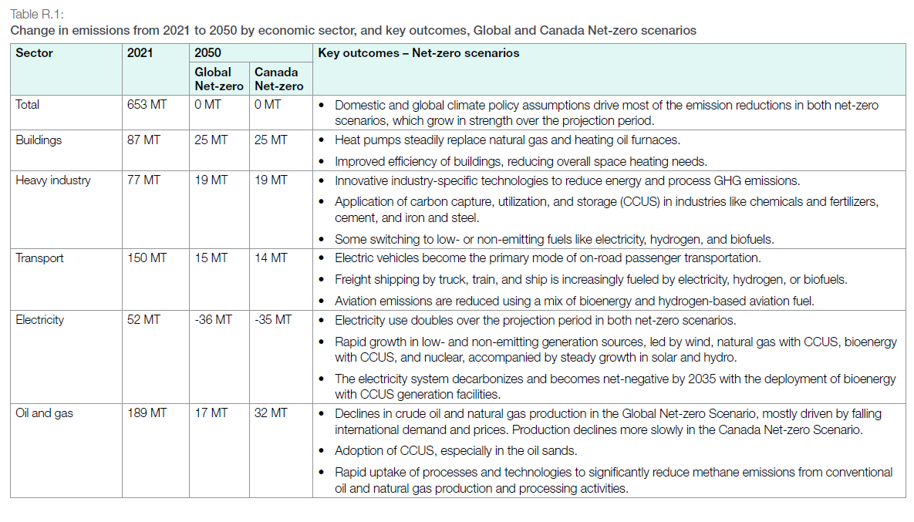
 | TRAHFO

*'Passenger or ton/ship |  | /FI_T: ACTFLO~DEMO
TechName | Comm-IN | Comm-OUT | AT | QU | ON | MA | SA | AL | BC
TRA_Nav | TRADST | TNav | 1000.00 | 1000.00 | 1000.00 | 1000.00 | 1000.00 | 1000.00 | 1000.00 |  | *assuming one cargo ship carry 1000 ton staff
 | TRAHFO

*'1000 km |  | /FI_T: AFA
TechName | Comm-IN | Comm-OUT | AT | QU | ON | MA | SA | AL | BC
TRA_Nav | TRADST | TNav | 144.00 | 144.00 | 144.00 | 144.00 | 144.00 | 144.00 | 144.00 |  | *assuming one cargo ship travel 200 days every year, with a speed of 30 mile per hour
 | TRAHFO

*Units |  | /FI_T: STOCK
TechName | Comm-IN | Comm-OUT | AT | QU | ON | MA | SA | AL | BC
TRA_Nav | TRADST | TNav | 242.003367 | 368.265993 | 357.744108 | 0.000000 | 0.000000 | 0.000000 | 587.121212
 | TRAHFO

 |  | /FI_T: LIFE
TechName | Comm-IN | Comm-OUT | AT | QU | ON | MA | SA | AL | BC
TRA_Nav | TRADST | TNav | 30.00 | 30.00 | 30.00 | 30.00 | 30.00 | 30.00 | 30.00
 | TRAHFO

*CAD$/ ship cargo/ yr |  | /FI_T: FIXOM
TechName | Comm-IN | Comm-OUT | AT | QU | ON | MA | SA | AL | BC |  | *assuming same operating and management expense for cargo and plane, 9.11MCAD/cargo/year
TRA_Nav | TRADST | TNav | 9.11 | 9.11 | 9.11 | 9.11 | 9.11 | 9.11 | 9.11
 | TRAHFO

Attribute | CommName | Timeslices | 2020 | Csets
* | Demand Commodity Name
*Units
COM_FR | TNav | RD | 0.094178082192 | DEM
COM_FR | TNav | RN | 0.10273972603 | DEM
COM_FR | TNav | RP | 0.0085616438356 | DEM
COM_FR | TNav | SD | 0.12682648402 | DEM
COM_FR | TNav | SN | 0.13835616438 | DEM
COM_FR | TNav | SP | 0.011529680365 | DEM
COM_FR | TNav | FD | 0.099200913242 | DEM
COM_FR | TNav | FN | 0.10821917808 | DEM
COM_FR | TNav | FP | 0.0090182648402 | DEM
COM_FR | TNav | WD | 0.13812785388 | DEM
COM_FR | TNav | WN | 0.15068493151 | DEM
COM_FR | TNav | WP | 0.012557077626 | DEM

Emi
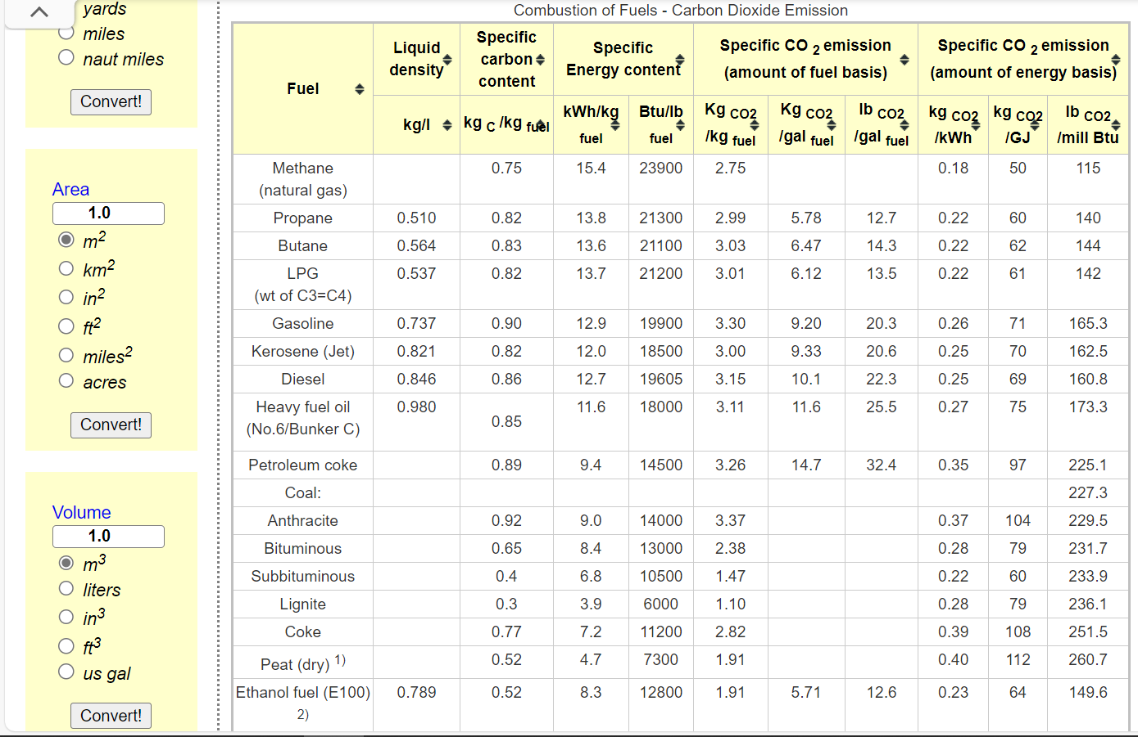
*For tra sector, we calculate the combustion factor by referring to the energy use and carbon emission data from Natural Resources Canada (average of those sub-sector cases), and the lacking data (ethanol fuel) referred to https://www.engineeringtoolbox.com/co2-emission-fuels-d_1085.html

 | Dynamic coefficients for combustion emissions in transport
 | ~COMEMI
 | CommName | TRALPG | TRAJTK | TRADST | TRAHFO | TRAGAS | TRAGSL | TRATURBOFUEL | TRAWOOD
 | TRACO2N | 70.480769231 | 70 | 88.326093913 | 75 | 50 | 67.38714816 | 70 | 64

