EMI
*We don't know why EU-TIMES has not considered the carbon emissions from it
 |  |  |  |  | 1.1988E-07

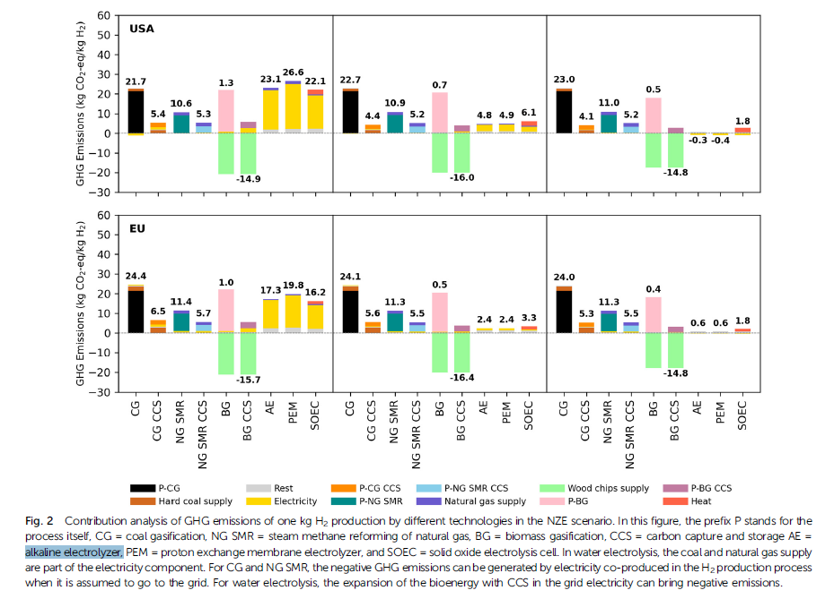
 |  |  | *the unit should be kt/PJ | *A kilogramme of hydrogen - the unit most often used – has an energy value of about 33.3 kWh~~1.1988E-07PJ, so 1kt h2 should be 0.11988 PJ, referring to Lower Heating Value (LHV) and https://www.carboncommentary.com/blog/2021/6/11/some-rules-of-thumb-of-the-hydrogen-economy#:~:text=1%2C%20A%20kilogramme%20of%20hydrogen%20-%20the%20unit,a%20million%20tonnes%20about%2033%20terawatt%20hours%20%28TWh%29. | *The GHG emissions with a unit of kt co2/kt h2 refers to the USA result of the paper "Future environmental impacts of global hydrogen production" | *so the SMR should be 10.6/0.11988=88.42176kt co2/PJ, yea but we need to differ the emissions between different hydrogen production techs rather than adopt an average value?? That should be revised
 | ~COMEMI
CommName | SYNH2CU | SYNH2DT | SYNH2CT
HYDROGENCO2N | 88.42 | 88.42 | 88.42

