EMI
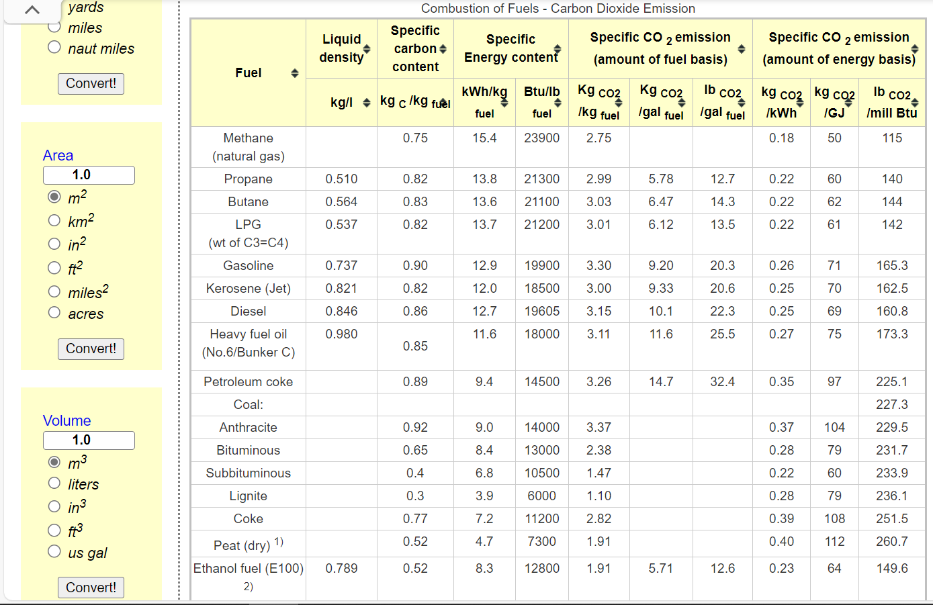
Dynamic coefficients for combustion emissions in commercial
~COMEMI
CommName | COMCOA | COMHFO | COMLFO | COMGAS | COMSTM
COMCO2N | 59.65 | 75 | 67.2 | 49.04 | 58.63 | *We calculate the combustion factor by referring to the energy use and carbon emission data from Natural Resources Canada (average of those sub-sector cases), and the lacking data (HFO, KER) referred to https://www.engineeringtoolbox.com/co2-emission-fuels-d_1085.html

