EMI
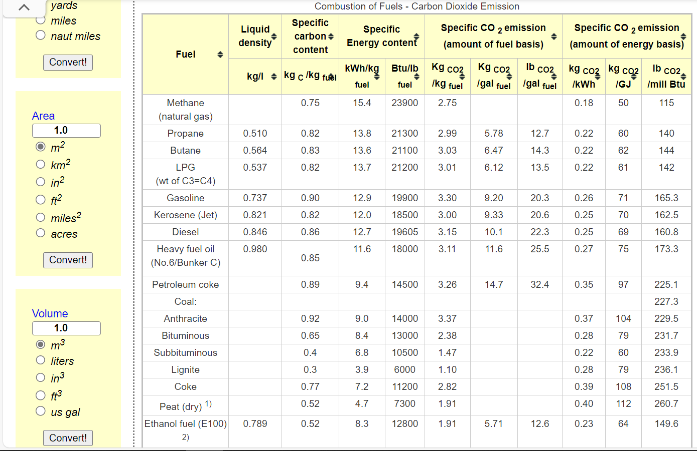
Dynamic coefficients for combustion emissions in industry
~COMEMI
CommName | INDCOA | INDSGPC | INDCOKE | INDLPG | INDDSTLFO | INDHFO | INDGAS | INDSTM | INDWOOD
INDCO2N | 113.66120219 | 50 | 117.73572266 | 69.230769231 | 85.321347384 | 122.02380952 | 51.350042967 | 51.4 | 112.0

 |  |  |  |  |  | *We calculate the combustion factor by referring to the energy use and carbon emission data from Natural Resources Canada (average of those sub-sector cases), and the lacking data (HFO, KER) referred to https://www.engineeringtoolbox.com/co2-emission-fuels-d_1085.html

