RSD
*All EFF (because residential sector has been identified with energy loss or efficiency directly, but commercial sector without, inNRCan), AFA (the stock-house number has been identified in residential sector, but commercial sector is calculted by energy balance rather than direct energy source from NRCan) |  |  |  |  |  |  |  |  |  |  |  |  |  |  |  |  |  |  |  |  |  |  |  |  |  | 2020 data for house vintage | Residential Sector Canada Table 21: Housing Stock by Building Type and Vintage | Natural Resources Canada (nrcan.gc.ca)
*INVCOST for gas, electricity, heat-pumm supported space heating or cooling refers to Canadian context data: https://climateinstitute.ca/wp-content/uploads/2023/09/Heat-Pumps-Pay-Off-Unlocking-lower-cost-heating-and-cooling-in-Canada-Canadian-Climate-Institute.pdf, and weighted average value is derived based on the NRCan dataset |  |  |  |  |  |  |  | *AFA is the average of all regions |  |  |  |  |  |  | *Although (1)NRCan doesn't indicate that Heat pump could be used for space cooling or water heating, and also (2)the efficiency (I think it is the COP-a ratio used to measure the amount of useful energy (i.e. heating or cooling output) delivered relative to the energy input) is only 1.9 which is lower than the WEO's data (more than 3, https://iea.blob.core.windows.net/assets/4713780d-c0ae-4686-8c9b-29e782452695/TheFutureofHeatPumps.pdf). But we addressed these two points (improving the COP to 3 and assuming it can be used for water heating and space cooling) |  |  |  |  |  |  |  |  |  |  | Before-1946 (similar to 1940) | 1940-1980 | 1980-now
*Other data sourced from EIA report: Updated Buildings Sector Appliance and Equipment Costs and Efficiencies [Note that the LEFETIME also refers to EIA report, if there is no data support referring to electricity-fired facility which is generally used, and if multiple energy source tech, it is set as the average of those types] |  |  |  |  |  |  |  |  |  |  |  |  |  |  |  |  |  |  |  |  |  |  |  |  |  | 9.60% | 32.60% | 0.578
 |  |  |  | ~FI_T |  |  |  |  |  |  |  |  |  |  |  |  |  | ~FI_Process |  |  |  |  |  |  |  | 0.096 | 0.326 | 0.578
 | TechName | Comm-IN | Comm-IN-A | Comm-OUT | START | EFF | * | AFA | INVCOST | FIXOM | INVCOST~2030 | FIXOM~2030 | INVCOST~2050 | FIXOM~2050 | LIFE | CAP2ACT | Share-I~UP | Sets | TechName | TechDesc | Tact | Tcap | Tslvl | PrimaryCG |  | 0.096 | 0.326 | 0.578
 | R_ES-SH-SD_OIL_NE1 | RSDOIL |  | R_ES-SD-SpHeat | 2021 | 0.6 |  |  | 211.86895238 | 2.5996190476 | 211.86895238 | 2.5996190476 | 211.86895238 | 2.5996190476 | 27 | 31.540 | 1 | DMD | R_ES-SH-SD_OIL_NE1 |  | PJ | GW | DAYNITE |  |  | 0.096 | 0.326 | 0.578
 | R_ES-SH-SD_OIL_ME1 | RSDOIL |  | R_ES-SD-SpHeat | 2021 | 0.78 |  |  | 211.86895238 | 2.5996190476 | 211.86895238 | 2.5996190476 | 211.86895238 | 2.5996190476 | 27 | 31.540 | 1 |  | R_ES-SH-SD_OIL_ME1 |  | PJ | GW | DAYNITE |  |  | 0.096 | 0.326 | 0.578
 | R_ES-SH-SD_OIL_HE1 | RSDOIL |  | R_ES-SD-SpHeat | 2021 | 0.85 |  |  | 211.86895238 | 2.5996190476 | 211.86895238 | 2.5996190476 | 211.86895238 | 2.5996190476 | 27 | 31.540 | 1 |  | R_ES-SH-SD_OIL_HE1 |  | PJ | GW | DAYNITE |  |  | 0.096 | 0.326 | 0.578
 | R_ES-SH-SD_GAS_NE1 | RSDGAS |  | R_ES-SD-SpHeat | 2021 | 0.62 |  |  | 573.73785 | 6 | 573.73785 | 6 | 573.73785 | 6 | 22 | 31.540 | 1 |  | R_ES-SH-SD_GAS_NE1 |  | PJ | GW | DAYNITE
 | R_ES-SH-SD_GAS_ME1 | RSDGAS |  | R_ES-SD-SpHeat | 2021 | 0.8 |  |  | 573.73785 | 6 | 573.73785 | 6 | 573.73785 | 6 | 22 | 31.540 | 1 |  | R_ES-SH-SD_GAS_ME1 |  | PJ | GW | DAYNITE
...
 |  |  |  |  |  |  |  |  |  |  |  |  |  |  |  |  |  |  |  |  |  |  |  |  |  | Capital costs for different house vintages | Heat pumps pay off (climateinstitute.ca)
 |  |  |  |  |  |  |  |  |  |  |  |  |  |  |  |  |  |  |  |  |  |  |  |  |  | Single detached - 1,770 sq ft | 1940 Min ($) | 1940 Max ($) | 1980 Min ($) | 1980 Max ($) | 2023 Min ($) | 2023 Max ($) | weight average (by the proportion of different house vintage) of capital cost ($/house) | weight average (by the proportion of different house vintage) of capital cost (CAD$/kw, we assume each SD type has 10kw of facility as shown in base-year file)
 |  |  |  |  |  |  |  |  |  |  |  |  |  |  |  |  |  |  |  |  |  |  |  |  | 0.6 | Gas-fired furnace | 4,500 | 6,030 | 4,080 | 4,850 | 3,750 | 4,170 | 4249.91 | 573.73785
 |  |  |  |  |  |  |  |  |  |  |  |  |  |  |  |  |  |  |  |  |  |  |  |  | 0.78 | Central ducted air-conditioner | 4,990 | 4,990 | 4,990 | 4,990 | 4,760 | 4,760 | 4857.06 | 655.7031
 |  |  |  |  |  |  |  |  |  |  |  |  |  |  |  |  |  |  |  |  |  |  |  |  | 0.85 | Standard central ducted air-source heat pump (sized at -5°C) | 7,570 | 8,180 | 6,200 | 6,200 | 5,760 | 5,760 | 6106.48 | 824.3748
 |  |  |  |  |  |  |  |  |  |  |  |  |  |  |  |  |  |  |  |  |  |  |  |  | 0.62 | Cold climate central ducted air-source heat pump (sized at -8.3°C) | 14,840 | 19,880 | 12,870 | 13,260 | 11,890 | 11,890 | 12798.17 | 1727.75295
 |  |  |  |  |  |  |  |  |  |  |  |  |  |  |  |  |  |  |  |  |  |  |  |  | 0.8 | Electric duct-heater element (secondary heating system) | 880 | 1,810 | 620 | 1,090 | 420 | 680 | 725.75 | 97.97625
 |  |  |  |  |  |  |  |  |  |  |  |  |  |  |  |  |  |  |  |  |  |  |  |  | 0.9 | Electric panel upgrade | 3,400 | 3,400 | - | - | - | -
 |  |  |  |  |  |  |  |  |  |  |  |  |  |  |  |  |  |  |  |  |  |  |  |  | 1
 |  |  |  |  |  |  |  |  |  |  |  |  |  |  |  |  |  |  |  |  |  |  |  |  | 1.9
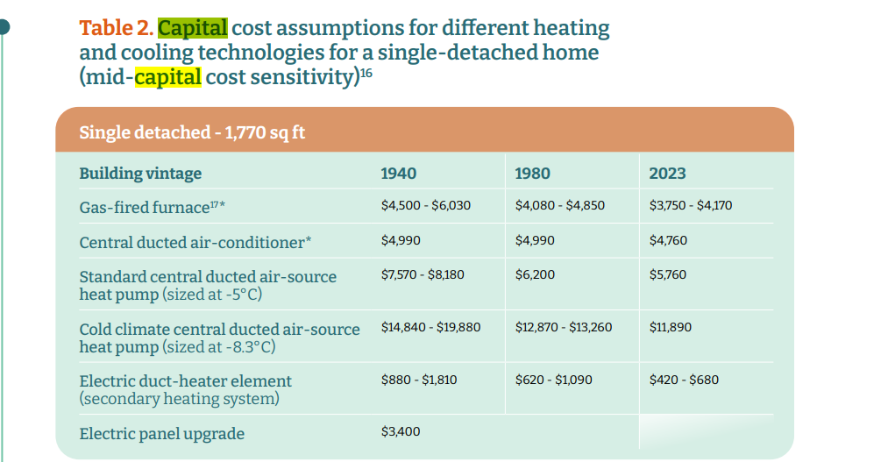
 |  |  |  |  |  |  |  |  |  |  |  |  |  |  |  |  |  |  |  |  |  |  |  |  | 0.5
 |  |  |  |  |  |  |  |  |  |  |  |  |  |  |  |  |  |  |  |  |  |  |  |  | 0.5
 |  |  |  |  |  |  |  |  |  |  |  |  |  |  |  |  |  |  |  |  |  |  |  |  | 0.75
...
 |  |  |  |  |  |  |  |  |  |  |  |  |  |  |  |  |  |  |  |  |  |  |  |  |  | 0.096 | 0.326 | 0.578
 |  |  |  |  |  |  |  |  |  |  |  |  |  |  |  |  |  |  |  |  |  |  |  |  | 0.675
...
 |  |  |  |  |  |  |  |  |  |  |  |  |  |  |  |  |  |  |  |  |  |  |  |  |  | 0.096 | 0.326 | 0.578
 |  |  |  |  |  |  |  |  |  |  |  |  |  |  |  |  |  |  |  |  |  |  |  |  |  | 0.096 | 0.326 | 0.578
 |  |  |  |  |  |  |  |  |  |  |  |  |  |  |  |  |  |  |  |  |  |  |  |  | 0.9
...
 |  |  |  |  |  |  |  |  |  |  |  |  |  |  |  |  |  |  |  |  |  |  |  |  |  | 0.096 | 0.326 | 0.578
 |  |  |  |  |  |  |  |  |  |  |  |  |  |  |  |  |  |  |  |  |  |  |  |  |  | 0.096 | 0.326 | 0.578
 |  |  |  |  |  |  |  |  |  |  |  |  |  |  |  |  |  |  |  |  |  |  |  |  | 0.89
...
 |  |  |  |  |  |  |  |  |  |  |  |  |  |  |  |  |  |  |  |  |  |  |  |  |  | 0.096 | 0.326 | 0.578
 |  |  |  |  |  |  |  |  |  |  |  |  |  |  |  |  |  |  |  |  |  |  |  |  |  | 0.096 | 0.326 | 0.578
 |  |  |  |  |  |  |  |  |  |  |  |  |  |  |  |  |  |  |  |  |  |  |  |  | 0.6
 |  |  |  |  |  |  |  |  |  |  |  |  |  |  |  |  |  |  |  |  |  |  |  |  | 0.78
 |  |  |  |  |  |  |  |  |  |  |  |  |  |  |  |  |  |  |  |  |  |  |  |  | 0.85
 |  |  |  |  |  |  |  |  |  |  |  |  |  |  |  |  |  |  |  |  |  |  |  |  | 0.62
 |  |  |  |  |  |  |  |  |  |  |  |  |  |  |  |  |  |  |  |  |  |  |  |  | 0.8
 |  |  |  |  |  |  |  |  |  |  |  |  |  |  |  |  |  |  |  |  |  |  |  |  | 0.9
 |  |  |  |  |  |  |  |  |  |  |  |  |  |  |  |  |  |  |  |  |  |  |  |  | 1
 |  |  |  |  |  |  |  |  |  |  |  |  |  |  |  |  |  |  |  |  |  |  |  |  | 1.9
 |  |  |  |  |  |  |  |  |  |  |  |  |  |  |  |  |  |  |  |  |  |  |  |  | 0.5
 |  |  |  |  |  |  |  |  |  |  |  |  |  |  |  |  |  |  |  |  |  |  |  |  | 0.5
 |  |  |  |  |  |  |  |  |  |  |  |  |  |  |  |  |  |  |  |  |  |  |  |  | 0.75
...
 |  |  |  |  |  |  |  |  |  |  |  |  |  |  |  |  |  |  |  |  |  |  |  |  |  | 0.096 | 0.326 | 0.578
 |  |  |  |  |  |  |  |  |  |  |  |  |  |  |  |  |  |  |  |  |  |  |  |  |  | 0.096 | 0.326 | 0.578
 |  |  |  |  |  |  |  |  |  |  |  |  |  |  |  |  |  |  |  |  |  |  |  |  | 0.675
...
 |  |  |  |  |  |  |  |  |  |  |  |  |  |  |  |  |  |  |  |  |  |  |  |  |  | 0.096 | 0.326 | 0.578
 |  |  |  |  |  |  |  |  |  |  |  |  |  |  |  |  |  |  |  |  |  |  |  |  |  | 0.096 | 0.326 | 0.578
 |  |  |  |  |  |  |  |  |  |  |  |  |  |  |  |  |  |  |  |  |  |  |  |  | 0.9
...
 |  |  |  |  |  |  |  |  |  |  |  |  |  |  |  |  |  |  |  |  |  |  |  |  |  | 0.096 | 0.326 | 0.578
 |  |  |  |  |  |  |  |  |  |  |  |  |  |  |  |  |  |  |  |  |  |  |  |  |  | 0.096 | 0.326 | 0.578
 |  |  |  |  |  |  |  |  |  |  |  |  |  |  |  |  |  |  |  |  |  |  |  |  | 0.89
...
 |  |  |  |  |  |  |  |  |  |  |  |  |  |  |  |  |  |  |  |  |  |  |  |  |  | 0.096 | 0.326 | 0.578
 |  |  |  |  |  |  |  |  |  |  |  |  |  |  |  |  |  |  |  |  |  |  |  |  |  | 0.096 | 0.326 | 0.578
 |  |  |  |  |  |  |  |  |  |  |  |  |  |  |  |  |  |  |  |  |  |  |  |  | 0.6
 |  |  |  |  |  |  |  |  |  |  |  |  |  |  |  |  |  |  |  |  |  |  |  |  | 0.78
 |  |  |  |  |  |  |  |  |  |  |  |  |  |  |  |  |  |  |  |  |  |  |  |  | 0.85
 |  |  |  |  |  |  |  |  |  |  |  |  |  |  |  |  |  |  |  |  |  |  |  |  | 0.62
 |  |  |  |  |  |  |  |  |  |  |  |  |  |  |  |  |  |  |  |  |  |  |  |  | 0.8
 |  |  |  |  |  |  |  |  |  |  |  |  |  |  |  |  |  |  |  |  |  |  |  |  | 0.9
 |  |  |  |  |  |  |  |  |  |  |  |  |  |  |  |  |  |  |  |  |  |  |  |  | 1
 |  |  |  |  |  |  |  |  |  |  |  |  |  |  |  |  |  |  |  |  |  |  |  |  | 1.9
...

