INDCO2
heavy industry, oil gas coal mining, waste industry constraints are from 2020 to 2050 (and the carbon emissions are summarized from sup file and ind file) | CEF reports

 | ~UC_Sets: R_S: AllRegions
 | ~UC_Sets: T_S:

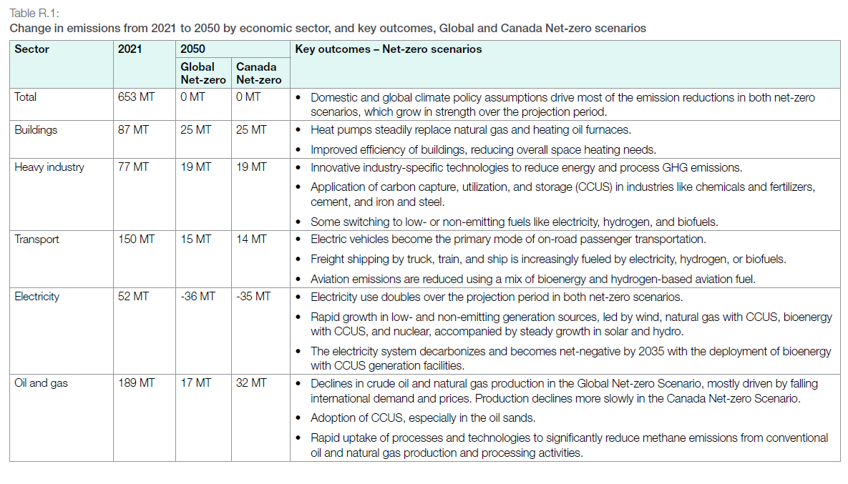
 |  |  |  |  |  |  |  |  | ~UC_T:UC_RHST
 | UC_N | Pset_Set | Pset_PN | Pset_CI | Pset_CO | Cset_CN | Attribute | Year | LimType | UC_COMNET | AllRegions |  | heavy industry constraint | OIL GAS production | WASTE and others (industry field) | Land use change
 | AU_INDCO2_BND |  |  |  |  | INDCO2N |  | 2020 | UP | 1 | 256929.91066 |  | 73.57588066 | 183.35403 | 46.057254 | -17.30257254
 |  |  |  |  |  | INDCO2N |  | 2021 | UP | 1 | 265964.90433 |  | 76.81255283 | 189.1523515 | 46.98380465 | -15.40632582
 |  |  |  |  |  | INDCO2N |  | 2022 | UP | 1 | 265630.08156 |  | 74.20667416 | 191.4234074 | 45.93380072 | -17.23053509
 |  |  |  |  |  | INDCO2N |  | 2023 | UP | 1 | 264826.06675 |  | 75.91317615 | 188.9128906 | 44.89153103 | -19.05474437
 |  |  |  |  |  | INDCO2N |  | 2024 | UP | 1 | 257966.44231 |  | 74.57508591 | 183.3913564 | 44.09905335 | -20.87895364
 |  |  |  |  |  | INDCO2N |  | 2025 | UP | 1 | 249429.31051 |  | 72.15813951 | 177.271171 | 42.4046265 | -22.70316291
 |  |  |  |  |  | INDCO2N |  | 2026 | UP | 1 | 242263.22701 |  | 69.65448481 | 172.6087422 | 41.43356466 | -24.52737218
 |  |  |  |  |  | INDCO2N |  | 2027 | UP | 1 | 233791.77458 |  | 68.02326498 | 165.7685096 | 40.46110625 | -26.35158146
 |  |  |  |  |  | INDCO2N |  | 2028 | UP | 1 | 222529.46642 |  | 65.38544422 | 157.1440222 | 39.19910803 | -28.17579073
 |  |  |  |  |  | INDCO2N |  | 2029 | UP | 1 | 207824.16285 |  | 60.96120725 | 146.8629556 | 37.94543523 | -30
 |  |  |  |  |  | INDCO2N |  | 2030 | UP | 1 | 191381.78979 |  | 56.54267449 | 134.8391153 | 36.6100428 | -31
 |  |  |  |  |  | INDCO2N |  | 2031 | UP | 1 | 178186.00674 |  | 54.46291834 | 123.7230884 | 36.11297381 | -32
 |  |  |  |  |  | INDCO2N |  | 2032 | UP | 1 | 164759.17734 |  | 51.61645744 | 113.1427199 | 35.64935033 | -33
 |  |  |  |  |  | INDCO2N |  | 2033 | UP | 1 | 151860.53652 |  | 49.26306062 | 102.5974759 | 35.14571652 | -34
 |  |  |  |  |  | INDCO2N |  | 2034 | UP | 1 | 139325.20641 |  | 46.83002163 | 92.49518478 | 34.60264472 | -35
 |  |  |  |  |  | INDCO2N |  | 2035 | UP | 1 | 129074.84359 |  | 45.43781315 | 83.63703044 | 34.11998337 | -36
 |  |  |  |  |  | INDCO2N |  | 2036 | UP | 1 | 117031.63771 |  | 42.39814088 | 74.63349683 | 33.6309419 | -37
 |  |  |  |  |  | INDCO2N |  | 2037 | UP | 1 | 105048.98874 |  | 39.54132139 | 65.50766735 | 33.10020108 | -38
 |  |  |  |  |  | INDCO2N |  | 2038 | UP | 1 | 95455.64805 | 95455.64805 | 36.58257851 | 58.87306954 | 32.51511826 | -39
 |  |  |  |  |  | INDCO2N |  | 2039 | UP | 1 | 89222.99834 | 89222.99834 | 33.68633261 | 55.53666573 | 31.98097403 | -40
 |  |  |  |  |  | INDCO2N |  | 2040 | UP | 1 | 82094.70932 |  | 30.06667329 | 52.02803603 | 31.43365158 | -41
 |  |  |  |  |  | INDCO2N |  | 2041 | UP | 1 | 74864.81849 |  | 27.05425281 | 47.81056568 | 30.75217849 | -42
 |  |  |  |  |  | INDCO2N |  | 2042 | UP | 1 | 70798.29267 |  | 25.50652088 | 45.29177179 | 30.17682564 | -43
 |  |  |  |  |  | INDCO2N |  | 2043 | UP | 1 | 67743.54344 |  | 24.38823505 | 43.35530839 | 29.60381554 | -44
 |  |  |  |  |  | INDCO2N |  | 2044 | UP | 1 | 64583.42689 |  | 23.24361514 | 41.33981175 | 29.07735401 | -45
 |  |  |  |  |  | INDCO2N |  | 2045 | UP | 1 | 62006.72033 |  | 22.52632113 | 39.4803992 | 28.56452897 | -46
 |  |  |  |  |  | INDCO2N |  | 2046 | UP | 1 | 59511.95558 |  | 21.67822849 | 37.83372709 | 28.06050775 | -47
 |  |  |  |  |  | INDCO2N |  | 2047 | UP | 1 | 57106.06818 |  | 20.82485252 | 36.28121566 | 27.59453265 | -48
 |  |  |  |  |  | INDCO2N |  | 2048 | UP | 1 | 54950.06281 |  | 20.20542524 | 34.74463757 | 27.15182853 | -49
 |  |  |  |  |  | INDCO2N |  | 2049 | UP | 1 | 52824.83845 |  | 19.54219027 | 33.28264818 | 26.73311801 | -50
 |  |  |  |  |  | INDCO2N |  | 2050 | UP | 1 | 50962.90544 |  | 19.10080467 | 31.86210077 | 26.35733217

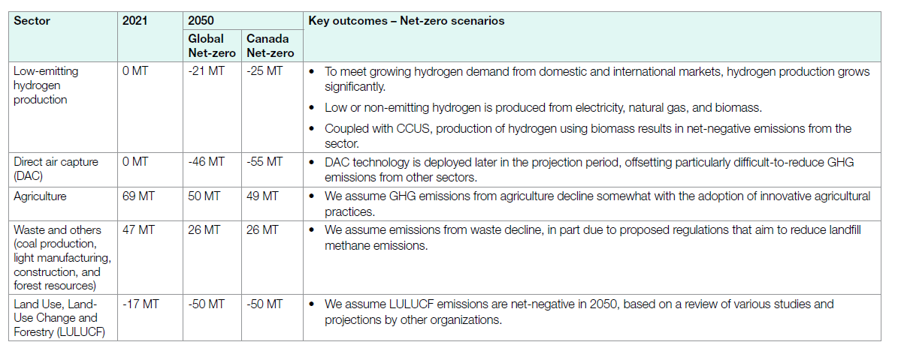
 |  |  |  |  |  | WASTECO2N |  | 2020 | UP | 1
 |  |  |  |  |  | WASTECO2N |  | 2021 | UP | 1
 |  |  |  |  |  | WASTECO2N |  | 2022 | UP | 1
 |  |  |  |  |  | WASTECO2N |  | 2023 | UP | 1
 |  |  |  |  |  | WASTECO2N |  | 2024 | UP | 1
 |  |  |  |  |  | WASTECO2N |  | 2025 | UP | 1
 |  |  |  |  |  | WASTECO2N |  | 2026 | UP | 1
 |  |  |  |  |  | WASTECO2N |  | 2027 | UP | 1
 |  |  |  |  |  | WASTECO2N |  | 2028 | UP | 1
 |  |  |  |  |  | WASTECO2N |  | 2029 | UP | 1
 |  |  |  |  |  | WASTECO2N |  | 2030 | UP | 1
 |  |  |  |  |  | WASTECO2N |  | 2031 | UP | 1
 |  |  |  |  |  | WASTECO2N |  | 2032 | UP | 1
 |  |  |  |  |  | WASTECO2N |  | 2033 | UP | 1
 |  |  |  |  |  | WASTECO2N |  | 2034 | UP | 1
 |  |  |  |  |  | WASTECO2N |  | 2035 | UP | 1
 |  |  |  |  |  | WASTECO2N |  | 2036 | UP | 1
 |  |  |  |  |  | WASTECO2N |  | 2037 | UP | 1
 |  |  |  |  |  | WASTECO2N |  | 2038 | UP | 1
 |  |  |  |  |  | WASTECO2N |  | 2039 | UP | 1
 |  |  |  |  |  | WASTECO2N |  | 2040 | UP | 1
 |  |  |  |  |  | WASTECO2N |  | 2041 | UP | 1
 |  |  |  |  |  | WASTECO2N |  | 2042 | UP | 1
 |  |  |  |  |  | WASTECO2N |  | 2043 | UP | 1
 |  |  |  |  |  | WASTECO2N |  | 2044 | UP | 1
 |  |  |  |  |  | WASTECO2N |  | 2045 | UP | 1
 |  |  |  |  |  | WASTECO2N |  | 2046 | UP | 1
 |  |  |  |  |  | WASTECO2N |  | 2047 | UP | 1
 |  |  |  |  |  | WASTECO2N |  | 2048 | UP | 1
 |  |  |  |  |  | WASTECO2N |  | 2049 | UP | 1
 |  |  |  |  |  | WASTECO2N |  | 2050 | UP | 1

