INDCO2
heavy industry, oil gas coal mining, waste industry constraints are from 2020 to 2050 (and the carbon emissions are summarized from sup file and ind file) | CEF reports

 | ~UC_Sets: R_S: AllRegions
 | ~UC_Sets: T_S:

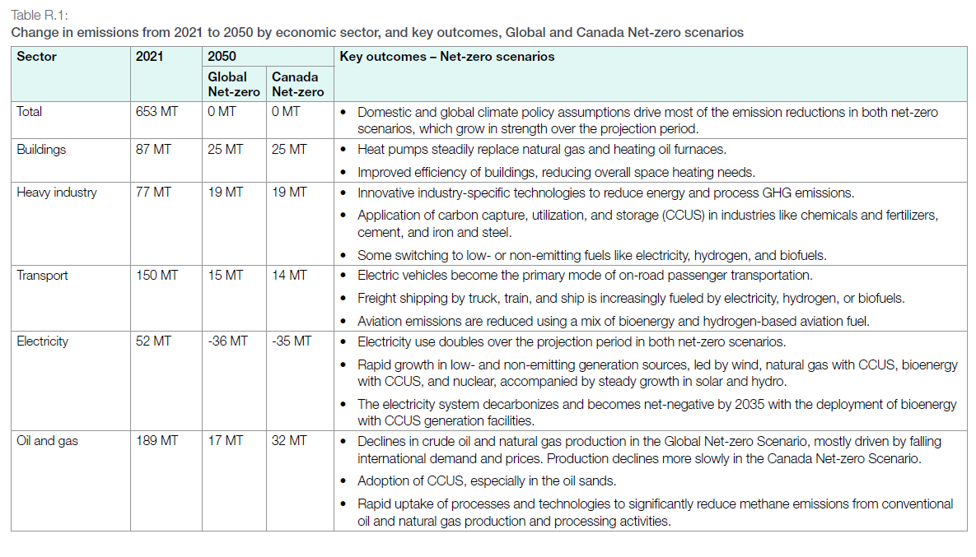
 |  |  |  |  |  |  |  |  | ~UC_T:UC_RHST
 | UC_N | Pset_Set | Pset_PN | Pset_CI | Pset_CO | Cset_CN | Attribute | Year | LimType | UC_COMNET | AllRegions | heavy industry constraint | OIL GAS production | WASTE and others (industry field)
 | AU_INDCO2_BND |  |  |  |  | INDCO2N |  | 2020 | UP | 1 |  | 73.57588066 | 183.35403 | 46.057254
 |  |  |  |  |  | INDCO2N |  | 2021 | UP | 1 | 265964.90433 | 76.81255283 | 189.1523515 | 46.98380465
 |  |  |  |  |  | INDCO2N |  | 2022 | UP | 1 | 265630.08156 | 74.20667416 | 191.4234074 | 45.93380072
 |  |  |  |  |  | INDCO2N |  | 2023 | UP | 1 | 269750.87477 | 77.12179057 | 192.6290842 | 46.0268048
 |  |  |  |  |  | INDCO2N |  | 2024 | UP | 1 | 264846.70144 | 76.81439504 | 188.0323064 | 46.41907369
 |  |  |  |  |  | INDCO2N |  | 2025 | UP | 1 | 262014.62064 | 74.63398654 | 187.3806341 | 46.6300282
 |  |  |  |  |  | INDCO2N |  | 2026 | UP | 1 | 257686.63459 | 71.18044599 | 186.5061886 | 46.90992487
 |  |  |  |  |  | INDCO2N |  | 2027 | UP | 1 | 254358.09432 | 71.05930612 | 183.2987882 | 47.15609088
 |  |  |  |  |  | INDCO2N |  | 2028 | UP | 1 | 250116.392 | 69.535369 | 180.581023 | 47.07537367
 |  |  |  |  |  | INDCO2N |  | 2029 | UP | 1 | 243321.51175 | 66.51258325 | 176.8089285 | 47.08036255
 |  |  |  |  |  | INDCO2N |  | 2030 | UP | 1 | 238134.37592 | 63.77177142 | 174.3626045 | 46.97609439
 |  |  |  |  |  | INDCO2N |  | 2031 | UP | 1 | 234422.44703 | 63.61248353 | 170.8099635 | 47.01557939
 |  |  |  |  |  | INDCO2N |  | 2032 | UP | 1 | 229300.15331 | 61.31157641 | 167.9885769 | 47.04529092
 |  |  |  |  |  | INDCO2N |  | 2033 | UP | 1 | 225956.88875 | 59.83665375 | 166.120235 | 47.07089054
 |  |  |  |  |  | INDCO2N |  | 2034 | UP | 1 | 218527.11822 | 58.42898752 | 160.0981307 | 47.06810566
 |  |  |  |  |  | INDCO2N |  | 2035 | UP | 1 | 217657.15555 | 58.33266565 | 159.3244899 | 47.19426183
 |  |  |  |  |  | INDCO2N |  | 2036 | UP | 1 | 216349.66506 | 58.31142796 | 158.0382371 | 47.33441632
 |  |  |  |  |  | INDCO2N |  | 2037 | UP | 1 | 215340.76353 | 58.55054683 | 156.7902167 | 47.51507891
 |  |  |  |  |  | INDCO2N |  | 2038 | UP | 1 | 214543.33884 | 58.75996724 | 155.7833716 | 47.66704704
 |  |  |  |  |  | INDCO2N |  | 2039 | UP | 1 | 214257.80817 | 59.03228737 | 155.2255208 | 47.8606817
 |  |  |  |  |  | INDCO2N |  | 2040 | UP | 1 | 214178.55081 | 59.36877781 | 154.809773 | 48.09355345
 |  |  |  |  |  | INDCO2N |  | 2041 | UP | 1 | 213804.51502 | 59.66499902 | 154.139516 | 48.31714977
 |  |  |  |  |  | INDCO2N |  | 2042 | UP | 1 | 213355.60341 | 60.00625111 | 153.3493523 | 48.55296243
 |  |  |  |  |  | INDCO2N |  | 2043 | UP | 1 | 212606.75172 | 60.37770762 | 152.2290441 | 48.8173234
 |  |  |  |  |  | INDCO2N |  | 2044 | UP | 1 | 212301.9304 | 60.7767735 | 151.5251569 | 49.10864236
 |  |  |  |  |  | INDCO2N |  | 2045 | UP | 1 | 211858.80526 | 61.27199916 | 150.5868061 | 49.43852051
 |  |  |  |  |  | INDCO2N |  | 2046 | UP | 1 | 211900.34168 | 61.82862958 | 150.0717121 | 49.79005411
 |  |  |  |  |  | INDCO2N |  | 2047 | UP | 1 | 211964.97681 | 62.34072831 | 149.6242485 | 50.1560266
 |  |  |  |  |  | INDCO2N |  | 2048 | UP | 1 | 212132.7533 | 62.8682319 | 149.2645214 | 50.54936587
 |  |  |  |  |  | INDCO2N |  | 2049 | UP | 1 | 212609.77877 | 63.46993417 | 149.1398446 | 50.99763139
 |  |  |  |  |  | INDCO2N |  | 2050 | UP | 1 | 212939.97135 | 64.11285145 | 148.8271199 | 51.48111977

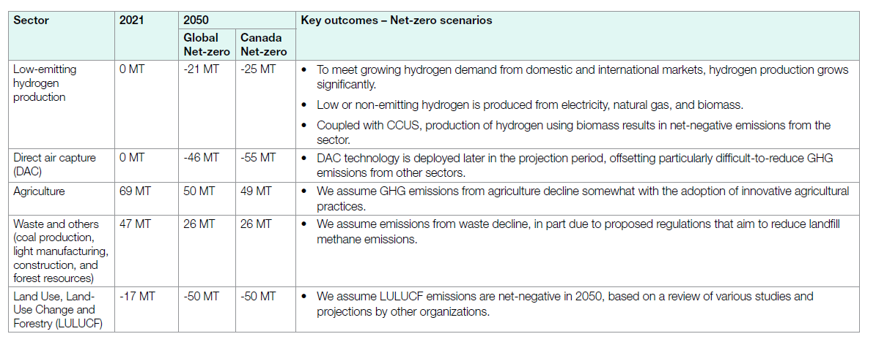
 |  |  |  |  |  | WASTECO2N |  | 2020 | UP | 1
 |  |  |  |  |  | WASTECO2N |  | 2021 | UP | 1
 |  |  |  |  |  | WASTECO2N |  | 2022 | UP | 1
 |  |  |  |  |  | WASTECO2N |  | 2023 | UP | 1
 |  |  |  |  |  | WASTECO2N |  | 2024 | UP | 1
 |  |  |  |  |  | WASTECO2N |  | 2025 | UP | 1
 |  |  |  |  |  | WASTECO2N |  | 2026 | UP | 1
 |  |  |  |  |  | WASTECO2N |  | 2027 | UP | 1
 |  |  |  |  |  | WASTECO2N |  | 2028 | UP | 1
 |  |  |  |  |  | WASTECO2N |  | 2029 | UP | 1
 |  |  |  |  |  | WASTECO2N |  | 2030 | UP | 1
 |  |  |  |  |  | WASTECO2N |  | 2031 | UP | 1
 |  |  |  |  |  | WASTECO2N |  | 2032 | UP | 1
 |  |  |  |  |  | WASTECO2N |  | 2033 | UP | 1
 |  |  |  |  |  | WASTECO2N |  | 2034 | UP | 1
 |  |  |  |  |  | WASTECO2N |  | 2035 | UP | 1
 |  |  |  |  |  | WASTECO2N |  | 2036 | UP | 1
 |  |  |  |  |  | WASTECO2N |  | 2037 | UP | 1
 |  |  |  |  |  | WASTECO2N |  | 2038 | UP | 1
 |  |  |  |  |  | WASTECO2N |  | 2039 | UP | 1
 |  |  |  |  |  | WASTECO2N |  | 2040 | UP | 1
 |  |  |  |  |  | WASTECO2N |  | 2041 | UP | 1
 |  |  |  |  |  | WASTECO2N |  | 2042 | UP | 1
 |  |  |  |  |  | WASTECO2N |  | 2043 | UP | 1
 |  |  |  |  |  | WASTECO2N |  | 2044 | UP | 1
 |  |  |  |  |  | WASTECO2N |  | 2045 | UP | 1
 |  |  |  |  |  | WASTECO2N |  | 2046 | UP | 1
 |  |  |  |  |  | WASTECO2N |  | 2047 | UP | 1
 |  |  |  |  |  | WASTECO2N |  | 2048 | UP | 1
 |  |  |  |  |  | WASTECO2N |  | 2049 | UP | 1
 |  |  |  |  |  | WASTECO2N |  | 2050 | UP | 1

