INDCO2
heavy industry, oil gas coal mining, waste industry constraints are from 2020 to 2050 (and the carbon emissions are summarized from sup file and ind file) | CEF reports

 | ~UC_Sets: R_S: AllRegions
 | ~UC_Sets: T_S:

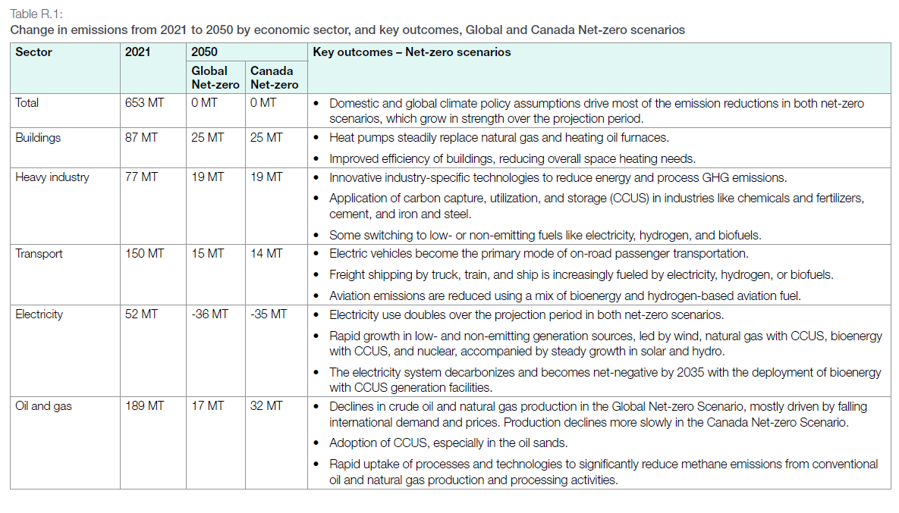
 |  |  |  |  |  |  |  |  | ~UC_T:UC_RHST
 | UC_N | Pset_Set | Pset_PN | Pset_CI | Pset_CO | Cset_CN | Attribute | Year | LimType | UC_COMNET | AllRegions |  | heavy industry constraint | OIL GAS production | WASTE and others (industry field)
 | AU_INDCO2_BND |  |  |  |  | INDCO2N |  | 2020 | UP | 1 | 256929.91066 |  | 73.57588066 | 183.35403 | 46.057254
 |  |  |  |  |  | INDCO2N |  | 2021 | UP | 1 | 265964.90433 |  | 76.81255283 | 189.1523515 | 46.98380465
 |  |  |  |  |  | INDCO2N |  | 2022 | UP | 1 | 265630.08156 |  | 74.20667416 | 191.4234074 | 45.93380072
 |  |  |  |  |  | INDCO2N |  | 2023 | UP | 1 | 264920.80756 |  | 75.92864216 | 188.9921654 | 44.90290243
 |  |  |  |  |  | INDCO2N |  | 2024 | UP | 1 | 257363.18324 |  | 74.52501574 | 182.8381675 | 44.0643695
 |  |  |  |  |  | INDCO2N |  | 2025 | UP | 1 | 248058.11388 |  | 72.07338198 | 175.9847319 | 42.33729179
 |  |  |  |  |  | INDCO2N |  | 2026 | UP | 1 | 240152.42289 |  | 69.68119389 | 170.471229 | 41.33597037
 |  |  |  |  |  | INDCO2N |  | 2027 | UP | 1 | 230000.66572 |  | 68.24044312 | 161.7602226 | 40.35853982
 |  |  |  |  |  | INDCO2N |  | 2028 | UP | 1 | 217105.32727 |  | 65.91188097 | 151.1934463 | 39.1453451
 |  |  |  |  |  | INDCO2N |  | 2029 | UP | 1 | 200651.70853 |  | 61.58942183 | 139.0622867 | 37.96006098
 |  |  |  |  |  | INDCO2N |  | 2030 | UP | 1 | 183409.39942 |  | 57.12518162 | 126.2842178 | 36.64641656
 |  |  |  |  |  | INDCO2N |  | 2031 | UP | 1 | 170145.94456 |  | 54.97099716 | 115.1749474 | 36.23486628
 |  |  |  |  |  | INDCO2N |  | 2032 | UP | 1 | 156569.28081 |  | 52.09756511 | 104.4717157 | 35.85172749
 |  |  |  |  |  | INDCO2N |  | 2033 | UP | 1 | 141345.36427 |  | 48.93422411 | 92.41114016 | 35.41487997
 |  |  |  |  |  | INDCO2N |  | 2034 | UP | 1 | 125876.84694 |  | 45.32865225 | 80.54819469 | 34.85236555
 |  |  |  |  |  | INDCO2N |  | 2035 | UP | 1 | 114587.10221 |  | 43.76225209 | 70.82485012 | 34.33035799
 |  |  |  |  |  | INDCO2N |  | 2036 | UP | 1 | 102823.00972 |  | 40.64819274 | 62.17481698 | 33.77609707
 |  |  |  |  |  | INDCO2N |  | 2037 | UP | 1 | 91444.4255 |  | 37.47832104 | 53.96610446 | 33.1892061
 |  |  |  |  |  | INDCO2N |  | 2038 | UP | 1 | 82339.00674 |  | 33.99894704 | 48.3400597 | 32.55534973
 |  |  |  |  |  | INDCO2N |  | 2039 | UP | 1 | 75874.109 |  | 30.89853978 | 44.97556922 | 31.95494453
 |  |  |  |  |  | INDCO2N |  | 2040 | UP | 1 | 69663.02682 |  | 28.38328985 | 41.27973697 | 31.36872435
 |  |  |  |  |  | INDCO2N |  | 2041 | UP | 1 | 63456.88477 | 69663.02682 | 26.32048844 | 37.13639633 | 30.63092249
 |  |  |  |  |  | INDCO2N |  | 2042 | UP | 1 | 59702.31105 | 69663.02682 | 25.16538086 | 34.53693019 | 29.99942387
 |  |  |  |  |  | INDCO2N |  | 2043 | UP | 1 | 56123.74109 | 69663.02682 | 23.99288735 | 32.13085374 | 29.41458454
 |  |  |  |  |  | INDCO2N |  | 2044 | UP | 1 | 53102.75686 | 69663.02682 | 23.11091826 | 29.9918386 | 28.87253013
 |  |  |  |  |  | INDCO2N |  | 2045 | UP | 1 | 49327.02606 | 69663.02682 | 22.34053179 | 26.98649427 | 28.35097291
 |  |  |  |  |  | INDCO2N |  | 2046 | UP | 1 | 45216.33771 | 69663.02682 | 21.50986558 | 23.70647213 | 27.83070798
 |  |  |  |  |  | INDCO2N |  | 2047 | UP | 1 | 42902.67961 | 69663.02682 | 20.91647133 | 21.98620828 | 27.3441707
 |  |  |  |  |  | INDCO2N |  | 2048 | UP | 1 | 40595.41603 | 69663.02682 | 20.24502532 | 20.35039071 | 26.89853396
 |  |  |  |  |  | INDCO2N |  | 2049 | UP | 1 | 38666.66252 | 69663.02682 | 19.81224124 | 18.85442128 | 26.53697269
 |  |  |  |  |  | INDCO2N |  | 2050 | UP | 1 | 36731.18495 | 69663.02682 | 19.37596273 | 17.35522222 | 26.20108575

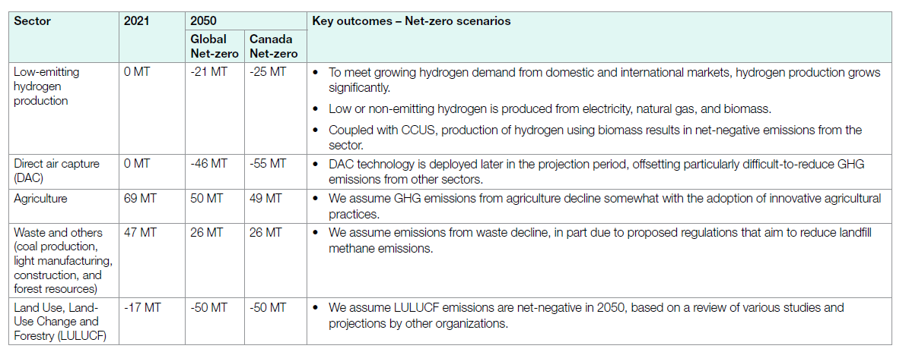
 |  |  |  |  |  | WASTECO2N |  | 2020 | UP | 1
 |  |  |  |  |  | WASTECO2N |  | 2021 | UP | 1
 |  |  |  |  |  | WASTECO2N |  | 2022 | UP | 1
 |  |  |  |  |  | WASTECO2N |  | 2023 | UP | 1
 |  |  |  |  |  | WASTECO2N |  | 2024 | UP | 1
 |  |  |  |  |  | WASTECO2N |  | 2025 | UP | 1
 |  |  |  |  |  | WASTECO2N |  | 2026 | UP | 1
 |  |  |  |  |  | WASTECO2N |  | 2027 | UP | 1
 |  |  |  |  |  | WASTECO2N |  | 2028 | UP | 1
 |  |  |  |  |  | WASTECO2N |  | 2029 | UP | 1
 |  |  |  |  |  | WASTECO2N |  | 2030 | UP | 1
 |  |  |  |  |  | WASTECO2N |  | 2031 | UP | 1
 |  |  |  |  |  | WASTECO2N |  | 2032 | UP | 1
 |  |  |  |  |  | WASTECO2N |  | 2033 | UP | 1
 |  |  |  |  |  | WASTECO2N |  | 2034 | UP | 1
 |  |  |  |  |  | WASTECO2N |  | 2035 | UP | 1
 |  |  |  |  |  | WASTECO2N |  | 2036 | UP | 1
 |  |  |  |  |  | WASTECO2N |  | 2037 | UP | 1
 |  |  |  |  |  | WASTECO2N |  | 2038 | UP | 1
 |  |  |  |  |  | WASTECO2N |  | 2039 | UP | 1
 |  |  |  |  |  | WASTECO2N |  | 2040 | UP | 1
 |  |  |  |  |  | WASTECO2N |  | 2041 | UP | 1
 |  |  |  |  |  | WASTECO2N |  | 2042 | UP | 1
 |  |  |  |  |  | WASTECO2N |  | 2043 | UP | 1
 |  |  |  |  |  | WASTECO2N |  | 2044 | UP | 1
 |  |  |  |  |  | WASTECO2N |  | 2045 | UP | 1
 |  |  |  |  |  | WASTECO2N |  | 2046 | UP | 1
 |  |  |  |  |  | WASTECO2N |  | 2047 | UP | 1
 |  |  |  |  |  | WASTECO2N |  | 2048 | UP | 1
 |  |  |  |  |  | WASTECO2N |  | 2049 | UP | 1
 |  |  |  |  |  | WASTECO2N |  | 2050 | UP | 1

