EMI
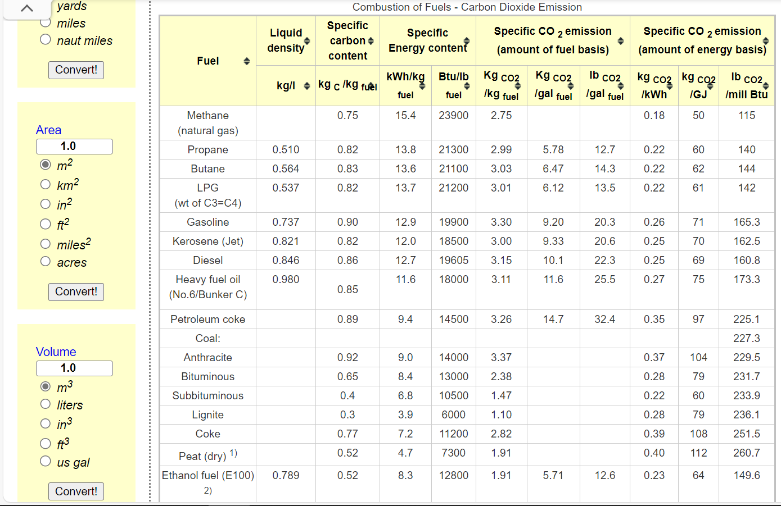
*since biomass in industry is considered biogenic, its emissions are often treated differently in carbon accounting--therefore, we used Canada's aggregated industrial carbon emissions/ energy input [annual value] to quantify it [given the scarcity of provincial details]
*For carbon emissions from waste: Landfill for Most feedstock products emit carbon, referred as Waste and Others in CEF: We calibrated the carbon emission factor here given the below--95% of feedstock products are sourced from gas, oil/petroleum/bio/coal and the total demand of feedstock is 993.69 PJ; and those feedstock emit 46megatonne in 2020 as in CEF
*When calibrating the BY's carbon emissions, we found a ~40Mt's gap in oil and gas industrial emissions, comparing the NRCan-based model results (our results) to CEF; and considering that oil and gas used for feedstock productions also emit carbon [95% of energy, of the total 2402PJ, is from fossil-fuel]; so we use that 40Mt's gap and the total fossil-fuel use in feedstock to calibrate the carbon emission factor as ~20ktonne/PJ and we referenced to other sources to validate it

 |  |  |  |  |  |  |  |  |  |  |  |  |  | For Wood Waste and Pulping Liquor in aggregated industry of canada-- see https://oee.nrcan.gc.ca/corporate/statistics/neud/dpa/showTable.cfm?type=CP&sector=agg&juris=ca&rn=1&page=0#footnotes
Dynamic coefficients for combustion emissions in industry |  |  |  |  |  |  |  |  |  |  |  |  |  |  |  | 2012 | 2013 | 2014 | 2015 | 2016 | 2017 | 2018 | 2019 | 2020
~COMEMI |  |  |  |  |  |  |  |  |  |  |  |  |  |  | PJ | 356.3 | 390.8 | 414 | 407.7 | 342.8 | 362.7 | 373.6 | 370.3 | 325.1
CommName | INDCOA | INDSGPC | INDCOKE | INDLPG | INDDSTLFO | INDHFO | INDGAS | INDSTM | INDWOOD | INDGAS_NEU | INDOIL_NEU | INDWOOD_NEU | INDCOA_NEU |  | MtCO2 | 0.2 | 0.2 | 0.2 | 0.2 | 0.2 | 0.2 | 0.2 | 0.2 | 0.2
INDCO2N | 113.66120219 | 50 | 117.73572266 | 69.230769231 | 85.321347384 | 122.02380952 | 51.350042967 | 51.4 | 1.0 | 17.5 | 17.5 | 17.5 | 17.5
WASTECO2N |  |  |  |  |  |  |  |  |  | 20.2 | 20.2 | 20.2 | 20.2 |  |  | 0.56132472635 | 0.51177072671 | 0.48309178744 | 0.49055678195 | 0.58343057176 | 0.55141990626 | 0.53533190578 | 0.5401026195 | 0.61519532452

~COMEMI~2050
CommName | INDCOA | INDSGPC | INDCOKE | INDLPG | INDDSTLFO | INDHFO | INDGAS | INDSTM | INDWOOD | INDGAS_NEU | INDOIL_NEU | INDWOOD_NEU | INDCOA_NEU
INDCO2N | 113.66120219 | 50 | 117.73572266 | 69.230769231 | 85.321347384 | 122.02380952 | 51.350042967 | 51.350042967 | 1 | 0 | 0 | 0 | 0
WASTECO2N |  |  |  |  |  |  |  |  |  | 0 | 0 | 0 | 0

