TechHeat-RES-SD
 |  |  |  |  |  | ~FI_T: Stock
 |  |  | TechName | Comm-IN | Comm-IN-A | Comm-OUT | AT | QU | ON | MA | SA | AL | BC | CAP per dwelling (MW) |  |  | we assume that each house project 10kw-0.01MW of the capacity for sd, sa type, since we don't have the projection capacity data(we only have housebuiliding number). But it doesn't matter, because we mannually calibrated the AFA to make sure that Stock*CAP2ACT*AFA=energy consumption
Single Detached | Heating Oil – Normal Efficiency |  | R_ES-SH-SD_OIL_NE | RSDOIL |  | R_ES-SD-SpHeat | 0 | 0 | 0 | 0 | 0 | 0 | 0.011 | 0.01 |  |  | 0 | 0 | 0
 | Heating Oil – Medium Efficiency |  | R_ES-SH-SD_OIL_ME | RSDOIL |  | R_ES-SD-SpHeat | 1.37 | 0.73 | 0.662 | 0.016 | 0.052 | 0.022 | 0.345 | 0.01 |  |  | 43.2098 | 0.15083203441 | 0.45004716461 | 0.0092618445496 | 0.0023124925297 | 0.00080141118809 | 0.0304783055
 | Heating Oil – High Efficiency |  | R_ES-SH-SD_OIL_HE | RSDOIL |  | R_ES-SD-SpHeat | 0 | 0 | 0 | 0 | 0 | 0 | 0 | 0.01 |  |  | 0 | 0 | 0
 | Natural Gas – Normal Efficiency |  | R_ES-SH-SD_GAS_NE | RSDGAS |  | R_ES-SD-SpHeat | 0.001 | 0 | 0 | 0 | 0 | 0 | 0 | 0.01 |  |  | 0.00024635359399 | 0 | 0
 | Natural Gas – Medium Efficiency |  | R_ES-SH-SD_GAS_ME | RSDGAS |  | R_ES-SD-SpHeat | 0.021 | 0.069 | 3.825 | 0.365 | 0.648 | 3.65 | 1.626 | 0.01 |  |  | 0.0051734254738 | 0.022127316141 | 2.6680410838
 | Natural Gas – High Efficiency |  | R_ES-SH-SD_GAS_HE | RSDGAS |  | R_ES-SD-SpHeat | 0.175 | 0.741 | 16.006 | 1.528 | 2.076 | 5.124 | 2.652 | 0.01 |  |  | 0.043111878948 | 0.2376281342 | 11.164618454
 | Electric |  | R_ES-SH-SD_ELC | RSDELC |  | R_ES-SD-SpHeat | 4.358 | 7.725 | 4.337 | 1.293 | 0.402 | 1.218 | 3.731 | 0.01 |  |  | 1.2877909316 | 1.6896281249 | 3.1688239484
 | Heat Pump |  | R_ES-SH-SD_HET | RSDELC |  | R_ES-SD-SpHeat | 0.329 | 2.157 | 3.293 | 0.148 | 0.138 | 0.355 | 0.475 | 0.01 |  |  | 0.24734604267 | 0.72189260626 | 2.7463943906
 |  |  |  | RSDAHT |  |  |  |  |  |  |  |  |  | 0.01
 | Other1 |  | R_ES-SH-SD_COAPRO | RSDCOAPRO |  | R_ES-SD-SpHeat | 0.094 | 0.065 | 0.938 | 0.014 | 0.04 | 0.08 | 0.087 | 0.01 |  |  | 2.96476 | 0.016732785998 | 0.47892242282 | 0.022968856497 | 0.013326470357 | 0.10438032383 | 0.058570392825
 | Wood |  | R_ES-SH-SD_WOD | RSDWOD |  | R_ES-SD-SpHeat | 0 | 0 | 0 | 0 | 0 | 0 | 0.012 | 0.01 |  |  | 0 | 0 | 0
 | Wood/Electric |  | R_ES-SH-SD_WOD_ELC | RSDELC |  | R_ES-SD-SpHeat | 0.703 | 3.663 | 1.204 | 0.171 | 0.023 | 0.015 | 0.819 | 0.01 |  |  | 0.77604162392 | 2.147849341 | 1.7237910885
 |  |  |  | RSDWOD |  |  |  |  |  |  |  |  |  | 0.01
 | Wood/Heating Oil |  | R_ES-SH-SD_WOD_OIL | RSDOIL |  | R_ES-SD-SpHeat | 0.654 | 0.938 | 1.082 | 0.028 | 0.033 | 0.051 | 0.288 | 0.01 |  |  | 0.84221526926 | 0.36907075654 | 1.1286017898
 |  |  |  | RSDWOD |  |  |  |  |  |  |  |  |  | 0.01 |  |  |  |  |  |  |  | 0.0021745900798
 | Natural Gas/Electric |  | R_ES-SH-SD_GAS_ELC | RSDELC |  | R_ES-SD-SpHeat | 0 | 0.112 | 0.254 | 0.005 | 0.022 | 0.041 | 0.19 | 0.01 |  |  | 0 | 0.033061820704 | 0.17927510918
 |  |  |  | RSDGAS |  |  |  |  |  |  |  |  |  | 0.01
 | Heating Oil/Electric |  | R_ES-SH-SD_OIL_ELC | RSDELC |  | R_ES-SD-SpHeat | 0.057 | 1.131 | 0.157 | 0.017 | 0.017 | 0.001 | 0.1 | 0.01 |  |  | 0.054545284007 | 0.23710842799 | 0.10872789629
 |  |  |  | RSDOIL |  |  |  |  |  |  |  |  |  | 0.01
 |  |  |  |  |  |  |  |  |  |  |  |  |  | 0.01
 |  |  |  |  |  |  |  |  |  |  |  |  |  |  |  |  | 0.026828977742

 |  |  |  |  |  |  |  |  |  |  |  |  |  |  |  |  | 0.061765833333
 |  |  |  |  |  | ~FI_T: EFF
 |  |  | TechName | Comm-IN | Comm-IN-A | Comm-OUT | AT | QU | ON | MA | SA | AL | BC |  |  |  | 0.000005
 |  |  | R_ES-SH-SD_OIL_NE | RSDOIL |  | R_ES-SD-SpHeat | 0.6 | 0.6 | 0.6 | 0.6 | 0.6 | 0.6 | 0.6
 |  |  | R_ES-SH-SD_OIL_ME | RSDOIL |  | R_ES-SD-SpHeat | 0.78 | 0.78 | 0.78 | 0.78 | 0.78 | 0.78 | 0.78
 |  |  | R_ES-SH-SD_OIL_HE | RSDOIL |  | R_ES-SD-SpHeat | 0.85 | 0.85 | 0.85 | 0.85 | 0.85 | 0.85 | 0.85 |  |  |  | 0.90020416667 | 0.0031423340502 | 0.009375982596 | 0.00019295509478 | 4.8176927703E-05 | 1.6696066419E-05 | 0.00063496469791
 |  |  | R_ES-SH-SD_GAS_NE | RSDGAS |  | R_ES-SD-SpHeat | 0.62 | 0.62 | 0.62 | 0.62 | 0.62 | 0.62 | 0.62
 |  |  | R_ES-SH-SD_GAS_ME | RSDGAS |  | R_ES-SD-SpHeat | 0.8 | 0.8 | 0.8 | 0.8 | 0.8 | 0.8 | 0.8
 |  |  | R_ES-SH-SD_GAS_HE | RSDGAS |  | R_ES-SD-SpHeat | 0.9 | 0.9 | 0.9 | 0.9 | 0.9 | 0.9 | 0.9
 |  |  | R_ES-SH-SD_ELC | RSDELC |  | R_ES-SD-SpHeat | 1 | 1 | 1 | 1 | 1 | 1 | 1
 |  |  | R_ES-SH-SD_HET | RSDELC |  | R_ES-SD-SpHeat | 1 | 1 | 1 | 1 | 1 | 1 | 1
 |  |  |  | RSDAHT
 |  |  | R_ES-SH-SD_COAPRO | RSDCOAPRO |  | R_ES-SD-SpHeat | 0.5 | 0.5 | 0.5 | 0.5 | 0.5 | 0.5 | 0.5
 |  |  | R_ES-SH-SD_WOD | RSDWOD |  | R_ES-SD-SpHeat | 0.5 | 0.5 | 0.5 | 0.5 | 0.5 | 0.5 | 0.5
 |  |  | R_ES-SH-SD_WOD_ELC | RSDELC |  | R_ES-SD-SpHeat | 0.75 | 0.75 | 0.75 | 0.75 | 0.75 | 0.75 | 0.75 | 0.75 | 0.75 | 0.75 | 0.75 | 0.75 | 0.75 | 0.75
 |  |  |  | RSDWOD
 |  |  | R_ES-SH-SD_WOD_OIL | RSDOIL |  | R_ES-SD-SpHeat | 0.675 | 0.675 | 0.675 | 0.675 | 0.675 | 0.675 | 0.675 | 0.675 | 0.675 | 0.675 | 0.675 | 0.675 | 0.675 | 0.675
 |  |  |  | RSDWOD
 |  |  | R_ES-SH-SD_GAS_ELC | RSDELC |  | R_ES-SD-SpHeat | 0.9 | 0.9 | 0.9 | 0.9 | 0.9 | 0.9 | 0.9 | 0.9 | 0.9 | 0.9 | 0.9 | 0.9 | 0.9 | 0.9
 |  |  |  | RSDGAS
 |  |  | R_ES-SH-SD_OIL_ELC | RSDELC |  | R_ES-SD-SpHeat | 0.89 | 0.89 | 0.89 | 0.89 | 0.89 | 0.89 | 0.89 | 0.89 | 0.89 | 0.89 | 0.89 | 0.89 | 0.89 | 0.89
 |  |  |  | RSDOIL |  |  |  |  |  |  |  |  |  |  |  |  | *Assuming that the EFF for combined techs are the average of their effieicney

 |  |  |  |  |  |  |  |  |  |  |  |  |  | unit is PJ/GW |  |  | consumption share proportion table (the sum of 4 household type is 1)
 |  |  |  |  |  | NCAP_AFA/Consumption share of each household type |  |  |  |  |  |  |  |  |  |  | this is table is for the consumption share of SingleDetached
 |  |  | TechName | Comm-IN |  | Comm-OUT | AT | QU | ON | MA | SA | AL | BC |  |  |  | TechName | LimType | CommName | AT | QU | ON | MA | SA | AL | BC
 |  |  | R_ES-SH-SD_OIL_NE | RSDOIL |  | R_ES-SD-SpHeat | 0.524 | 0.511 | 0.357 | 0.278 | 0.082 | 0.018 | 0.047 |  |  |  | R_ES-SH-SD_OIL_NE | RSDOIL | R_ES-SD-SpHeat | 0.820 | 0.616 | 0.725 | 0.793 | 0.824 | 0.771 | 0.719
 |  |  | R_ES-SH-SD_OIL_ME | RSDOIL |  | R_ES-SD-SpHeat | 0.524 | 0.511 | 0.357 | 0.278 | 0.082 | 0.018 | 0.047 |  |  |  | R_ES-SH-SD_OIL_ME | RSDOIL | R_ES-SD-SpHeat | 0.820 | 0.616 | 0.725 | 0.793 | 0.824 | 0.771 | 0.719
 |  |  | R_ES-SH-SD_OIL_HE | RSDOIL |  | R_ES-SD-SpHeat | 0.524 | 0.511 | 0.357 | 0.278 | 0.082 | 0.018 | 0.047 |  |  |  | R_ES-SH-SD_OIL_HE | RSDOIL | R_ES-SD-SpHeat | 0.820 | 0.616 | 0.725 | 0.793 | 0.824 | 0.771 | 0.719
 |  |  | R_ES-SH-SD_GAS_NE | RSDGAS |  | R_ES-SD-SpHeat | 0.114 | 0.792 | 0.366 | 0.280 | 0.323 | 0.451 | 0.351 |  |  |  | R_ES-SH-SD_GAS_NE | RSDGAS | R_ES-SD-SpHeat | 0.820 | 0.616 | 0.725 | 0.793 | 0.824 | 0.771 | 0.719
 |  |  | R_ES-SH-SD_GAS_ME | RSDGAS |  | R_ES-SD-SpHeat | 0.114 | 0.792 | 0.366 | 0.280 | 0.323 | 0.451 | 0.351 |  |  |  | R_ES-SH-SD_GAS_ME | RSDGAS | R_ES-SD-SpHeat | 0.820 | 0.616 | 0.725 | 0.793 | 0.824 | 0.771 | 0.719
 |  |  | R_ES-SH-SD_GAS_HE | RSDGAS |  | R_ES-SD-SpHeat | 0.114 | 0.792 | 0.366 | 0.280 | 0.323 | 0.451 | 0.351 |  |  |  | R_ES-SH-SD_GAS_HE | RSDGAS | R_ES-SD-SpHeat | 0.820 | 0.616 | 0.725 | 0.793 | 0.824 | 0.771 | 0.719
 |  |  | R_ES-SH-SD_ELC | RSDELC |  | R_ES-SD-SpHeat | 0.205 | 0.540 | 0.384 | 0.320 | 0.307 | 0.346 | 0.248 |  |  |  | R_ES-SH-SD_ELC | RSDELC | R_ES-SD-SpHeat | 0.820 | 0.616 | 0.725 | 0.793 | 0.824 | 0.771 | 0.719
 |  |  | R_ES-SH-SD_HET | RSDHET |  | R_ES-SD-SpHeat |  |  |  |  |  |  |  |  |  |  | R_ES-SH-SD_HET | RSDHET | R_ES-SD-SpHeat | 0.820 | 0.616 | 0.725 | 0.793 | 0.824 | 0.771 | 0.719
 |  |  | R_ES-SH-SD_COAPRO | RSDCOAPRO |  | R_ES-SD-SpHeat | 0.201 | 0.636 | 0.268 | 0.787 | 0.154 | 0.644 | 0.356 |  |  |  | R_ES-SH-SD_COAPRO | RSDCOAPRO | R_ES-SD-SpHeat | 0.820 | 0.616 | 0.725 | 0.793 | 0.824 | 0.771 | 0.719
 |  |  | R_ES-SH-SD_WOD | RSDWOD |  | R_ES-SD-SpHeat | 0.81969797083 | 2.3571428028 | 1.1199732403 | 0.13175269499 | 0.049364109068 | 0.13315250476 | 0.37280126823 |  |  |  | R_ES-SH-SD_WOD | RSDWOD | R_ES-SD-SpHeat | 0.820 | 0.616 | 0.725 | 0.793 | 0.824 | 0.771 | 0.719
 |  |  | R_ES-SH-SD_WOD_ELC | RSDELC |  | R_ES-SD-SpHeat | 0.000 | 0.000 | 0.000 | 0.000 | 0.000 | 0.000 | 0.000 |  |  |  | R_ES-SH-SD_WOD_ELC | RSDELC | R_ES-SD-SpHeat | 0.820 | 0.616 | 0.725 | 0.793 | 0.824 | 0.771 | 0.719
 |  |  |  | RSDWOD |  |  | 0.000 | 0.000 | 0.000 | 0.000 | 0.000 | 0.000 | 0.000 |  |  |  |  | RSDWOD | R_ES-SD-SpHeat | 0.820 | 0.616 | 0.725 | 0.793 | 0.824 | 0.771 | 0.719
 |  |  | R_ES-SH-SD_WOD_OIL | RSDOIL |  | R_ES-SD-SpHeat | 0.000 | 0.000 | 0.000 | 0.000 | 0.000 | 0.000 | 0.000 |  |  |  | R_ES-SH-SD_WOD_OIL | RSDOIL | R_ES-SD-SpHeat | 0.820 | 0.616 | 0.725 | 0.793 | 0.824 | 0.771 | 0.719
 |  |  |  | RSDWOD |  |  | 0.000 | 0.000 | 0.000 | 0.000 | 0.000 | 0.000 | 0.000 |  |  |  |  | RSDWOD | R_ES-SD-SpHeat | 0.820 | 0.616 | 0.725 | 0.793 | 0.824 | 0.771 | 0.719
 |  |  | R_ES-SH-SD_GAS_ELC | RSDELC |  | R_ES-SD-SpHeat | 0.000 | 0.000 | 0.000 | 0.000 | 0.000 | 0.000 | 0.000 |  |  |  | R_ES-SH-SD_GAS_ELC | RSDELC | R_ES-SD-SpHeat | 0.820 | 0.616 | 0.725 | 0.793 | 0.824 | 0.771 | 0.719
 |  |  |  | RSDGAS |  |  | 0.000 | 0.000 | 0.000 | 0.000 | 0.000 | 0.000 | 0.000 |  |  |  |  | RSDGAS | R_ES-SD-SpHeat | 0.820 | 0.616 | 0.725 | 0.793 | 0.824 | 0.771 | 0.719
 |  |  | R_ES-SH-SD_OIL_ELC | RSDELC |  | R_ES-SD-SpHeat | 0.000 | 0.000 | 0.000 | 0.000 | 0.000 | 0.000 | 0.000 |  |  |  | R_ES-SH-SD_OIL_ELC | RSDELC | R_ES-SD-SpHeat | 0.820 | 0.616 | 0.725 | 0.793 | 0.824 | 0.771 | 0.719
 |  |  |  | RSDOIL |  |  | 0.000 | 0.000 | 0.000 | 0.000 | 0.000 | 0.000 | 0.000 |  |  |  |  | RSDOIL | R_ES-SD-SpHeat | 0.820 | 0.616 | 0.725 | 0.793 | 0.824 | 0.771 | 0.719

 |  |  |  |  |  |  |  | Remember to update SubRES_NewTech file too
 |  |  |  |  |  | ~FI_T: AF
 |  | TechName | Comm-IN | Comm-IN-A | Comm-OUT | TimeSlice | AT | QU | ON | MA | SA | AL | BC
 |  | R_ES-SH-SD_OIL_NE | RSDOIL |  | R_ES-SD-SpHeat | WH14_15,WH16_17,WH18_19,WH20_21, WH0_1,WH2_3,WH4_5,WH6_7,WH8_9, WH10_11,WH12_13, WH22_23 | 0.036 | 0.026 | 0.022 | 0.018 | 0.006 | 0.001 | 0.003 | 0.016
 |  | R_ES-SH-SD_OIL_ME | RSDOIL |  | R_ES-SD-SpHeat | WH14_15,WH16_17,WH18_19,WH20_21, WH0_1,WH2_3,WH4_5,WH6_7,WH8_9, WH10_11,WH12_13, WH22_23 | 0.036 | 0.026 | 0.022 | 0.018 | 0.006 | 0.001 | 0.003 | 0.016
 |  | R_ES-SH-SD_OIL_HE | RSDOIL |  | R_ES-SD-SpHeat | WH14_15,WH16_17,WH18_19,WH20_21, WH0_1,WH2_3,WH4_5,WH6_7,WH8_9, WH10_11,WH12_13, WH22_23 | 0.036 | 0.026 | 0.022 | 0.018 | 0.006 | 0.001 | 0.003 | 0.016
 |  | R_ES-SH-SD_GAS_NE | RSDGAS |  | R_ES-SD-SpHeat | WH14_15,WH16_17,WH18_19,WH20_21, WH0_1,WH2_3,WH4_5,WH6_7,WH8_9, WH10_11,WH12_13, WH22_23 | 0.008 | 0.041 | 0.022 | 0.018 | 0.022 | 0.029 | 0.021 | 0.023
 |  | R_ES-SH-SD_GAS_ME | RSDGAS |  | R_ES-SD-SpHeat | WH14_15,WH16_17,WH18_19,WH20_21, WH0_1,WH2_3,WH4_5,WH6_7,WH8_9, WH10_11,WH12_13, WH22_23 | 0.008 | 0.041 | 0.022 | 0.018 | 0.022 | 0.029 | 0.021 | 0.023
 |  | R_ES-SH-SD_GAS_HE | RSDGAS |  | R_ES-SD-SpHeat | WH14_15,WH16_17,WH18_19,WH20_21, WH0_1,WH2_3,WH4_5,WH6_7,WH8_9, WH10_11,WH12_13, WH22_23 | 0.008 | 0.041 | 0.022 | 0.018 | 0.022 | 0.029 | 0.021 | 0.023
 |  | R_ES-SH-SD_ELC | RSDELC |  | R_ES-SD-SpHeat | WH14_15,WH16_17,WH18_19,WH20_21, WH0_1,WH2_3,WH4_5,WH6_7,WH8_9, WH10_11,WH12_13, WH22_23 | 0.014 | 0.028 | 0.023 | 0.021 | 0.021 | 0.022 | 0.015 | 0.021
 |  | R_ES-SH-SD_HET | RSDELC |  | R_ES-SD-SpHeat | WH14_15,WH16_17,WH18_19,WH20_21, WH0_1,WH2_3,WH4_5,WH6_7,WH8_9, WH10_11,WH12_13, WH22_23 | 0.024 | 0.042 | 0.026 | 0.021 | 0.013 | 0.018 | 0.014 | 0.023
 |  |  | RSDAHT
 |  | R_ES-SH-SD_COAPRO | RSDCOAPRO |  | R_ES-SD-SpHeat | WH14_15,WH16_17,WH18_19,WH20_21, WH0_1,WH2_3,WH4_5,WH6_7,WH8_9, WH10_11,WH12_13, WH22_23 | 0.014 | 0.033 | 0.016 | 0.052 | 0.011 | 0.041 | 0.021 | 0.027
 |  | R_ES-SH-SD_WOD | RSDWOD |  | R_ES-SD-SpHeat | WH14_15,WH16_17,WH18_19,WH20_21, WH0_1,WH2_3,WH4_5,WH6_7,WH8_9, WH10_11,WH12_13, WH22_23 | 0.056 | 0.121 | 0.068 | 0.009 | 0.003 | 0.009 | 0.022 | 0.041
 |  | R_ES-SH-SD_WOD_ELC | RSDELC |  | R_ES-SD-SpHeat | WH14_15,WH16_17,WH18_19,WH20_21, WH0_1,WH2_3,WH4_5,WH6_7,WH8_9, WH10_11,WH12_13, WH22_23 | 0.035 | 0.074 | 0.045 | 0.015 | 0.012 | 0.015 | 0.019 | 0.031
 |  |  | RSDWOD
 |  | R_ES-SH-SD_WOD_OIL | RSDOIL |  | R_ES-SD-SpHeat | WH14_15,WH16_17,WH18_19,WH20_21, WH0_1,WH2_3,WH4_5,WH6_7,WH8_9, WH10_11,WH12_13, WH22_23 | 0.041 | 0.050 | 0.033 | 0.016 | 0.005 | 0.003 | 0.008 | 0.022
 |  |  | RSDWOD
 |  | R_ES-SH-SD_GAS_ELC | RSDELC |  | R_ES-SD-SpHeat | WH14_15,WH16_17,WH18_19,WH20_21, WH0_1,WH2_3,WH4_5,WH6_7,WH8_9, WH10_11,WH12_13, WH22_23 | 0.009 | 0.037 | 0.022 | 0.019 | 0.022 | 0.027 | 0.019 | 0.022
 |  |  | RSDGAS
 |  | R_ES-SH-SD_OIL_ELC | RSDELC |  | R_ES-SD-SpHeat | WH14_15,WH16_17,WH18_19,WH20_21, WH0_1,WH2_3,WH4_5,WH6_7,WH8_9, WH10_11,WH12_13, WH22_23 | 0.030 | 0.027 | 0.022 | 0.019 | 0.010 | 0.006 | 0.006 | 0.017
 |  |  | RSDOIL

 |  |  |  |  |  | FI_T
 |  |  | TechName | Comm-IN |  | Comm-OUT
 |  |  | R_ES-SH-SD_OIL_NE | RSDOIL |  | R_ES-SD-SpHeat
 |  |  | R_ES-SH-SD_OIL_ME | RSDOIL |  | R_ES-SD-SpHeat
 |  |  | R_ES-SH-SD_OIL_HE | RSDOIL |  | R_ES-SD-SpHeat
 |  |  | R_ES-SH-SD_GAS_NE | RSDGAS |  | R_ES-SD-SpHeat
 |  |  | R_ES-SH-SD_GAS_ME | RSDGAS |  | R_ES-SD-SpHeat
 |  |  | R_ES-SH-SD_GAS_HE | RSDGAS |  | R_ES-SD-SpHeat
 |  |  | R_ES-SH-SD_ELC | RSDELC |  | R_ES-SD-SpHeat
 |  |  | R_ES-SH-SD_HET | RSDHET |  | R_ES-SD-SpHeat
 |  |  | R_ES-SH-SD_COAPRO | RSDCOAPRO |  | R_ES-SD-SpHeat
 |  |  | R_ES-SH-SD_WOD | RSDWOD |  | R_ES-SD-SpHeat
 |  |  | R_ES-SH-SD_WOD_ELC | RSDELC |  | R_ES-SD-SpHeat
 |  |  |  | RSDWOD |  | R_ES-SD-SpHeat
 |  |  | R_ES-SH-SD_WOD_OIL | RSDOIL |  | R_ES-SD-SpHeat
 |  |  |  | RSDWOD |  | R_ES-SD-SpHeat
 |  |  | R_ES-SH-SD_GAS_ELC | RSDELC |  | R_ES-SD-SpHeat
 |  |  |  | RSDGAS |  | R_ES-SD-SpHeat
 |  |  | R_ES-SH-SD_OIL_ELC | RSDELC |  | R_ES-SD-SpHeat
 |  |  |  | RSDOIL |  | R_ES-SD-SpHeat

 |  |  |  |  |  | ~FI_T:CAP2ACT
 |  |  | TechName | Comm-IN | Comm-IN-A | Comm-OUT | AT | QU | ON | MA | SA | AL | BC
 |  |  | R_ES-SH-SD_OIL_NE | RSDOIL |  | R_ES-SD-SpHeat | 31.540 | 31.540 | 31.540 | 31.540 | 31.540 | 31.540 | 31.540
 |  |  | R_ES-SH-SD_OIL_ME | RSDOIL |  | R_ES-SD-SpHeat | 31.540 | 31.540 | 31.540 | 31.540 | 31.540 | 31.540 | 31.540
 |  |  | R_ES-SH-SD_OIL_HE | RSDOIL |  | R_ES-SD-SpHeat | 31.540 | 31.540 | 31.540 | 31.540 | 31.540 | 31.540 | 31.540
 |  |  | R_ES-SH-SD_GAS_NE | RSDGAS |  | R_ES-SD-SpHeat | 31.540 | 31.540 | 31.540 | 31.540 | 31.540 | 31.540 | 31.540
 |  |  | R_ES-SH-SD_GAS_ME | RSDGAS |  | R_ES-SD-SpHeat | 31.540 | 31.540 | 31.540 | 31.540 | 31.540 | 31.540 | 31.540
 |  |  | R_ES-SH-SD_GAS_HE | RSDGAS |  | R_ES-SD-SpHeat | 31.540 | 31.540 | 31.540 | 31.540 | 31.540 | 31.540 | 31.540
...
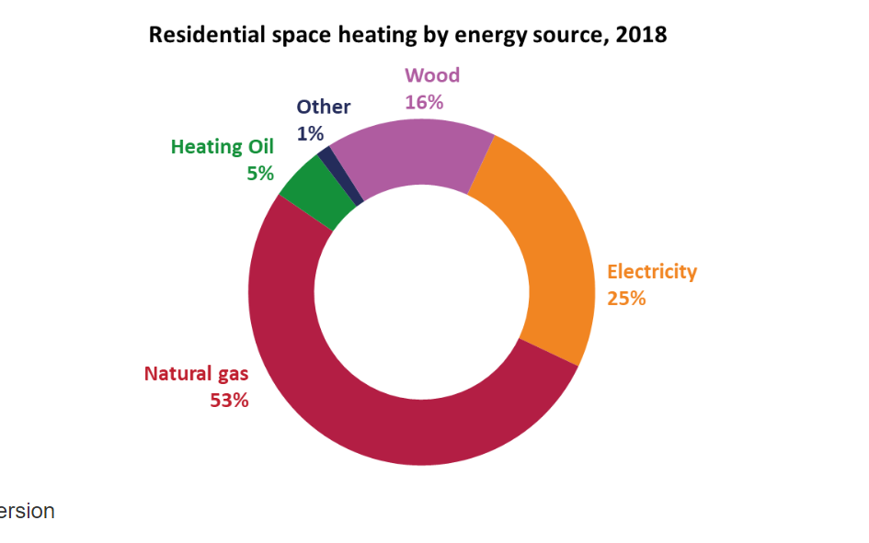
...

Demand_fraction
 | *Given the seasonal difference in residential energy demand (e.g., space heating or cooling), we referred to this research ( Erdemir D, Dincer I. Potential use of thermal energy storage for shifting cooling and heating load to off-peak load: A case study for residential building in Canada. Energy Storage. 2020;2:e125. https://doi.org/10.1002/est2.125) to split the demand seperately
...
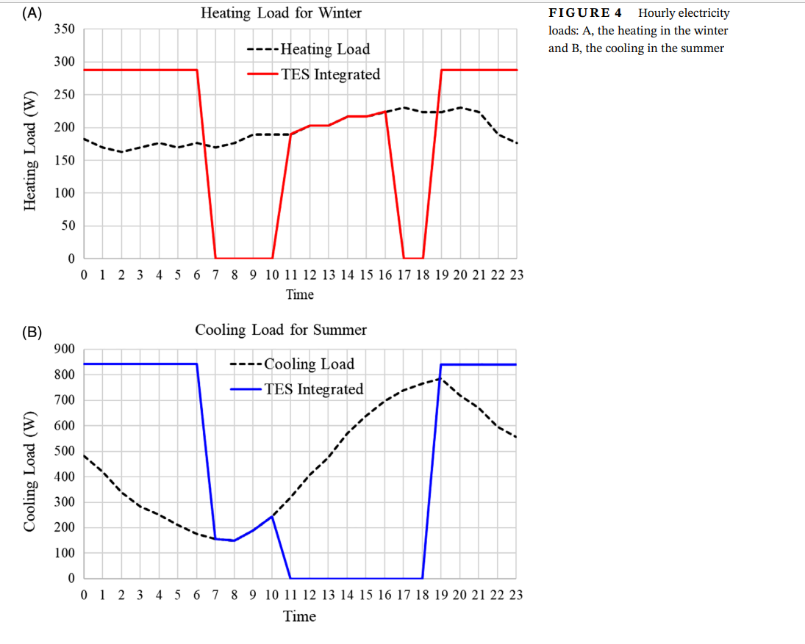
...
R_ES-SD-SpHeat
R_ES-SA-SpHeat
R_ES-AP-SpHeat
R_ES-MOB-SpHeat
R_ES-SD-SpCool
R_ES-SA-SpCool
R_ES-AP-SpCool
R_ES-MOB-SpCool
...
 |  |  |  | ~FI_T
 |  | Attribute | CommName | Timeslices | 2020 | Csets | Region
 |  | * | Demand Commodity Name
 |  | *Units
 |  | COM_FR | R_ES-SD-SpHeat | RH0_1 | 0 | DEM | AL
 |  | COM_FR | R_ES-SD-SpHeat | RH2_3 | 0 | DEM | AL
 |  | COM_FR | R_ES-SD-SpHeat | RH4_5 | 0 | DEM | AL
 |  | COM_FR | R_ES-SD-SpHeat | RH6_7 | 0 | DEM | AL
 |  | COM_FR | R_ES-SD-SpHeat | RH8_9 | 0 | DEM | AL
...

