Electric_vehecle
 |  |  |  |  |  |  |  |  |  | *Assuming there is only EV-Car and EV-truck without EV bus, because the website explains the large vehicle as follows: Passenger car Vehicle designed or adapted primarily to carry people on highways and streets. It seats a driver and no more than eight passengers. Large vehiclesThe large vehicles category includes multi-purpose vehicles (SUVs), pickup trucks, and vans. This category also applies to large electric vehicles. so the passenger car only refers to EV-Cars while large vehicle refers to EV-trucks

 |  |  |  |  |  |  |  |  |  | *Assuming that the total BEV-battery EV stock in 2020 is 5-times of the sale number, according to the sale-trends (since we have no clue of the number before 2017, so adopting this rough estimate method), from https://www.cer-rec.gc.ca/en/data-analysis/energy-markets/market-snapshots/2022/market-snapshot-record-high-electric-vehicle-sales-canada.html#:~:text=Electric%20vehicle%20%28EV%29%20sales%20are%20increasing%20in%20Canada,5.3%25%20of%20total%20vehicle%20registrations%20for%20that%20year.
 |  |  |  | 000 units |  |  |  |  |  | *Assuming that the total PHEV-PlugInHybridEV and HEV-HybridEV stock in 2020 is 10-times of the sale number, according to the sale-trends, from https://www.cer-rec.gc.ca/en/data-analysis/energy-markets/market-snapshots/2022/market-snapshot-record-high-electric-vehicle-sales-canada.html#:~:text=Electric%20vehicle%20%28EV%29%20sales%20are%20increasing%20in%20Canada,5.3%25%20of%20total%20vehicle%20registrations%20for%20that%20year.
 |  |  |  |  |  |  |  |  |  | *Note that the number for rest of canada will be evenly distributed to those provinced without indicated number
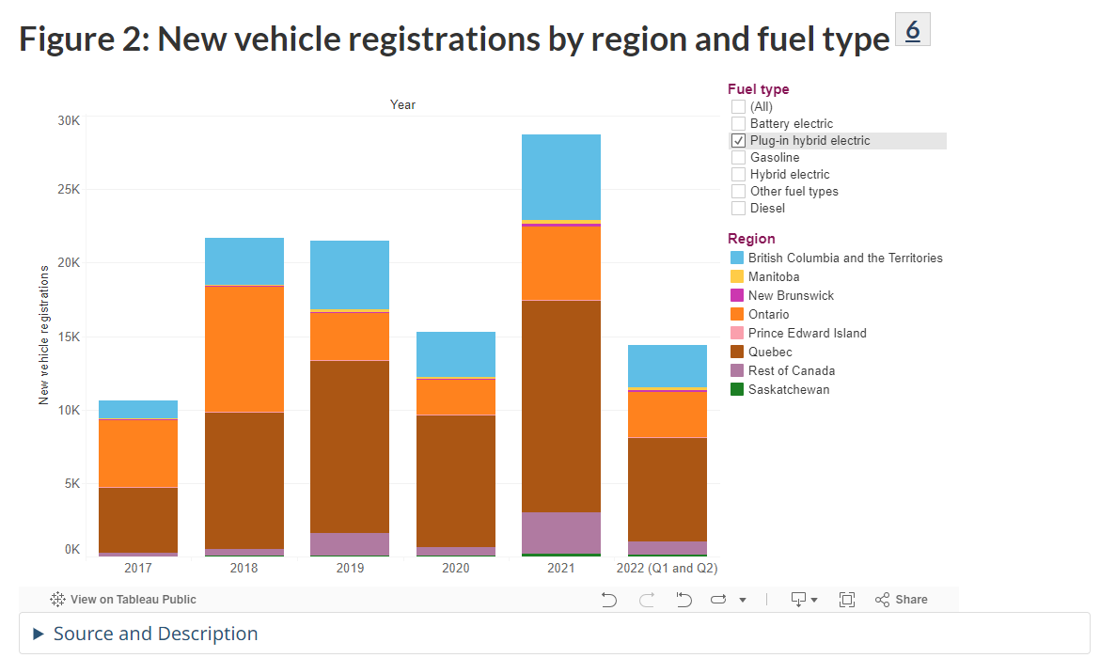
 |  |  |  | ~FI_T: Stock |  |  |  |  |  |  |  | 2017 |  |  |  |  |  |  |  |  | 2020 sales |  |  |  |  |  |  |  |  | 2020 STOCK
 |  | TechName | AT | QU | ON | MA | SA | AL | BC |  | AT | QU | ON | MA | SA | AL | BC |  |  | AT | QU | ON | MA | SA | AL | BC |  |  | AT | QU | ON | MA | SA | AL | BC
 |  | TRA_Car_BEV00 | 1.296845 | 52.9503675 | 25.310195 | 0.6546275 | 1.296845 | 1.296845 | 37.4999175 | BEV | 6 | 3347 | 3563 | 21 | 108 | 108 | 1913 |  | BEV | 418 | 17067 | 8158 | 211 | 418 | 418 | 12087 |  | BEV | 2090 | 85335 | 40790 | 1055 | 2090 | 2090 | 60435
 |  | TRA_Car_PHEV00 | 0.130305 | 56.062175 | 14.625185 | 0.6205 | 1.66294 | 1.66294 | 19.38442 | PHEV | 20 | 4448 | 4617 | 83 | 83 | 83 | 1229 |  | PHEV | 21 | 9035 | 2357 | 100 | 268 | 268 | 3124 |  | PHEV | 210 | 90350 | 23570 | 1000 | 2680 | 2680 | 31240
 |  | * |  |  |  |  |  |  |  |  |  |  |  |  |  |  |  |  | HEV | 773 | 8526 | 16807 | 883 | 603 | 5146 | 8715 |  | HEV | 7730 | 85260 | 168070 | 8830 | 6030 | 51460 | 87150
 |  | TRA_Car_HEV00 | 4.796465 | 52.90383 | 104.287435 | 5.479015 | 3.741615 | 31.93093 | 54.076575
 |  | *
 |  | TRA_Tru_BEV00 | 0.793155 | 32.3846325 | 15.479805 | 0.4003725 | 0.793155 | 0.793155 | 22.9350825
 |  | TRA_Tru_PHEV00 | 0.079695 | 34.287825 | 8.944815 | 0.3795 | 1.01706 | 1.01706 | 11.85558 | *we conbine the demand for EV with conventiona vehicle
 |  | *
 |  | TRA_Tru_HEV00 | 2.933535 | 32.35617 | 63.782565 | 3.350985 | 2.288385 | 19.52907 | 33.073425

 |  | ~FI_Process
 |  | Sets | TechName | TechDesc | Tact | Tcap | Tslvl | PrimaryCG |  |  |  | unit: bpkm
 |  | DMD | TRA_Car_BEV00 |  | BVkm | 000Veh
 |  |  | TRA_Car_PHEV00 |  | BVkm | 000Veh |  |  |  |  |  | FI_T: Demand
 |  |  | * |  |  |  |  |  |  |  |  | CommName | AT | QU | ON | MA | SA | AL | BC
 |  |  | TRA_Car_HEV00 |  | BVkm | 000Veh |  |  |  |  |  | TRA_Car_BEV | 0.040980302 | 1.673231613 | 0.799802162 | 0.020686229 | 0.040980302 | 0.040980302 | 1.184997393
 |  |  | * |  |  |  |  |  |  |  |  | TRA_Car_PHEV | 0.004117638 | 1.77156473 | 0.462155846 | 0.0196078 | 0.052548904 | 0.052548904 | 0.612547672
 |  |  | TRA_Tru_BEV00 |  | BVkm | 000Veh |  |  |  |  |  | *
 |  |  | TRA_Tru_PHEV00 |  | BVkm | 000Veh |  |  |  |  |  | TRA_Car_HEV | 0.151568294 | 1.671761028 | 3.295482946 | 0.173136874 | 0.118235034 | 1.009017388 | 1.70881977
 |  |  | * |  |  |  |  |  |  |  |  | *
 |  |  | TRA_Tru_HEV00 |  | BVkm | 000Veh |  |  |  |  |  | TRA_Tru_BEV | 0.0333283731 | 1.3608022577 | 0.6504614061 | 0.01682365245 | 0.0333283731 | 0.0333283731 | 0.96373216665
 |  |  |  |  |  |  |  |  |  |  |  | TRA_Tru_PHEV | 0.0033487839 | 1.4407744065 | 0.3758611263 | 0.01594659 | 0.0427368612 | 0.0427368612 | 0.4981714716
 |  |  |  |  |  |  |  |  |  |  |  | *
 |  |  |  |  |  |  |  |  |  |  |  | TRA_Tru_HEV | 0.1232671407 | 1.3596062634 | 2.6801433813 | 0.1408083897 | 0.0961579377 | 0.8206115214 | 1.3897453185

 |  | ~FI_Comm
 |  | Csets | CommName | CommDesc | Unit | LimType | CTSLvl | PeakTS | Ctype |  |  |  |  |  |  |  |  |  |  |  |  | 2017 | 2018 | 2019 | 2020 | 2021 | propotion
 |  | NRG | TRAELC |  |  |  |  |  |  |  |  |  |  |  |  |  |  |  |  |  | Passenger car | 15382 | 33713 | 41522 | 34045 | 36241 | 0.62046613143
 |  |  |  |  |  |  |  |  |  |  |  |  |  |  |  |  |  |  |  |  | Large vehicle | 4314 | 9367 | 14643 | 20308 | 49791 | 0.37953386857

 |  | unit: 000km

 |  | ~FI_T: AFA
 |  | TechName | AT | QU | ON | MA | SA | AL | BC
 |  | TRA_Car_BEV00 | 20 | 20 | 20 | 20 | 20 | 20 | 20 |  |  |  |  |  | 5.6157407407
 |  | TRA_Car_PHEV00 | 20 | 20 | 20 | 20 | 20 | 20 | 20
 |  | * |  |  |  |  |  |  |  | *energy intensity comparison: PJ/100 mile, so the EFF for EV is 5.6 times bigger than GSL economy car, and we assumes PHEV same, while that for HEV is 5.6+1/2=3.3 times following the assume that HEV consumes half gasoline
 |  | TRA_Car_HEV00 | 20 | 20 | 20 | 20 | 20 | 20 | 20 | EV Tesla |  | GASOLINE economic passenger car
 |  | * |  |  |  |  |  |  |  | 0.000000108 |  | 6.0650000613E-07
 |  | TRA_Tru_BEV00 | 22 | 22 | 22 | 22 | 22 | 22 | 22
 |  | TRA_Tru_PHEV00 | 22 | 22 | 22 | 22 | 22 | 22 | 22
 |  | *
 |  | TRA_Tru_HEV00 | 22 | 22 | 22 | 22 | 22 | 22 | 22

 |  |  |  |  | bpkm/PJ

 |  | ~FI_T: EFF
 |  | TechName | AT | QU | ON | MA | SA | AL | BC
 |  | TRA_Car_BEV00 | 3.304 | 3.304 | 3.304 | 3.304 | 3.304 | 3.304 | 3.304
 |  | TRA_Car_PHEV00 | 3.304 | 3.304 | 3.304 | 3.304 | 3.304 | 3.304 | 3.304 |  |  |  | *EV-car energy intensity (bpkm/PJ) is 5.6 times of conventional car, given that: (1) 25-30kwh/100 miles for tesla, it could be converted to 30/277777777.77778 PJ per 100miles, so it is 1.08*10^-7 PJ per 100 mile, from https://teslatale.com/watts-does-tesla-use/#:~:text=The%20power%20consumption%20of%20a%20Tesla%20varies%20depending,is%20equivalent%20to%2025-30%20kWh%20per%20100%20miles. (2) 5 gallon gasoline/100 miles for economy car, so it should be 5/8244023 PJ/100mile for .., so it's 6.065*10^-7 PJ/100 mile. Similar adopted for EV-Truck, compared with conventional truck
 |  | *
 |  | TRA_Car_HEV00 | 1.947 | 1.947 | 1.947 | 1.947 | 1.947 | 1.947 | 1.947
 |  | *
 |  | TRA_Tru_BEV00 | 1.288 | 1.288 | 1.288 | 1.288 | 1.288 | 1.288 | 1.288
 |  | TRA_Tru_PHEV00 | 1.288 | 1.288 | 1.288 | 1.288 | 1.288 | 1.288 | 1.288
 |  | *
 |  | TRA_Tru_HEV00 | 0.759 | 0.759 | 0.759 | 0.759 | 0.759 | 0.759 | 0.759

 |  | ~FI_T: SHARE-I~LO
TechName | Comm-IN | Comm-OUT | AT | QU | ON | MA | SA | AL | BC
TRA_Car_BEV00 | TRAELC | TRA_Car |  |  |  |  |  |  |  |  |  |  | *Assuming a hybrid EV consumes no more than 50% gasoline while PHEV consumes less 10%, that means most relying on electricity
TRA_Car_PHEV00 | TRAELC | TRA_Car | 90% | 90% | 90% | 90% | 90% | 90% | 90%
 | TRAGSL
TRA_Car_HEV00 | TRAELC | TRA_Car | 50% | 50% | 50% | 50% | 50% | 50% | 50%
 | TRAGSL
TRA_Tru_BEV00 | TRAELC | TRA_Tru
TRA_Tru_PHEV00 | TRAELC | TRA_Tru | 90% | 90% | 90% | 90% | 90% | 90% | 90%
 | TRAGSL
TRA_Tru_HEV00 | TRAELC | TRA_Tru | 50% | 50% | 50% | 50% | 50% | 50% | 50%
 | TRAGSL

Navigation_EFF_DEM
Source: natural resources canada
1 | PJ to PJ | NL | PEI | NS | NB | QU | ON | MA | SA | AL | BCnTE | *(the coefficient from PJ to mio tkm is from the average of EU countries)
Level_0 | Level_1 |  |  |  |  |  |  |  |  |  |  | * the data for this table is pasted from the website
Energy consumption (PJ) | Total | 3.00 | 2.00 | 4.30 | 2.20 | 17.50 | 17.00 | 0.00 | 0.00 | 0.00 | 27.90
 | Diesel fuel oil | 2.50 | 2.00 | 4.30 | 2.20 | 7.90 | 0.70 | 0.00 | 0.00 | 0.00 | 19.10
 | Heavy fuel oil | 0.40 | 0.00 | 0.00 | 0.00 | 9.70 | 16.30 | 0.00 | 0.00 | 0.00 | 8.80

~FI_Comm
Csets | CommName | CommDesc | Unit | LimType | CTSLvl | PeakTS | Ctype
DEM | TNav | Inland and coastal navigation | btkm
NRG | TRAHFO | Heavy fuel oil | PJ

~FI_Process
Sets | TechName | TechDesc | Tact | Tcap | Tslvl | PrimaryCG
DMD | TRA_Nav | Inland and coastal navigation | btkm | btkm-yr

*PJ/btkm, this unit same with EU-TIMES, but different to cars |  | ~FI_T: INPUT
TechName | Comm-IN | Comm-OUT | AT | QU | ON | MA | SA | AL | BC
TRA_Nav | TRADST | TNav | 0.31 | 0.31 | 0.31 | 0.31 | 0.31 | 0.31 | 0.31
 | TRAHFO
 | TRAELC

*Unit: btkm
~FI_T: Demand
CommName | AT | QU | ON | MA | SA | AL | BC
TNav | 36.52515 | 55.58175 | 53.9937 | 0 | 0 | 0 | 88.61319
 |  |  |  |  |  |  |  |  |  |  |  |  |  |  | *It was assumed that in the future the navigation could be powered partly by electricity (80%), and hydrogen (10%, with co2 emissions), but we have not considered biomass

*PJ/btkm |  | ~FI_T: Share-I~UP |  |  |  |  |  |  |  |  |  | *PJ/btkm |  | ~FI_T: Share-I~UP~2050
TechName | Comm-IN | Comm-OUT | AT | QU | ON | MA | SA | AL | BC |  |  | TechName | Comm-IN | Comm-OUT | AT | QU | ON | MA | SA | AL | BC
TRA_Nav | TRADST | TNav |  |  |  |  |  |  |  |  |  | TRA_Nav | TRADST | TNav
 | TRAHFO |  |  |  |  |  |  |  |  |  |  |  | TRAHFO
 | TRAELC |  | 0% | 0% | 0% | 0% | 0% | 0% | 0% |  |  |  | TRAELC |  | 10% | 10% | 10% | 10% | 10% | 10% | 10%

*btkm/mtkm |  | /FI_T: CAP2ACT
TechName | Comm-IN | Comm-OUT | AT | QU | ON | MA | SA | AL | BC
TRA_Nav | TRADST | TNav | 0.001 | 0.001 | 0.001 | 0.001 | 0.001 | 0.001 | 0.001
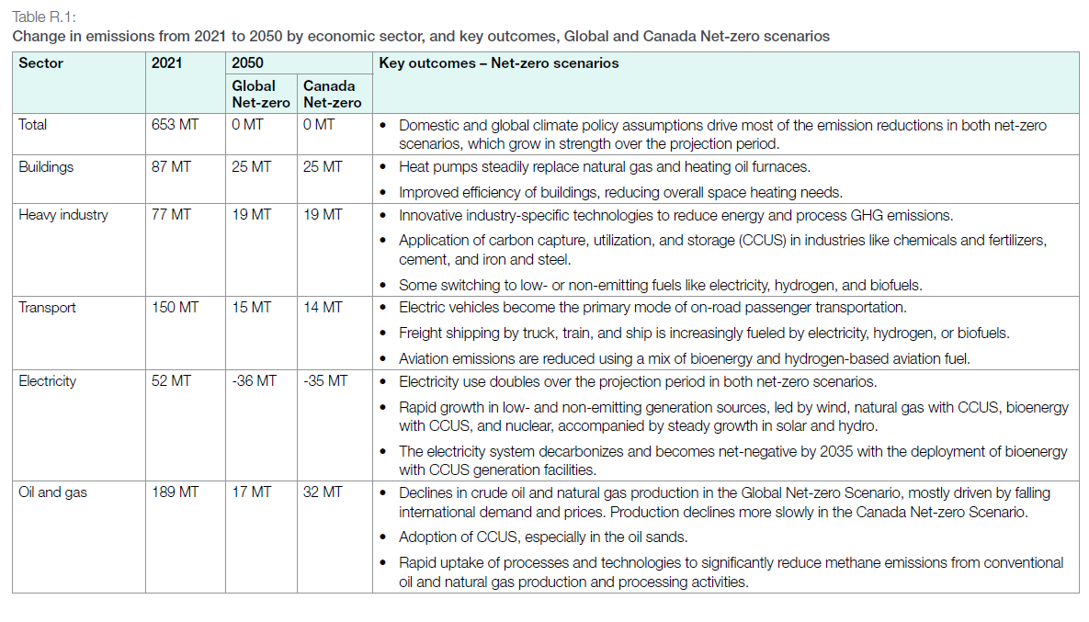
 | TRAHFO

*'Passenger or ton/ship |  | /FI_T: ACTFLO~DEMO
TechName | Comm-IN | Comm-OUT | AT | QU | ON | MA | SA | AL | BC
TRA_Nav | TRADST | TNav | 1000.00 | 1000.00 | 1000.00 | 1000.00 | 1000.00 | 1000.00 | 1000.00 |  | *assuming one cargo ship carry 1000 ton staff
 | TRAHFO

*'1000 km |  | /FI_T: AFA
TechName | Comm-IN | Comm-OUT | AT | QU | ON | MA | SA | AL | BC
TRA_Nav | TRADST | TNav | 144.00 | 144.00 | 144.00 | 144.00 | 144.00 | 144.00 | 144.00 |  | *assuming one cargo ship travel 200 days every year, with a speed of 30 mile per hour
 | TRAHFO

*Units |  | /FI_T: STOCK
TechName | Comm-IN | Comm-OUT | AT | QU | ON | MA | SA | AL | BC
TRA_Nav | TRADST | TNav | 253.646875 | 385.984375 | 374.956250 | 0.000000 | 0.000000 | 0.000000 | 615.369375
 | TRAHFO

 |  | /FI_T: LIFE
TechName | Comm-IN | Comm-OUT | AT | QU | ON | MA | SA | AL | BC
TRA_Nav | TRADST | TNav | 30.00 | 30.00 | 30.00 | 30.00 | 30.00 | 30.00 | 30.00
 | TRAHFO

*CAD$/ ship cargo/ yr |  | /FI_T: FIXOM
TechName | Comm-IN | Comm-OUT | AT | QU | ON | MA | SA | AL | BC |  | *assuming same operating and management expense for cargo and plane, 9.11MCAD/cargo/year
TRA_Nav | TRADST | TNav | 9.11 | 9.11 | 9.11 | 9.11 | 9.11 | 9.11 | 9.11
 | TRAHFO

Attribute | CommName | Timeslices | 2020 | Csets
* | Demand Commodity Name
*Units
COM_FR | TNav | RD | 0.094178082192 | DEM
COM_FR | TNav | RN | 0.10273972603 | DEM
COM_FR | TNav | RP | 0.0085616438356 | DEM
COM_FR | TNav | SD | 0.12682648402 | DEM
COM_FR | TNav | SN | 0.13835616438 | DEM
COM_FR | TNav | SP | 0.011529680365 | DEM
COM_FR | TNav | FD | 0.099200913242 | DEM
COM_FR | TNav | FN | 0.10821917808 | DEM
COM_FR | TNav | FP | 0.0090182648402 | DEM
COM_FR | TNav | WD | 0.13812785388 | DEM
COM_FR | TNav | WN | 0.15068493151 | DEM
COM_FR | TNav | WP | 0.012557077626 | DEM

Emi
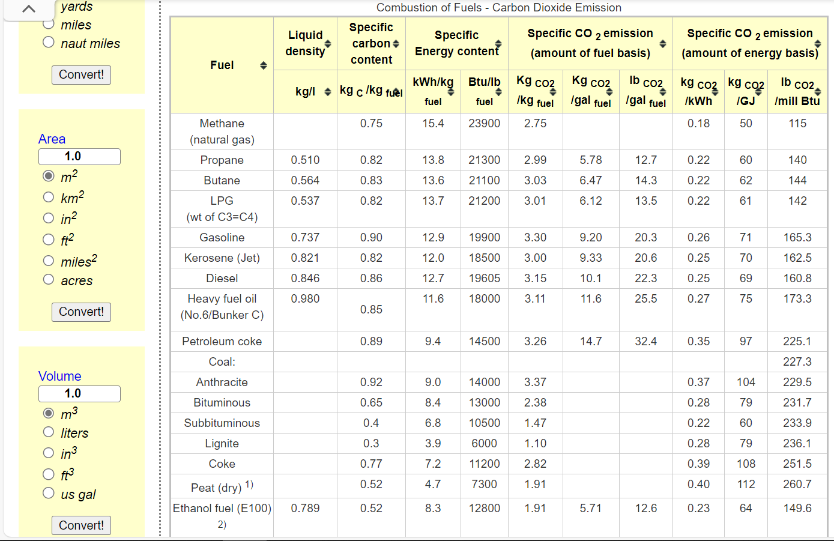
Dynamic coefficients for combustion emissions in transport
~COMEMI
CommName | TRALPG | TRAJTK | TRADST | TRAHFO | TRAGAS | TRAGSL | TRATURBOFUEL
TRACO2N | 70.480769231 | 70 | 88.326093913 | 75 | 50 | 67.38714816 | 70

 |  |  |  |  |  |  |  | *We calculate the combustion factor by referring to the energy use and carbon emission data from Natural Resources Canada (average of those sub-sector cases), and the lacking data referred to https://www.engineeringtoolbox.com/co2-emission-fuels-d_1085.html

