NUC
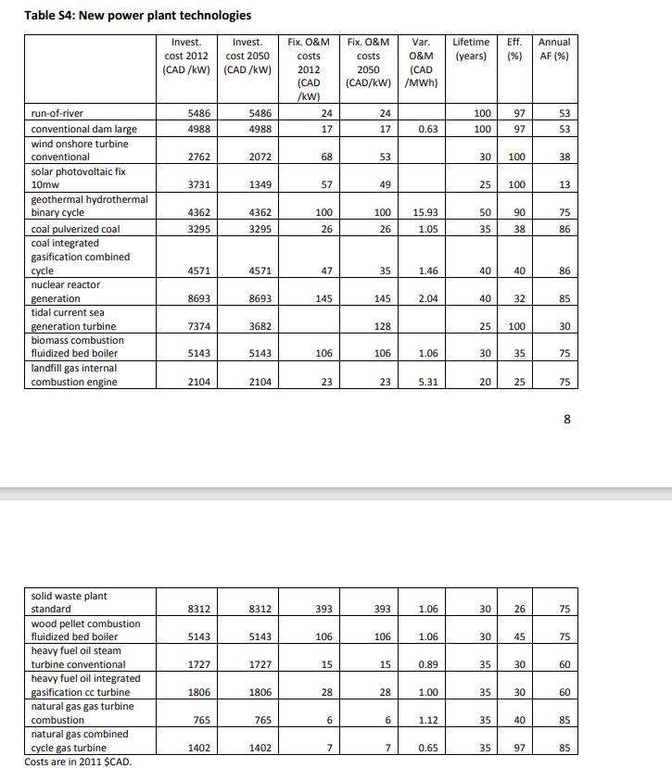
 |  |  |  |  | Net capacity (latest) | Gross capacity (latest) |  |  |  |  | Interpolation rule |  |  |  | Expiration date of the license, however it doesn't mean this plant will be decommissioned
 |  |  |  | ~FI_T
TechName | Comm-IN | Comm-OUT | * | Year | * | * | AFA | STOCK | NCAP_BND~UP | NCAP_BND~FX | NCAP_BND~FX~0 | FIXOM | VAROM | INVCOST | * | Life | EFF | Peak | Cap2Act | ACTBND | *Link source for stocks
 | *Comment row |  |  |  | GW | GW |  | GW | GW | GW |  | CAD/kW | MCAD/PJ~CAD/GJ (the EU-TIMES) | CAD/kW |  | Years | % |  | PJ/GW
ENCAN_BRUCE | ELCNUC | ELC | ON | 2020 | 6.232 | 6.232 | 0.85 | 6.232 |  |  |  | 145 | 0.41 | 8693 | 2028 | 40 | 0.32 | 1 | 31.536 | 53.46 | Bruce A and B Nuclear Generating Stations (cnsc-ccsn.gc.ca)
ENCAN_Pickering | ELCNUC | ELC | ON | 2020 | 3.100 | 3.100 | 0.85 | 3.100 |  |  |  | 145 | 0.41 | 8693 | 2028 | 40 | 0.32 | 1 | 31.536 | 26.59 | Pickering Nuclear Generating Station (cnsc-ccsn.gc.ca)
ENCAN_Clarington | ELCNUC | ELC | ON | 2020 | 3.512 | 3.512 | 0.85 | 3.512 |  |  |  | 145 | 0.41 | 8693 | 2025 | 40 | 0.32 | 1 | 31.536 | 30.13 | Pickering Nuclear Generating Station (cnsc-ccsn.gc.ca)
ENCAN_PLNGS | ELCNUC | ELC | AT | 2020 | 0.705 | 0.705 | 0.85 | 0.705 |  |  |  | 145 | 0.41 | 8693 | 2032 | 40 | 0.32 | 1 | 31.536 | 6.05 | Point Lepreau Nuclear Generating Station (cnsc-ccsn.gc.ca)

 |  |  |  |  |  |  |  |  |  |  |  |  |  |  |  |  |  |  |  |  | *We have not considered the income from nuclear export, and neither for electricity exports

 |  |  |  | Total existing GW | 13.549 | Deployed GW/yr | #DIV/0!
 |  |  |  | Total new GW | 0.000 | Years deployment | 0

~FI_Process
Sets | TechName | TechDesc |  | Tact | Tcap | Tslvl | PrimaryCG | Vintage
ELE | ENCAN_BRUCE | Nuclear Power Plant: |  | PJ | GW | SEASON
 | ENCAN_Pickering | Nuclear Power Plant: |  | PJ | GW | SEASON
 | ENCAN_Clarington | Nuclear Power Plant: |  | PJ | GW | SEASON
 | ENCAN_PLNGS | Nuclear Power Plant: |  | PJ | GW | SEASON

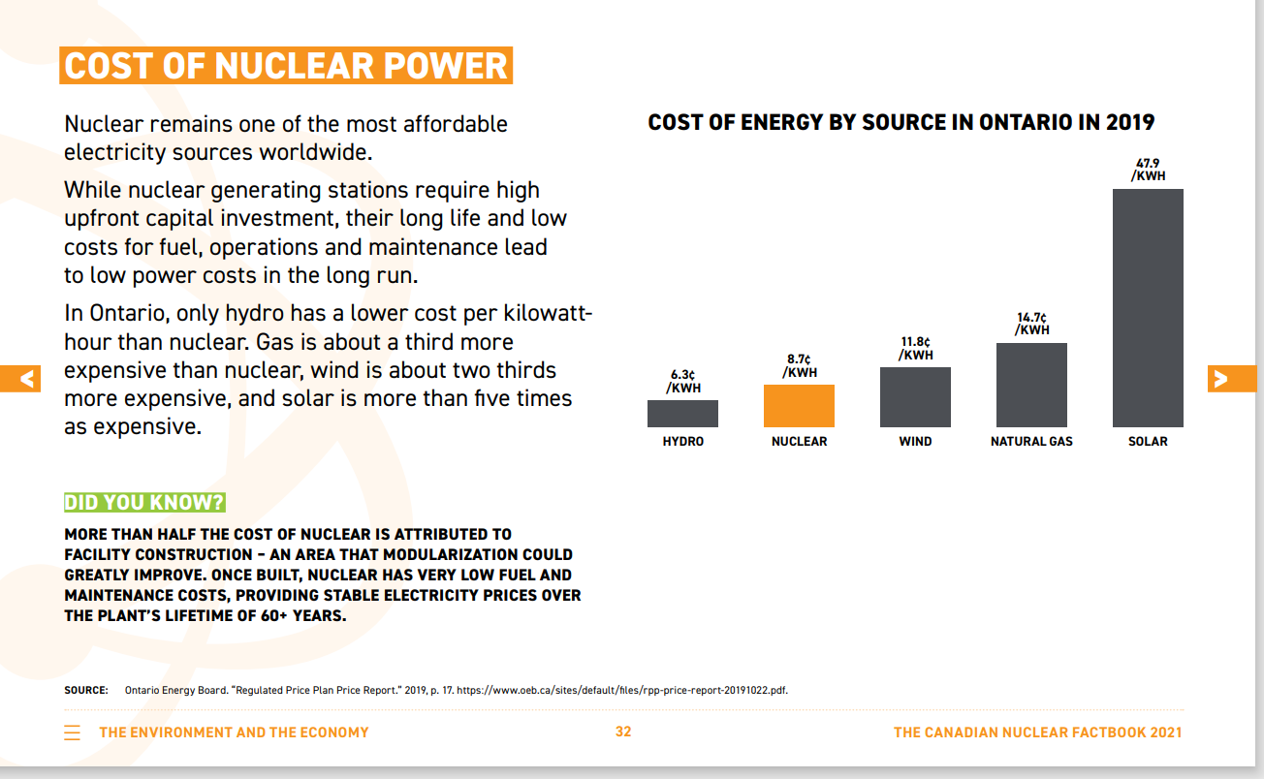
 |  |  |  |  |  |  |  |  |  |  |  |  | *The VAROM of nuclear is the average (1.46 CAD/MWh, ~0.41CAD/GJ) of (1) the value from the canadian nuclear facebook 2021 (0.87CAD/MWh), and (2) the NATEM data (2.04CAD/MWh, the second attached pic)
 |  |  |  |  |  |  |  |  |  |  |  |  | *Other parameters referred to the report data of NATEM

