Win-AF and STOCK
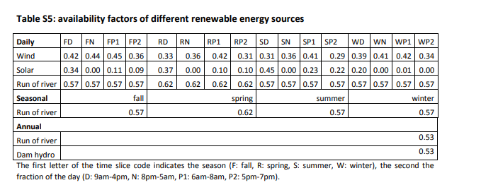
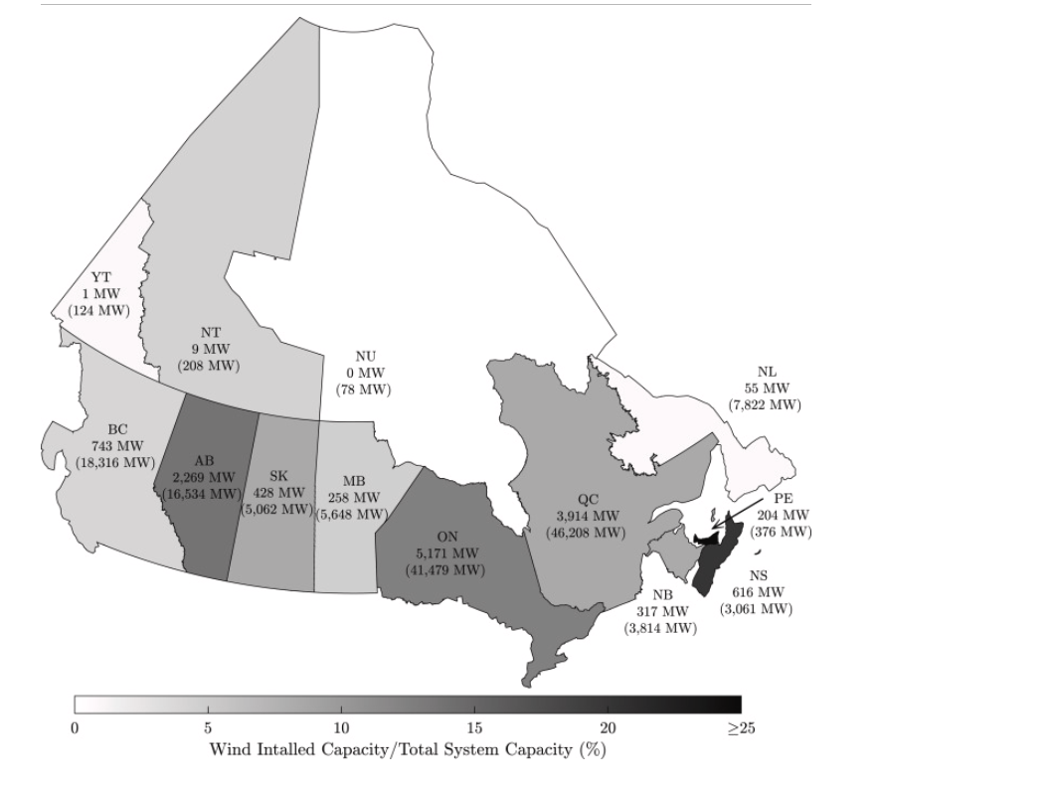
 |  |  |  |  |  |  |  |  |  |  |  | *we considered the available factor for onshore/offshore wind same, following the value opened of natem |  |  | *NATEM uses the data made available by the Canadian Wind Energy Association (CanWEA) in their Pan-Canadian wind integration study [5]. The data includes projections of wind production per hour for 4984 sites in Canada, 1382 in Quebec. Different sites are used to evaluate various levels of wind power penetration. For consistency, we used just the sites included in the 35% wind power penetration scenario, which was chosen as maximum yearly penetration leve
 |  | *why is there no stock for wind/PV, compared with hydropower in EU? We completed it here
Available factor at local time |  |  |  |  |  |  |  |  |  |  |  |  |  |  |  |  |  |  |  |  |  |  |  |  |  |  |  |  |  |  |  |  | *PV stock is from https://www.statista.com/statistics/472761/capacity-solar-pv-energy-in-canada-by-province/
 |  |  |  |  |  |  |  |  |  |  |  |  |  |  |  |  |  | ~TFM_INS
 |  |  |  |  |  |  |  |  |  |  |  |  |  |  |  |  | Attribute | Year | Pset_PN | AllRegions | AT | QU | ON | MA | SA | AL | BC |  |  |  |  |  | *onshore provincial wind capacity is from 2021 dat, mapped in https://www.sciencedirect.com/science/article/pii/S1364032122005792#fig1
 |  |  |  |  |  |  |  |  |  |  |  |  |  |  |  |  | STOCK | 2020 | EEPP_PV |  | 0.005 | 0.00625 | 3.21 | 0.0358 | 0.048 | 0.275 | 0.03618
 |  |  |  |  |  |  |  |  |  |  |  |  |  |  |  |  | STOCK | 2020 | EEPP_WindON |  | 1.192 | 3.9 | 5.17 | 0.26 | 0.428 | 2.27 | 0.743
 |  |  |  |  |  |  |  |  |  |  |  |  |  |  |  |  | STOCK | 2020 | EEPP_WindOFF |  | 0 | 0 | 0 | 0 | 0 | 0 | 0

Time zone translation | *The AT four provinces are 4,4,3,2.5 hours behind UTC, respectively. so we set the average behind time as 3.375 hours; ON as 4 hours before UTC (from the data source for demand fraction here https://energy-information.canada.ca/en/resources/high-frequency-electricity-data) |  |  |  |  | *The data source about local time has some mistakes (although from Canada's government), indicated by the average load of Quebec demand (the below figure shows the hourly demand related to the UTC time from the data source): It shows that UTC 0AM and 13PM at peak demand which is reasonable because the local time would be 19PM and 8AM (aligning with the NATEM model data source). However the local data reported in the data source is UTC+2 which is wrong

Local time | Day period | UTC time
 |  | AT | QU | ON | MA | SA | AL | BC |  |  |  |  |  |  |  |  |  |  |  |  |  |  |  |  |  |  |  |  |  |  |  |  |  |  |  | Attribute | Year | Pset_PN | AllRegions | AT | QU | ON | MA | SA | AL | BC
9AM-16PM | D | 12.375 PM-19.375 PM | 13PM-20PM | 13PM-20PM | 15PM-22PM | 16PM-23PM | 16PM-23PM | 16PM-23PM |  |  |  |  |  |  |  |  |  |  |  |  |  |  |  |  |  |  |  |  |  |  |  |  |  |  |  | STOCK | 2020 | EEPP_PV |  | 0.005 | 0.00625 | 3.21 | 0.0358 | 0.048 | 0.275 | 0.03618
20PM-5AM | N | 23.375 PM-8.375AM | 0AM-9AM | 0AM-9AM | 2AM-11PM | 3AM-12PM | 3AM-12PM | 3AM-12PM |  |  |  |  |  |  |  |  |  |  |  |  |  |  |  |  |  |  |  |  |  |  |  |  |  |  |  | STOCK | 2020 | EEPP_WindOFF |  | 0 | 0 | 0 | 0 | 0 | 0 | 0
6AM-8AM | P1 | 9.375AM-11.375AM | 10AM-12AM | 10AM-12AM | 12PM-14PM | 13PM-15PM | 13PM-15PM | 13PM-15PM |  |  |  |  |  |  |  |  |  |  |  |  |  |  |  |  |  |  |  |  |  |  |  |  |  |  |  | STOCK | 2020 | EEPP_WindON |  | 1.192 | 3.9 | 5.17 | 0.26 | 0.428 | 2.27 | 0.743
17PM-19PM | P2 | 20.375PM-22.375PM | 21PM-23PM | 21PM-23PM | 23PM-1AM | 0AM-2AM | 0AM-2AM | 0AM-2AM

~TFM_INS |  |  |  |  |  |  |  |  | ~TFM_INS |  |  |  |  |  |  |  |  | ~TFM_INS |  |  |  |  |  |  |  |  | ~TFM_INS
TimeSlice | LimType | Attribute | Year | AT | Pset_Set | Pset_CI |  |  | TimeSlice | LimType | Attribute | Year | QU | ON | Pset_Set | Pset_CI |  | TimeSlice | LimType | Attribute | Year | MA | Pset_Set | Pset_CI |  |  | TimeSlice | LimType | Attribute | Year | SA | AL | BC | Pset_Set | Pset_CI
FH12_13,FH14_15,FH16_17,FH18_19 | FX | NCAP_AF | 2020,2100 | 0.42 |  | ELCWIN |  |  | FH14_15,FH16_17,FH18_19,FH20_21 | FX | NCAP_AF | 2020,2100 | 0.42 | 0.42 |  | ELCWIN |  | FH16_17,FH18_19,FH20_21,FH22_23 | FX | NCAP_AF | 2020,2100 | 0.42 |  | ELCWIN |  |  | FH16_17,FH18_19,FH20_21,FH22_23 | FX | NCAP_AF | 2020,2100 | 0.42 | 0.42 | 0.42 |  | ELCWIN
FH0_1,FH2_3,FH4_5,FH6_7,FH8_9 | FX | NCAP_AF | 2020,2100 | 0.44 |  | ELCWIN |  |  | FH0_1,FH2_3,FH4_5,FH6_7,FH8_9 | FX | NCAP_AF | 2020,2100 | 0.44 | 0.44 |  | ELCWIN |  | FH2_3,FH4_5,FH6_7,FH8_9,FH10_11 | FX | NCAP_AF | 2020,2100 | 0.44 |  | ELCWIN |  |  | FH4_5,FH6_7,FH8_9,FH10_11,FH12_13 | FX | NCAP_AF | 2020,2100 | 0.44 | 0.44 | 0.44 |  | ELCWIN
FH10_11 | FX | NCAP_AF | 2020,2100 | 0.45 |  | ELCWIN |  |  | FH10_11,FH12_13 | FX | NCAP_AF | 2020,2100 | 0.45 | 0.45 |  | ELCWIN |  | FH12_13,FH14_15 | FX | NCAP_AF | 2020,2100 | 0.45 |  | ELCWIN |  |  | FH14_15 | FX | NCAP_AF | 2020,2100 | 0.45 | 0.45 | 0.45 |  | ELCWIN
FH20_21,FH22_23 | FX | NCAP_AF | 2020,2100 | 0.36 |  | ELCWIN |  |  | FH22_23 | FX | NCAP_AF | 2020,2100 | 0.36 | 0.36 |  | ELCWIN |  | FH0_1 | FX | NCAP_AF | 2020,2100 | 0.36 |  | ELCWIN |  |  | FH0_1,FH2_3 | FX | NCAP_AF | 2020,2100 | 0.36 | 0.36 | 0.36 |  | ELCWIN
RH12_13,RH14_15,RH16_17,RH18_19 | FX | NCAP_AF | 2020,2100 | 0.33 |  | ELCWIN |  |  | RH14_15,RH16_17,RH18_19,RH20_21 | FX | NCAP_AF | 2020,2100 | 0.33 | 0.33 |  | ELCWIN |  | RH16_17,RH18_19,RH20_21,RH22_23 | FX | NCAP_AF | 2020,2100 | 0.33 |  | ELCWIN |  |  | RH16_17,RH18_19,RH20_21,RH22_23 | FX | NCAP_AF | 2020,2100 | 0.33 | 0.33 | 0.33 |  | ELCWIN
RH0_1,RH2_3,RH4_5,RH6_7,RH8_9 | FX | NCAP_AF | 2020,2100 | 0.36 |  | ELCWIN |  |  | RH0_1,RH2_3,RH4_5,RH6_7,RH8_9 | FX | NCAP_AF | 2020,2100 | 0.36 | 0.36 |  | ELCWIN |  | RH2_3,RH4_5,RH6_7,RH8_9,RH10_11 | FX | NCAP_AF | 2020,2100 | 0.36 |  | ELCWIN |  |  | RH4_5,RH6_7,RH8_9,RH10_11,RH12_13 | FX | NCAP_AF | 2020,2100 | 0.36 | 0.36 | 0.36 |  | ELCWIN
RH10_11 | FX | NCAP_AF | 2020,2100 | 0.42 |  | ELCWIN |  |  | RH10_11,RH12_13 | FX | NCAP_AF | 2020,2100 | 0.42 | 0.42 |  | ELCWIN |  | RH12_13,RH14_15 | FX | NCAP_AF | 2020,2100 | 0.42 |  | ELCWIN |  |  | RH14_15 | FX | NCAP_AF | 2020,2100 | 0.42 | 0.42 | 0.42 |  | ELCWIN
RH20_21,RH22_23 | FX | NCAP_AF | 2020,2100 | 0.31 |  | ELCWIN |  |  | RH22_23 | FX | NCAP_AF | 2020,2100 | 0.31 | 0.31 |  | ELCWIN |  | RH0_1 | FX | NCAP_AF | 2020,2100 | 0.31 |  | ELCWIN |  |  | RH0_1,RH2_3 | FX | NCAP_AF | 2020,2100 | 0.31 | 0.31 | 0.31 |  | ELCWIN
SH12_13,SH14_15,SH16_17,SH18_19 | FX | NCAP_AF | 2020,2100 | 0.31 |  | ELCWIN |  |  | SH14_15,SH16_17,SH18_19,SH20_21 | FX | NCAP_AF | 2020,2100 | 0.31 | 0.31 |  | ELCWIN |  | SH16_17,SH18_19,SH20_21,SH22_23 | FX | NCAP_AF | 2020,2100 | 0.31 |  | ELCWIN |  |  | SH16_17,SH18_19,SH20_21,SH22_23 | FX | NCAP_AF | 2020,2100 | 0.31 | 0.31 | 0.31 |  | ELCWIN
SH0_1,SH2_3,SH4_5,SH6_7,SH8_9 | FX | NCAP_AF | 2020,2100 | 0.36 |  | ELCWIN |  |  | SH0_1,SH2_3,SH4_5,SH6_7,SH8_9 | FX | NCAP_AF | 2020,2100 | 0.36 | 0.36 |  | ELCWIN |  | SH2_3,SH4_5,SH6_7,SH8_9,SH10_11 | FX | NCAP_AF | 2020,2100 | 0.36 |  | ELCWIN |  |  | SH4_5,SH6_7,SH8_9,SH10_11,SH12_13 | FX | NCAP_AF | 2020,2100 | 0.36 | 0.36 | 0.36 |  | ELCWIN
SH10_11 | FX | NCAP_AF | 2020,2100 | 0.41 |  | ELCWIN |  |  | SH10_11,SH12_13 | FX | NCAP_AF | 2020,2100 | 0.41 | 0.41 |  | ELCWIN |  | SH12_13,SH14_15 | FX | NCAP_AF | 2020,2100 | 0.41 |  | ELCWIN |  |  | SH14_15 | FX | NCAP_AF | 2020,2100 | 0.41 | 0.41 | 0.41 |  | ELCWIN
SH20_21,SH22_23 | FX | NCAP_AF | 2020,2100 | 0.29 |  | ELCWIN |  |  | SH22_23 | FX | NCAP_AF | 2020,2100 | 0.29 | 0.29 |  | ELCWIN |  | SH0_1 | FX | NCAP_AF | 2020,2100 | 0.29 |  | ELCWIN |  |  | SH0_1,SH2_3 | FX | NCAP_AF | 2020,2100 | 0.29 | 0.29 | 0.29 |  | ELCWIN
WH12_13,WH14_15,WH16_17,WH18_19 | FX | NCAP_AF | 2020,2100 | 0.39 |  | ELCWIN |  |  | WH14_15,WH16_17,WH18_19,WH20_21 | FX | NCAP_AF | 2020,2100 | 0.39 | 0.39 |  | ELCWIN |  | WH16_17,WH18_19,WH20_21,WH22_23 | FX | NCAP_AF | 2020,2100 | 0.39 |  | ELCWIN |  |  | WH16_17,WH18_19,WH20_21,WH22_23 | FX | NCAP_AF | 2020,2100 | 0.39 | 0.39 | 0.39 |  | ELCWIN
WH0_1,WH2_3,WH4_5,WH6_7,WH8_9 | FX | NCAP_AF | 2020,2100 | 0.41 |  | ELCWIN |  |  | WH0_1,WH2_3,WH4_5,WH6_7,WH8_9 | FX | NCAP_AF | 2020,2100 | 0.41 | 0.41 |  | ELCWIN |  | WH2_3,WH4_5,WH6_7,WH8_9,WH10_11 | FX | NCAP_AF | 2020,2100 | 0.41 |  | ELCWIN |  |  | WH4_5,WH6_7,WH8_9,WH10_11,WH12_13 | FX | NCAP_AF | 2020,2100 | 0.41 | 0.41 | 0.41 |  | ELCWIN
WH10_11 | FX | NCAP_AF | 2020,2100 | 0.42 |  | ELCWIN |  |  | WH10_11,WH12_13 | FX | NCAP_AF | 2020,2100 | 0.42 | 0.42 |  | ELCWIN |  | WH12_13,WH14_15 | FX | NCAP_AF | 2020,2100 | 0.42 |  | ELCWIN |  |  | WH14_15 | FX | NCAP_AF | 2020,2100 | 0.42 | 0.42 | 0.42 |  | ELCWIN
WH20_21,WH22_23 | FX | NCAP_AF | 2020,2100 | 0.34 |  | ELCWIN |  |  | WH22_23 | FX | NCAP_AF | 2020,2100 | 0.34 | 0.34 |  | ELCWIN |  | WH0_1 | FX | NCAP_AF | 2020,2100 | 0.34 |  | ELCWIN |  |  | WH0_1,WH2_3 | FX | NCAP_AF | 2020,2100 | 0.34 | 0.34 | 0.34 |  | ELCWIN

FH12,FH13,FH14,FH15,FH16,FH17,FH18,FH19 | FH12_13, FH14_15, FH16_17, FH18_19 |  |  |  |  |  |  |  | FH13,FH14,FH15,FH16,FH17,FH18,FH19,FH20 | FH14_15, FH16_17, FH18_19, FH20_21 |  |  |  |  |  |  |  | FH15,FH16,FH17,FH18,FH19,FH20,FH21,FH22 | FH16_17, FH18_19, FH20_21,FH22_23 |  |  |  |  |  |  |  | FH16,FH17,FH18,FH19,FH20,FH21,FH22,FH23 | FH16_17, FH18_19, FH20_21, FH22_23
FH23,FH0,FH1,FH2,FH3,FH4,FH5,FH6,FH7,FH8 | FH0_1, FH2_3, FH4_5, FH6_7,FH8_9 |  |  |  |  |  |  |  | FH0,FH1,FH2,FH3,FH4,FH5,FH6,FH7,FH8,FH9 | FH0_1, FH2_3, FH4_5, FH6_7, FH8_9 |  |  |  |  |  |  |  | FH2,FH3,FH4,FH5,FH6,FH7,FH8,FH9,FH10,FH11 | FH2_3, FH4_5, FH6_7, FH8_9, FH10_11 |  |  |  |  |  |  |  | FH3,FH4,FH5,FH6,FH7,FH8,FH9,FH10,FH11,FH12 | FH4_5, FH6_7, FH8_9, FH10_11,FH12_13
FH9,FH10,FH11 | FH10_11 |  |  |  |  |  |  |  | FH10,FH11,FH12 | FH10_11, FH12_13 |  |  |  |  |  |  |  | FH12,FH13,FH14 | FH12_13, FH14_15 |  |  |  |  |  |  |  | FH13,FH14,FH15 | FH14_15
FH20,FH21,FH22 | FH20_21, FH22_23 |  |  |  |  |  |  |  | FH21,FH22,FH23 | FH22_23 |  |  |  |  |  |  |  | FH23,FH0,FH1 | FH0_1 |  |  |  |  |  |  |  | FH0,FH1,FH2 | FH0_1, FH2_3
RH12,RH13,RH14,RH15,RH16,RH17,RH18,RH19 | RH12_13, RH14_15, RH16_17, RH18_19 |  |  |  |  |  |  |  | RH13,RH14,RH15,RH16,RH17,RH18,RH19,RH20 | RH14_15, RH16_17, RH18_19,RH20_21 |  |  |  |  |  |  |  | RH15,RH16,RH17,RH18,RH19,RH20,RH21,RH22 | RH16_17, RH18_19, RH20_21,RH22_23 |  |  |  |  |  |  |  | RH16,RH17,RH18,RH19,RH20,RH21,RH22,RH23 | RH16_17, RH18_19, RH20_21, RH22_23
RH23,RH0,RH1,RH2,RH3,RH4,RH5,RH6,RH7,RH8 | RH0_1, RH2_3, RH4_5, RH6_7,RH8_9 |  |  |  |  |  |  |  | RH0,RH1,RH2,RH3,RH4,RH5,RH6,RH7,RH8,RH9 | RH0_1, RH2_3, RH4_5, RH6_7, RH8_9 |  |  |  |  |  |  |  | RH2,RH3,RH4,RH5,RH6,RH7,RH8,RH9,RH10,RH11 | RH2_3, RH4_5, RH6_7, RH8_9, RH10_11 |  |  |  |  |  |  |  | RH3,RH4,RH5,RH6,RH7,RH8,RH9,RH10,RH11,RH12 | RH4_5, RH6_7, RH8_9, RH10_11,RH12_13
RH9,RH10,RH11 | RH10_11 |  |  |  |  |  |  |  | RH10,RH11,RH12 | RH10_11, RH12_13 |  |  |  |  |  |  |  | RH12,RH13,RH14 | RH12_13, RH14_15 |  |  |  |  |  |  |  | RH13,RH14,RH15 | RH14_15
RH20,RH21,RH22 | RH20_21, RH22_23 |  |  |  |  |  |  |  | RH21,RH22,RH23 | RH22_23 |  |  |  |  |  |  |  | RH23,RH0,RH1 | RH0_1 |  |  |  |  |  |  |  | RH0,RH1,RH2 | RH0_1, RH2_3
SH12,SH13,SH14,SH15,SH16,SH17,SH18,SH19 | SH12_13, SH14_15, SH16_17, SH18_19 |  |  |  |  |  |  |  | SH13,SH14,SH15,SH16,SH17,SH18,SH19,SH20 | SH14_15, SH16_17, SH18_19,SH20_21 |  |  |  |  |  |  |  | SH15,SH16,SH17,SH18,SH19,SH20,SH21,SH22 | SH16_17, SH18_19, SH20_21,SH22_23 |  |  |  |  |  |  |  | SH16,SH17,SH18,SH19,SH20,SH21,SH22,SH23 | SH16_17, SH18_19, SH20_21, SH22_23
SH23,SH0,SH1,SH2,SH3,SH4,SH5,SH6,SH7,SH8 | SH0_1, SH2_3, SH4_5, SH6_7,SH8_9 |  |  |  |  |  |  |  | SH0,SH1,SH2,SH3,SH4,SH5,SH6,SH7,SH8,SH9 | SH0_1, SH2_3, SH4_5, SH6_7, SH8_9 |  |  |  |  |  |  |  | SH2,SH3,SH4,SH5,SH6,SH7,SH8,SH9,SH10,SH11 | SH2_3, SH4_5, SH6_7, SH8_9, SH10_11 |  |  |  |  |  |  |  | SH3,SH4,SH5,SH6,SH7,SH8,SH9,SH10,SH11,SH12 | SH4_5, SH6_7, SH8_9, SH10_11,SH12_13
SH9,SH10,SH11 | SH10_11 |  |  |  |  |  |  |  | SH10,SH11,SH12 | SH10_11, SH12_13 |  |  |  |  |  |  |  | SH12,SH13,SH14 | SH12_13, SH14_15 |  |  |  |  |  |  |  | SH13,SH14,SH15 | SH14_15
SH20,SH21,SH22 | SH20_21, SH22_23 |  |  |  |  |  |  |  | SH21,SH22,SH23 | SH22_23 |  |  |  |  |  |  |  | SH23,SH0,SH1 | SH0_1 |  |  |  |  |  |  |  | SH0,SH1,SH2 | SH0_1, SH2_3
WH12,WH13,WH14,WH15,WH16,WH17,WH18,WH19 | WH12_13, WH14_15, WH16_17, WH18_19 |  |  |  |  |  |  |  | WH13,WH14,WH15,WH16,WH17,WH18,WH19,WH20 | WH14_15, WH16_17, WH18_19,WH20_21 |  |  |  |  |  |  |  | WH15,WH16,WH17,WH18,WH19,WH20,WH21,WH22 | WH16_17, WH18_19, WH20_21,WH22_23 |  |  |  |  |  |  |  | WH16,WH17,WH18,WH19,WH20,WH21,WH22,WH23 | WH16_17, WH18_19, WH20_21, WH22_23
WH23,WH0,WH1,WH2,WH3,WH4,WH5,WH6,WH7,WH8 | WH0_1, WH2_3, WH4_5, WH6_7,WH8_9 |  |  |  |  |  |  |  | WH0,WH1,WH2,WH3,WH4,WH5,WH6,WH7,WH8,WH9 | WH0_1, WH2_3, WH4_5, WH6_7, WH8_9 |  |  |  |  |  |  |  | WH2,WH3,WH4,WH5,WH6,WH7,WH8,WH9,WH10,WH11 | WH2_3, WH4_5, WH6_7, WH8_9, WH10_11 |  |  |  |  |  |  |  | WH3,WH4,WH5,WH6,WH7,WH8,WH9,WH10,WH11,WH12 | WH4_5, WH6_7, WH8_9, WH10_11,WH12_13
WH9,WH10,WH11 | WH10_11 |  |  |  |  |  |  |  | WH10,WH11,WH12 | WH10_11, WH12_13 |  |  |  |  |  |  |  | WH12,WH13,WH14 | WH12_13, WH14_15 |  |  |  |  |  |  |  | WH13,WH14,WH15 | WH14_15
WH20,WH21,WH22 | WH20_21, WH22_23 |  |  |  |  |  |  |  | WH21,WH22,WH23 | WH22_23 |  |  |  |  |  |  |  | WH23,WH0,WH1 | WH0_1 |  |  |  |  |  |  |  | WH0,WH1,WH2 | WH0_1, WH2_3

