SUP_HP
Lifetime | Default assumptions of CER, although it is a bit unreasonable
Energy consumption and output share, Hydrogen associated co2 emissions all associated to the production processes, and the combustion factors from | Future environmental impacts of global hydrogen production - Energy & Environmental Science (RSC Publishing) DOI:10.1039/D3EE03875K |  |  | *Hydrogen delivery and electricity delivery/transmission costs have not been considered | *The format is infeasible? | * substitute all BIOETHA- Bioethanol with Wood ELCWOO
Costs | Elsa's SURE project

Hydrogen Production (HP) |  |  |  |  |  |  |  |  |  |  |  |  |  |  |  |  |  | Just for verification, because we didn't find comprehensive datasets for hydrogen production efficiency

 |  |  |  |  |  | ~FI_T
 | TechName | *TechDesc | Comm-IN | Comm-OUT | Input | Input~2030 | Input~2050 | Output | AF | INVCOST | INVCOST~2021 | INVCOST~2025 | INVCOST~2030 | INVCOST~2050 | LIFE | Start | Cap2Act
 | *Technology Name | Technology Description | Input Commodity | Output Commodity |  |  |  |  |  | CAD/kW | CAD/kW | CAD/kW | CAD/kW | CAD/kW | Years |  |  |  | From the book for reference
 | SCOAH2GC01 | H2 Production-Coal Gasification, large size, centralized | COAHAR |  | 1.8348623853 | 1.8348623853 | 1.8348623853 |  | 90% | 691.2 |  |  | 656.6 | 622.1 | 40 | 2021 | 31.54
 |  |  |  | ELC |  |  |  | 0.095495495495
 |  |  |  | SYNH2CU |  |  |  | 1
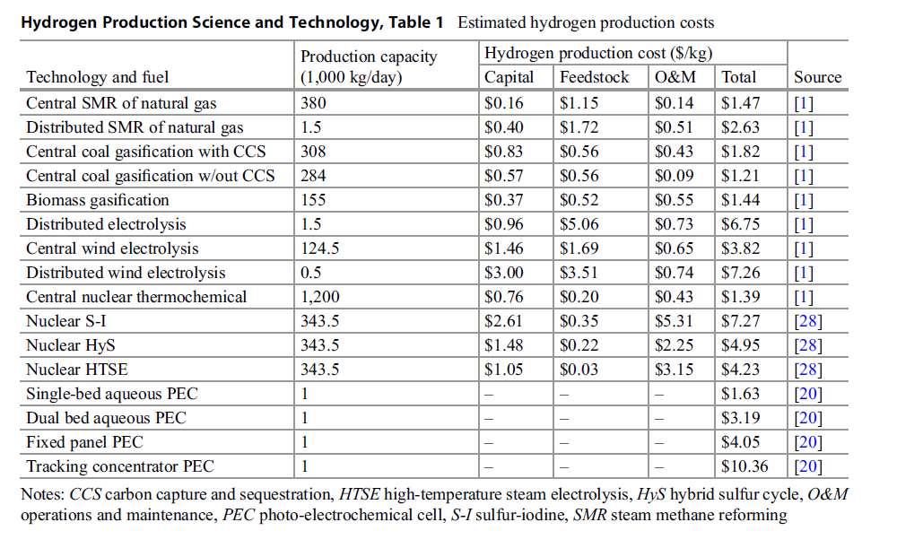
 |  |  |  | HYDROGENCO2N |  |  |  | 181.0157958
 | *
 | *
 | *
 | SCOAH2GCC01 | H2 Production-Coal Gasification + Carbon Capture, big size, centralized | COAHAR |  | 1.9607843137 | 1.9607843137 | 1.9607843137 |  | 90% | 1196.8 |  |  | 1136.9 | 1077.1 | 40 | 2021 | 31.54
 |  |  | ELC
 |  |  |  | SYNH2CU |  |  |  | 1
 |  |  |  | HYDROGENCO2N |  |  |  | 45.045405405
 | *
 | * |  |  |  |  |  |  |  |  |  |  |  |  |  |  |  |  |  |  | 8760000
 | SBIOH2GD01 | H2 Production-Biomass Gasification, small size, decentralized | ELCWOO |  | 1.8416206262 | 1.7452006981 | 1.5552099533 |  | 71% | 1089.5 |  |  | 1035.0 | 980.5 | 40 | 2021 | 31.54
 |  |  | ELC
 |  |  |  | SYNH2DT |  |  |  | 1
 |  |  |  | HYDROGENCO2N |  |  |  | 10.844264264
 | *
 | *
 | SBIOH2GCC01 | H2 Production-Biomass Gasification + Carbon Capture, medium size, centralized | ELCWOO |  | 1.8416206262 | 1.7452006981 | 1.5552099533 |  | 90% | 1641.6 |  |  | 1559.5 | 1477.4 | 40 | 2021 | 31.54
 |  |  | ELC
 |  |  |  | SYNH2CT |  |  |  | 1
 |  |  |  | HYDROGENCO2N |  |  |  | 0
 | *
 | *
 | *
 | *
 | *
 | SGASH2RC01 | H2 Production-Methane Steam Reforming, large size, centralized | GASNAT |  | 1.3054830287 | 1.3054830287 | 1.3054830287 |  | 90% | 775.6 |  |  | 736.8 | 698.0 | 40 | 2021 | 31.54
 |  |  | ELC
 |  |  |  | SYNH2CU |  |  |  | 1
 |  |  |  | HYDROGENCO2N |  |  |  | 88.422462462
 | *
 | *
 | SGASH2RCC01 | H2 Production-Methane Steam Reforming + Carbon Capture, large size, centralized | GASNAT |  | 1.2936610608 | 1.2936610608 | 1.2936610608 |  | 90% | 1019.3 |  |  | 968.3 | 917.3 | 40 | 2021 | 31.54
 |  |  | ELC |  | 2.8648854919E-05 | 2.8648854919E-05 | 2.8648854919E-05
 |  |  |  | SYNH2CU |  |  |  | 1
 |  |  |  | HYDROGENCO2N |  |  |  | 44.211231231
 | *
 | *
 | * | H2 Production-Solar Steam Reforming of Methane, centralized | GASNAT |  |  |  |  |  | 87% | 1580.9 |  |  | 1501.8 | 1422.8 | 40 | 2021 | 31.54
 | * |  | ELCSOL
 | * |  |  | SYNH2CT |  |  |  | 1
 | *
 | *
 | *
 | *
 | *
 | *
 | * | H2 Production-Ethanol Steam Reforming, decentralized | ELCWOO |  |  |  |  |  | 90% |  |  |  |  |  | 40 | 2021 | 31.54
 | * |  | ELC
 | * |  |  | SYNH2DT |  |  |  | 1
 | * | H2 Production-Solar Steam Reforming of Methane, decentralized | GASNAT |  |  |  |  |  | 33% |  |  |  |  |  | 40 | 2021 | 31.54
 | * |  | ELCSOL
 | * |  |  | SYNH2DT |  |  |  | 1
 | * | H2 Production-Central PO of Heavy Oil (CPO3) | OILHFO |  |  |  |  |  | 90% |  |  |  |  |  | 40 | 2021 | 31.54
 | * |  | ELC
 | * |  |  | SYNH2CT |  |  |  | 1
 | *
 | *
 | SELCH2EC01 | H2 Production-Alkaline Electrolyser, large size, centralized | ELC |  | 1.4925373134 | 1.4705882353 | 1.3333333333 |  | 90% | 758.7 |  |  | 720.8 | 682.8 | 5 | 2021 | 31.54
 |  |  |  | SYNH2CT |  |  |  | 1
 |  |  |  | HYDROGENCO2N |  |  |  | 192.69423423
 | SELCH2EC02 | H2 Production-Alkaline Electrolyser, medium size, centralized | ELC |  | 1.4925373134 | 1.4705882353 | 1.3333333333 |  | 90% | 758.7 |  |  | 720.8 | 682.8 | 20 | 2021 | 31.54
 |  |  |  | SYNH2CT |  |  |  | 1
 |  |  |  | HYDROGENCO2N |  |  |  | 192.69423423
 | SELCH2ED01 | H2 Production-Alkaline Electrolyser, small size, decentralized | ELC |  | 1.4925373134 | 1.4705882353 | 1.3333333333 |  | 90% | 758.7 |  |  | 720.8 | 682.8 | 20 | 2021 | 31.54
 |  |  |  | SYNH2DT |  |  |  | 1
 |  |  |  | HYDROGENCO2N |  |  |  | 192.69423423

~FI_Process
Sets | TechName | TechDesc | Tact | Tcap | Tslvl | PrimaryCG | Vintage
*Process Set Membership | Technology Name | Technology Description | Activity Unit | Capacity Unit | TimeSlice Level of oprn | Primary CommGrp | Vintage Tracking
PRE | SCOAH2GC01 | H2 Production-Coal Gasification, large size, centralized | PJ | GW | DAYNITE |  | YES
 | SCOAH2GC02 | H2 Production-Coal Gasification, medium size, centralized | PJ | GW | DAYNITE | SYNH2CU | YES
 | SCOAH2GCC01 | H2 Production-Coal Gasification + Carbon Capture, big size, centralized | PJ | GW | DAYNITE |  | YES
 | SCOAH2GCC02 | H2 Production-Coal Gasification + Carbon Capture, medium size, centralized | PJ | GW | DAYNITE | SYNH2CU | YES
 | SBIOH2GD01 | H2 Production-Biomass Gasification, small size, decentralized | PJ | GW | DAYNITE |  | YES
 | SBIOH2GC01 | H2 Production-Biomass Gasification, medium size, centralized | PJ | GW | DAYNITE |  | YES
 | SBIOH2GCC01 | H2 Production-Biomass Gasification + Carbon Capture, medium size, centralized | PJ | GW | DAYNITE |  | YES
 | SGASH2KC01 | H2 Production-Kvaerner Process, centralized | PJ | GW | DAYNITE |  | YES
 | SBIOH2RC01 | H2 Production-Biomass Steam Reforming, centralized | PJ | GW | DAYNITE |  | YES
 | SGASH2RC01 | H2 Production-Methane Steam Reforming, large size, centralized | PJ | GW | DAYNITE |  | YES
 | SGASH2RC02 | H2 Production-Methane Steam Reforming, small size, centralized | PJ | GW | DAYNITE |  | YES
 | SGASH2RCC01 | H2 Production-Methane Steam Reforming + Carbon Capture, large size, centralized | PJ | GW | DAYNITE |  | YES
 | SGASH2RCC02 | H2 Production-Methane Steam Reforming + Carbon Capture, small size, centralized | PJ | GW | DAYNITE |  | YES
 | SGASSH2RC01 | H2 Production-Solar Steam Reforming of Methane, centralized | PJ | GW | DAYNITE |  | YES
 | SGASH2RD01 | H2 Production-Methane Steam Reforming, medium size, decentralized | PJ | GW | DAYNITE |  | YES
 | SGASH2RD02 | H2 Production-Methane Steam Reforming, small size, decentralized | PJ | GW | DAYNITE |  | YES
 | SETHH2RD01 | H2 Production-Ethanol Steam Reforming, decentralized | PJ | GW | DAYNITE |  | YES
 | SGASSH2RD01 | H2 Production-Solar Steam Reforming of Methane, decentralized | PJ | GW | DAYNITE |  | YES
 | SHFOH2POC01 | H2 Production-Central PO of Heavy Oil (CPO3) | PJ | GW | DAYNITE |  | YES
 | SELCH2EC01 | H2 Production-Alkaline Electrolyser, large size, centralized | PJ | GW | DAYNITE |  | YES
 | SELCH2EC02 | H2 Production-Alkaline Electrolyser, medium size, centralized | PJ | GW | DAYNITE |  | YES
 | SELCH2ED01 | H2 Production-Alkaline Electrolyser, small size, decentralized | PJ | GW | DAYNITE |  | YES
 | SELCH2PEM01 | PEM Electrolyzer - Proton Exchange Membrane - Start 2015 | PJ | GW | DAYNITE |  | YES

~FI_Comm
Csets | CommName | CommDesc | Unit | LimType | CTSLvl | PeakTS | Ctype
*Commodity Set Membership | Commodity Name | Commodity Description | Unit | Balance Equ Type Override | Timeslice Tracking Level | Peak Monitoring | Electricity Indicator
NRG | SYNH2CU | Centralized hydrogen (Underground storage) | PJ | FX | DayNite
 | SYNH2CT | Centralized hydrogen (Tank storage) | PJ | FX | DayNite
 | SYNH2DT | Decentralized hydrogen (Tank storage) | PJ | FX | DayNite

ReferEMI-NOUSE
*We include the emission into the HP file, because some tech with CCS
 |  |  |  |  |  |  |  | USA | 181.0157958 | 45.045405405 | 88.422462462 | 44.211231231 | 10.844264264 | 192.69423423 | 221.89033033 | 184.35249249
*We don't know why EU-TIMES has not considered the carbon emissions from it |  |  |  |  |  | 1.1988E-07
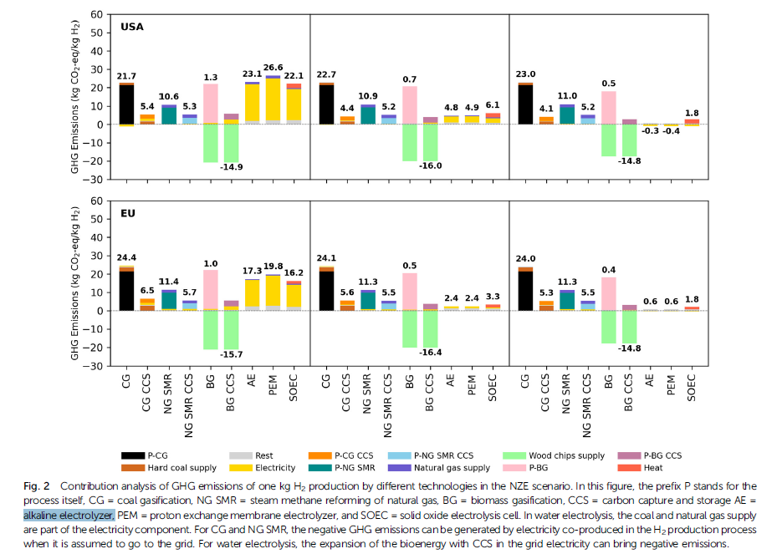

 |  |  |  | *the unit should be kt/PJ | *A kilogramme of hydrogen - the unit most often used – has an energy value of about 33.3 kWh~~1.1988E-07PJ, so 1kt h2 should be 0.11988 PJ, referring to Lower Heating Value (LHV) and https://www.carboncommentary.com/blog/2021/6/11/some-rules-of-thumb-of-the-hydrogen-economy#:~:text=1%2C%20A%20kilogramme%20of%20hydrogen%20-%20the%20unit,a%20million%20tonnes%20about%2033%20terawatt%20hours%20%28TWh%29. | *The GHG emissions with a unit of kt co2/kt h2 refers to the USA result of the paper "Future environmental impacts of global hydrogen production" | *so the SMR should be 10.6/0.11988=88.42176kt co2/PJ, yea but we need to differ the emissions between different hydrogen production techs rather than adopt an average value?? That should be revised

 | CommName | SYNH2CU | SYNH2DT | SYNH2CT
 | HYDROGENCO2N | 88.42 | 88.42 | 88.42

