Win-AF and STOCK
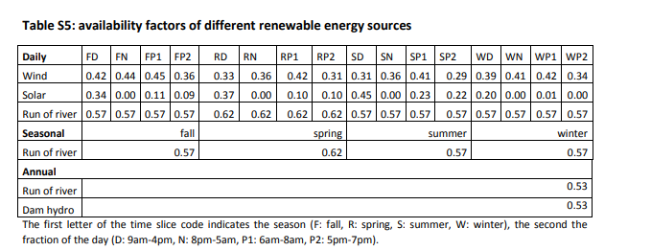
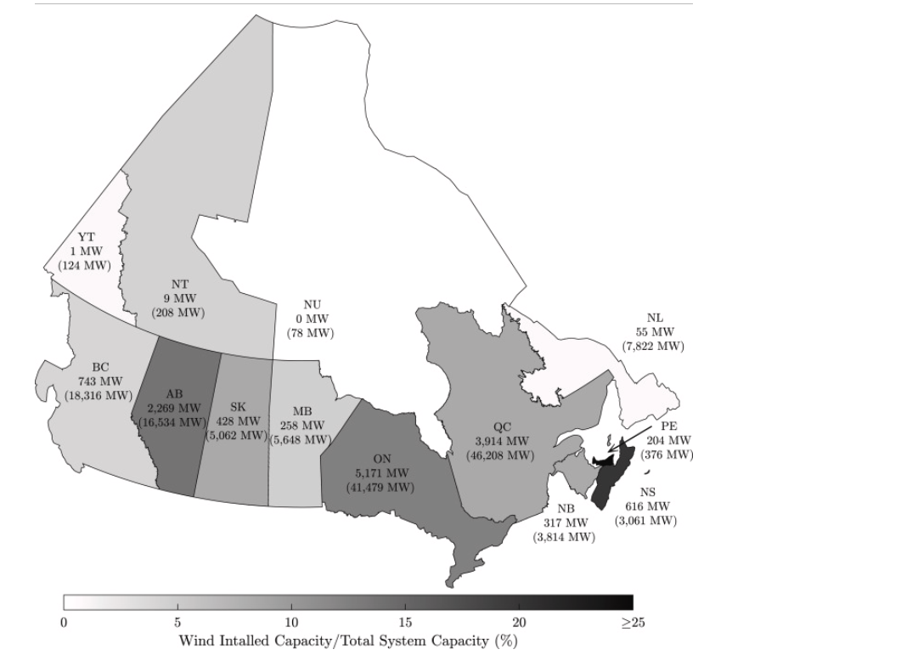
 |  |  |  |  |  |  |  |  |  |  |  | *we considered the available factor for onshore/offshore wind same, following the value opened of natem |  |  | *NATEM uses the data made available by the Canadian Wind Energy Association (CanWEA) in their Pan-Canadian wind integration study [5]. The data includes projections of wind production per hour for 4984 sites in Canada, 1382 in Quebec. Different sites are used to evaluate various levels of wind power penetration. For consistency, we used just the sites included in the 35% wind power penetration scenario, which was chosen as maximum yearly penetration leve
 |  | *why is there no stock for wind/PV, compared with hydropower in EU? We completed it here
Available factor at local time |  |  |  |  |  |  |  |  |  |  |  |  |  |  |  |  |  |  |  |  |  |  |  |  |  |  |  |  |  |  |  |  | *PV stock is from https://www.statista.com/statistics/472761/capacity-solar-pv-energy-in-canada-by-province/
 |  |  |  |  |  |  |  |  |  |  |  |  |  |  |  |  |  | ~TFM_INS
 |  |  |  |  |  |  |  |  |  |  |  |  |  |  |  |  | Attribute | Year | Pset_PN | AllRegions | AT | QU | ON | MA | SA | AL | BC |  |  |  |  |  | *onshore provincial wind capacity is from 2021 dat, mapped in https://www.sciencedirect.com/science/article/pii/S1364032122005792#fig1
 |  |  |  |  |  |  |  |  |  |  |  |  |  |  |  |  | STOCK | 2020 | EEPP_PV |  | 0.005 | 0.00625 | 3.21 | 0.0358 | 0.048 | 0.275 | 0.03618
 |  |  |  |  |  |  |  |  |  |  |  |  |  |  |  |  | STOCK | 2020 | EEPP_WindON |  | 1.192 | 3.9 | 5.17 | 0.26 | 0.428 | 2.27 | 0.743
 |  |  |  |  |  |  |  |  |  |  |  |  |  |  |  |  | STOCK | 2020 | EEPP_WindOFF |  | 0 | 0 | 0 | 0 | 0 | 0 | 0

Time zone translation | *The AT four provinces are 4,4,3,2.5 hours behind UTC, respectively. so we set the average behind time as 3.375 hours; ON as 4 hours before UTC (from the data source for demand fraction here https://energy-information.canada.ca/en/resources/high-frequency-electricity-data) |  |  |  |  | *The data source about local time has some mistakes (although from Canada's government), indicated by the average load of Quebec demand (the below figure shows the hourly demand related to the UTC time from the data source): It shows that UTC 0AM and 13PM at peak demand which is reasonable because the local time would be 19PM and 8AM (aligning with the NATEM model data source). However the local data reported in the data source is UTC+2 which is wrong

Local time | Day period | UTC time
 |  | AT | QU | ON | MA | SA | AL | BC |  |  |  |  |  |  |  |  |  |  |  |  |  |  |  |  |  |  |  |  |  |  |  |  |  |  |  | Attribute | Year | Pset_PN | AllRegions | AT | QU | ON | MA | SA | AL | BC
9AM-16PM | D | 12.375 PM-19.375 PM | 13PM-20PM | 13PM-20PM | 15PM-22PM | 16PM-23PM | 16PM-23PM | 16PM-23PM |  |  |  |  |  |  |  |  |  |  |  |  |  |  |  |  |  |  |  |  |  |  |  |  |  |  |  | STOCK | 2020 | EEPP_PV |  | 0.005 | 0.00625 | 3.21 | 0.0358 | 0.048 | 0.275 | 0.03618
20PM-5AM | N | 23.375 PM-8.375AM | 0AM-9AM | 0AM-9AM | 2AM-11PM | 3AM-12PM | 3AM-12PM | 3AM-12PM |  |  |  |  |  |  |  |  |  |  |  |  |  |  |  |  |  |  |  |  |  |  |  |  |  |  |  | STOCK | 2020 | EEPP_WindOFF |  | 0 | 0 | 0 | 0 | 0 | 0 | 0
6AM-8AM | P1 | 9.375AM-11.375AM | 10AM-12AM | 10AM-12AM | 12PM-14PM | 13PM-15PM | 13PM-15PM | 13PM-15PM |  |  |  |  |  |  |  |  |  |  |  |  |  |  |  |  |  |  |  |  |  |  |  |  |  |  |  | STOCK | 2020 | EEPP_WindON |  | 1.192 | 3.9 | 5.17 | 0.26 | 0.428 | 2.27 | 0.743
17PM-19PM | P2 | 20.375PM-22.375PM | 21PM-23PM | 21PM-23PM | 23PM-1AM | 0AM-2AM | 0AM-2AM | 0AM-2AM

~TFM_INS |  |  |  |  |  |  |  |  | ~TFM_INS |  |  |  |  |  |  |  |  | ~TFM_INS |  |  |  |  |  |  |  |  | ~TFM_INS
TimeSlice | LimType | Attribute | Year | AT | Pset_Set | Pset_CI |  |  | TimeSlice | LimType | Attribute | Year | QU | ON | Pset_Set | Pset_CI |  | TimeSlice | LimType | Attribute | Year | MA | Pset_Set | Pset_CI |  |  | TimeSlice | LimType | Attribute | Year | SA | AL | BC | Pset_Set | Pset_CI
FH12,FH13,FH14,FH15,FH16,FH17,FH18,FH19 | FX | NCAP_AF | 2020,2100 | 0.42 |  | ELCWIN |  |  | FH13,FH14,FH15,FH16,FH17,FH18,FH19,FH20 | FX | NCAP_AF | 2020,2100 | 0.42 | 0.42 |  | ELCWIN |  | FH15,FH16,FH17,FH18,FH19,FH20,FH21,FH22 | FX | NCAP_AF | 2020,2100 | 0.42 |  | ELCWIN |  |  | FH16,FH17,FH18,FH19,FH20,FH21,FH22,FH23 | FX | NCAP_AF | 2020,2100 | 0.42 | 0.42 | 0.42 |  | ELCWIN
FH23,FH0,FH1,FH2,FH3,FH4,FH5,FH6,FH7,FH8 | FX | NCAP_AF | 2020,2100 | 0.44 |  | ELCWIN |  |  | FH0,FH1,FH2,FH3,FH4,FH5,FH6,FH7,FH8,FH9 | FX | NCAP_AF | 2020,2100 | 0.44 | 0.44 |  | ELCWIN |  | FH2,FH3,FH4,FH5,FH6,FH7,FH8,FH9,FH10,FH11 | FX | NCAP_AF | 2020,2100 | 0.44 |  | ELCWIN |  |  | FH3,FH4,FH5,FH6,FH7,FH8,FH9,FH10,FH11,FH12 | FX | NCAP_AF | 2020,2100 | 0.44 | 0.44 | 0.44 |  | ELCWIN
FH9,FH10,FH11 | FX | NCAP_AF | 2020,2100 | 0.45 |  | ELCWIN |  |  | FH10,FH11,FH12 | FX | NCAP_AF | 2020,2100 | 0.45 | 0.45 |  | ELCWIN |  | FH12,FH13,FH14 | FX | NCAP_AF | 2020,2100 | 0.45 |  | ELCWIN |  |  | FH13,FH14,FH15 | FX | NCAP_AF | 2020,2100 | 0.45 | 0.45 | 0.45 |  | ELCWIN
FH20,FH21,FH22 | FX | NCAP_AF | 2020,2100 | 0.36 |  | ELCWIN |  |  | FH21,FH22,FH23 | FX | NCAP_AF | 2020,2100 | 0.36 | 0.36 |  | ELCWIN |  | FH23,FH0,FH1 | FX | NCAP_AF | 2020,2100 | 0.36 |  | ELCWIN |  |  | FH0,FH1,FH2 | FX | NCAP_AF | 2020,2100 | 0.36 | 0.36 | 0.36 |  | ELCWIN
RH12,RH13,RH14,RH15,RH16,RH17,RH18,RH19 | FX | NCAP_AF | 2020,2100 | 0.33 |  | ELCWIN |  |  | RH13,RH14,RH15,RH16,RH17,RH18,RH19,RH20 | FX | NCAP_AF | 2020,2100 | 0.33 | 0.33 |  | ELCWIN |  | RH15,RH16,RH17,RH18,RH19,RH20,RH21,RH22 | FX | NCAP_AF | 2020,2100 | 0.33 |  | ELCWIN |  |  | RH16,RH17,RH18,RH19,RH20,RH21,RH22,RH23 | FX | NCAP_AF | 2020,2100 | 0.33 | 0.33 | 0.33 |  | ELCWIN
RH23,RH0,RH1,RH2,RH3,RH4,RH5,RH6,RH7,RH8 | FX | NCAP_AF | 2020,2100 | 0.36 |  | ELCWIN |  |  | RH0,RH1,RH2,RH3,RH4,RH5,RH6,RH7,RH8,RH9 | FX | NCAP_AF | 2020,2100 | 0.36 | 0.36 |  | ELCWIN |  | RH2,RH3,RH4,RH5,RH6,RH7,RH8,RH9,RH10,RH11 | FX | NCAP_AF | 2020,2100 | 0.36 |  | ELCWIN |  |  | RH3,RH4,RH5,RH6,RH7,RH8,RH9,RH10,RH11,RH12 | FX | NCAP_AF | 2020,2100 | 0.36 | 0.36 | 0.36 |  | ELCWIN
RH9,RH10,RH11 | FX | NCAP_AF | 2020,2100 | 0.42 |  | ELCWIN |  |  | RH10,RH11,RH12 | FX | NCAP_AF | 2020,2100 | 0.42 | 0.42 |  | ELCWIN |  | RH12,RH13,RH14 | FX | NCAP_AF | 2020,2100 | 0.42 |  | ELCWIN |  |  | RH13,RH14,RH15 | FX | NCAP_AF | 2020,2100 | 0.42 | 0.42 | 0.42 |  | ELCWIN
RH20,RH21,RH22 | FX | NCAP_AF | 2020,2100 | 0.31 |  | ELCWIN |  |  | RH21,RH22,RH23 | FX | NCAP_AF | 2020,2100 | 0.31 | 0.31 |  | ELCWIN |  | RH23,RH0,RH1 | FX | NCAP_AF | 2020,2100 | 0.31 |  | ELCWIN |  |  | RH0,RH1,RH2 | FX | NCAP_AF | 2020,2100 | 0.31 | 0.31 | 0.31 |  | ELCWIN
SH12,SH13,SH14,SH15,SH16,SH17,SH18,SH19 | FX | NCAP_AF | 2020,2100 | 0.31 |  | ELCWIN |  |  | SH13,SH14,SH15,SH16,SH17,SH18,SH19,SH20 | FX | NCAP_AF | 2020,2100 | 0.31 | 0.31 |  | ELCWIN |  | SH15,SH16,SH17,SH18,SH19,SH20,SH21,SH22 | FX | NCAP_AF | 2020,2100 | 0.31 |  | ELCWIN |  |  | SH16,SH17,SH18,SH19,SH20,SH21,SH22,SH23 | FX | NCAP_AF | 2020,2100 | 0.31 | 0.31 | 0.31 |  | ELCWIN
SH23,SH0,SH1,SH2,SH3,SH4,SH5,SH6,SH7,SH8 | FX | NCAP_AF | 2020,2100 | 0.36 |  | ELCWIN |  |  | SH0,SH1,SH2,SH3,SH4,SH5,SH6,SH7,SH8,SH9 | FX | NCAP_AF | 2020,2100 | 0.36 | 0.36 |  | ELCWIN |  | SH2,SH3,SH4,SH5,SH6,SH7,SH8,SH9,SH10,SH11 | FX | NCAP_AF | 2020,2100 | 0.36 |  | ELCWIN |  |  | SH3,SH4,SH5,SH6,SH7,SH8,SH9,SH10,SH11,SH12 | FX | NCAP_AF | 2020,2100 | 0.36 | 0.36 | 0.36 |  | ELCWIN
SH9,SH10,SH11 | FX | NCAP_AF | 2020,2100 | 0.41 |  | ELCWIN |  |  | SH10,SH11,SH12 | FX | NCAP_AF | 2020,2100 | 0.41 | 0.41 |  | ELCWIN |  | SH12,SH13,SH14 | FX | NCAP_AF | 2020,2100 | 0.41 |  | ELCWIN |  |  | SH13,SH14,SH15 | FX | NCAP_AF | 2020,2100 | 0.41 | 0.41 | 0.41 |  | ELCWIN
SH20,SH21,SH22 | FX | NCAP_AF | 2020,2100 | 0.29 |  | ELCWIN |  |  | SH21,SH22,SH23 | FX | NCAP_AF | 2020,2100 | 0.29 | 0.29 |  | ELCWIN |  | SH23,SH0,SH1 | FX | NCAP_AF | 2020,2100 | 0.29 |  | ELCWIN |  |  | SH0,SH1,SH2 | FX | NCAP_AF | 2020,2100 | 0.29 | 0.29 | 0.29 |  | ELCWIN
WH12,WH13,WH14,WH15,WH16,WH17,WH18,WH19 | FX | NCAP_AF | 2020,2100 | 0.39 |  | ELCWIN |  |  | WH13,WH14,WH15,WH16,WH17,WH18,WH19,WH20 | FX | NCAP_AF | 2020,2100 | 0.39 | 0.39 |  | ELCWIN |  | WH15,WH16,WH17,WH18,WH19,WH20,WH21,WH22 | FX | NCAP_AF | 2020,2100 | 0.39 |  | ELCWIN |  |  | WH16,WH17,WH18,WH19,WH20,WH21,WH22,WH23 | FX | NCAP_AF | 2020,2100 | 0.39 | 0.39 | 0.39 |  | ELCWIN
WH23,WH0,WH1,WH2,WH3,WH4,WH5,WH6,WH7,WH8 | FX | NCAP_AF | 2020,2100 | 0.41 |  | ELCWIN |  |  | WH0,WH1,WH2,WH3,WH4,WH5,WH6,WH7,WH8,WH9 | FX | NCAP_AF | 2020,2100 | 0.41 | 0.41 |  | ELCWIN |  | WH2,WH3,WH4,WH5,WH6,WH7,WH8,WH9,WH10,WH11 | FX | NCAP_AF | 2020,2100 | 0.41 |  | ELCWIN |  |  | WH3,WH4,WH5,WH6,WH7,WH8,WH9,WH10,WH11,WH12 | FX | NCAP_AF | 2020,2100 | 0.41 | 0.41 | 0.41 |  | ELCWIN
WH9,WH10,WH11 | FX | NCAP_AF | 2020,2100 | 0.42 |  | ELCWIN |  |  | WH10,WH11,WH12 | FX | NCAP_AF | 2020,2100 | 0.42 | 0.42 |  | ELCWIN |  | WH12,WH13,WH14 | FX | NCAP_AF | 2020,2100 | 0.42 |  | ELCWIN |  |  | WH13,WH14,WH15 | FX | NCAP_AF | 2020,2100 | 0.42 | 0.42 | 0.42 |  | ELCWIN
WH20,WH21,WH22 | FX | NCAP_AF | 2020,2100 | 0.34 |  | ELCWIN |  |  | WH21,WH22,WH23 | FX | NCAP_AF | 2020,2100 | 0.34 | 0.34 |  | ELCWIN |  | WH23,WH0,WH1 | FX | NCAP_AF | 2020,2100 | 0.34 |  | ELCWIN |  |  | WH0,WH1,WH2 | FX | NCAP_AF | 2020,2100 | 0.34 | 0.34 | 0.34 |  | ELCWIN

