ELC_ExistingStock
 |  | ~FI_T |  |  |  |  |  | *geothermal could live 200 years |  |  |  |  |  |  | *The EU defines in By-trans that all E* CAP2ACT is 31.536, but we only defined EL* as 31.536, (and we have deleted it in By_trans yet) so we complementarily defined it here |  |  | ~FI_Process |  |  |  |  |  |  |  | MovedToSysSettings |  |  |  | *No peak contribute here, compared with Demo
TechName | Comm-IN | Comm-OUT | ELIFE | LIFE | FIXOM | FIXOM~2030 | NCAP_BND~UP~0 | FOMX | FOMX~2030 | AFA | AFA~2030 | EFF | EFF~2030 | EFFX | CHPR~FX | CAP2ACT |  | Sets | TechName | TechDesc | Tact | Tcap | Tslvl | Vintage |  | Csets | CommName | CommDesc | Unit | LimType | CTSLvl | PeakTS | Ctype
ECHP_biomass_thermal | ELCWOO | ELC,HETHTH | 5 | 30 | 106 | 106 | 2 | 1.06 | 1.06 | 75% | 75% | 35% | 35% |  | 1.2 | 31.54 |  | CHP | ECHP_biomass_thermal | Existing CHP plant - biomass_thermal | PJ | GW | DAYNITE | YES |  | NRG | ELCWOO | ELCWOO | PJ
ECHP_coal_thermal | ELCCOH | ELC,HETHTH | 5 | 35 | 26 | 26 | 2 | 1.05 | 1.05 | 0.86 | 0.86 | 38% | 38% |  | 1.2 | 31.54 |  | CHP | ECHP_coal_thermal | Existing CHP plant - coal_thermal | PJ | GW | DAYNITE | YES |  |  | ELCDST | ELCDST | PJ
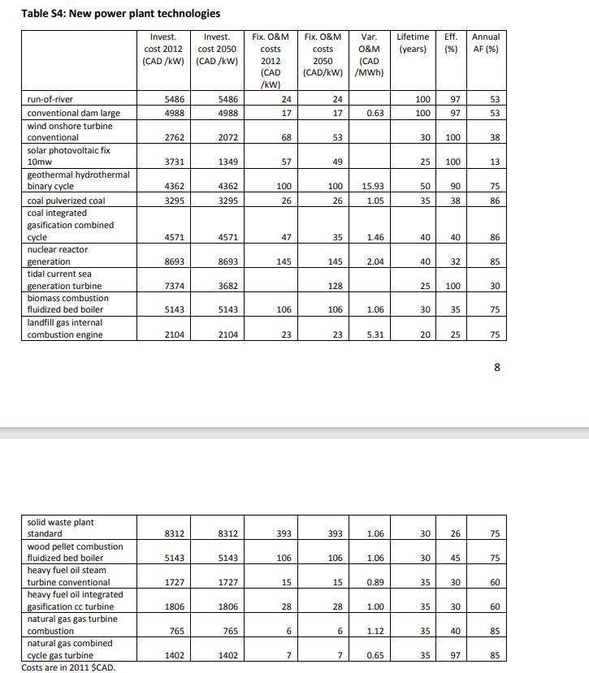
ECHP_HFO_thermal | ELCHFO | ELC,HETHTH | 5 | 35 | 15 | 15 | 2 | 0.89 | 0.89 | 0.6 | 0.6 | 30% | 30% |  | 1.2 | 31.54 |  | CHP | ECHP_HFO_thermal | Existing CHP plant - HFO_thermal | PJ | GW | DAYNITE | YES |  |  | ELCSOL | ELCSOL | PJ
ECHP_LFO_thermal | ELCDST | ELC,HETHTH | 25 | 200 | 18 | 18 | 2 | 4 | 4 | 0.9 | 0.9 |  |  | 11 | 1.2 | 31.54 |  | CHP | ECHP_LFO_thermal | Existing CHP plant - LFO_thermal | PJ | GW | DAYNITE | YES |  |  | ELCWIN | ELCWIN | PJ
ECHP_lignite_thermal | ELCCOL | ELC,HETHTH | 25 | 200 | 30 | 30 | 2 | 2 | 2 | 0.91 | 0.91 |  |  | 11 | 1.2 | 31.54 |  | CHP | ECHP_lignite_thermal | Existing CHP plant - lignite_thermal | PJ | GW | DAYNITE | YES |  |  | ELCHIG | Electricity - High Voltage WITHOUT grid costs | PJ |  | DAYNITE | ANNUAL | ELC
ECHP_naturalgas_CCGT | ELCGAS | ELC,HETHTH | 25 | 200 | 7 | 7 | 2 | 0.65 | 0.65 | 0.85 | 0.85 | 97% | 97% |  | 1.2 | 31.54 |  | CHP | ECHP_naturalgas_CCGT | Existing CHP plant - naturalgas_CCGT | PJ | GW | DAYNITE | YES |  |  | HETHTH | HETHTH | PJ |  | SEASON | ANNUAL | LTHEAT
ECHP_naturalgas_OCGT | ELCGAS | ELC,HETHTH | 25 | 200 | 7 | 7 | 2 | 0.65 | 0.65 | 0.85 | 0.85 | 97% | 97% |  | 1.2 | 31.54 |  | CHP | ECHP_naturalgas_OCGT | Existing CHP plant - naturalgas_OCGT | PJ | GW | DAYNITE | YES |  |  | ELCHYD | ELCHYD | PJ
ECHP_naturalgas_thermal | ELCGAS | ELC,HETHTH | 5 | 35 | 6 | 6 | 2 | 1.12 | 1.12 | 0.85 | 0.85 | 40% | 40% |  | 1.2 | 31.54 |  | CHP | ECHP_naturalgas_thermal | Existing CHP plant - naturalgas_thermal | PJ | GW | DAYNITE | YES
ECHP_PV | ELCSOL | ELC,HETHTH | 20 | 25 | 57 | 57 | 2 |  |  |  |  | 1 | 1 |  | 1.2 | 31.54 |  | CHP | ECHP_PV | Existing CHP plant - PV | PJ | GW | DAYNITE | YES
EEPP_biomass_CCGT | ELCWOO | ELC | 5 | 30 | 106 | 106 | 2 | 1.06 | 1.06 | 75% | 75% | 53% | 53% |  |  | 31.54 |  | ELE | EEPP_biomass_CCGT | Existing Electricity plant - biomass_CCGT | PJ | GW | DAYNITE | YES
EEPP_biomass_thermal | ELCWOO | ELC | 5 | 30 | 106 | 106 | 2 | 1.06 | 1.06 | 75% | 75% | 35% | 35% |  |  | 31.54 |  | ELE | EEPP_biomass_thermal | Existing Electricity plant - biomass_thermal | PJ | GW | DAYNITE | YES
EEPP_coal_CCGT | ELCCOH | ELC | 5 | 40 | 47 | 47 | 2 | 1.46 | 1.46 | 0.86 | 0.86 | 40% | 40% |  |  | 31.54 |  | ELE | EEPP_coal_CCGT | Existing Electricity plant - coal_CCGT | PJ | GW | DAYNITE | YES
EEPP_coal_thermal | ELCCOH | ELC | 5 | 35 | 26 | 26 | 2 | 1.05 | 1.05 | 0.86 | 0.86 | 38% | 38% |  |  | 31.54 |  | ELE | EEPP_coal_thermal | Existing Electricity plant - coal_thermal | PJ | GW | DAYNITE | YES
EEPP_geothermal | ELCGEO | ELC | 25 | 200 | 100 | 100 | 2 | 15.93 | 15.93 | 0.9 | 0.9 | 1 | 1 |  |  | 31.54 |  | ELE | EEPP_geothermal | Existing Electricity plant - geothermal | PJ | GW | DAYNITE | YES
EEPP_HFO_thermal | ELCHFO | ELC | 5 | 35 | 15 | 15 | 2 | 0.89 | 0.89 | 0.6 | 0.6 | 30% | 30% |  |  | 31.54 |  | ELE | EEPP_HFO_thermal | Existing Electricity plant - HFO_thermal | PJ | GW | DAYNITE | YES
EEPP_LFO_thermal | ELCDST | ELC | 25 | 200 | 18 | 18 | 2 | 4 | 4 | 0.9 | 0.9 |  |  | 11 |  | 31.54 |  | ELE | EEPP_LFO_thermal | Existing Electricity plant - LFO_thermal | PJ | GW | DAYNITE | YES
EEPP_lignite_thermal | ELCCOL | ELC | 25 | 200 | 30 | 30 | 2 | 2 | 2 | 0.9 | 0.9 |  |  | 11 |  | 31.54 |  | ELE | EEPP_lignite_thermal | Existing Electricity plant - lignite_thermal | PJ | GW | DAYNITE | YES
EEPP_naturalgas_CCGT | ELCGAS | ELC | 25 | 200 | 7 | 7 | 2 | 0.65 | 0.65 | 0.85 | 0.85 | 97% | 97% |  |  | 31.54 |  | ELE | EEPP_naturalgas_CCGT | Existing Electricity plant - naturalgas_CCGT | PJ | GW | DAYNITE | YES
EEPP_naturalgas_OCGT | ELCGAS | ELC | 25 | 200 | 7 | 7 | 2 | 0.65 | 0.65 | 0.85 | 0.85 | 97% | 97% |  |  | 31.54 |  | ELE | EEPP_naturalgas_OCGT | Existing Electricity plant - naturalgas_OCGT | PJ | GW | DAYNITE | YES
EEPP_naturalgas_thermal | ELCGAS | ELC | 5 | 35 | 6 | 6 | 2 | 1.12 | 1.12 | 0.85 | 0.85 | 40% | 40% |  |  | 31.54 |  | ELE | EEPP_naturalgas_thermal | Existing Electricity plant - naturalgas_thermal | PJ | GW | DAYNITE | YES
EEPP_PV | ELCSOL | ELC | 20 | 25 |  |  | 2 |  |  |  |  | 1 | 1 |  |  | 31.54 |  | ELE | EEPP_PV | Existing Electricity plant - PV | PJ | GW | DAYNITE | YES
EEPP_CSP | ELCSOL | ELC | 20 | 25 |  |  | 2 |  |  |  |  | 1 | 1 |  |  | 31.54 |  | ELE | EEPP_CSP | Existing Electricity plant - CSP | PJ | GW | DAYNITE | YES
EEPP_windOFF | ELCWIN | ELC | 25 | 50 |  |  | 2 |  |  |  |  | 1 | 1 |  |  | 31.54 |  | ELE | EEPP_windOFF | Existing Electricity plant - windOFF - offshore | PJ | GW | DAYNITE | YES
EEPP_windON | ELCWIN | ELC | 25 | 50 |  |  | 2 |  |  |  |  | 1 | 1 |  |  | 31.54 |  | ELE | EEPP_windON | Existing Electricity plant - windON - onshore | PJ | GW | DAYNITE | YES
EEPP_OCE | ELCTID | ELC | 20 | 25 |  |  | 2 |  |  | 0.3 | 0.3 | 1 | 1 |  |  | 31.54 |  | ELE | EEPP_OCE | Existing Electricity plant - OCE - offshore | PJ | GW | DAYNITE | YES
EUHYDDAM00 | ELCHYD | ELC | 50 | 100 |  |  | 2 |  |  |  |  | 1 | 1 |  |  | 31.54 |  | ELE | EUHYDDAM00 | Existing Hydro Dams | PJ | GW | DAYNITE | YES
EUHYDRUN00 | ELCHYD | ELC | 50 | 100 |  |  | 2 |  |  |  |  | 1 | 1 |  |  | 31.54 |  | ELE | EUHYDRUN00 | Existing Run-of-river hydro | PJ | GW | DAYNITE | YES

Existing pumped storage was moved to non-EEpp processes |  |  |  |  |  |  |  |  |  |  |  |  |  |  |  |  |  | ELE,STS | EEPP_HYDPS | Existing Pumped Storage Plants - DPS | PJ | GW | DAYNITE | YES
 |  |  | *ELIFE is set as the half of LIFE for hydropower ,follwing the proportion of EU-TIMES
 |  |  | *Most cost (investment cost, fixed operation cost, variable operation cost) refers the NATEM because this part is open, and the lacking data we referred EU-TIMES
 |  |  | * all of the fixed operation cost unit is Meur/GW or Meur/PJ while for VAROM in Demos; while in NATEM it was CAD/kW, which is the same unit; the EU-TIMES same too
 |  |  | *in base-year file, you don.t need to define the invescost because it was prohibitted here
 |  |  | *here the FOMX we think same as VAROM, but the unit is CAD/MWh, we not sure about this point
 |  |  | *assumes same parameters for natural gas ccgt and ocgt
Used for FOMX |  |  | *assumes same parameters for echp and eepp
23 | 3 |  | *assumes same parameters for concentrated solar and PV
18 | 4 |  | *assuming there is no HYDPS now
30 | 2
 |  |  | *assuming the FIXOM for large hydropower and small hydro account for 2% and 1% of invcost, respectively

 |  |  |  |  |  |  |  |  |  |  |  |  |  | ~FI_T
 |  |  |  |  |  |  |  |  |  |  |  | Attribute | Year | Pset_PN | AllRegions | AT | QU | ON | MA | SA | AL | BC
 |  |  |  |  |  |  |  |  |  |  |  | STOCK | 2020 | ECHP_biomass_thermal |  | 0.069333333333 | 0.068333333333 | 0.227 | 0.017333333333 | 0.0053333333333 | 0.018333333333 | 0.27566666667
 |  |  |  |  |  |  |  |  |  |  |  | STOCK |  | ECHP_coal_thermal |  | 0.70066666667 | 0 | 1.3833333333 | 0.09 | 0.52866666667 | 2.102 | 0 |  | 16.499
 |  |  |  |  |  |  |  |  |  |  |  | STOCK |  | ECHP_HFO_thermal |  | 0.22482193238 | 0 | 0.44386822996 | 0.028878173998 | 0.16963253319 | 0.67446579714 | 0
 |  |  |  |  |  |  |  |  |  |  |  | STOCK |  | ECHP_LFO_thermal |  | 0.22482193238 | 0 | 0.44386822996 | 0.028878173998 | 0.16963253319 | 0.67446579714 | 0
 |  |  |  |  |  |  |  |  |  |  |  | STOCK |  | ECHP_lignite_thermal |  | 0.22482193238 | 0 | 0.44386822996 | 0.028878173998 | 0.16963253319 | 0.67446579714 | 0
 |  |  |  |  |  |  |  |  |  |  |  | STOCK |  | ECHP_naturalgas_CCGT |  | 0.22482193238 | 0 | 0.44386822996 | 0.028878173998 | 0.16963253319 | 0.67446579714 | 0
 |  |  |  |  |  |  |  |  |  |  |  | STOCK |  | ECHP_naturalgas_OCGT |  | 0.22482193238 | 0 | 0.44386822996 | 0.028878173998 | 0.16963253319 | 0.67446579714 | 0
 |  |  |  |  |  |  |  |  |  |  |  | STOCK |  | ECHP_naturalgas_thermal |  | 0.22482193238 | 0 | 0.44386822996 | 0.028878173998 | 0.16963253319 | 0.67446579714 | 0
 |  |  |  |  |  |  |  |  |  |  |  | STOCK |  | EEPP_biomass_CCGT |  | 0.069333333333 | 0.068333333333 | 0.227 | 0.017333333333 | 0.0053333333333 | 0.018333333333 | 0.27566666667 |  |  | *https://en.wikipedia.org/wiki/Geothermal_power_in_Canada
 |  |  |  |  |  |  |  |  |  |  |  | STOCK |  | EEPP_biomass_thermal |  | 0.069333333333 | 0.068333333333 | 0.227 | 0.017333333333 | 0.0053333333333 | 0.018333333333 | 0.27566666667
 |  |  |  |  |  |  |  |  |  |  |  | STOCK |  | EEPP_coal_CCGT |  | 0.70066666667 | 0 | 1.3833333333 | 0.09 | 0.52866666667 | 2.102 | 0
 |  |  |  |  |  |  |  |  |  |  |  | STOCK |  | EEPP_coal_thermal |  | 0.70066666667 | 0 | 1.3833333333 | 0.09 | 0.52866666667 | 2.102 | 0
 |  |  |  |  |  |  |  |  |  |  |  | STOCK |  | EEPP_geothermal |  |  |  |  |  | 0.005 | 0.036
 |  |  |  |  |  |  |  |  |  |  |  | STOCK |  | EEPP_HFO_thermal |  | 0.22482193238 | 0 | 0.44386822996 | 0.028878173998 | 0.16963253319 | 0.67446579714 | 0
 |  |  |  |  |  |  |  |  |  |  |  | STOCK |  | EEPP_LFO_thermal |  | 0.22482193238 | 0 | 0.44386822996 | 0.028878173998 | 0.16963253319 | 0.67446579714 | 0
 |  |  |  |  |  |  |  |  |  |  |  | STOCK |  | EEPP_lignite_thermal |  | 0.22482193238 | 0 | 0.44386822996 | 0.028878173998 | 0.16963253319 | 0.67446579714 | 0
 |  |  |  |  |  |  |  |  |  |  |  | STOCK |  | EEPP_naturalgas_CCGT |  | 0.22482193238 | 0 | 0.44386822996 | 0.028878173998 | 0.16963253319 | 0.67446579714 | 0
 |  |  |  |  |  |  |  |  |  |  |  | STOCK |  | EEPP_naturalgas_OCGT |  | 0.22482193238 | 0 | 0.44386822996 | 0.028878173998 | 0.16963253319 | 0.67446579714 | 0
 |  |  |  |  |  |  |  |  |  |  |  | STOCK |  | EEPP_naturalgas_thermal |  | 0.22482193238 | 0 | 0.44386822996 | 0.028878173998 | 0.16963253319 | 0.67446579714 | 0

 |  |  |  |  |  |  |  |  |  |  |  |  |  |  | *We don't have the data of oil-plants and gas-plants stock data, so we use the rest of coal and biomass and geothermal and split evenly to these plants

 |  |  |  |  |  |  |  |  |  | Canada's Bioenergy Installed Generating Capacity, by Province (2014, in megawatts) |  |  |  |  | About Renewable Energy (canada.ca) | *Provincial biomass capacities
 |  |  |  |  |  |  |  |  |  | Provinces |  | Total biomass |  |  |  | AT | QU | ON | MA | SA | AL | BC
 |  |  |  |  |  |  |  |  |  | Newfoundland and Labrador |  | 27 |  |  |  | 0.208 | 0.205 | 0.681 | 0.052 | 0.016 | 0.055 | 0.827
 |  |  |  |  |  |  |  |  |  | Prince Edward Island |  | 2
 |  |  |  |  |  |  |  |  |  | Nova Scotia |  | 66
 |  |  |  |  |  |  |  |  |  | New Brunswick |  | 113
 |  |  |  |  |  |  |  |  |  | Quebec |  | 205
 |  |  |  |  |  |  |  |  |  | Ontario |  | 681
 |  |  |  |  |  |  |  |  |  | Manitoba |  | 52
 |  |  |  |  |  |  |  |  |  | Saskatchewan |  | 16
 |  |  |  |  |  |  |  |  |  | Alberta |  | 55
 |  |  |  |  |  |  |  |  |  | British Columbia |  | 827
 |  |  |  |  |  |  |  |  |  | Canada |  | 2,043

 |  |  |  |  |  |  |  |  |  |  |  |  |  |  | Existing coal plants in Canada - Global Energy Monitor (gem.wiki) |  |  |  |  | *Provincial biomass capacities
 |  |  |  |  |  |  |  |  |  | Province |  | Plant |  | Operator | Capacity | Year Built | Year Retired |  |  | AT | QU | ON | MA | SA | AL | BC
 |  |  |  |  |  |  |  |  |  | Alberta |  | Battle River power station |  | Atco Power | 165, 165, 405 |  |  | 495 |  | 2.102 | 0 | 4.15 | 0.27 | 1.586 | 6.306 | 0
 |  |  |  |  |  |  |  |  |  | Alberta |  | Genesee 3 |  | Capital Power Corporation | 430, 430, 450 | 1989-2005 |  | 1310
 |  |  |  |  |  |  |  |  |  | Alberta |  | H.R. Milner power station |  | Maxim Power Corp | 150 | 172 |  | 150
 |  |  |  |  |  |  |  |  |  | Alberta |  | Keephills |  | TransAlta | 400, 400 | 1983-1984 |  | 800
 |  |  |  |  |  |  |  |  |  | Alberta |  | Sheerness |  | Atco Power | 400, 400 | 1986-1990 |  | 800
 |  |  |  |  |  |  |  |  |  | Alberta |  | Sundance |  | TransAlta | 304, 304, 380, 380, 380, 433 | 1970-1980 |  | 2181
 |  |  |  |  |  |  |  |  |  | Alberta |  | Wabamun Generating Station |  | TransAlta | 66, 66, 159, 279 | 1958-1967 | 2002-2004,2010 | 570
 |  |  |  |  |  |  |  |  |  | Manitoba |  | Brandon Generating Station |  | Manitoba Hydro | 33, 33, 33, 33, 33, 105 | 1958-1969 |  | 270
 |  |  |  |  |  |  |  |  |  | New Brunswick |  | Belledune power station |  | New Brunswick Power | 450 | 1993 |  | 450
 |  |  |  |  |  |  |  |  |  | New Brunswick |  | Dalhousie Generating Station |  | New Brunswick Power | 300 | 1969 |  | 300
 |  |  |  |  |  |  |  |  |  | Nova Scotia |  | Lingan power station |  | Nova Scotia Power | 158, 158, 158, 158 | 1979-1984 |  | 632
 |  |  |  |  |  |  |  |  |  | Nova Scotia |  | Point Aconi Generating Station |  | Nova Scotia Power | 210 | 1994 |  | 210
 |  |  |  |  |  |  |  |  |  | Nova Scotia |  | Point Tupper power station |  | Nova Scotia Power | 150 | 1973 |  | 150
 |  |  |  |  |  |  |  |  |  | Nova Scotia |  | Trenton Generating Station |  | Nova Scotia Power | 150, 150 | 1969-1991 |  | 300
 |  |  |  |  |  |  |  |  |  | Ontaria |  | Atikokan power station |  | Ontario Power Generation | 211-230 | 1985 |  | 220
 |  |  |  |  |  |  |  |  |  | Ontaria |  | Hearn Generating Station |  | Ontario Power Generation | 1200 | 1951-1961 | 1983 | 1200
 |  |  |  |  |  |  |  |  |  | Ontaria |  | Lakeview Generating Station (retired) |  | Ontario Power Generation | 2400 | 1962-1969 | 2005 | 2400
 |  |  |  |  |  |  |  |  |  | Ontaria |  | Lambton generating station |  | Ontario Power Generation
 |  |  |  |  |  |  |  |  |  | Ontaria |  | Nanticoke power station |  | Ontario Power Generation
 |  |  |  |  |  |  |  |  |  | Ontaria |  | Thunder Bay power station |  | Ontario Power Generation | 165, 165 | 1981 |  | 330
 |  |  |  |  |  |  |  |  |  | Saskatchewan |  | Boundary Dam Power Station |  | SaskPower | 66, 66, 150, 150, 292 | 1959-1978 |  | 724
 |  |  |  |  |  |  |  |  |  | Saskatchewan |  | Poplar River power station |  | SaskPower | 281, 281 | 1980-1983 |  | 562
 |  |  |  |  |  |  |  |  |  | Saskatchewan |  | Shand power station |  | SaskPower | 300 | 1992 |  | 300
 |  |  |  |  |  |  |  |  |  | New Brunswick |  | Grand Lake power station |  | New Brunswick Power | 60 | 1964 |  | 60

Emissions
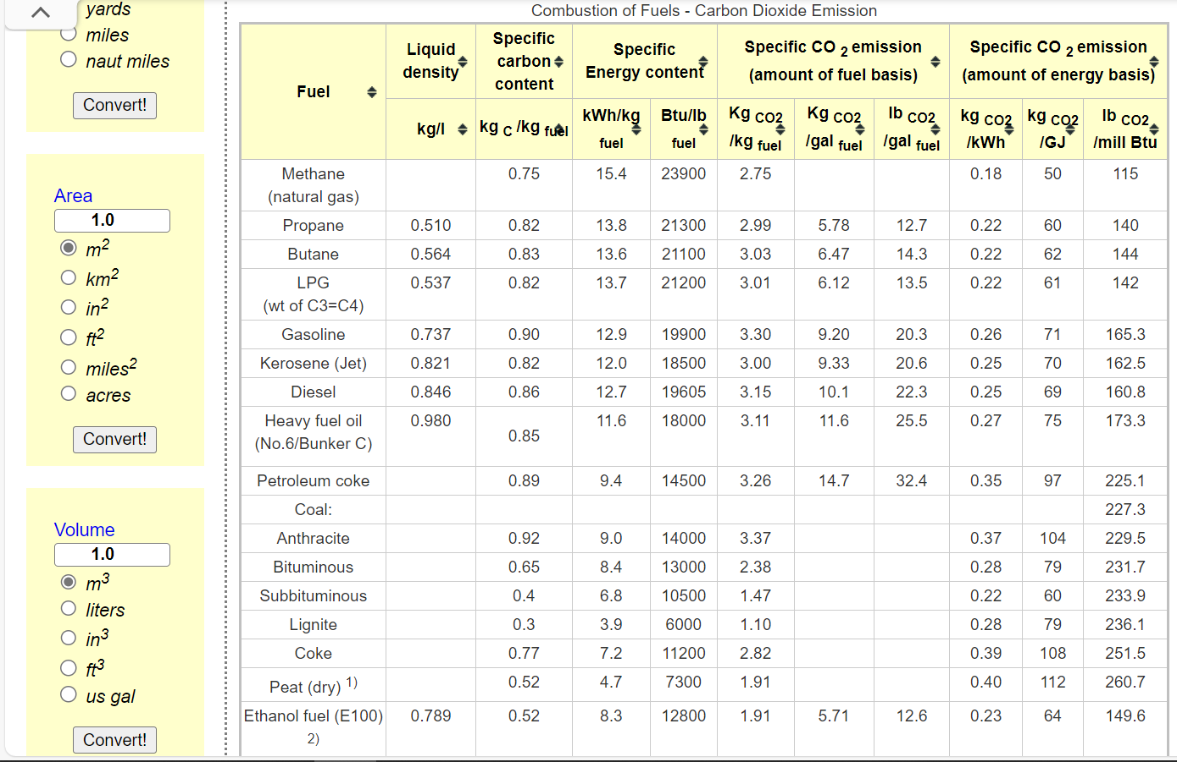
 | Anthracite

~COMEMI
CommName | ELCCOH | ELCCOL | ELCDST | ELCHFO | ELCGAS | ELCWOO | ELCMUN | ELCSLU
ELCCO2N | 104 | 79 | 69 | 75 | 50 |  | 85.85 | 85.85

 |  |  |  |  |  |  |  | *We calculate the combustion factor by referring to https://www.engineeringtoolbox.com/co2-emission-fuels-d_1085.html, and the combustion data for MUN (Municipal Waste) refers to EU-TIMES. and SLU HAS NOT BEEN USED

