carbon_price
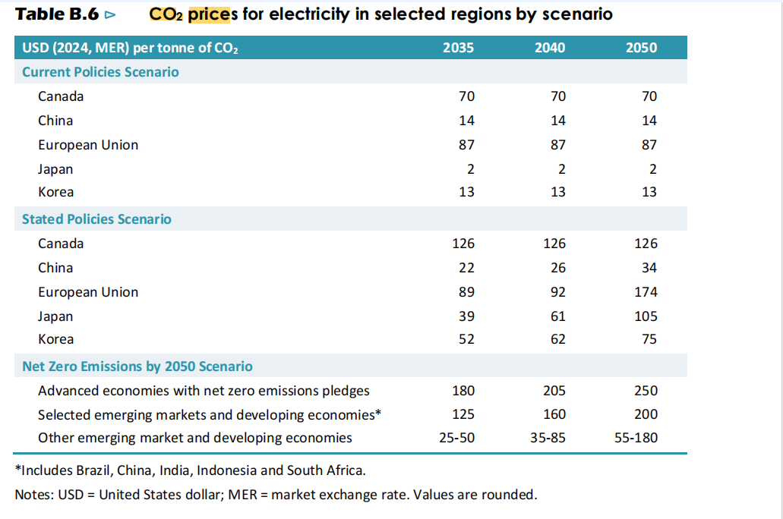
Note: No, we should not include carbon prices, since emission caps are cleaner enough, and carbon prices can be decided intrinsically
 | ~TFM_INS: Curr=USD24

 | Region | Attribute | Year | Value | Cset_CN
 | NorthAm | COM_TAXNET | 2020 | 0 | TOTCO2
 | NorthAm | COM_TAXNET | 2025 | 50 | TOTCO2
 | NorthAm | COM_TAXNET | 2030 | 80.5255 | TOTCO2
 | NorthAm | COM_TAXNET | 2035 | 129.687123 | TOTCO2
 | NorthAm | COM_TAXNET | 2040 | 208.86240847 | TOTCO2
 | NorthAm | COM_TAXNET | 2045 | 336.37499747 | TOTCO2
 | NorthAm | COM_TAXNET | 2050 | 541.73529717 | TOTCO2
 | NorthAm | COM_TAXNET | 2055 | 541.73529717 | TOTCO2
 | NorthAm | COM_TAXNET | 2060 | 541.73529717 | TOTCO2
 | NorthAm | COM_TAXNET | 2065 | 541.73529717 | TOTCO2
 | NorthAm | COM_TAXNET | 2070 | 541.73529717 | TOTCO2
 | NorthAm | COM_TAXNET | 2075 | 541.73529717 | TOTCO2
 | NorthAm | COM_TAXNET | 2080 | 541.73529717 | TOTCO2
 | NorthAm | COM_TAXNET | 2085 | 541.73529717 | TOTCO2
 | NorthAm | COM_TAXNET | 2090 | 541.73529717 | TOTCO2
 | NorthAm | COM_TAXNET | 2095 | 541.73529717 | TOTCO2
 | NorthAm | COM_TAXNET | 2100 | 541.73529717 | TOTCO2

