Rules
Rule Firing Tracking
Time | Rule 1 | Rule 2 | Rule 3
16-Jul-2015 | FALSE | FALSE | FALSE
16-Jul-2015 | FALSE | FALSE | FALSE
16-Jul-2015 | TRUE | FALSE | TRUE
16-Jul-2015 | FALSE | FALSE | FALSE
16-Jul-2015 | FALSE | FALSE | TRUE
16-Jul-2015 | FALSE | FALSE | FALSE
16-Jul-2015 | FALSE | FALSE | FALSE
16-Jul-2015 | FALSE | FALSE | FALSE
16-Jul-2015 | FALSE | FALSE | TRUE
16-Jul-2015 | FALSE | FALSE | TRUE
16-Jul-2015 | FALSE | FALSE | FALSE
16-Jul-2015 | TRUE | FALSE | TRUE
16-Jul-2015 | FALSE | FALSE | FALSE
16-Jul-2015 | FALSE | FALSE | FALSE
16-Jul-2015 | FALSE | FALSE | FALSE
16-Jul-2015 | FALSE | FALSE | TRUE
16-Jul-2015 | FALSE | FALSE | TRUE
16-Jul-2015 | FALSE | FALSE | TRUE
16-Jul-2015 | FALSE | FALSE | TRUE
16-Jul-2015 | FALSE | FALSE | FALSE
16-Jul-2015 | TRUE | FALSE | TRUE
16-Jul-2015 | FALSE | FALSE | FALSE
16-Jul-2015 | FALSE | FALSE | FALSE
16-Jul-2015 | FALSE | FALSE | FALSE
16-Jul-2015 | FALSE | FALSE | FALSE
16-Jul-2015 | FALSE | FALSE | FALSE
16-Jul-2015 | FALSE | FALSE | FALSE
16-Jul-2015 | FALSE | FALSE | TRUE
16-Jul-2015 | FALSE | FALSE | TRUE
16-Jul-2015 | FALSE | FALSE | TRUE
16-Jul-2015 | FALSE | FALSE | TRUE
16-Jul-2015 | FALSE | FALSE | TRUE
16-Jul-2015 | FALSE | FALSE | TRUE
16-Jul-2015 | FALSE | FALSE | TRUE
16-Jul-2015 | FALSE | FALSE | FALSE
16-Jul-2015 | FALSE | FALSE | TRUE
16-Jul-2015 | FALSE | FALSE | TRUE
16-Jul-2015 | FALSE | FALSE | FALSE
16-Jul-2015 | FALSE | FALSE | TRUE
16-Jul-2015 | FALSE | FALSE | TRUE
16-Jul-2015 | FALSE | FALSE | FALSE
16-Jul-2015 | FALSE | FALSE | FALSE
16-Jul-2015 | FALSE | FALSE | FALSE
16-Jul-2015 | FALSE | FALSE | FALSE
16-Jul-2015 | FALSE | FALSE | FALSE
16-Jul-2015 | FALSE | FALSE | TRUE
16-Jul-2015 | FALSE | FALSE | FALSE
16-Jul-2015 | FALSE | FALSE | FALSE
16-Jul-2015 | FALSE | FALSE | FALSE
16-Jul-2015 | FALSE | FALSE | TRUE
17-Jul-2015 | FALSE | FALSE | TRUE

Rule1
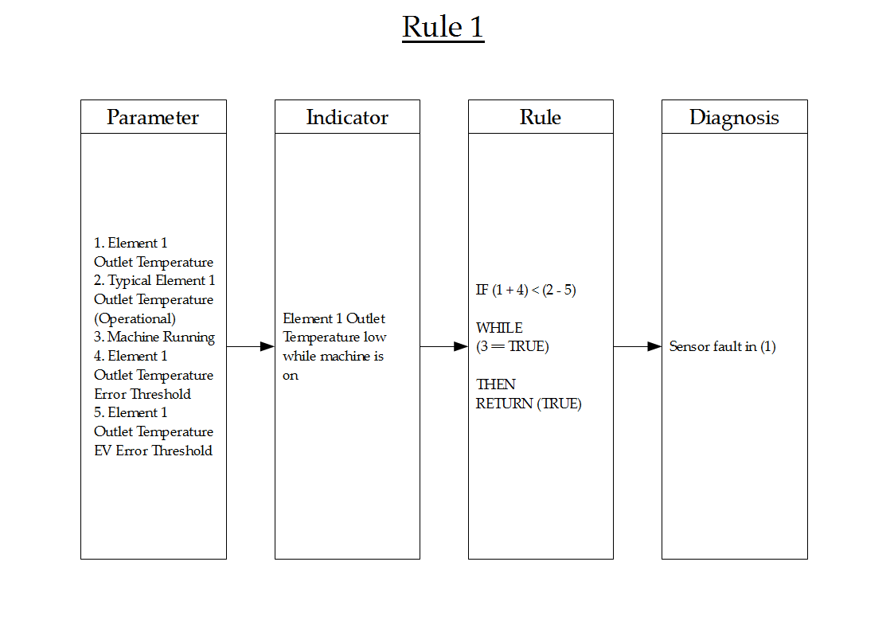
Time | 1 | 2 | 1 + 4 | 2 - 5 | 3 | Rule Fired
16-Jul-2015 | 109 | 140 | 114 | 135 | No | FALSE
16-Jul-2015 | 118 | 140 | 123 | 135 | No | FALSE
16-Jul-2015 | 123 | 140 | 128 | 135 | Yes | TRUE
16-Jul-2015 | 85 | 140 | 90 | 135 | No | FALSE
16-Jul-2015 | 148 | 140 | 153 | 135 | Yes | FALSE
16-Jul-2015 | 118 | 140 | 123 | 135 | No | FALSE
16-Jul-2015 | 118 | 140 | 123 | 135 | No | FALSE
16-Jul-2015 | 118 | 140 | 123 | 135 | No | FALSE
16-Jul-2015 | 130 | 140 | 135 | 135 | Yes | FALSE
16-Jul-2015 | 132 | 140 | 137 | 135 | Yes | FALSE
16-Jul-2015 | 128 | 140 | 133 | 135 | No | FALSE
16-Jul-2015 | 127 | 140 | 132 | 135 | Yes | TRUE
16-Jul-2015 | 108 | 140 | 113 | 135 | No | FALSE
16-Jul-2015 | 122 | 140 | 127 | 135 | No | FALSE
16-Jul-2015 | 104 | 140 | 109 | 135 | No | FALSE
16-Jul-2015 | 144 | 140 | 149 | 135 | Yes | FALSE
16-Jul-2015 | 130 | 140 | 135 | 135 | Yes | FALSE
16-Jul-2015 | 141 | 140 | 146 | 135 | Yes | FALSE
16-Jul-2015 | 150 | 140 | 155 | 135 | Yes | FALSE
16-Jul-2015 | 130 | 140 | 135 | 135 | No | FALSE
16-Jul-2015 | 120 | 140 | 125 | 135 | Yes | TRUE
16-Jul-2015 | 125 | 140 | 130 | 135 | No | FALSE
16-Jul-2015 | 118 | 140 | 123 | 135 | No | FALSE
16-Jul-2015 | 120 | 140 | 125 | 135 | No | FALSE
16-Jul-2015 | 120 | 140 | 125 | 135 | No | FALSE
16-Jul-2015 | 123 | 140 | 128 | 135 | No | FALSE
16-Jul-2015 | 81 | 140 | 86 | 135 | No | FALSE
16-Jul-2015 | 143 | 140 | 148 | 135 | Yes | FALSE
16-Jul-2015 | 141 | 140 | 146 | 135 | Yes | FALSE
16-Jul-2015 | 145 | 140 | 150 | 135 | Yes | FALSE
16-Jul-2015 | 141 | 140 | 146 | 135 | Yes | FALSE
16-Jul-2015 | 146 | 140 | 151 | 135 | Yes | FALSE
16-Jul-2015 | 141 | 140 | 146 | 135 | Yes | FALSE
16-Jul-2015 | 143 | 140 | 148 | 135 | Yes | FALSE
16-Jul-2015 | 128 | 140 | 133 | 135 | No | FALSE
16-Jul-2015 | 130 | 140 | 135 | 135 | Yes | FALSE
16-Jul-2015 | 134 | 140 | 139 | 135 | Yes | FALSE
16-Jul-2015 | 122 | 140 | 127 | 135 | No | FALSE
16-Jul-2015 | 132 | 140 | 137 | 135 | Yes | FALSE
16-Jul-2015 | 137 | 140 | 142 | 135 | Yes | FALSE
16-Jul-2015 | 131 | 140 | 136 | 135 | No | FALSE
16-Jul-2015 | 125 | 140 | 130 | 135 | No | FALSE
16-Jul-2015 | 118 | 140 | 123 | 135 | No | FALSE
16-Jul-2015 | 131 | 140 | 136 | 135 | No | FALSE
16-Jul-2015 | 118 | 140 | 123 | 135 | No | FALSE
16-Jul-2015 | 137 | 140 | 142 | 135 | Yes | FALSE
16-Jul-2015 | 120 | 140 | 125 | 135 | No | FALSE
16-Jul-2015 | 119 | 140 | 124 | 135 | No | FALSE
16-Jul-2015 | 117 | 140 | 122 | 135 | No | FALSE
16-Jul-2015 | 132 | 140 | 137 | 135 | Yes | FALSE
17-Jul-2015 | 134 | 140 | 139 | 135 | Yes | FALSE

Rule2
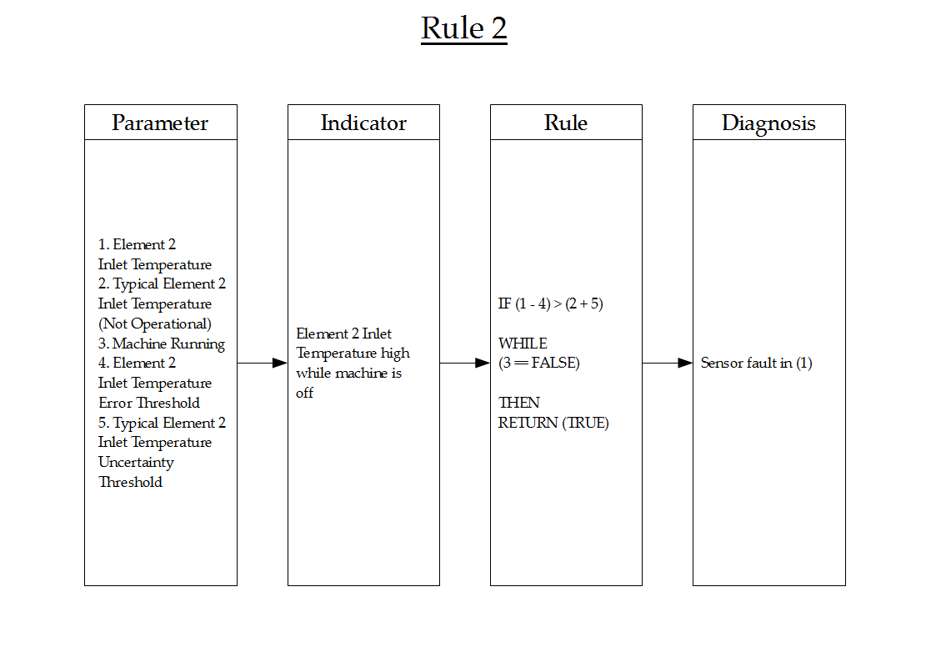
Time | 1 | 2 | 3 | 4 | 5 | 1 - 4 | 2 + 5 | Rule Fired
16-Jul-2015 | 26 | 25 | No | 5 | 5 | 21 | 30 | FALSE
16-Jul-2015 | 29 | 25 | No | 5 | 5 | 24 | 30 | FALSE
16-Jul-2015 | 27 | 25 | Yes | 5 | 5 | 22 | 30 | FALSE
16-Jul-2015 | 30 | 25 | No | 5 | 5 | 25 | 30 | FALSE
16-Jul-2015 | 22 | 25 | Yes | 5 | 5 | 17 | 30 | FALSE
16-Jul-2015 | 23 | 25 | No | 5 | 5 | 18 | 30 | FALSE
16-Jul-2015 | 24 | 25 | No | 5 | 5 | 19 | 30 | FALSE
16-Jul-2015 | 26 | 25 | No | 5 | 5 | 21 | 30 | FALSE
16-Jul-2015 | 27 | 25 | Yes | 5 | 5 | 22 | 30 | FALSE
16-Jul-2015 | 21 | 25 | Yes | 5 | 5 | 16 | 30 | FALSE
16-Jul-2015 | 26 | 25 | No | 5 | 5 | 21 | 30 | FALSE
16-Jul-2015 | 28 | 25 | Yes | 5 | 5 | 23 | 30 | FALSE
16-Jul-2015 | 25 | 25 | No | 5 | 5 | 20 | 30 | FALSE
16-Jul-2015 | 22 | 25 | No | 5 | 5 | 17 | 30 | FALSE
16-Jul-2015 | 29 | 25 | No | 5 | 5 | 24 | 30 | FALSE
16-Jul-2015 | 26 | 25 | Yes | 5 | 5 | 21 | 30 | FALSE
16-Jul-2015 | 22 | 25 | Yes | 5 | 5 | 17 | 30 | FALSE
16-Jul-2015 | 24 | 25 | Yes | 5 | 5 | 19 | 30 | FALSE
16-Jul-2015 | 21 | 25 | Yes | 5 | 5 | 16 | 30 | FALSE
16-Jul-2015 | 26 | 25 | No | 5 | 5 | 21 | 30 | FALSE
16-Jul-2015 | 26 | 25 | Yes | 5 | 5 | 21 | 30 | FALSE
16-Jul-2015 | 24 | 25 | No | 5 | 5 | 19 | 30 | FALSE
16-Jul-2015 | 27 | 25 | No | 5 | 5 | 22 | 30 | FALSE
16-Jul-2015 | 23 | 25 | No | 5 | 5 | 18 | 30 | FALSE
16-Jul-2015 | 23 | 25 | No | 5 | 5 | 18 | 30 | FALSE
16-Jul-2015 | 30 | 25 | No | 5 | 5 | 25 | 30 | FALSE
16-Jul-2015 | 29 | 25 | No | 5 | 5 | 24 | 30 | FALSE
16-Jul-2015 | 20 | 25 | Yes | 5 | 5 | 15 | 30 | FALSE
16-Jul-2015 | 28 | 25 | Yes | 5 | 5 | 23 | 30 | FALSE
16-Jul-2015 | 21 | 25 | Yes | 5 | 5 | 16 | 30 | FALSE
16-Jul-2015 | 20 | 25 | Yes | 5 | 5 | 15 | 30 | FALSE
16-Jul-2015 | 22 | 25 | Yes | 5 | 5 | 17 | 30 | FALSE
16-Jul-2015 | 29 | 25 | Yes | 5 | 5 | 24 | 30 | FALSE
16-Jul-2015 | 24 | 25 | Yes | 5 | 5 | 19 | 30 | FALSE
16-Jul-2015 | 20 | 25 | No | 5 | 5 | 15 | 30 | FALSE
16-Jul-2015 | 26 | 25 | Yes | 5 | 5 | 21 | 30 | FALSE
16-Jul-2015 | 23 | 25 | Yes | 5 | 5 | 18 | 30 | FALSE
16-Jul-2015 | 20 | 25 | No | 5 | 5 | 15 | 30 | FALSE
16-Jul-2015 | 22 | 25 | Yes | 5 | 5 | 17 | 30 | FALSE
16-Jul-2015 | 20 | 25 | Yes | 5 | 5 | 15 | 30 | FALSE
16-Jul-2015 | 28 | 25 | No | 5 | 5 | 23 | 30 | FALSE
16-Jul-2015 | 29 | 25 | No | 5 | 5 | 24 | 30 | FALSE
16-Jul-2015 | 29 | 25 | No | 5 | 5 | 24 | 30 | FALSE
16-Jul-2015 | 23 | 25 | No | 5 | 5 | 18 | 30 | FALSE
16-Jul-2015 | 28 | 25 | No | 5 | 5 | 23 | 30 | FALSE
16-Jul-2015 | 28 | 25 | Yes | 5 | 5 | 23 | 30 | FALSE
16-Jul-2015 | 21 | 25 | No | 5 | 5 | 16 | 30 | FALSE
16-Jul-2015 | 24 | 25 | No | 5 | 5 | 19 | 30 | FALSE
16-Jul-2015 | 29 | 25 | No | 5 | 5 | 24 | 30 | FALSE
16-Jul-2015 | 25 | 25 | Yes | 5 | 5 | 20 | 30 | FALSE
17-Jul-2015 | 30 | 25 | Yes | 5 | 5 | 25 | 30 | FALSE

Rule3
Time | 1 | 2 | 3 | 4 | 5 | 1 - 4 | 2 + 5 | Rule Fired
16-Jul-2015 | 26 | 25 | No | 5 | 5 | 21 | 30 | FALSE
16-Jul-2015 | 29 | 0 | No | 5 | 5 | 24 | 5 | FALSE
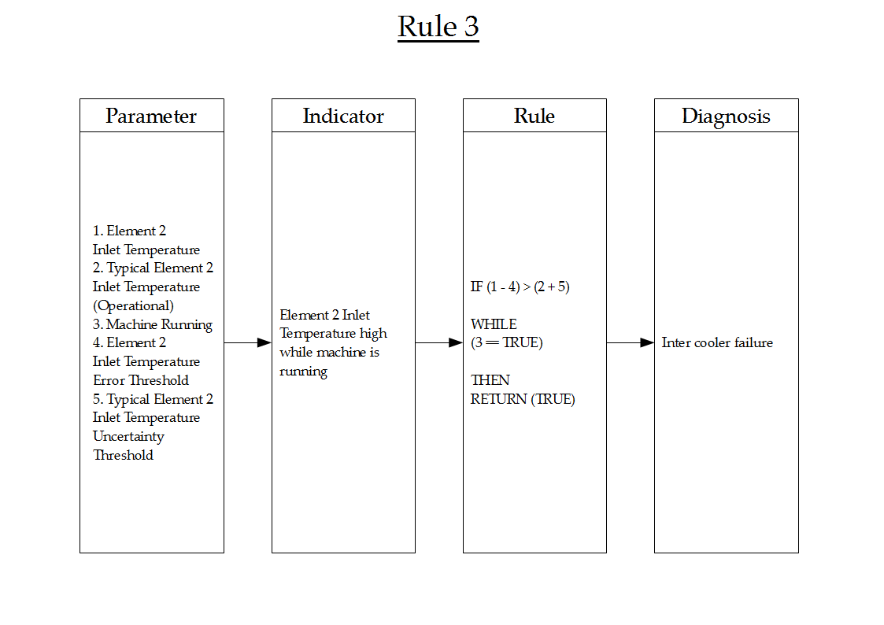
16-Jul-2015 | 27 | 0 | Yes | 5 | 5 | 22 | 5 | TRUE
16-Jul-2015 | 30 | 0 | No | 5 | 5 | 25 | 5 | FALSE
16-Jul-2015 | 22 | 0 | Yes | 5 | 5 | 17 | 5 | TRUE
16-Jul-2015 | 23 | 0 | No | 5 | 5 | 18 | 5 | FALSE
16-Jul-2015 | 24 | 0 | No | 5 | 5 | 19 | 5 | FALSE
16-Jul-2015 | 26 | 0 | No | 5 | 5 | 21 | 5 | FALSE
16-Jul-2015 | 27 | 0 | Yes | 5 | 5 | 22 | 5 | TRUE
16-Jul-2015 | 21 | 0 | Yes | 5 | 5 | 16 | 5 | TRUE
16-Jul-2015 | 26 | 0 | No | 5 | 5 | 21 | 5 | FALSE
16-Jul-2015 | 28 | 0 | Yes | 5 | 5 | 23 | 5 | TRUE
16-Jul-2015 | 25 | 0 | No | 5 | 5 | 20 | 5 | FALSE
16-Jul-2015 | 22 | 0 | No | 5 | 5 | 17 | 5 | FALSE
16-Jul-2015 | 29 | 0 | No | 5 | 5 | 24 | 5 | FALSE
16-Jul-2015 | 26 | 0 | Yes | 5 | 5 | 21 | 5 | TRUE
16-Jul-2015 | 22 | 0 | Yes | 5 | 5 | 17 | 5 | TRUE
16-Jul-2015 | 24 | 0 | Yes | 5 | 5 | 19 | 5 | TRUE
16-Jul-2015 | 21 | 0 | Yes | 5 | 5 | 16 | 5 | TRUE
16-Jul-2015 | 26 | 0 | No | 5 | 5 | 21 | 5 | FALSE
16-Jul-2015 | 26 | 0 | Yes | 5 | 5 | 21 | 5 | TRUE
16-Jul-2015 | 24 | 0 | No | 5 | 5 | 19 | 5 | FALSE
16-Jul-2015 | 27 | 0 | No | 5 | 5 | 22 | 5 | FALSE
16-Jul-2015 | 23 | 0 | No | 5 | 5 | 18 | 5 | FALSE
16-Jul-2015 | 23 | 0 | No | 5 | 5 | 18 | 5 | FALSE
16-Jul-2015 | 30 | 0 | No | 5 | 5 | 25 | 5 | FALSE
16-Jul-2015 | 29 | 0 | No | 5 | 5 | 24 | 5 | FALSE
16-Jul-2015 | 20 | 0 | Yes | 5 | 5 | 15 | 5 | TRUE
16-Jul-2015 | 28 | 0 | Yes | 5 | 5 | 23 | 5 | TRUE
16-Jul-2015 | 21 | 0 | Yes | 5 | 5 | 16 | 5 | TRUE
16-Jul-2015 | 20 | 0 | Yes | 5 | 5 | 15 | 5 | TRUE
16-Jul-2015 | 22 | 0 | Yes | 5 | 5 | 17 | 5 | TRUE
16-Jul-2015 | 29 | 0 | Yes | 5 | 5 | 24 | 5 | TRUE
16-Jul-2015 | 24 | 0 | Yes | 5 | 5 | 19 | 5 | TRUE
16-Jul-2015 | 20 | 0 | No | 5 | 5 | 15 | 5 | FALSE
16-Jul-2015 | 26 | 0 | Yes | 5 | 5 | 21 | 5 | TRUE
16-Jul-2015 | 23 | 0 | Yes | 5 | 5 | 18 | 5 | TRUE
16-Jul-2015 | 20 | 0 | No | 5 | 5 | 15 | 5 | FALSE
16-Jul-2015 | 22 | 0 | Yes | 5 | 5 | 17 | 5 | TRUE
16-Jul-2015 | 20 | 0 | Yes | 5 | 5 | 15 | 5 | TRUE
16-Jul-2015 | 28 | 0 | No | 5 | 5 | 23 | 5 | FALSE
16-Jul-2015 | 29 | 0 | No | 5 | 5 | 24 | 5 | FALSE
16-Jul-2015 | 29 | 0 | No | 5 | 5 | 24 | 5 | FALSE
16-Jul-2015 | 23 | 0 | No | 5 | 5 | 18 | 5 | FALSE
16-Jul-2015 | 28 | 0 | No | 5 | 5 | 23 | 5 | FALSE
16-Jul-2015 | 28 | 0 | Yes | 5 | 5 | 23 | 5 | TRUE
16-Jul-2015 | 21 | 0 | No | 5 | 5 | 16 | 5 | FALSE
16-Jul-2015 | 24 | 0 | No | 5 | 5 | 19 | 5 | FALSE
16-Jul-2015 | 29 | 0 | No | 5 | 5 | 24 | 5 | FALSE
16-Jul-2015 | 25 | 0 | Yes | 5 | 5 | 20 | 5 | TRUE
17-Jul-2015 | 30 | 0 | Yes | 5 | 5 | 25 | 5 | TRUE

