Full List+Map
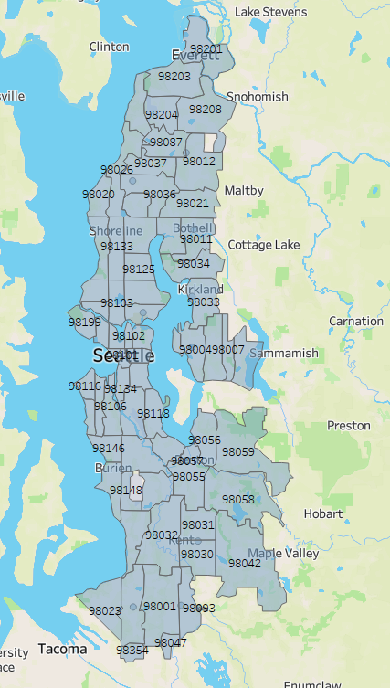
Zip Codes
98101
98102
98103
98104
98105
98106
98107
98108
98109
98112
98115
98116
98117
98118
98119
98121
98122
98125
98126
98133
98134
98136
98144
98146
98154
98155
98164
98174
98177
98178
98195
98199
98015
98001
98002
98003
98004
98005
98007
98008
98009
98011
98012
98020
98021
98023
98026
98028
98030
98031
98032
98033
98034
98036
98037
98039
98041
98042
98043
98046
98047
98055
98056
98057
98058
98059
98063
98064
98071
98082
98083
98087
98093
98146
98148
98166
98168
98178
98188
98198
98201
98203
98204
98208
98275
98354
98718
98006 | Factoria
98040 | Mercer Island
98072 | rural boudary
98077 | rural boudary
98052 | rural boudary
98053 | rural boudary
98074 | rural boudary
98075 | rural boudary
98029 | rural boudary
98059 | rural boudary
98058 | rural boudary
98042 | rural boudary
98027 | rural boudary
98092 | rural boudary
98038 | rural boudary
98010 | rural boudary
98158 | Sea-Tac airport

