Sheet1
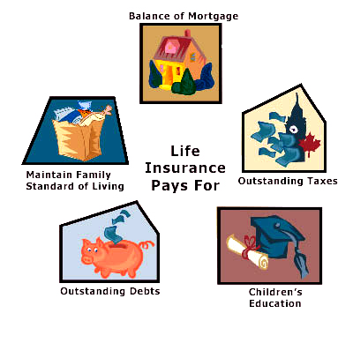
Debts | Income | Mortgage | Education | Existing Insurance | Total Ins. needed
4643 | 6643 | 64536 | 77766 | 0 | 213375

