Sheet1
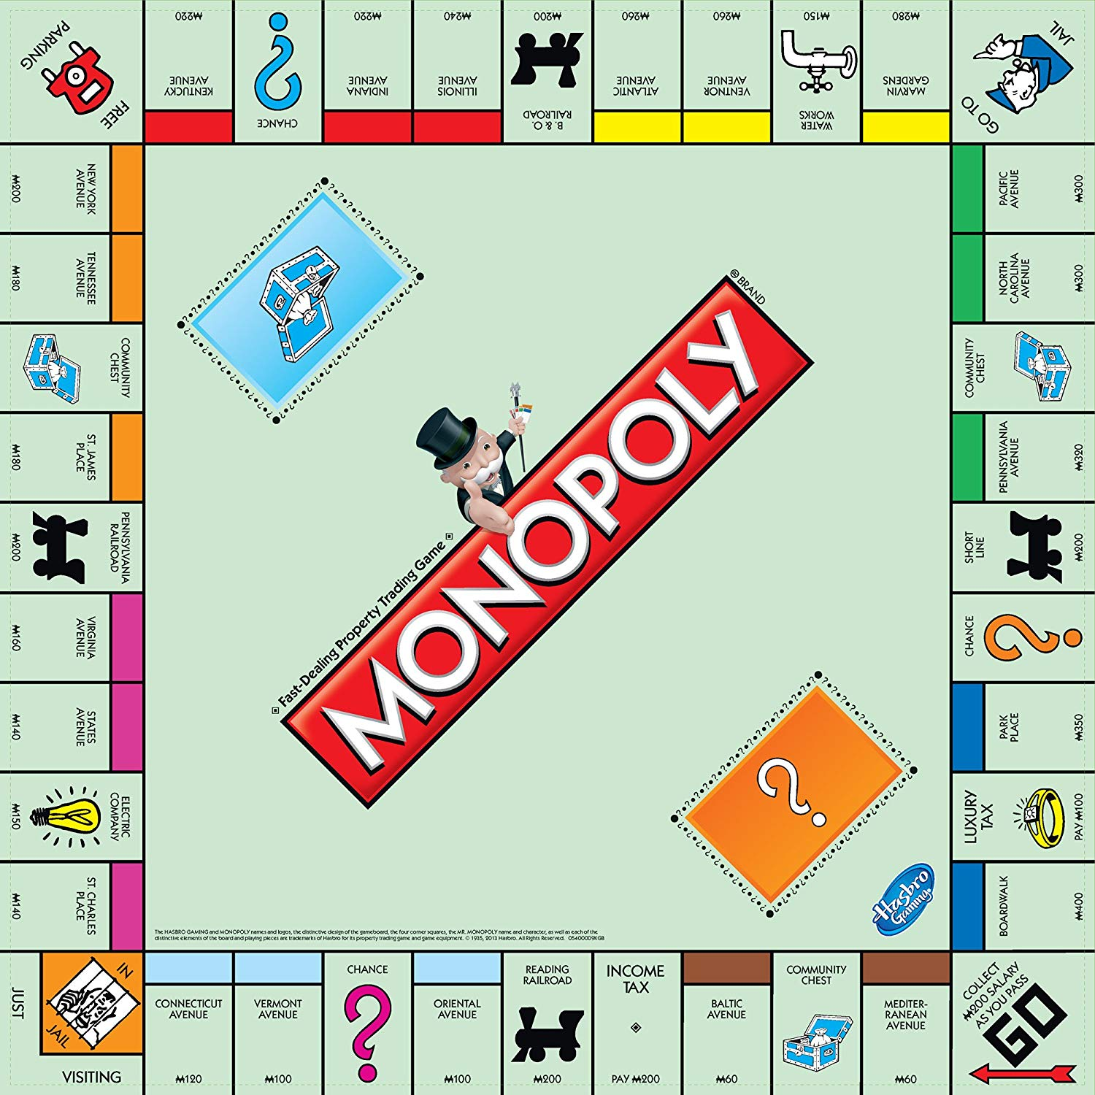
 |  |  |  |  |  |  |  |  | Property | Purchase | House Cost | Rent | Rent 1 house | Rent 2 houses | Rent 3 houses | Rent 4 houses | Rent hotel | Index | Base Fit | 1H Fit | 2H Fit | 3H Fit | 4H Fit | H Fit
 |  |  |  |  |  |  |  |  | Medeterranian Avenue | 60 | 50 | 2 | 10 | 30 | 90 | 160 | 250 | 1 | 0.033333333333 | 0.090909090909 | 0.1875 | 0.42857142857 | 0.61538461538 | 0.8064516129
 |  |  |  |  |  |  |  |  | Baltic Avenue | 60 | 50 | 4 | 20 | 60 | 180 | 320 | 450 | 3 | 0.066666666667 | 0.18181818182 | 0.375 | 0.85714285714 | 1.2307692308 | 1.4516129032
 |  |  |  |  |  |  |  |  | Oriental Avenue | 100 | 50 | 6 | 30 | 90 | 270 | 400 | 550 | 6 | 0.06 | 0.2 | 0.45 | 1.08 | 1.3333333333 | 1.5714285714
 |  |  |  |  |  |  |  |  | Vermont Avenue | 100 | 50 | 6 | 30 | 90 | 270 | 400 | 550 | 8 | 0.06 | 0.2 | 0.45 | 1.08 | 1.3333333333 | 1.5714285714
 |  |  |  |  |  |  |  |  | Conneticut Avenue | 120 | 50 | 8 | 40 | 100 | 300 | 450 | 600 | 9 | 0.066666666667 | 0.23529411765 | 0.45454545455 | 1.1111111111 | 1.40625 | 1.6216216216
 |  |  |  |  |  |  |  |  | St. Charles Place | 140 | 100 | 10 | 50 | 150 | 450 | 625 | 750 | 11 | 0.071428571429 | 0.20833333333 | 0.44117647059 | 1.0227272727 | 1.1574074074 | 1.171875
 |  |  |  |  |  |  |  |  | States Avenue | 140 | 100 | 10 | 50 | 150 | 450 | 625 | 750 | 13 | 0.071428571429 | 0.20833333333 | 0.44117647059 | 1.0227272727 | 1.1574074074 | 1.171875
 |  |  |  |  |  |  |  |  | Virginia Avenue | 160 | 100 | 12 | 60 | 180 | 500 | 700 | 900 | 14 | 0.075 | 0.23076923077 | 0.5 | 1.0869565217 | 1.25 | 1.3636363636
 |  |  |  |  |  |  |  |  | St. James Place | 180 | 100 | 14 | 70 | 200 | 550 | 750 | 950 | 16 | 0.077777777778 | 0.25 | 0.52631578947 | 1.1458333333 | 1.2931034483 | 1.3970588235
 |  |  |  |  |  |  |  |  | Tennessee Avenue | 180 | 100 | 14 | 70 | 200 | 550 | 750 | 950 | 18 | 0.077777777778 | 0.25 | 0.52631578947 | 1.1458333333 | 1.2931034483 | 1.3970588235
 |  |  |  |  |  |  |  |  | New York Avenue | 200 | 100 | 16 | 80 | 220 | 600 | 800 | 1000 | 19 | 0.08 | 0.26666666667 | 0.55 | 1.2 | 1.3333333333 | 1.4285714286
 |  |  |  |  |  |  |  |  | Kentucky Avenue | 220 | 150 | 18 | 90 | 250 | 700 | 875 | 1050 | 21 | 0.081818181818 | 0.24324324324 | 0.48076923077 | 1.0447761194 | 1.0670731707 | 1.0824742268
 |  |  |  |  |  |  |  |  | Indiana Avenue | 220 | 150 | 18 | 90 | 250 | 700 | 875 | 1050 | 23 | 0.081818181818 | 0.24324324324 | 0.48076923077 | 1.0447761194 | 1.0670731707 | 1.0824742268
 |  |  |  |  |  |  |  |  | Illinois Avenue | 240 | 150 | 20 | 100 | 300 | 750 | 925 | 1100 | 24 | 0.083333333333 | 0.25641025641 | 0.55555555556 | 1.0869565217 | 1.1011904762 | 1.1111111111
 |  |  |  |  |  |  |  |  | Atlantic Avenue | 260 | 150 | 22 | 110 | 330 | 800 | 975 | 1150 | 26 | 0.084615384615 | 0.26829268293 | 0.58928571429 | 1.1267605634 | 1.1337209302 | 1.1386138614
 |  |  |  |  |  |  |  |  | Ventnor Avenue | 260 | 150 | 22 | 110 | 330 | 800 | 975 | 1150 | 27 | 0.084615384615 | 0.26829268293 | 0.58928571429 | 1.1267605634 | 1.1337209302 | 1.1386138614
 |  |  |  |  |  |  |  |  | Marvin Gardens | 280 | 150 | 24 | 120 | 360 | 850 | 1025 | 1200 | 29 | 0.085714285714 | 0.27906976744 | 0.62068965517 | 1.1643835616 | 1.1647727273 | 1.1650485437
 |  |  |  |  |  |  |  |  | Pacific Avenue | 300 | 200 | 26 | 130 | 390 | 900 | 1100 | 1275 | 31 | 0.086666666667 | 0.26 | 0.55714285714 | 1 | 1 | 0.98076923077
 |  |  |  |  |  |  |  |  | North Carolina Avenue | 300 | 200 | 26 | 130 | 390 | 900 | 1100 | 1275 | 32 | 0.086666666667 | 0.26 | 0.55714285714 | 1 | 1 | 0.98076923077
 |  |  |  |  |  |  |  |  | Pennsylvania Avenue | 320 | 200 | 28 | 150 | 450 | 1000 | 1200 | 1400 | 34 | 0.0875 | 0.28846153846 | 0.625 | 1.0869565217 | 1.0714285714 | 1.0606060606
 |  |  |  |  |  |  |  |  | Park Place | 350 | 200 | 35 | 175 | 500 | 1100 | 1300 | 1500 | 37 | 0.1 | 0.31818181818 | 0.66666666667 | 1.1578947368 | 1.1304347826 | 1.1111111111
 |  |  |  |  |  |  |  |  | Boardwalk | 400 | 200 | 50 | 200 | 600 | 1400 | 1700 | 2000 | 39 | 0.125 | 0.33333333333 | 0.75 | 1.4 | 1.4166666667 | 1.4285714286

 |  |  |  |  |  |  |  |  | Reading Railroad | 200 |  | 25 | 50 | 100 | 200 |  |  | 5
 |  |  |  |  |  |  |  |  | Pennsylvania Railroad | 200 |  | 25 | 50 | 100 | 200 |  |  | 15
 |  |  |  |  |  |  |  |  | B. & O. Railroad | 200 |  | 25 | 50 | 100 | 200 |  |  | 25
 |  |  |  |  |  |  |  |  | Short Line | 200 |  | 25 | 50 | 100 | 200 |  |  | 35
 |  |  |  |  |  |  |  |  | Electric Company | 150 |  | 4 x roll | 10 x roll |  |  |  |  | 12
 |  |  |  |  |  |  |  |  | Water Works | 150 |  | 4 x roll | 10 x roll |  |  |  |  | 28

 | Cards in Deck | Relevent Cards
Chance | 15 | Advance to "Go". (Collect $200) | Advance to Illinois Ave. {Avenue}. If you pass Go, collect $200. | Advance to St. Charles Place. If you pass Go, collect $200. | Advance token to nearest Utility. If unowned, you may buy it from the Bank. If owned, throw dice and pay owner a total 10 times the amount thrown. | Advance token to the nearest Railroad and pay owner twice the rental to which he/she {he} is otherwise entitled. If Railroad is unowned, you may buy it from the Bank. (There are 2 of these.) | Go Back Three Spaces | Go to Jail. Go directly to Jail. | Take a trip to Reading Railroad. {Take a ride on the Reading. Advance token and} If you pass Go, collect $200. | Take a walk on the Boardwalk. Advance token to Boardwalk.
Community Chest | 17 | Advance to "Go". (Collect $200) | Go to Jail, Directly to Jail
More Messy Data
Cost Efficiencies of Different Properties

